Week 3
Singularities
 | Where ridge lines show distinctive shapes – high curvature, frequent termination, etc.
 | Singularities or singular retions may be classified into three topologies:
 |  | loop
 |  | delta
 |  | whorl
 | Fingerprint matching algorithms align fingerprint images according to landmark or a center point called core, which corresponds to the center of the northernmost loop type singularity

Features in fingerprints
 | ridges and valleys
 | loops, whorl, arches
 | local ridge orientation and frequency

 | Singular point:
 |  | delta type | Triangle | five main fingerprint classes
 |  | Loop type | Square

Minutiae Points
 | Minutiae or Galton’s characteristics represent how the ridges behave:
 |  | termination
 |  | bifurcation

 | Need to be represented numerically, the coordinates of the points
 | Additionally, need the angle of the ridge to the x-axis

Feature Extraction
 | Singularity detection
 | Enhancement and binarization
 | Minutiae extraction

Singularity Detection
 | Poincare Index: P(i,j) at [i,j]:
 |  | Closed curve C is an ordered sequence of orientations such that [i,j] is an internal point
 |  | It is computed by algebraically summing the orientation differences between adjacent elements of C
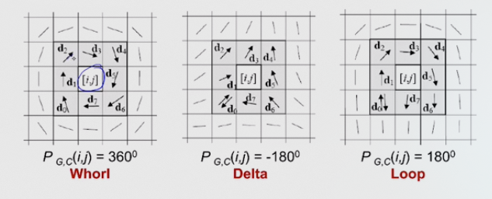

Minutiae Detection
 | Traditional Approach:
 |  | Binarization: fingerprint gray scale image is converted into a binary image |  |  | // go from 0-255 color values to only 0 and 1. Can use thresholds
 |  | Thinning: the binary image is submitted to a thinning state (the ridge-line thickness is reduced to one pixel)
 |  | Detection: simple image scan llows you to detect the pixels that correspond to minutiae

 | Direct Gray-Scale Minutiae Detection:
 |  | Ridge-line is made of a set of points that are the local maxima with respect to the direction orthogonal to the ridge-line itself
 |  | A set of starting points is determined (according to a square-mesh grid superimposed on the image)
 |  | For each point, the algorithm finds the nearest ridge-line and follows it until a bifurcation or termination is reached

