Sheet1
 | USE DRAW.IO

1 | Debunking GPU vs. CPU
 | https://d1wqtxts1xzle7.cloudfront.net/44352770/Debunking_the_100X_GPU_vs._CPU_myth_an_e20160403-24068-1lejaes.pdf?1459688850=&response-content-disposition=inline%3B+filename%3DDebunking_the_100X_GPU_vs_CPU_myth.pdf&Expires=1597264601&Signature=UxB1XDpkX0~td3m--1qkxTrZz4RWSr7BqJTcHliSPxGO91GQAOGClkGWoEfpCHJK6gp-czsT7rShk2KqP8U5Y6aga5Ah2A7IB-L3ysBLI86PzC6ufihVbkBr6eqciMMmksHuiBHFSb9EAFCW8lI~y2BVofGr7AGbYFz7ARqepbQTukeZxGvPl0Ycag0Cnw-JA3qmwIH4IWKOtu10Vz2I6vZzVjS5SdQAl91oLTvcG6XkWHSNGBuB~y3QyaF-mdoDv2~1OEBtwKCaB5tlND-7MlP1AgJXZLLFvZxnmd927u7K2cMT~7L44GKGCv859~dsRTaCzuzOR3To5qXKtLermQ__&Key-Pair-Id=APKAJLOHF5GGSLRBV4ZA

 |  | old/outdated hardware
 |  | explanations on parallel processes
 |  | excellent cpu workload explanation, ok GPU
 |  | Compare i7 and GTX280 to my hardware
 |  |  |  | i7 |  | 3600
 |  |  | cores | 4
 |  |  | frequency | 3.2GHz
 |  |  | L1 cache | 32KB (each core)
 |  |  | L2 cache | 256KB unifed
 |  |  | L3 cache | 8MB (all four share)
 |  |  | Transistors | .7B
 |  |  | SP Scalar FLOPS | 25.6
 |  |  | SIMD FLOPS | 102.4
 |  |  | DP SIMD FLOPS | 51.2

 |  |  |  | GTX280 |  | RTX2060 Super
 |  |  | multiprocessors (SM) | 8
 |  |  | processing speed | 1.3GHz
 |  |  | local shared buffer | 16KB
 |  |  | Transistors | 1.4B
 |  |  | SP Scalar FLOPS | 116.6
 |  |  | SIMD FLOPS | 311.1/933.1
 |  |  | DP SIMD FLOPS | 77.8

 |  |  | To improve single-thread performance, the CPU coreemploys out-of-order super-scalar architecture to exploit instruc-tion level parallelism. Each CPU core supports scalar and SIMDoperations, with multiple issue ports allowing for more than oneoperation to be issued per cycle. It also has a sophisticated branchpredictor to reduce the impact of branch misprediction on perfor-mance. Therefore, the size and complexity of the CPU core limitsthe number of cores that can be integrated on the same die
 |  |  | In comparison, the processing element for GPUor SMtrades offfast single thread performance and clock speed for high through-put. Each SM is relatively simple. It consists of a single fetch unitand eight scalar units. Each instruction is fetched and executed inparallel on all eight scalar units over four cycles for 32 data ele-ments (a.k.a. awarp). This keeps the area of each SM relativelysmall, and therefore more SMs can be packed per die, as comparedto the number of CPU cores

2 | Where is the Data? Why You Cannot DebateCPU vs. GPU Performance Without the Answer
 | https://www.etsisi.upm.es/sites/default/files/asigs/procesamiento_paralelo/articulos/whereIsTheData.pdf

 |  | similar to paper 1
 |  | both focus on kernel time for similar tasks
 |  |  | I want to focus on training models specificially

 |  | In this paper, we have shown that traditional reporting ofCPU/GPU performance comparisons falls short because itdoes not adequately describe the memory-transfer overheadthat applications run on a GPU incur in typical use cases

3 | Performance Evaluation of the NVIDIA GeForce8800 GTX GPU for Machine Learning
 | https://link.springer.com/content/pdf/10.1007/978-3-540-69384-0_52.pdf

 |  | need to compare 8800 to 2060s
 |  | excellent definitions of CUDA
 |  | focus on sparse matrices
 |  |  | still relevant?

4 | A Comparison of GPU Execution Time Predictionusing Machine Learning and Analytical Modeling
 | https://d1wqtxts1xzle7.cloudfront.net/60001290/2016_NCA_Machine_Learning_to_predict_GPUPerformance20190713-31440-u9sc8x.pdf?1563051484=&response-content-disposition=inline%3B+filename%3DA_Comparison_of_GPU_Execution_Time_Predi.pdf&Expires=1597345750&Signature=LtKWxQAGpCNcNh2U2o66KrJH6r79wywHr64Jb3i5YLqTmF9np4YNN7ZpMA5br9R8ZCs-2OC2kd96tHGXkWZ7p05qyaFMPvgLcCmInkKUx0U3gc8CY0IHFA7u6s9lrUFWECn1laRyopcA3YR83ZGwnMG~gN3PSDJOpW2rFcuPFzAWkQ4eVKtAKGfvPIuu0opoTLP0017QYuIWwveyoZt1QWHIyDjN2oiHCH2YQbZ-Bc9mKb3d9d9CDlyu6Kiov9OoIQ1Ep50xEmUS3OiWvq1enM6nvJe57yu1a8dfDmGNUrQz0~XhwsTw7tbTftOo~fvdoOZF8IKJs5lD99byumwrTQ__&Key-Pair-Id=APKAJLOHF5GGSLRBV4ZA
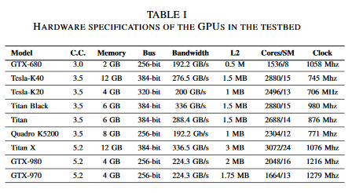

 |  | More up to date, need to see how 2060s fits in
 |  | Tested multiple machine learning models
 |  |  | linear regression, randm forrest, SVM regression
 |  | also compared against the "analytical model"
 |  | We could reasonably predict the running time of 9 kernelfunctions over 9 different GPUs using the analytical model andmachine learning techniques
 |  |  | Follow this one more, how do they predict?

5 | Accelerating the XGBoost algorithm using GPU computing
 | https://peerj.com/articles/cs-127/

 |  | We experiment with novel approaches to processing interleaved subsets of data on GPUs and develop a massively parallel tree construction algorithm that natively handles sparse data.
 |  |  | Sparse data again, could be a focal point

 |  | XGBoost is at its core a decision tree boosting algorithm. Boosting refers to the ensemble learning technique of building many models sequentially, with each new model attempting to correct for the deficiencies in the previous model
 |  | Boosting is an ensemble method that creates ensemble members sequentially. The newest member is created to compensate for the instances incorrectly labelled by the previous learners.
 |  | Gradient boosting is a variation on boosting which represents the learning problem as gradient descent on some arbitrary differentiable loss function that measures the performance of the model on the training set.
 |  | XGBoost is a generalised gradient boosting implementation that includes a regularisation term, used to combat overfitting, as well as support for arbitrary differentiable loss functions
 |  | CUDA code is written as a kernel to be executed by many thousands of threads. All threads execute the same kernel function but their behaviour may be distinguished through a unique thread ID

 |  | Three layers of CUDA memory for reading and writing:
 |  |  | Global, shared, registers

 |  | Floating Point precision
 |  |  | The CPU implementation of the XGBoost algorithm represents gradient/Hessian pairs using two 32 bit floats. All intermediate summations are performed using 64 bit doubles to control loss of precision from floating point addition.
 |  |  | This is problematic when using GPUs as the number of intermediate values involved in a reduction scales with the input size. Using doubles significantly increases the usage of scarce registers and shared memory; moreover, gaming GPUs are optimised for 32 bit floating point operations and give relatively poor double precision throughput
 |  |  | Both these cards have 32 times more single precision ALUs (arithmetic logic units) than double precision ALUs, resulting in 1/32 the theoretical double precision performance. Therefore, an algorithm relying on double precision arithmetic will have severely limited performance on these GPUs.
 |  |  |  | GPU | Single precision | Double precision
 |  |  |  | GTX 970 (Maxwell) | 3,494 | 109
 |  |  |  | Titan X (Pascal) | 10,157 | 317

6 | Optimizing Memory Efficiency for Deep Convolutional Neural Networkson GPUs
 | https://arxiv.org/ftp/arxiv/papers/1610/1610.03618.pdf

 |  | Focuses on CNNs

7 | Deep Machine Learning on GPUs
 | http://www.ziti.uni-heidelberg.de/ziti/uploads/ce_group/seminar/2014-Daniel_Schlegel.pdf

SNN
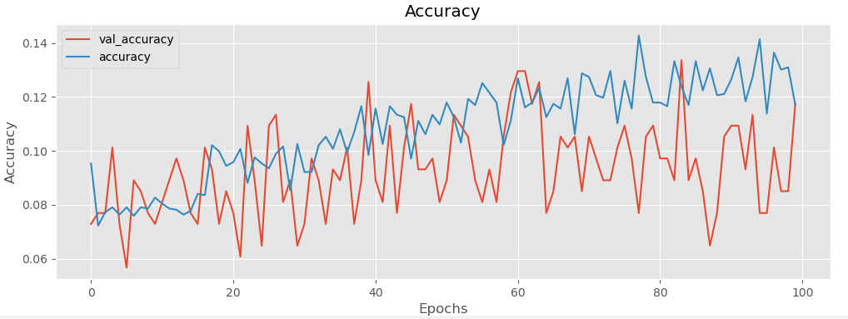
CPU
100 | 3.395

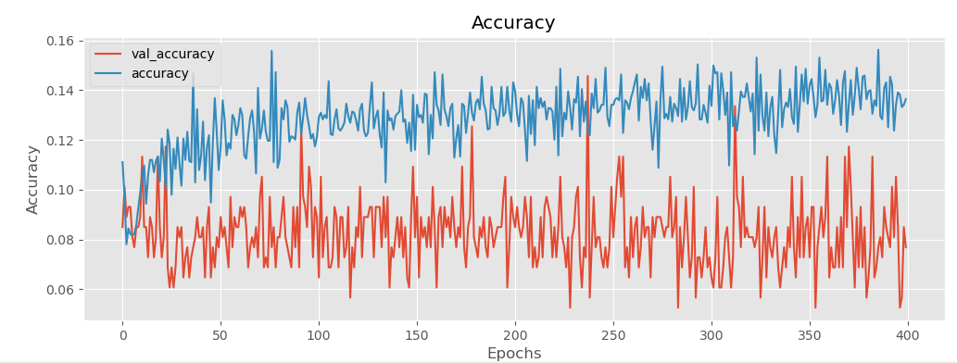
400 | 12.44

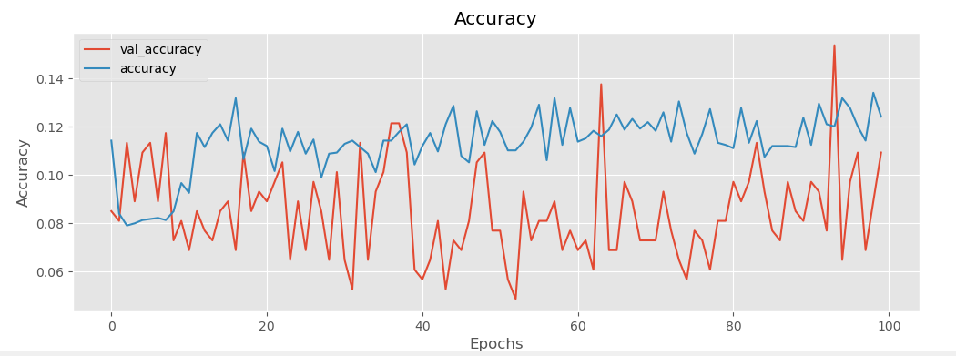
GPU
100
 | 10.38

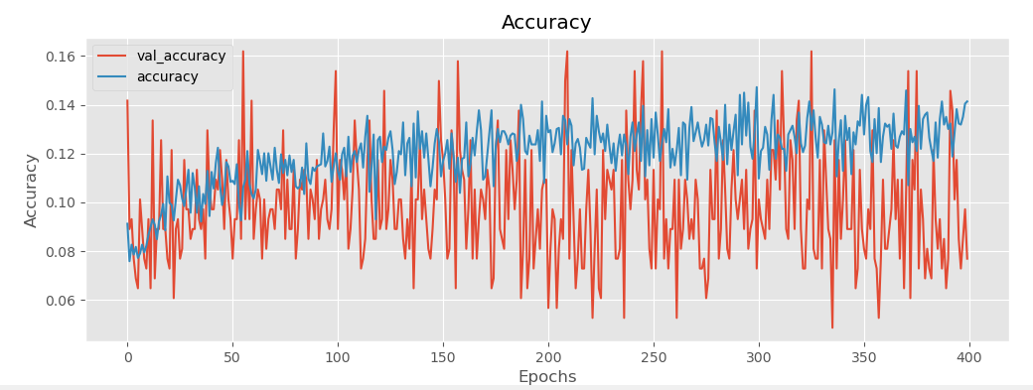
400
 | 38.17

CPU
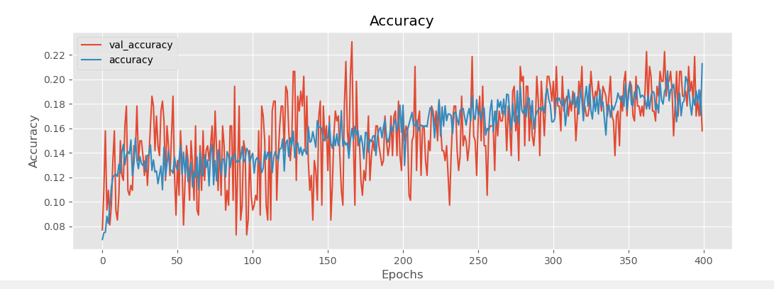
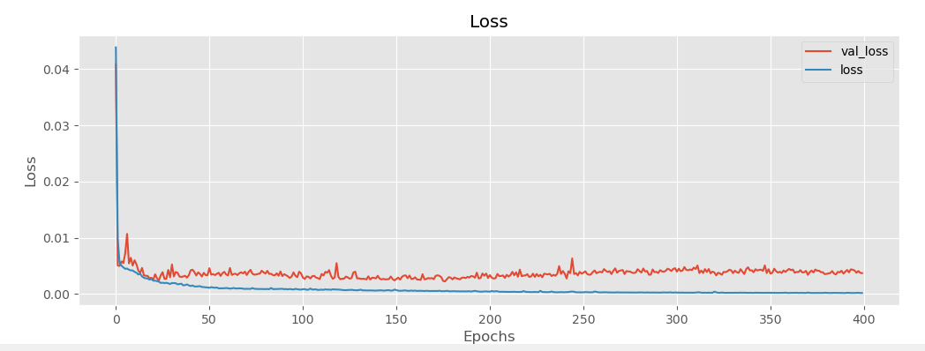

400 epochs
 | 1335 seconds

