Live 1
TRY TO FIND A PAPER ON MEMORY, DO NOT FOCUS ON CPU

Parallelism
 | Limited resources, must execute in parallel
 | One example (of four): pipelining
 |  | Dividing instruction to be executed into stages
 |  | Five stages:
 |  | 1 | Instruction Fetch (Ifetch)
 |  |  |  | In memory first (once you load program)
 |  |  |  | Program Counter (PC) points to location of instruction set in memory
 |  | 2 | Register read (reg)
 |  |  |  | Instruction decode
 |  |  |  | Interpret/understand instruciton
 |  |  |  | Also: read registers you want to work on
 |  |  |  |  | Say you want to add two numbers, must have the registers where the two numbers are
 |  | 3 | Execute (ALU)
 |  |  |  | the ALU will perform the action if its add/substract/etc
 |  | 4 | Data Memory Access (Dmem)
 |  |  |  | for instructions like load/store, must work between memory and register
 |  | 5 | Register Write (Reg)
 |  |  |  | Destination of operation

For registers, can ask registers to be read in the first half of the cycle and written (or vice versa) in the second half
 | No longer have a conflict if two instruction sets are accessing registers on the same cycle

Principle of Locality
 | Temporal: if an item is referenced, it will tend to be referenced again soon (loops, reuse)
 | Spacial: if an item is referenced, items whose addresses are close by tend to be referenced again soon (straight-line code, aray access)

Focus on the Common Case
 | Amdahl's Law |  |  |  |  | 0.6 | 0.04 | 0.64
 |  |  |  |  |  |  |  | 1.5625
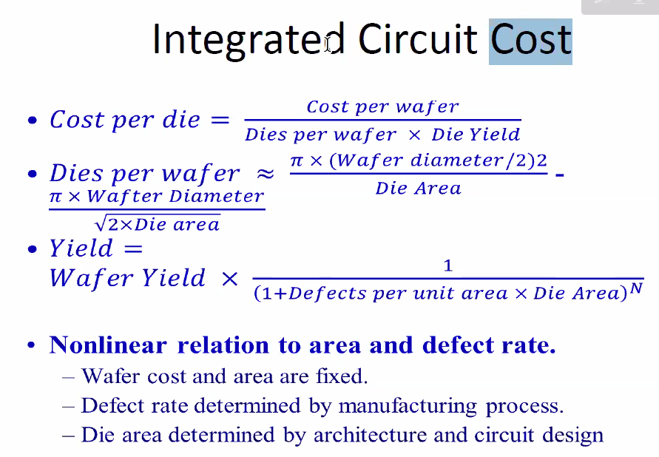
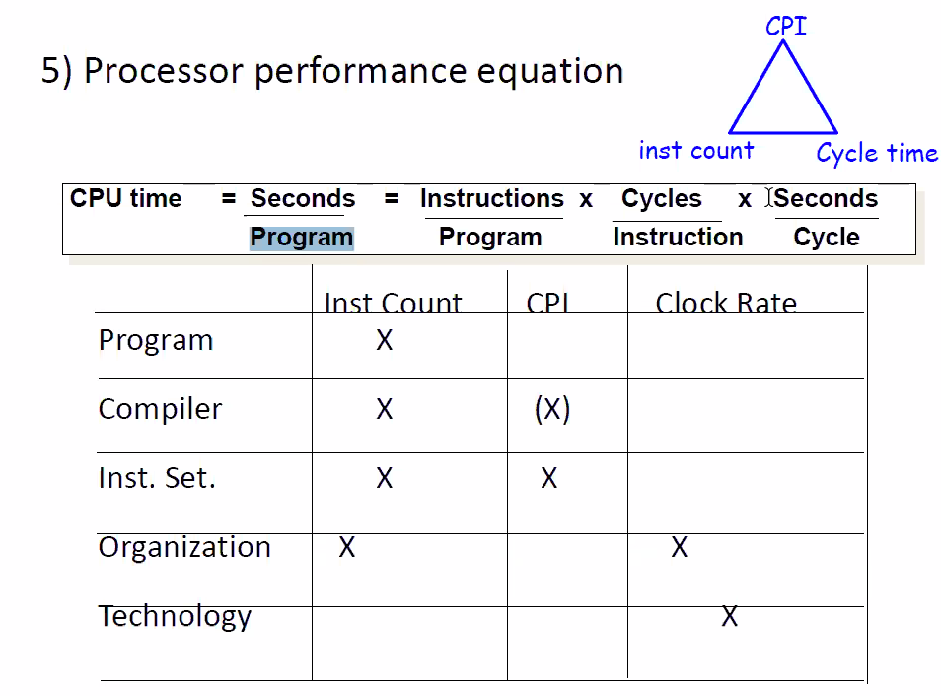
Processor Performance Equation
 | CPU Time = seconds/program = instructions/program x cycles/instruction x seconds/cycle

Latency Lagging Bandwith
 | Bandwith doubles, latency improves by a smaller factor
 | Bandwith easier to sell

 | Latency helps Bandwith, but not vice versa
 |  | Latency: finish task earlier, get more data to process

Power Consumption
 | Dynamic: depends on the load
 |  | Traditional dominant energy consumption has been switch transistors
 | Static: even when a transistor is off, this is static
 |  | Leakage current increases in processors with smaller transistor sizes
 |  | Increasing the number of transistors increases power even if they are turned off

 | CMOS transistor has the lowest leakage technology

