Sheet1
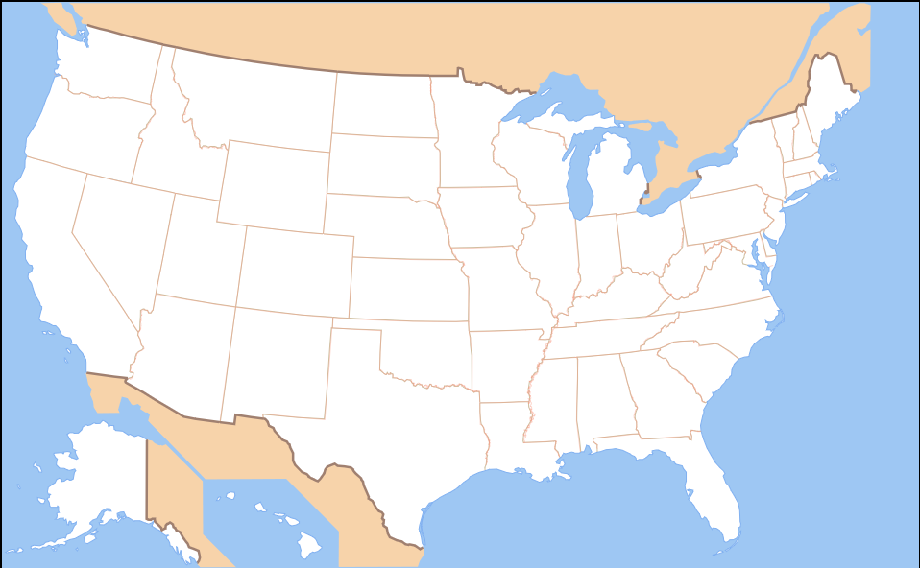
State | Have you been here? | State | Have you been here?
Alabama |  | Montana
Alaska |  | Nebraska
Run
Arizona |  | Nevada
Arkansas |  | New Hampshire
California |  | New Jersey
Colorado |  | New Mexico
Connecticut |  | New York
Delaware |  | North Carolina
Florida |  | North Dakota
Clear
Georgia |  | Ohio
Hawaii |  | Oklahoma
Idaho |  | Oregon
Illinois |  | Pennsylvania
Indiana |  | Rhode Island
Iowa |  | South Carolina
Kansas |  | South Dakota
Kentucky |  | Tennessee
Louisiana |  | Texas
Maine |  | Utah
Maryland |  | Vermont
Massachusetts |  | Virginia
Michigan |  | Washington
Minnesota |  | West Virginia
Mississippi |  | Wisconsin
Missouri |  | Wyoming

