Bugs
Defect ID | Defect Summary | Defect Description/Steps to Reproduce | Severity | Priority | Environment | Assigned to | Status | Screenshots/Video/Evidence
D_001 | User is unable to see Jobs calendar for before and after dates | Steps to reproduce: 1. click left arrow button near Today in Jobs calendar page 2. click right arrow button near Today in Jobs calendar page Expected behaviour: user should be able to see previous dates in jobs calendar by clicking on left arrow button and should be able to see future dates in jobs calendar by clicking on right arrow button Actual behaviour:left and right arrow button near Today in jobs calendar is not working. | High | High | Test | John | Open | 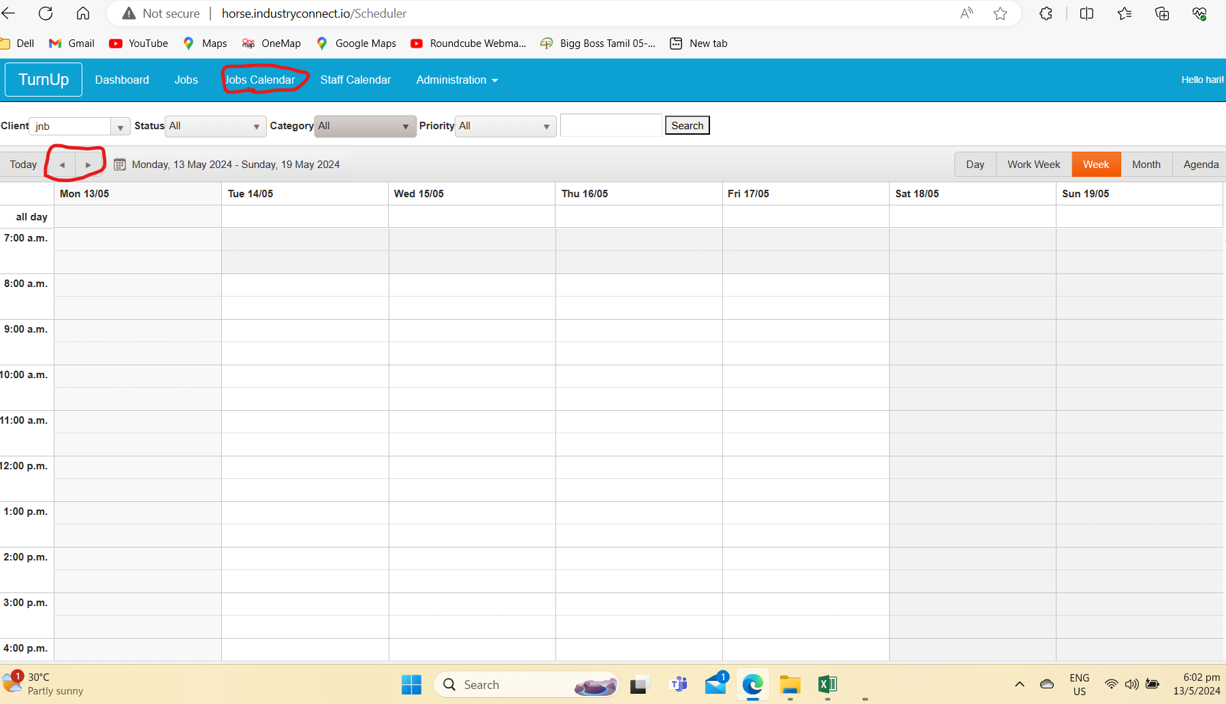
D_002 | User is unable to save/add new customer name | Steps to reproduce: 1.Go to Administration ---> Customers 2, Click on create new. 3. Enter name on name field 4. Enter contact by clicking on Edit contact.button and gave specific details in all text box and click on save contact 5. Click on same as above check box to reflect same contact for Billing Contact 6. Enter GST 7. Click Save button Expected behaviour: Entered customer details should be saved Actual behaviour Entered customer details not getting save and save button is not responding | High | High | Test | John | Open | 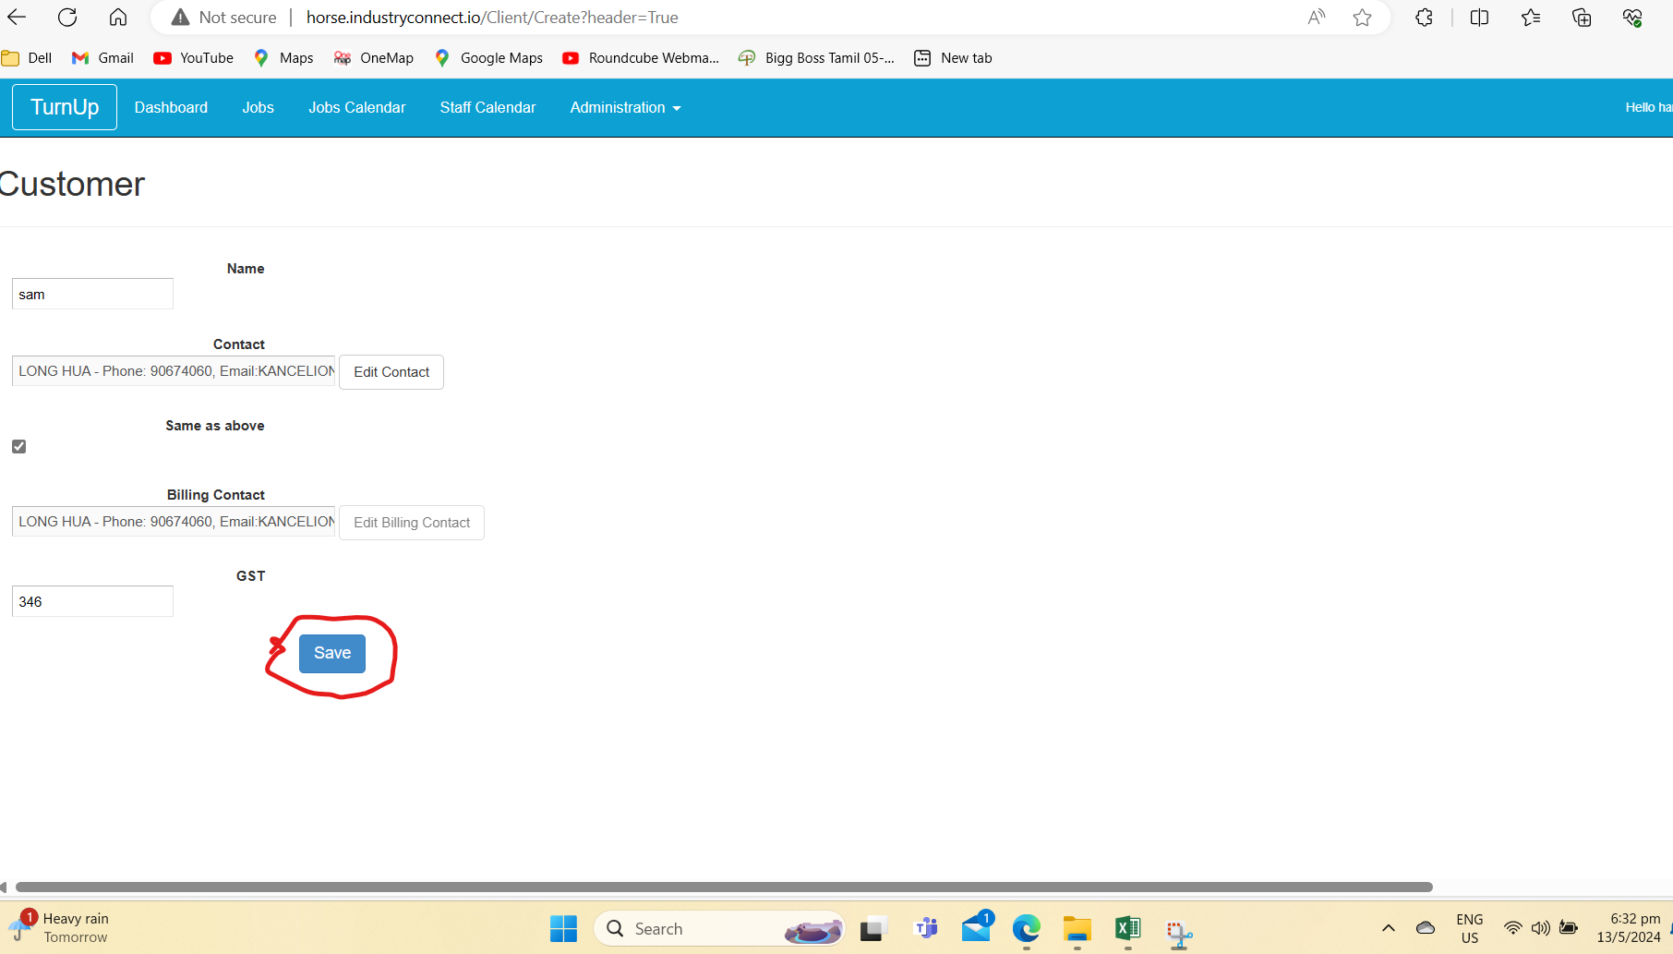
D_003 | Bottom right arrow button of companies page not working/disabled | Steps to reproduce: 1.Go to Administration ---> Companies 2. click bottom right arrow buttons near page number 5 Expected behaviour: Pages next to 5th page should be shown while click on bottom right arrow button near page number 5 Actual behaviour: Pages next to 5th page is not coming while click on bottom right arrow button near page number 5 | High | High | Test | John | Open | 