Sheet1
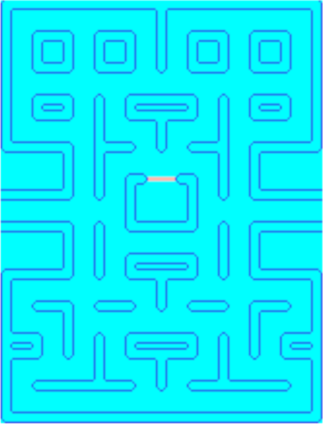
 | 0 | 1 | 2 | 3 | 4 | 5 | 6 | 7 | 8 | 9 | 10 | 11 | 12 | 13 | 14 | 15 | 16 | 17 | 18 | 19 | 20 | 21 | 22 | 23 | 24 | 25 | 26 | 27 | 28 | 29 | 30 | 31
0 | X | X | X | X | X | X | X | X | X | X | X | X | X | X | X | X | X | X | X | X | X | X | X | X | X | X | X | X | X | X | X | X
1 | X |  |  |  |  |  |  |  |  |  |  |  |  |  |  | X | X |  |  |  |  |  |  |  |  |  |  |  |  |  |  | X
2 | X |  |  |  |  |  |  |  |  |  |  |  |  |  |  | X | X |  |  |  |  |  |  |  |  |  |  |  |  |  |  | X
3 | X |  |  | X | X | X | X |  |  | X | X | X | X |  |  | X | X |  |  | X | X | X | X |  |  | X | X | X | X |  |  | X
4 | X |  |  | X | X | X | X |  |  | X | X | X | X |  |  | X | X |  |  | X | X | X | X |  |  | X | X | X | X |  |  | X
5 | X |  |  | X | X | X | X |  |  | X | X | X | X |  |  | X | X |  |  | X | X | X | X |  |  | X | X | X | X |  |  | X
6 | X |  |  | X | X | X | X |  |  | X | X | X | X |  |  | X | X |  |  | X | X | X | X |  |  | X | X | X | X |  |  | X
7 | X |  |  |  |  |  |  |  |  |  |  |  |  |  |  |  |  |  |  |  |  |  |  |  |  |  |  |  |  |  |  | X
8 | X |  |  |  |  |  |  |  |  |  |  |  |  |  |  |  |  |  |  |  |  |  |  |  |  |  |  |  |  |  |  | X
9 | X |  |  | X | X | X | X |  |  | X |  |  | X | X | X | X | X | X | X | X |  |  | X |  |  | X | X | X | X |  |  | X
10 | X |  |  | X | X | X | X |  |  | X |  |  | X | X | X | X | X | X | X | X |  |  | X |  |  | X | X | X | X |  |  | X
11 | X |  |  |  |  |  |  |  |  | X |  |  |  |  |  | X | X |  |  |  |  |  | X |  |  |  |  |  |  |  |  | X
12 | X |  |  |  |  |  |  |  |  | X |  |  |  |  |  | X | X |  |  |  |  |  | X |  |  |  |  |  |  |  |  | X
13 | X | X | X | X | X | X | X |  |  | X | X | X | X |  |  | X | X |  |  | X | X | X | X |  |  | X | X | X | X | X | X | X
14 |  |  |  |  |  |  | X |  |  | X |  |  |  |  |  |  |  |  |  |  |  |  | X |  |  | X
15 |  |  |  |  |  |  | X |  |  | X |  |  |  |  |  |  |  |  |  |  |  |  | X |  |  | X
16 |  |  |  |  |  |  | X |  |  | X |  |  | X | X | G | G | G | G | X | X |  |  | X |  |  | X
17 | X | X | X | X | X | X | X |  |  | X |  |  | X |  |  |  |  |  |  | X |  |  | X |  |  | X | X | X | X | X | X | X
18 |  |  |  |  |  |  |  |  |  |  |  |  | X |  |  |  |  |  |  | X
19 |  |  |  |  |  |  |  |  |  |  |  |  | X |  |  |  |  |  |  | X
20 | X | X | X | X | X | X | X |  |  | X |  |  | X | X | X | X | X | X | X | X |  |  | X |  |  | X | X | X | X | X | X | X
21 |  |  |  |  |  |  | X |  |  | X |  |  |  |  |  |  |  |  |  |  |  |  | X |  |  | X
22 |  |  |  |  |  |  | X |  |  | X |  |  |  |  |  |  |  |  |  |  |  |  | X |  |  | X
23 |  |  |  |  |  |  | X |  |  | X |  |  | X | X | X | X | X | X | X | X |  |  | X |  |  | X
24 | X | X | X | X | X | X | X |  |  | X |  |  | X | X | X | X | X | X | X | X |  |  | X |  |  | X | X | X | X | X | X | X
25 | X |  |  |  |  |  |  |  |  |  |  |  |  |  |  | X | X |  |  |  |  |  |  |  |  |  |  |  |  |  |  | X
26 | X |  |  |  |  |  |  |  |  |  |  |  |  |  |  | X | X |  |  |  |  |  |  |  |  |  |  |  |  |  |  | X
27 | X |  |  | X | X | X | X |  |  | X | X | X | X |  |  | X | X |  |  | X | X | X | X |  |  | X | X | X | X |  |  | X
28 | X |  |  |  |  |  | X |  |  |  |  |  |  |  |  |  |  |  |  |  |  |  |  |  |  | X |  |  |  |  |  | X
29 | X |  |  |  |  |  | X |  |  |  |  |  |  |  |  |  |  |  |  |  |  |  |  |  |  | X |  |  |  |  |  | X
30 | X | X | X | X |  |  | X |  |  | X |  |  | X | X | X | X | X | X | X | X |  |  | X |  |  | X |  |  | X | X | X | X
31 | X | X | X | X |  |  | X |  |  | X |  |  | X | X | X | X | X | X | X | X |  |  | X |  |  | X |  |  | X | X | X | X
32 | X |  |  |  |  |  |  |  |  | X |  |  |  |  |  | X | X |  |  |  |  |  | X |  |  |  |  |  |  |  |  | X
33 | X |  |  |  |  |  |  |  |  | X |  |  |  |  |  | X | X |  |  |  |  |  | X |  |  |  |  |  |  |  |  | X
34 | X |  |  | X | X | X | X | X | X | X | X | X |  |  |  | X | X |  |  |  | X | X | X | X | X | X | X | X | X |  |  | X
35 | X |  |  |  |  |  |  |  |  |  |  |  |  |  |  |  |  |  |  |  |  |  |  |  |  |  |  |  |  |  |  | X
36 | X |  |  |  |  |  |  |  |  |  |  |  |  |  |  |  |  |  |  |  |  |  |  |  |  |  |  |  |  |  |  | X
37 | X | X | X | X | X | X | X | X | X | X | X | X | X | X | X | X | X | X | X | X | X | X | X | X | X | X | X | X | X | X | X | X

Sheet3
