Super Structure
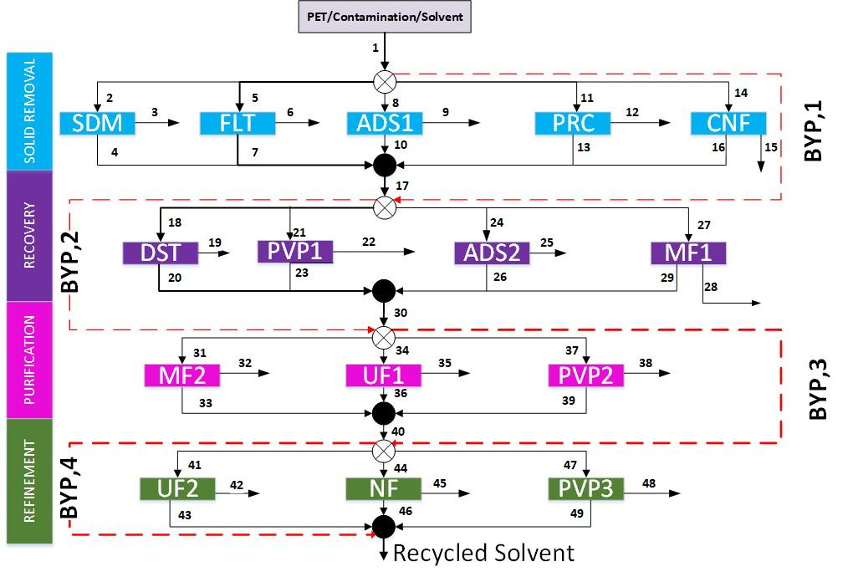



 |  |  |  |  |  | drop down | stage 1 output (3,6,9,12,etc)
 |  |  |  |  |  | solvent recovery -- 58

 | desired? | drop down | field of choice
pet | check box | recovery/ purity
add
EB |  | recovery | 95
ACT

 |  |  | desired | recovery | purity
 |  | pet | y | 0 | 95
 |  | add | n | 0 | 0
 |  | EB | y | 95 | 0
 |  | ACT | n | 0 | 0

