Temps
Variables
Target (T) | 4 | standard deviations from norm
Dampener (C) | 0.7 | standard deviations from norm

AVERAGE: | 83.72 | 81.67 | 81.67 | 83.94 | 83.30
STDDEV: | 8.55 | 9.32 | 7.73 | 6.59 | 8.71
Target (T) | 34.19 | 37.28 | 30.91 | 26.37 | 34.84 | S values | Is S>T ?
Dampener (C) | 5.98 | 6.52 | 5.41 | 4.61 | 6.10 |  |  | 1996 | 1997 | 1998 | 1999 | 2000 | 2001 | 2002 | 2003 | 2004 | 2005 | 2006 | 2007 | 2008 | 2009 | 2010 | 2011 | 2012 | 2013 | 2014 | 2015
DAY | 1996 | 1997 | 2013 | 2014 | 2015 |  |  | Is S(1996) > T(1996) ? | Is S(1997) > T(1997) ? | Is S(1998) > T(1998) ? | Is (1999) > T(1999) | Is S(2000)>T(2000) | Is S(2001) > T(2001) | Is S(2002) > T(2002) | Is S(2003) > T(2003) | Is S(2004) > T(2004) | Is S(2005) > T(2005) | Is S(2006) > T(2006) | Is S(2007) > T(2007) | Is S(2008) > T(2008) | Is S(2009) > T(2009) | Is S(2010)>T(2010) | Is S(2011)>T(2011) | Is S(2012)>T(2012) | Is S(2013) > T(2013) | Is S(2014) > T(2014) | is S(2015) > T(2015) ?
2018-07-01 | 98 | 86 | 82 | 90 | 85 |  |  | FALSE | FALSE | FALSE | FALSE | FALSE | FALSE | FALSE | FALSE | FALSE | FALSE | FALSE | FALSE | FALSE | FALSE | FALSE | FALSE | FALSE | FALSE | FALSE | FALSE
2018-07-02 | 97 | 90 | 85 | 93 | 87 |  |  | FALSE | FALSE | FALSE | FALSE | FALSE | FALSE | FALSE | FALSE | FALSE | FALSE | FALSE | FALSE | FALSE | FALSE | FALSE | FALSE | FALSE | FALSE | FALSE | FALSE
2018-07-03 | 97 | 93 | 76 | 87 | 79 |  |  | FALSE | FALSE | FALSE | FALSE | FALSE | FALSE | FALSE | FALSE | FALSE | FALSE | FALSE | FALSE | FALSE | FALSE | FALSE | FALSE | FALSE | FALSE | FALSE | FALSE
2018-07-04 | 90 | 91 | 77 | 84 | 85 |  |  | FALSE | FALSE | FALSE | FALSE | FALSE | FALSE | FALSE | FALSE | FALSE | FALSE | FALSE | FALSE | FALSE | FALSE | FALSE | FALSE | FALSE | FALSE | FALSE | FALSE
...
2018-09-26 | 84 | 70 | 78 | 74 | 71 |  |  | FALSE | FALSE | FALSE | FALSE | FALSE | FALSE | FALSE | FALSE | FALSE | FALSE | FALSE | FALSE | FALSE | FALSE | FALSE | FALSE | FALSE | FALSE | FALSE | FALSE
2018-09-27 | 79 | 64 | 79 | 78 | 71 |  |  | FALSE | FALSE | FALSE | FALSE | FALSE | FALSE | FALSE | FALSE | FALSE | FALSE | FALSE | FALSE | FALSE | FALSE | FALSE | FALSE | FALSE | FALSE | FALSE | FALSE
2018-09-28 | 75 | 68 | 77 | 74 | 75 |  |  | FALSE | FALSE | FALSE | FALSE | FALSE | FALSE | FALSE | FALSE | FALSE | FALSE | FALSE | FALSE | FALSE | FALSE | FALSE | FALSE | FALSE | FALSE | FALSE | FALSE
2018-09-29 | 72 | 77 | 76 | 71 | 77 |  |  | FALSE | FALSE | FALSE | FALSE | FALSE | FALSE | FALSE | FALSE | FALSE | FALSE | FALSE | FALSE | FALSE | FALSE | FALSE | FALSE | FALSE | FALSE | FALSE | FALSE
2018-09-30 | 64 | 86 | 77 | 84 | 85 |  |  | FALSE | FALSE | FALSE | FALSE | FALSE | FALSE | FALSE | FALSE | FALSE | FALSE | FALSE | FALSE | FALSE | FALSE | FALSE | FALSE | FALSE | FALSE | FALSE | FALSE
2018-10-01 | 66 | 75 | 82 | 86 | 71 |  |  | FALSE | FALSE | FALSE | FALSE | FALSE | FALSE | FALSE | FALSE | FALSE | FALSE | FALSE | FALSE | FALSE | FALSE | FALSE | FALSE | FALSE | FALSE | FALSE | FALSE
2018-10-02 | 72 | 73 | 82 | 85 | 66 |  |  | TRUE | FALSE | FALSE | FALSE | FALSE | FALSE | FALSE | TRUE | FALSE | FALSE | FALSE | FALSE | FALSE | FALSE | FALSE | FALSE | FALSE | FALSE | FALSE | TRUE
2018-10-03 | 84 | 75 | 82 | 78 | 66 |  |  | FALSE | FALSE | FALSE | FALSE | FALSE | FALSE | FALSE | TRUE | FALSE | FALSE | FALSE | FALSE | FALSE | FALSE | TRUE | FALSE | FALSE | FALSE | FALSE | TRUE
2018-10-04 | 70 | 78 | 85 | 65 | 70 |  |  | TRUE | FALSE | FALSE | FALSE | FALSE | FALSE | FALSE | TRUE | FALSE | FALSE | FALSE | FALSE | FALSE | FALSE | TRUE | FALSE | FALSE | FALSE | FALSE | TRUE
2018-10-05 | 66 | 81 | 84 | 71 | 73 |  |  | TRUE | FALSE | FALSE | FALSE | FALSE | FALSE | FALSE | TRUE | FALSE | FALSE | FALSE | FALSE | FALSE | FALSE | TRUE | FALSE | FALSE | FALSE | TRUE | TRUE
2018-10-06 | 64 | 82 | 84 | 78 | 76 |  |  | TRUE | FALSE | FALSE | FALSE | FALSE | FALSE | FALSE | TRUE | FALSE | FALSE | FALSE | FALSE | FALSE | FALSE | TRUE | FALSE | FALSE | FALSE | TRUE | TRUE
2018-10-07 | 60 | 82 | 74 | 82 | 81 |  |  | TRUE | FALSE | FALSE | FALSE | FALSE | FALSE | FALSE | TRUE | FALSE | FALSE | FALSE | FALSE | FALSE | FALSE | TRUE | FALSE | FALSE | FALSE | TRUE | TRUE
2018-10-08 | 78 | 82 | 72 | 86 | 82 |  |  | TRUE | FALSE | FALSE | FALSE | TRUE | FALSE | FALSE | TRUE | FALSE | FALSE | FALSE | FALSE | FALSE | FALSE | TRUE | FALSE | FALSE | FALSE | FALSE | TRUE
2018-10-09 | 70 | 80 | 76 | 86 | 81 |  |  | TRUE | FALSE | TRUE | FALSE | TRUE | FALSE | FALSE | TRUE | FALSE | FALSE | FALSE | FALSE | FALSE | FALSE | TRUE | FALSE | TRUE | FALSE | FALSE | TRUE
2018-10-10 | 72 | 82 | 80 | 86 | 71 |  |  | TRUE | FALSE | TRUE | FALSE | TRUE | TRUE | FALSE | TRUE | FALSE | FALSE | FALSE | FALSE | FALSE | FALSE | TRUE | FALSE | TRUE | FALSE | FALSE | TRUE
2018-10-11 | 69 | 82 | 79 | 86 | 73 |  |  | TRUE | FALSE | TRUE | FALSE | TRUE | TRUE | FALSE | TRUE | FALSE | FALSE | FALSE | FALSE | FALSE | FALSE | TRUE | TRUE | TRUE | FALSE | FALSE | TRUE
2018-10-12 | 69 | 79 | 81 | 85 | 76 |  |  | TRUE | FALSE | TRUE | TRUE | TRUE | TRUE | FALSE | TRUE | FALSE | FALSE | FALSE | FALSE | FALSE | FALSE | TRUE | TRUE | TRUE | FALSE | FALSE | TRUE
2018-10-13 | 73 | 80 | 82 | 85 | 81 |  |  | TRUE | FALSE | TRUE | TRUE | TRUE | FALSE | FALSE | TRUE | TRUE | FALSE | FALSE | FALSE | FALSE | FALSE | TRUE | TRUE | TRUE | FALSE | FALSE | TRUE
2018-10-14 | 79 | 68 | 77 | 75 | 78 |  |  | TRUE | FALSE | TRUE | TRUE | TRUE | FALSE | FALSE | TRUE | TRUE | FALSE | FALSE | FALSE | FALSE | FALSE | TRUE | TRUE | TRUE | FALSE | FALSE | TRUE
2018-10-15 | 81 | 63 | 68 | 69 | 81 |  |  | TRUE | FALSE | TRUE | TRUE | TRUE | TRUE | TRUE | TRUE | TRUE | FALSE | FALSE | FALSE | FALSE | FALSE | TRUE | TRUE | TRUE | FALSE | FALSE | TRUE
2018-10-16 | 80 | 57 | 74 | 70 | 77 |  |  | TRUE | TRUE | TRUE | TRUE | TRUE | TRUE | TRUE | TRUE | TRUE | FALSE | TRUE | FALSE | FALSE | TRUE | TRUE | TRUE | TRUE | FALSE | FALSE | TRUE
2018-10-17 | 82 | 66 | 72 | 80 | 70 |  |  | TRUE | TRUE | TRUE | TRUE | TRUE | TRUE | TRUE | TRUE | TRUE | FALSE | TRUE | FALSE | FALSE | TRUE | TRUE | TRUE | TRUE | FALSE | FALSE | TRUE
2018-10-18 | 66 | 64 | 73 | 76 | 66 |  |  | TRUE | TRUE | TRUE | TRUE | TRUE | TRUE | TRUE | TRUE | TRUE | FALSE | TRUE | FALSE | FALSE | TRUE | TRUE | TRUE | TRUE | FALSE | TRUE | TRUE
2018-10-19 | 63 | 69 | 63 | 73 | 64 |  |  | TRUE | TRUE | TRUE | TRUE | TRUE | TRUE | TRUE | TRUE | TRUE | FALSE | TRUE | FALSE | FALSE | TRUE | TRUE | TRUE | TRUE | TRUE | TRUE | TRUE
2018-10-20 | 68 | 70 | 70 | 73 | 71 |  |  | TRUE | TRUE | TRUE | TRUE | TRUE | TRUE | TRUE | TRUE | TRUE | FALSE | TRUE | FALSE | TRUE | TRUE | TRUE | TRUE | TRUE | TRUE | TRUE | TRUE
2018-10-21 | 79 | 70 | 72 | 77 | 76 |  |  | TRUE | TRUE | TRUE | TRUE | TRUE | TRUE | TRUE | TRUE | TRUE | FALSE | TRUE | TRUE | TRUE | TRUE | TRUE | TRUE | TRUE | TRUE | TRUE | TRUE
2018-10-22 | 81 | 62 | 69 | 70 | 79 |  |  | TRUE | TRUE | TRUE | TRUE | TRUE | TRUE | TRUE | TRUE | TRUE | FALSE | TRUE | TRUE | TRUE | TRUE | TRUE | TRUE | TRUE | TRUE | TRUE | TRUE
2018-10-23 | 69 | 63 | 63 | 72 | 81 |  |  | TRUE | TRUE | TRUE | TRUE | TRUE | TRUE | TRUE | TRUE | TRUE | TRUE | TRUE | TRUE | TRUE | TRUE | TRUE | TRUE | TRUE | TRUE | TRUE | TRUE
2018-10-24 | 73 | 62 | 66 | 74 | 76 |  |  | TRUE | TRUE | TRUE | TRUE | TRUE | TRUE | TRUE | TRUE | TRUE | TRUE | TRUE | TRUE | TRUE | TRUE | TRUE | TRUE | TRUE | TRUE | TRUE | TRUE
2018-10-25 | 73 | 75 | 56 | 77 | 71 |  |  | TRUE | TRUE | TRUE | TRUE | TRUE | TRUE | TRUE | TRUE | TRUE | TRUE | TRUE | TRUE | TRUE | TRUE | TRUE | TRUE | TRUE | TRUE | TRUE | TRUE
2018-10-26 | 75 | 71 | 61 | 84 | 67 |  |  | TRUE | TRUE | TRUE | TRUE | TRUE | TRUE | TRUE | TRUE | TRUE | TRUE | TRUE | TRUE | TRUE | TRUE | TRUE | TRUE | TRUE | TRUE | TRUE | TRUE
2018-10-27 | 75 | 57 | 69 | 84 | 56 |  |  | TRUE | TRUE | TRUE | TRUE | TRUE | TRUE | TRUE | TRUE | TRUE | TRUE | TRUE | TRUE | TRUE | TRUE | TRUE | TRUE | TRUE | TRUE | TRUE | TRUE
2018-10-28 | 81 | 55 | 64 | 77 | 78 |  |  | TRUE | TRUE | TRUE | TRUE | TRUE | TRUE | TRUE | TRUE | TRUE | TRUE | TRUE | TRUE | TRUE | TRUE | TRUE | TRUE | TRUE | TRUE | TRUE | TRUE
2018-10-29 | 82 | 64 | 75 | 73 | 70 |  |  | TRUE | TRUE | TRUE | TRUE | TRUE | TRUE | TRUE | TRUE | TRUE | TRUE | TRUE | TRUE | TRUE | TRUE | TRUE | TRUE | TRUE | TRUE | TRUE | TRUE
2018-10-30 | 82 | 66 | 78 | 68 | 70 |  |  | TRUE | TRUE | TRUE | TRUE | TRUE | TRUE | TRUE | TRUE | TRUE | TRUE | TRUE | TRUE | TRUE | TRUE | TRUE | TRUE | TRUE | TRUE | TRUE | TRUE
2018-10-31 | 81 | 60 | 74 | 63 | 62 |  |  | TRUE | TRUE | TRUE | TRUE | TRUE | TRUE | TRUE | TRUE | TRUE | TRUE | TRUE | TRUE | TRUE | TRUE | TRUE | TRUE | TRUE | TRUE | TRUE | TRUE

 |  |  |  |  |  | Days after 7/1 before gets cold |  | 94 | 107 | 100 | 103 | 99 | 103 | 106 | 93 | 104 | 114 | 107 | 112 | 111 | 107 | 94 | 102 | 100 | 110 | 106 | 93

Year | Days after 7/1 before it gets cold | S(t)
1996 | 94 | 0
1997 | 107 | 4.771410584
1998 | 100 | 0
1999 | 103 | 0
2000 | 99 | 0
2001 | 103 | 0
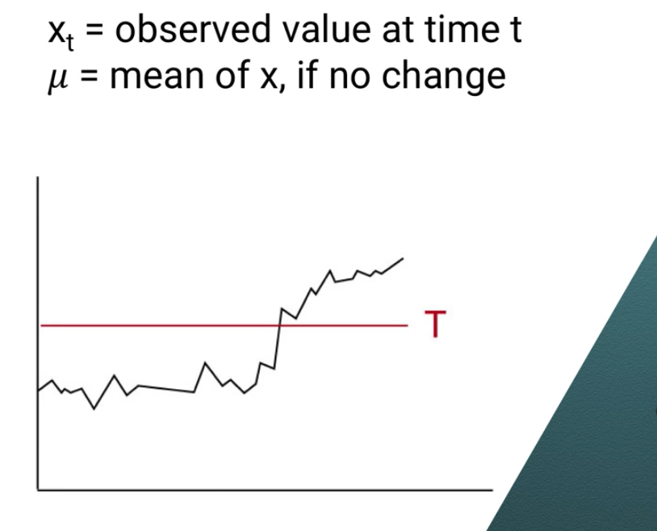
2002 | 106 | 0
2003 | 93 | 0
2004 | 104 | 5.771410584
2005 | 114 | 0.5428211678
2006 | 107 | 0
2007 | 112 | 0
2008 | 111 | 0
2009 | 107 | 0
2010 | 94 | 0
2011 | 102 | 4.771410584
2012 | 100 | 1.542821168
2013 | 110 | 0.3142317517
2014 | 106 | 0
2015 | 93 | 0
AVG: | 103.25
STDEV | 6.39798488
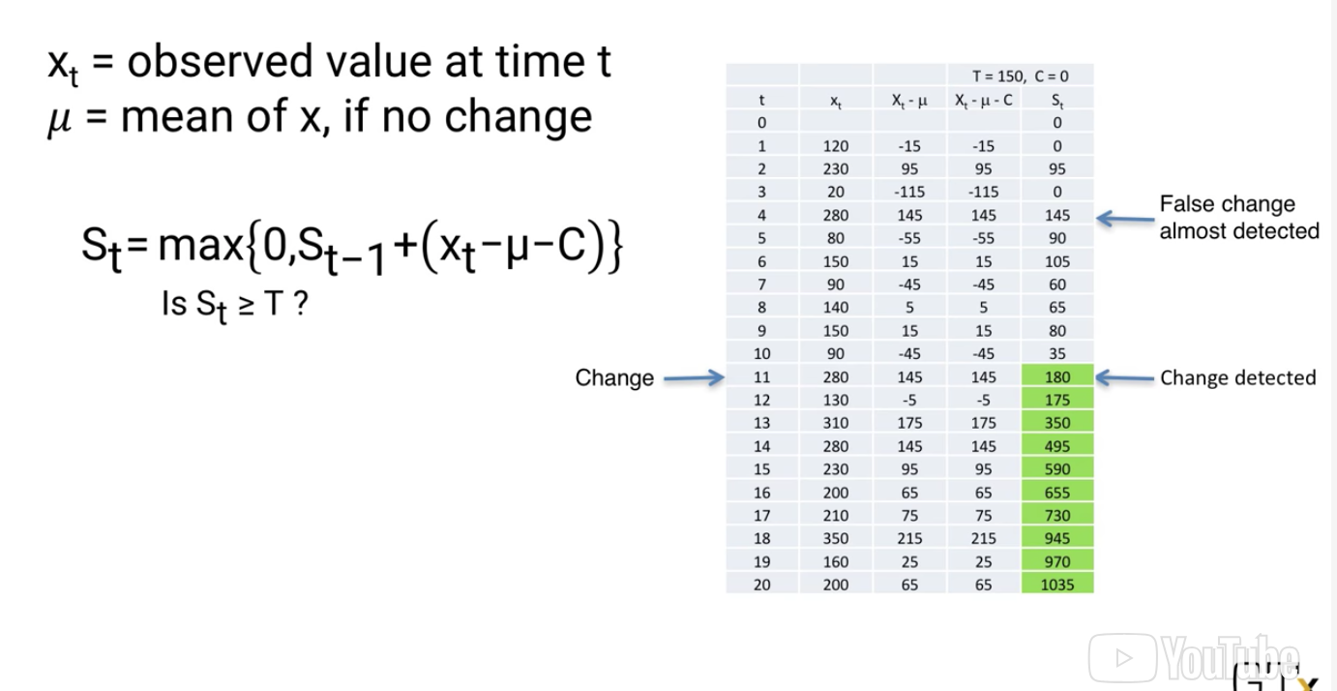
Target (T) | 25.59193952
Dampener (C) | 4.478589416

