BT-HD612
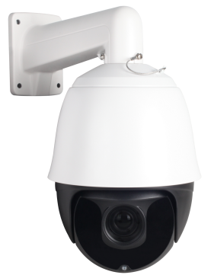
HD-IP IR SPEED DOME: DTK-PTZ0501
* Support P2P function,H.265
* 6" size, IP66
* 9PCs Array 42Mil Led+4PCS Laser Led, IR range up to 240M
* ONVIF protocol
* Intelligent IR illumination & power consumption is variable, dependant the zoom factor

Specification
Camera
Sensor | 1/3" CMOS 5MP Hi3516E+Sony335
Output pixel | 2592x1944@20fps/2592x1520@15fps
Lens | 30X f=4.35mm~96.3mm
BLC | Support
AGC | Auto/Manual
WB | Indoor/Outdoor/Auto/Manual
DNR | 2DNR, 3DNR
WDR | DWDR
S/N Ratio | ≥50dB
Dome
Communications Protocol | TCP/IP, HTTP, NTP, IGMP, DHCP, UDP, SMTP, RTP, RTSP, ARP, DDNS, DNS, HTTPS, P2P
Software Control | IE, EasyVMS, P2P(P6SLite)
Mobile View(optional) | Android , iPhone
Rotation range | Pan:0~360°,Tilt:0~93º
Rotation speed | Pan:0~80°/s, Tilt:0~40°/s
Auto Flip | Horizontal 180º,Vertical 93º
Preset Points | 220pcs presets（dwell time 01-60s interval available）
A-B scan | User programmabel(scan speed 1-64 levels setting available)
Guard Tours | 3 groups( Max.16 points, dwell time user selectable)
video compression | H.265/M-JPEG
Operating temperature | -40℃~+60℃
Operation menu | English
Power | DC 12V 4A
Consumption | ≤25W
Related validation | IP66
IR Parameters
Auto Control IR LED | PWM
LEDs | 9pcs Array 42Mil IR Led+4PCS Laser Led
IR distance | Up to 240 meters

