Analysis
Does winning the toss affect the game result
All teams | Times played | Times won | Toss wins | Times won after toss win | % won from times played | Toss wins from times played
Mumbai Indians | 187 | 107 | 98 | 54 | 57.2% | 52.4%
Kolkata Knight Riders | 182 | 91 | 92 | 53 | 50.0% | 50.5%
Delhi Capitals | 178 | 75 | 90 | 41 | 42.1% | 50.6%
Chennai Super Kings | 165 | 99 | 89 | 57 | 60.0% | 53.9%
Royal Challengers Bangalore | 183 | 83 | 82 | 40 | 45.4% | 44.8%
Kings XI Punjab | 176 | 80 | 81 | 34 | 45.5% | 46.0%
Rajasthan Royals | 150 | 72 | 80 | 41 | 48.0% | 53.3%
Sunrisers Hyderabad | 109 | 57 | 46 | 22 | 52.3% | 42.2%
Deccan Chargers | 76 | 29 | 43 | 19 | 38.2% | 56.6%
Pune Warriors | 46 | 12 | 20 | 3 | 26.1% | 43.5%
Gujarat Lions | 30 | 13 | 15 | 10 | 43.3% | 50.0%
Rising Pune Supergiant | 30 | 15 | 13 | 5 | 50.0% | 43.3%
Kochi Tuskers Kerala | 14 | 6 | 8 | 4 | 42.9% | 57.1%

SUMMARY OUTPUT

Regression Statistics
Multiple R | 0.96748
R Square | 0.936018
Adjusted R Square | 0.930202
Times won after toss win vs. Toss wins
Standard Error | 9.188832
Observations | 13

ANOVA
 | df | SS | MS | F | Significance F
Regression | 1 | 13587.53 | 1.36E+04 | 160.9236 | 6.56E-08
Residual | 11 | 928.7809 | 84.43463
Total | 12 | 14516.31

 | Coefficients | Standard Error | t Stat | P-value | Lower 95% | Upper 95% | Lower 95.0% | Upper 95.0%
Intercept | 8.67903 | 4.66401 | 1.860852 | 0.089685 | -1.58639 | 18.94445 | -1.58639 | 18.94445
X Variable 1 | 1.681913 | 1.33E-01 | 12.68557 | 6.56E-08 | 1.390096 | 1.97373 | 1.390096 | 1.97373
Table 1.: Regression analysis of toss wins vs times won after toss win

Report
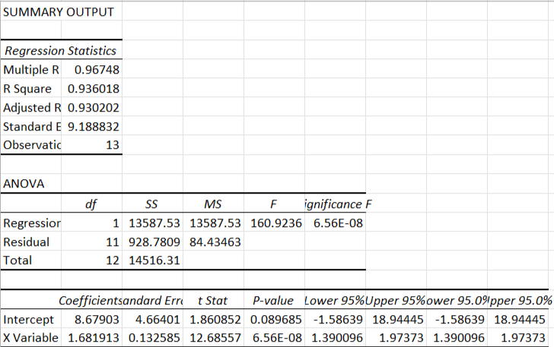
This dataset is about daily Indian Premiere League cricket matches between 2008-2019. We want to know if winning the coin toss has an effect on the match results. I focused on the Teams, Toss, and Results. We used the Teams1 & 2 columns to determine how many times each team had played over the years. We then established the number of times each team won the toss, won the matches, and won the matches after winning the toss. We compared the toss win with the times won and the times won after the toss win using scatter plots, then finding regression values. We then compared the percentages of times won/times played and times won after toss win/toss wins in a line chart Our scatter plots show that there is a correlation between winning tosses and winning games. Our line chart shows that there is a correlation between the percentages of times won/times played, and times won after toss win/toss wins. Our regression values (p-value) tells us we accept the null hypothesis. In conclusion, winning tosses, though has a correlation with winning the match, does not have a direct eefct on the game results.

Does winning the toss affect the game result

Does winning the toss affect game result (after winning toss)'

