Parachute test
fps [kl/s] | 530
Diameter [m] | 0.75
Area [m^2] | 0.44178646691
Mass [kg] | 0.66
g [m/s^2] | 9.81
Air density [kg/m^3] | 1.225

 |  | Lp | Frame [-] | Distance [m] | Time [s] | Velocity [m/s] | CD [-]
 |  | 1 | 68.5 | 0 | 0 | - | -
 |  | 2 | 75 | 0.2 | 0.012264150943 | 16.307692308 | 0.089972424678
 |  | 3 | 83 | 0.4 | 0.027358490566 | 13.25 | 0.13628959004
 |  | 4 | 91 | 0.6 | 0.042452830189 | 13.25 | 0.13628959004
 |  | 5 | 97 | 0.8 | 0.053773584906 | 17.666666667 | 0.0766628944
 |  | 6 | 105 | 1 | 0.068867924528 | 13.25 | 0.13628959004

 |  |  |  |  |  | 14.444 | 0.11468839689
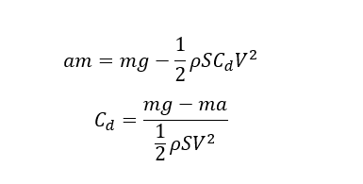

 |  |  |  |  | a | t | v | cd
 |  |  |  |  | sraka | pom | pomin | tyłek
 |  |  |  |  | a nowe | tyle ilew wszyło | a*t | coś
 |  |  |  |  |  |  | v_poprzednie+a*t | cd
 |  |  |  |  |  |  |  | cd
 |  |  |  |  |  |  |  | cdc
 |  |  |  |  |  |  |  | cdc
 |  |  |  |  |  |  |  | cdc
 |  |  |  |  |  |  |  | cd
 |  |  |  |  |  |  |  | cd

