Sheet1
 |  |  |  |  |  |  |  |  |  | HYDRAULIC GEAR PUMP AZPB-32-5.0RCP02MB

altitude (metre) | (oC) | (kPa) | (m/s) | mach 2 [m/s] | time [s] | acceleration [m/s^2] | g [-] | density [kg/m^3] | Fuel mass flow rate [kg/s] | Fuel used [kg] | Fuel used x1.5 [kg] | Fuel volume at 15deg [L] | Fuel mass flow rate x1.5 [L/min] |  | Fuel mass flow rate [kg/s]
0 | 15 | 101.35 | 340.3 | 680.6 |  |  | 9.81 | 1.2255279837 | 0.37094407437 |  |  |  | 41.523590415 | 27.68239361 |  | R [J/kg/K] | 287
250 | 13.4 | 98.32 | 339.3 | 678.6 |  |  |  | 1.1955274724 | 0.36080012255 |  |  |  | 40.38807342 | 26.92538228 |  | Fuel density [kg/L] | 0.804
500 | 11.8 | 95.49 | 338.4 | 676.8 |  |  |  | 1.1676356204 | 0.35144789468 |  |  |  | 39.34118224 | 26.227454827
750 | 10.1 | 92.67 | 337.4 | 674.8 |  |  |  | 1.1399540549 | 0.34210205453 |  |  |  | 38.295006104 | 25.530004069
1000 | 8.5 | 89.84 | 336.4 | 672.8 |  |  |  | 1.1114197013 | 0.33255029273 |  |  |  | 37.225779037 | 24.817186025
1250 | 6.9 | 87.15 | 335.5 | 671 |  |  |  | 1.0843011483 | 0.3235680999 |  |  |  | 36.22030969 | 24.146873127
1500 | 5.3 | 84.53 | 334.5 | 669 |  |  |  | 1.0577468728 | 0.31470317792 |  |  |  | 35.227967678 | 23.485311785
1750 | 3.6 | 81.98 | 333.5 | 667 |  |  |  | 1.0321394735 | 0.30616636805 |  |  |  | 34.272354632 | 22.848236422
2000 | 2 | 79.5 | 332.5 | 665 | 0 |  |  | 1.0067362687 | 0.29773550047 | 0 | 0 | 0 | 33.328600799 | 22.219067199 | 0 | 5.03956
2500 | -1.2 | 74.67 | 330.6 | 661.2 | 0.75403408234 | -5.03956 | -0.51389210383 | 0.95669871678 | 0.28132044587 | 0.21212520425 | 0.31818780637 | 0.39575597807 | 31.491094687 | 20.994063125 | 0.31818780637 | 5.2736
3000 | -4.5 | 70.12 | 328.6 | 657.2 | 1.512529228 | -5.2736 | -0.53775754208 | 0.90943814439 | 0.26580551115 | 0.41373739414 | 0.62060609121 | 0.77189812339 | 29.754348264 | 19.836232176 | 0.30241828484
3500 | -7.7 | 65.78 | 326.6 | 653.2 | 2.2756549911 | -5.2416 | -0.53449445019 | 0.86343419202 | 0.25082376325 | 0.60514746988 | 0.90772120482 | 1.1290064737 | 28.077286931 | 18.718191287 | 0.28711511361 | 35.5 | 71 | 14.338977146
4000 | -11 | 61.64 | 324.6 | 649.2 | 3.0434682589 | -5.2096 | -0.53123135831 | 0.81927720452 | 0.23653893829 | 0.78676520505 | 1.1801478076 | 1.4678455318 | 26.478239361 | 17.652159574 | 0.27242660276 |  | 4.9515386821
4500 | -14.2 | 57.78 | 322.6 | 645.2 | 3.8160269734 | -5.1776 | -0.52796826643 | 0.77746299213 | 0.2230834462 | 0.95911026546 | 1.4386653982 | 1.7893848236 | 24.972027559 | 16.648018373 | 0.25851759062
5000 | -17.5 | 54.05 | 320.5 | 641 | 4.5935110349 | -5.40204 | -0.55085477712 | 0.73666155342 | 0.21 | 1.1223819184 | 1.6835728776 | 2.0939961164 | 23.507462687 | 15.671641791 | 0.2449074794
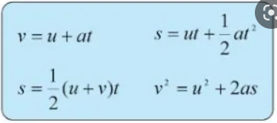
5500 | -20.7 | 50.54 | 318.5 | 637 | 5.3759836484 | -5.112 | -0.52127892807 | 0.69755421262 | 0.19761079205 | 1.2770069513 | 1.9155104269 | 2.3824756554 | 22.12061105 | 14.747074034 | 0.23193754936
6000 | -23.9 | 47.23 | 316.5 | 633 | 6.1633852232 | -5.08 | -0.51801583619 | 0.66023855539 | 0.18586510124 | 1.4233574247 | 2.1350361371 | 2.6555175834 | 20.805794915 | 13.870529943 | 0.21952571013
6500 | -27.2 | 44.06 | 314.4 | 628.8 | 6.9559038474 | -5.29956 | -0.54040472536 | 0.6241885089 | 0.17455068719 | 1.5616920952 | 2.3425381428 | 2.9136046552 | 19.539256029 | 13.026170686 | 0.2075020057
7000 | -30.4 | 41.09 | 312.3 | 624.6 | 7.7537337501 | -5.26428 | -0.53680716657 | 0.58978674236 | 0.16382879864 | 1.6923996097 | 2.5385994145 | 3.1574619583 | 18.339044623 | 12.226029749 | 0.1960612717
7500 | -33.7 | 38.33 | 310.2 | 620.4 | 8.5569466015 | -5.229 | -0.53320960777 | 0.55775321348 | 0.15388884178 | 1.8160051051 | 2.7240076576 | 3.3880692258 | 17.226362886 | 11.484241924 | 0.1854082431
8000 | -36.9 | 35.65 | 308.1 | 616.2 | 9.3656155324 | -5.19372 | -0.52961204897 | 0.52578212857 | 0.14408566491 | 1.9325227057 | 2.8987840585 | 3.6054528091 | 16.12899234 | 10.75266156 | 0.17477640091
8500 | -40.2 | 33.16 | 305.9 | 611.8 | 10.17994778 | -5.4032 | -0.5509730642 | 0.49598656229 | 0.13494992382 | 2.0424167804 | 3.0636251706 | 3.810479068 | 15.106334756 | 10.070889837 | 0.16484111216
9000 | -43.4 | 30.82 | 303.8 | 607.6 | 11.000023227 | -5.12148 | -0.52224561904 | 0.4674070058 | 0.12630084132 | 2.1459929993 | 3.218989499 | 4.0037182823 | 14.138153879 | 9.4254359194 | 0.15536432834
9500 | -46.7 | 28.61 | 301.7 | 603.4 | 11.825787058 | -5.0862 | -0.51864806024 | 0.44021378295 | 0.11813054364 | 2.2435409297 | 3.3653113945 | 4.1857106897 | 13.223568318 | 8.8157122122 | 0.14632189551
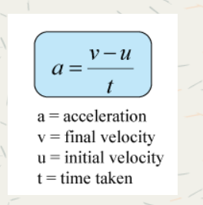
10000 | -49.9 | 26.48 | 299.5 | 599 | 12.657457052 | -5.29056 | -0.53948698077 | 0.41328021663 | 0.1100942658 | 2.335103027 | 3.5026545405 | 4.3565354981 | 12.323984978 | 8.2159899854 | 0.13734314596
11000 | -56.4 | 22.68 | 295.2 | 590.4 | 14.338977146 | -5.11442 | -0.5215256994 | 0.36458772892 | 0.095728588832 | 2.4960725727 | 3.744108859 | 4.6568518147 | 10.71588681 | 7.1439245397 | 0.24145431856
12000 | -56.4 | 19.37 | 295.1 | 590.2 | 16.033031017 | -0.11806 | -0.01203876961 | 0.31137849688 | 0.081729921864 | 2.6345274632 | 3.9517911948 | 4.9151631776 | 9.1488718505 | 6.0992479003 | 0.20768233576
13000 | -56.4 | 16.62 | 295.1 | 590.2 | 17.727371918 | 0 | 0 | 0.26717143098 | 0.07012655144 | 2.7533457476 | 4.1300186213 | 5.1368390813 | 7.8499871014 | 5.2333247343 | 0.17822742657
14000 | -56.4 | 14.2 | 295.1 | 590.2 | 19.42171282 | 0 | 0 | 0.22826921299 | 0.059915585466 | 2.8548631746 | 4.282294762 | 5.3262372661 | 6.7069685223 | 4.4713123482 | 0.15227614063
15000 | -56.4 | 12 | 295.1 | 590.2 | 21.116053721 | 0 | 0 | 0.19290356028 | 0.050632889126 | 2.9406525497 | 4.4109788245 | 5.4862920702 | 5.6678607231 | 3.7785738154 | 0.1286840625

Pump
SNP1NN/6,0RN01BAP1F3F3NNNN/NNNNN |  |  |  |  |  |  |  |  |  |  |  |  |  |  |  |  |  |  |  |  |  |  |  |  |  |  |  |  |  |  |  |  | Displacement per rev. | Vg [cm^3/rev] | 5.89
 |  |  |  |  |  |  |  |  |  |  |  |  |  |  |  |  |  |  |  |  |  |  |  |  |  |  |  |  |  |  |  |  | Speed | n [rpm] | 4000 | Output flow | Q [l/min] | 23.56
 |  |  |  |  |  |  |  |  |  |  |  |  |  |  |  |  |  |  |  |  |  |  |  |  |  |  |  |  |  |  |  |  | Volumetric efficiency | nv [-] | 1 | Input torque | M [N*m] | 1.8279740989
 |  |  |  |  |  |  |  |  |  |  |  |  |  |  |  |  |  |  |  |  |  |  |  |  |  |  |  |  |  |  |  |  | Outlet pressure | p_hd [bar] | 20 | Input power | P [kW] | 0.76564360163
 | A |  |  |  |  |  |  | B |  |  | C | D | E |  | F |  | G |  | H |  | I |  | J |  | K | L |  | M |  |  | N | O | inlet pressure | p_nd [bar] | 0.5
 | S | N | P | 1 | N | N | / | 6 | , | 0 | R | N | 0 | 1 | B | A | P | 1 | F | 3 | F | 3 | N | N | N | N | / | N | N | N | N | N |  | Δp [bar] | 19.5
 | 1 | 2 | 3 | 4 | 5 | 6 | 7 | 8 | 9 | 10 | 11 | 12 | 13 | 14 | 15 | 16 | 17 | 18 | 19 | 20 | 21 | 22 | 23 | 24 | 25 | 26 | 27 | 28 | 29 | 30 | 31 | 32 | Mechanical (torque) efficency | n_m [-] | 1
 |  |  |  |  |  |  |  |  |  |  |  |  |  |  |  |  |  |  |  |  |  |  |  |  |  |  |  |  |  |  |  |  | Overall efficiency (n_v*n_m) | n_t [-] | 1

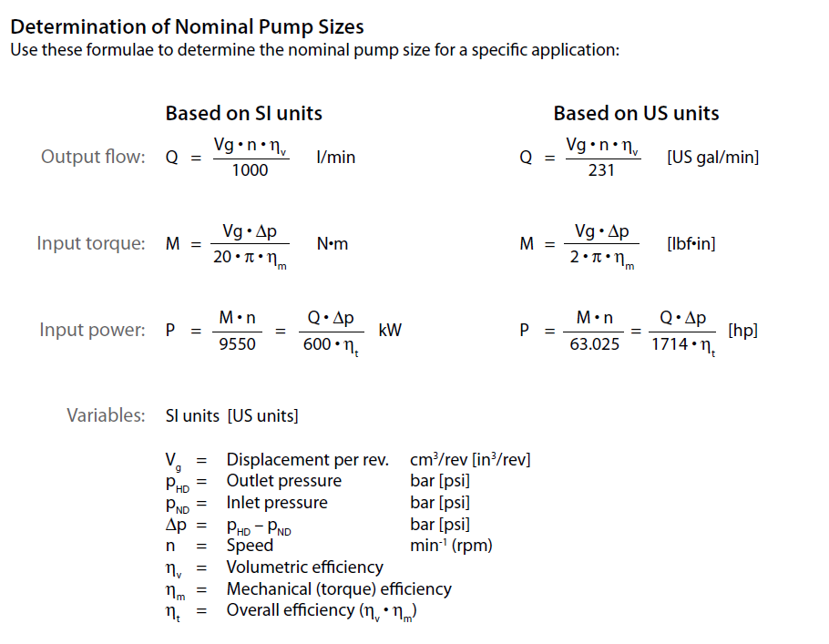
 | A | Family
 | SEA1NN | Gear pump with inlet port on body and outlet port on flange
 | SNB1NN | Gear pump with inlet port on cover and outlet port on flange replacement for SEB1 - use SNP1 body profile
 | SNP1NN | Standard gear pump
 | SNC1NN | Gear pump with inlet and outlet ports on rear cover
 | SNP1IN | Gear pump with internal drain relief valve
 | SKP1NN | High torque gear pump
 | SKP1IN | High torque gear pump with internal drain relief valve

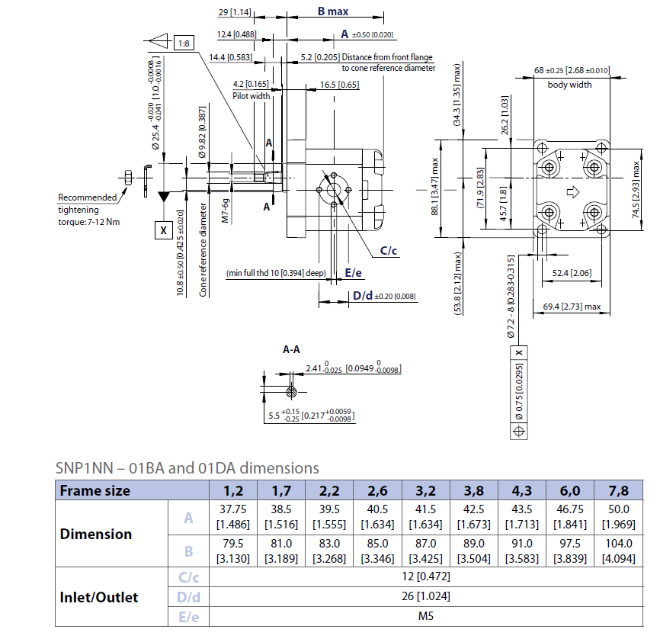
 | B | Displacement
 | 1,2 | 1,18 cc
 | 1,7 | 1,57 cc
 | 2,2 | 2,09 cc
 | 2,6 | 2,62 cc
 | 3,2 | 3,14 cc
 | 3,8 | 3,66 | cc
 | 4,3 | 4,19 | cc
 | 5,5 | 5,23 | cc | - | special
 | 6,0 | 5.89 | cc
 | 6,5 | 6,54 | cc | - | special

 | C | Rotation
 | L | Left | rotation
 | R | Right | rotation

 | D | Project | version
 | N | Standard | gear | pump
 | 6 | Short | version | - | special

 | E | Mounting flange
 | Code | description (Type of flange • Type of drive gear
 |  | •Preferred ports for configuration)
 | 01 | pilot Ø25,4+4 holes
 | 02 | pilot Ø30+4 holes
 | 03 | pilot Ø32+O-ring+2 holes through body
 | 04 | pilot Ø32+2 holes through body
 | 06 | SAE A-A pilot Ø50,8+ 2 holes
 | 08 | pilot Ø32+O-ring Outlet port+2 holes through body
 | B1 | pilot Ø25,4+4 holes -special shaft seal slot
 | V6 | SAE A-A pilot Ø45+ 2 holes

 | F | Drive gear
 | AA | Taper 1:5-M6-Key 2
 | BA | Taper 1:8-M7-Key 2,41
 | BB | Taper 1:8-M10x1-Key 3
 | BG | Taper 1:8-M7-Key 2,41-shaft for short version
 | CA | Tang 5x Ø10 FR03
 | CB | Tang 5x Ø13,5 FR03 - for SEA1NN only
 | CD | Tang 5x Ø11,5 distance from gear face 47,5 - for
 | SE | A1NN and SNB1NN
 | CE | Tang 6,63x Ø11 - for SKP1xN
 | CF | Tang 5x Ø11,5 distance from gear face 35
 | CM | Tang 5x Ø10-type 03 + w/o coupling
 | DA | Splined Z15-m0,75-alfa 30°-L14 - for SNP1xx
 | DB | Splined Z15-m0,75-alfa 30°-L14 - for SKP1xx
 | DC | Splined B12x9-L14-flange protrusion sb22-Z6-
 |  | m1,60-alfa 30° - special - only for SNP1xx
 | DD | Splined B12x9-L20-flange protrusion sb40-Z6-
 |  | m1,75-alfa 30° - special - only for SKP1xx
 | FA | Parallel Ø12-Thread M10x1-Key 3
 | GA | Parallel Ø12,7-Key 3.2
 | SA | SAE spline J498-9T-20/40 Flat Root Side FIT-L15,6
 | SG | SAE spline J498-8T-16/32 std-shaft for short version

 | G | Rear cover
 | 03 | Cover 03
 | 08 | Cover 08 with Inlet port 3/8" Gas
 | BC | Intermediate flange with screw case and pilot Tipe 01 BCN
 | C1 | Cover pump with front GAS Thread Inlet3/8 ; Outlet3/8
 | I1 | Cover pump with relief valve
 | I3 | Cover 03 with relief valve
 | P1 | Std Cover pump

 | H | Inlet size |  | I | Outlet size
 | NN | Without inlet
 | B1 | 8x30xM6
 | B2 | 13x30xM6

 | C1 | 8x26xM5
 | C2 | 12x26xM5
 | C3 | 13,5x30xM6
 | D3 | M14x1,5
 | D5 | M18x1,5
 | D7 | M22x1,5
 | E3 | 9/16-18UNF
 | E4 | 3/4-16UNF
 | E5 | 7/8-14UNF
 | F2 | 1/4 GAS
 | F3 | 3/8 GAS
 | F4 | 1/2 GAS
 | H2 | 10xM12x1,5-ISO6149
 | H4 | 12xM16x1,5-ISO6149
 | H5 | 12xM18x1,5-ISO6149
 | H7 | 13,5xM22x1,5-ISO6149

 | J | Ports positions & Special body
 | NN | Std from catalogue
 | DF | Distance from front flange = 41,9 mm
 | SA | Body width for side ports = 68 mm

 | K | Seals
 | N | Standard NBR seal
 | A | Without shaft seal
 | B | With VITON seals
 | I | Two opposite shaft seals

 | L | Screws
 | N | Std screws
 | B | GEOMET screws

 | M | Set valve
 | NNN | No valve
 | V** | not defined-pressure no setting :oil ISO VG68-45°

 | N | Type mark
 | N | Standard Turolla Marking
 | A | Standard Turolla Marking+Customer Code - Special
 | Z | Without Marking

 | O | Mark position
 | N | Std Marking position (on top)
 | A | Special Marking position on the bottom

