Sheet2
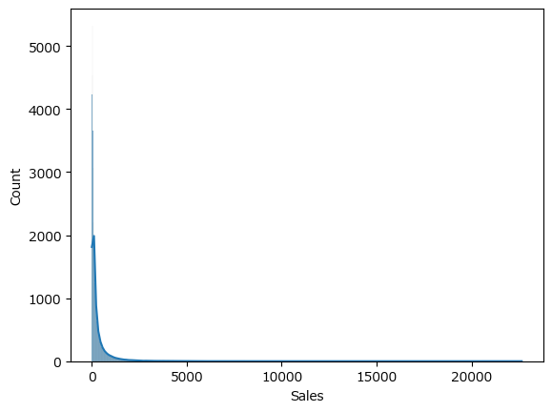
Row Labels | Sum of Sales
2016 | 2843103.4284
2017 | 3397081.6978
2018 | 4323596.6824
2019 | 5419144.6932
Grand Total | 15982926.502

Sheet1
Row Labels | Sum of Invoice Value
PROD 01 | 2273600
PROD 02 | 1276200
PROD 03 | 83700
PROD 04 | 10000
PROD 05 | 200000
PROD 06 | 602600
PROD 07 | 2655500
PROD 08 | 12000
PROD 09 | 99000
PROD 10 | 72000
PROD 11 | 27560
PROD 12 | 500000
PROD 13 | 7800
PROD 14 | 3000
Grand Total | 7822960

