Sheet2
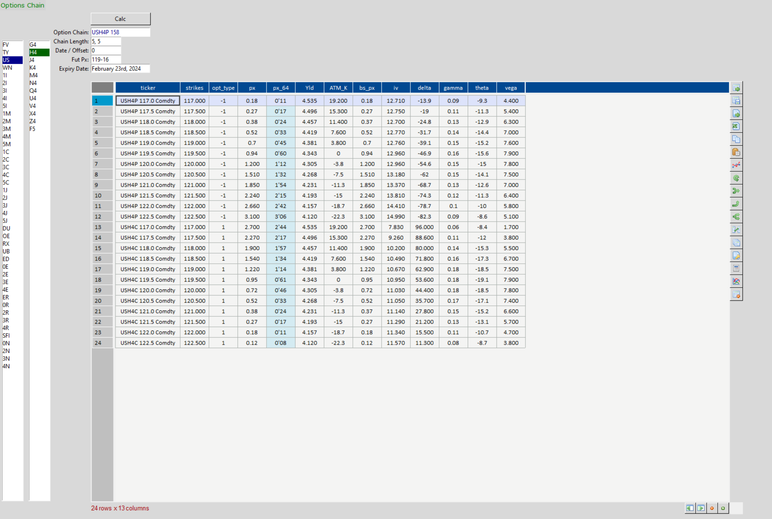
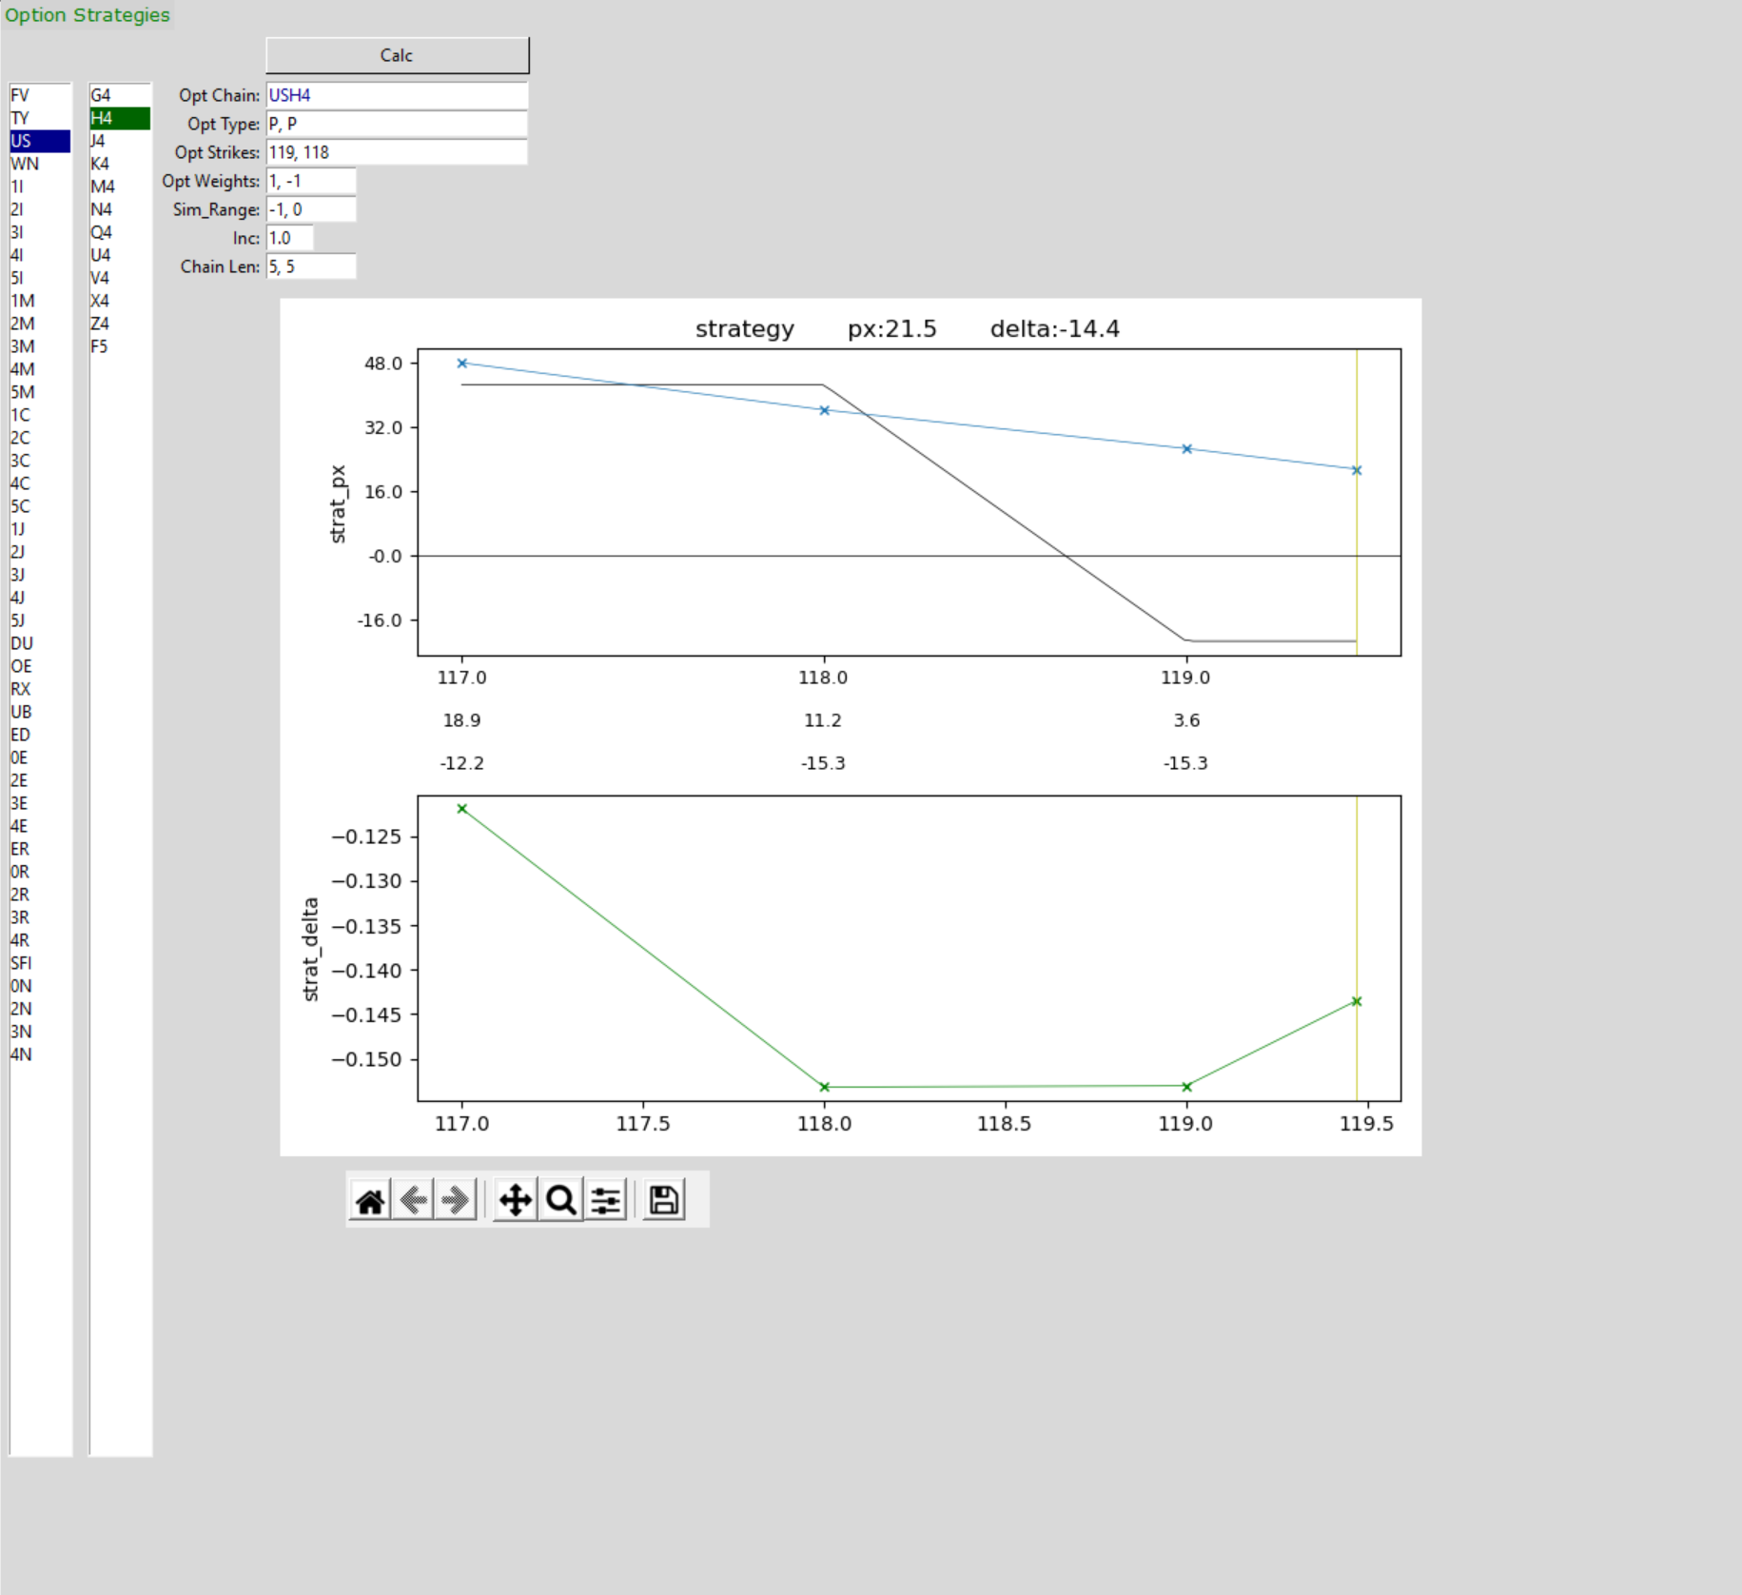

 |  |  |  |  |  |  |  |  |  |  |  |  |  |  |  |  |  |  |  | 8.36 | 14.7
 |  |  |  |  |  |  |  |  |  |  |  |  |  |  |  |  |  |  |  | 1.672 | 2.94

 |  |  |  |  |  |  |  |  |  |  |  |  |  |  |  |  |  |  |  | 1.4 | 1.925
 |  |  |  |  |  |  |  |  |  |  |  |  |  |  |  |  |  |  |  | 0.16746411483 | 0.13095238095

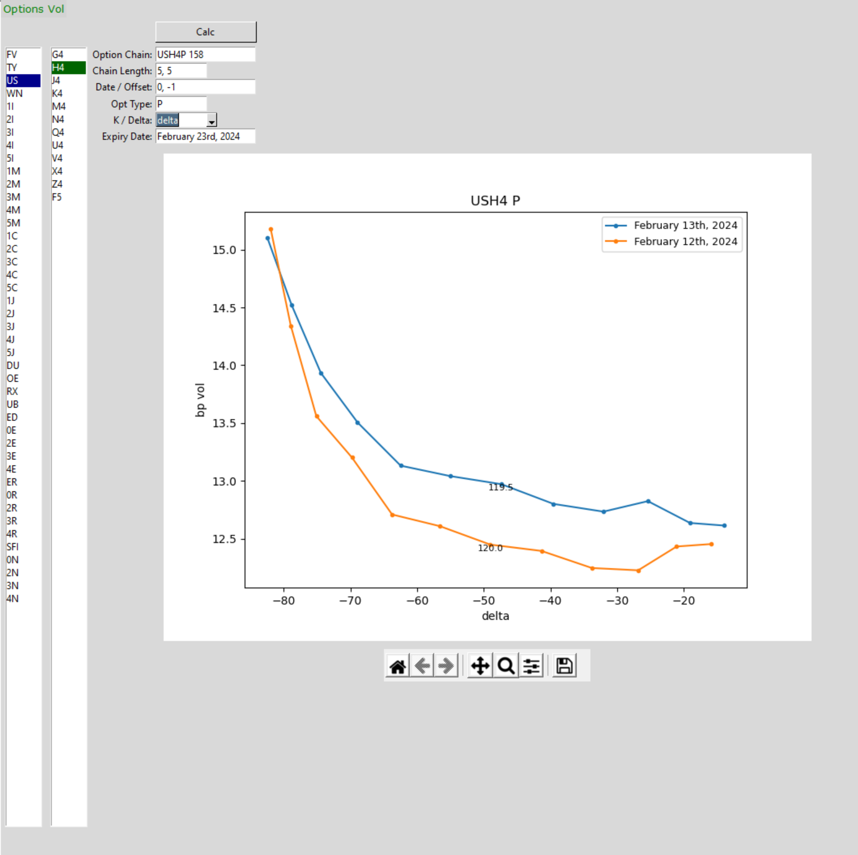

 |  | xover |  |  | 45.0 | 44.9
 | gbp | strat | 1050 | 1228 | 36.8 | 36.8 |  | 191.8 | 0.15618 | 0.19186652763
 | usd | strab | 290 | 271 | 8.1 | 8.1 |  | 57.8 | 0.21326206897 | 0.1401384083

 |  |  |  | 110,359
 |  |  |  | 110,375
 |  |  |  | -16 |  |  |  |  |  | 13.99 | 0.14 | eur | 0.10
 | 6337 |  |  |  |  |  |  |  |  | 9.9928571429 | 0.115 | usd | 0.08 |  |  |  | Date | 1d | 1w | 2w | 1m | 2m | 3m | 4m | 5m | 6m | 9m | 12m | 18m | 2y | 3y | 4y | 5y | 6y | 7y | 8y | 9y | 10y | 12y | 15y | 20y | 25y | 30y
 | 2522 |  |  |  |  |  |  |  |  | 0.23 | 0.34 | aud | 0.24 |  |  |  | 1991-08-26 | 5.681 | 6.631 | 6.123 | 5.866 | 5.783 | 5.814 | 5.822 | 5.885 | 5.94 | 5.933 | 6.005 | 6.401 | 6.755 | 7.225 | 7.561 | 7.825 | 8.027 | 8.17 | 8.256 | 8.313 | 8.353 | 8.373 | 8.392 | 8.409 | 8.42 | 8.425
 | 0.39798011677 |  |  |  |  |  |  |  |  | 9.8778571429 | 0.11 | nok | 0.08
 |  |  |  |  |  |  |  |  |  |  | 0.705
0.4 | increase
 |  |  |  |  |  |  |  |  |  |  |  |  |  |  |  |  |  |  |  | 1y1y | 2y1y | 3y1y | 4y1y | 5y1y | 6y1y | 7y1y | 8y1y | 9y1y | 10y1y
 |  |  |  |  |  |  |  |  |  |  |  |  |  |  | trade |  |  |  |  | h | i | j | k | l | m | n | o | p | q
 |  |  | GBP | 0.2887 | 1 | 1 | -2.7 | -3 | -1 |  | UKT 4 ⅜ 07/31/54 | 161 | 115 | 95.9699 | 46 | 161 |  |  |  | 5/10 | 5/10
 | 1 | 0.4 | GBP | 0.6891 | 1 | 1 | -6.6 | -7 | -34 |  | UKT 1 ¼ 07/31/51 | 610 | 436 | 48.707 | 174 |  |  |  |  | -4/10 | -4/10 | -4/10 | -4/10 | -4/10
 | 2 | 0.8 | GBP | 0.0804 | 0 | 0 | -1.9 | -2 | -1 |  | UKT 4 ½ 06/07/28 | 181 | 129 | 101.749 | 52 |  |  |  |  | 1/10 | 1/10 | 1/10 | 1/10 | 1/10 | 1/10 | 1/10 | 1/10 | 1/10 | 1/10
 |  |  | GBP | 0.169 | 0 | 0 | -1.6 | -2 | -61 |  | UKT 0 ½ 10/22/61 | 171 | 122 | 29.591 | 49
 |  |  | GBP | 0.096 | 0 | 0 | -2.3 | -2 | -28 |  | UKT 0 ½ 01/31/29 | 210 | 150 | 84.543 | 60 |  |  |  |  | -5 | -5
 |  |  | GBP | 0.0802 | 0 | 0 | -1.6 | -2 | -35 |  | UKT 1 01/31/32 | 119 | 85 | 79.731 | 34 |  |  |  |  | 4 | 4 | 4 | 4 | 4
 |  |  | GBP | 0.3353 | 1 | 1 | -3.4 | -3 | -115 |  | UKT 1 ⅝ 10/22/54 | 274 | 196 | 52.177 | 78 |  |  |  |  | -1 | -1 | -1 | -1 | -1 | -1 | -1 | -1 | -1 | -1
 |  |  | GBP | 0.5798 | 1 | 1 | -6.2 | -6 | -6 |  | UKT 3 ¼ 01/22/44 | 444 | 317 | 83.02 | 127
 |  |  | GBP | 1.0373 | 4 | 4 | -18.7 | -19 | -9 |  | UKT 4 ½ 09/07/34 | 1063 | 759 | 103.031 | 304 |  |  |  |  | -2 | -2 | 3 | 3 | 3 | -1 | -1 | -1 | -1 | -1
 |  |  | GBP | 0.148 | 1 | 1 | -2.7 | -3 | 34 |  | UKT 3 ½ 10/22/25 | 829 | 592 | 98.308 | 237 |  |  |  |  | h | i | j | k | l | m | n | o | p | q
 |  |  | GBP | 0.3561 | 1 | 1 | -8.1 | -8 | 37 |  | UKT 4 ⅛ 01/29/27 | 1149 | 821 | 99.807 | 328
 |  |  | GBP | 0.3789 | 1 | 1 | -3.7 | -4 | -46 |  | UKT 1 ¾ 07/22/57 | 297 | 212 | 53.007 | 85
 |  |  | GBP | 1.1804 | 4 | 4 | -17 | -17 | 70 |  | UKT 3 ¾ 01/29/38 | 1047 | 748 | 93.681 | 299
 |  |  | GBP | 0.7967 | 1 | 1 | -7.5 | -7 | 13 |  | UKT 4 10/22/63 | 412 | 294 | 90.836 | 118
 |  |  | GBP | 0.2585 | 0 | 0 | -2.5 | -2 | 3 |  | UKT 3 ¾ 07/22/52 | 160 | 114 | 87.127 | 46
 |  |  | GBP | 0.4166 | 1 | 1 | -4 | -4 | -67 |  | UKT 2 ½ 07/22/65 | 272 | 194 | 63.531 | 78 |  |  |  |  | 1y - 2s 5s 7s
 |  |  | GBP | 0.5004 | 1 | 1 | -5.4 | -5 | -38 |  | UKT 3 ½ 01/22/45 | 365 | 261 | 85.735 | 104
 |  |  | GBP | 0.6757 | 1 | 1 | -6.9 | -7 | -38 |  | UKT 4 ¼ 12/07/46 | 438 | 313 | 95.472 | 125 |  |  |  |  | 1y1y | 2y1y | 3y1y | 4y1y | 5y1y | 6y1y | 7y1y
 |  |  | GBP | 0.1722 | 0 | 0 | -2 | -2 | -34 |  | UKT 4 ½ 12/07/42 | 122 | 87 | 99.877 | 35 |  |  |  |  | h | i | j | k | l | m | n
 |  |  | GBP | 0.3261 | 1 | 1 | -3.2 | -3 | 3 |  | UKT 3 ¾ 10/22/53 | 197 | 141 | 86.635 | 56 |  |  |  |  | 0.5 | 0.5
 |  |  | GBP | 0.0666 | 0 | 0 | -0.5 | 0 | -6 |  | UKTI 0 ⅝ 03/22/45 3MO | 34 | 24 | 88.002 | 10 |  |  |  |  | -0.4 | -0.4 | -0.4 | -0.4 | -0.4
 |  |  | GBP | 0.102 | 0 | 0 | -0.4 | 0 | -17 |  | UKTI 0 ⅛ 03/22/2073 3MO | 24 | 17 | 65.965 | 7 |  |  |  |  | 0.14 | 0.14 | 0.14 | 0.14 | 0.14 | 0.14 | 0.14

 |  |  |  |  |  |  |  |  |  |  |  |  |  |  |  |  |  |  |  | -5 | -5
 |  |  |  |  |  |  |  |  |  |  |  |  |  |  |  |  |  |  |  | 4 | 4 | 4 | 4 | 4
 |  |  |  |  |  |  |  |  |  |  |  |  |  |  |  |  |  |  |  | -1 | -1 | -1 | -1 | -1 | -1 | -1
 |  |  |  |  |  |  |  |  |  |  | 1,000,000,000
 |  |  |  |  |  |  |  |  |  |  | 12,500,000 | 1,000,000 | 12.5 |  |  |  |  |  |  | 0.24 | 0.24 | -0.26 | -0.26 | -0.26 | 0.14 | 0.14
 |  |  |  |  |  |  |  |  |  |  |  |  |  |  |  |  |  |  |  | h | i | j | k | l | m | n

 |  |  |  |  |  |  |  |  |  |  |  |  |  |  |  |  |  | 1Y FWD |  | 1/2 + 1/7 - 2* 1/5 | 1/2 + 1/7 - 2* 1/5 | 1/7 - 2* 1/5 | 1/7 - 2* 1/5 | 1/7 - 2* 1/5 | 1/7 | 1/7
 |  |  |  |  |  |  |  |  |  |  |  |  |  |  |  |  |  | GRP FWDS | *count !! | 2* |  | 3* |  |  | 2*

 |  |  |  |  |  |  |  |  |  |  |  |  |  |  |  |  |  |  | 1y 2s5s10s
 |  |  |  |  |  |  |  |  |  |  |  |  |  |  |  |  |  |  | factors | 1/2, 1/5, 1/10
 |  |  |  |  |  |  |  |  |  |  |  |  |  |  |  |  |  |  |  | 1
 |  |  |  |  |  |  |  |  |  |  |  |  |  |  |  |  |  |  |  | 2

 |  |  |  |  |  |  |  |  |  |  |  |  | USD |  |  |  |  |  |  | 3
 |  |  |  |  |  |  |  |  |  |  |  |  | EUR |  |  |  |  |  |  | 4
 |  |  |  |  |  |  |  |  |  |  |  |  | GBP |  |  |  |  |  |  | 5

 |  |  |  |  |  |  |  |  |  |  |  |  | AUD |  |  |  |  |  |  | 6
 |  |  |  |  |  |  |  |  |  |  |  |  | CAD |  |  |  |  |  |  | 7
 |  |  |  |  |  |  |  |  |  |  |  |  | NZD |  |  |  |  |  |  | 8
 |  |  |  |  |  |  |  |  |  |  |  |  |  |  |  |  |  |  |  | 9
 |  |  |  |  |  |  |  |  |  |  |  |  | CHF |  |  |  |  |  |  | 10
 |  |  | min | sign | abs | factor |  | additive |  |  |  |  | SEK
 |  |  |  |  |  |  |  |  |  |  |  |  | NOK
 |  |  | 10 | 1 | 10 | 0.8 | 8 | 6
 |  |  | -10 | -1 | 10 | 1.2 | -12 | -14 |  |  |  |  | JPY
 |  |  | -30 | -1 | 30 | 1.2 | -36 | -38

 |  |  | max

 |  |  | 30 | 1 | 30 | 1.2 | 36 | 38
 |  |  | 20 | 1 | 20 | 1.2 | 24 | 26
 |  |  | -10 | -1 | 10 | 0.8 | -8 | -6

