Screw_Compressors
Rotary Screw Compressor Discussion and Calculations
Main Reference: Compressors - Selection and Sizing, 3rd Edition by Royce N. Brown
Rotary Screw Flow and Discharge Pressures:
Inlet Flow: 150-60,000 m3/h @P: 101.325 kPa (abs); T: 15°C
Maximum Discharge Pressures: 40 bara
Notes:
1. Flow rate is defined in terms of inlet flow at compressor inlet connection and standard conditions of pressure and temperature
2. The above data is generalized and for the purpose of guidance only. Specific manufacturers may be able to offer machines outside
the range as mentioned above. Manufacturers should be consulted for specific requirements of flow rate, discharge pressure, pressure
ratios and discharge temperature limitations.

Advantages of Oil-free Screw Compressors
1. Reasonably good adiabatic efficiencies are obtained. Only reciprocating compressors provide greater efficiencies.
2. Tip speeds are lower (90-140 m/s) compared to centrifugal compressors (>250 m/s @Mach 1 and above)
3. Small variations in gas molecular weight have negligible effect on head (discharge pressure) or flow compared to centrifugal
compressors.
4. They have better tolerance to entrained liquid and solid particulates compared to centrifugal and reciprocating compressors.
Entrained liquid can cause "wire drawing" erosion on reciprocating compressor valves. Liquids can cause cylinder lubrication of
reciprocating compressors to be washed away causing adverse piston ring and cylinder bore wear. For centrifugal compressors,
with high rotative speeds (tip speeds in excess of 250-400 m/s) liquid impingement on the wheels would lead to erosion.
Large slugs of liquid can destroy a high speed centrifugal wheel.

Standard Rotor Diameters and L/d Ratios for Oil-Free Screw Compressors
Reference: The design, selection and application of oil-free screw compressors for fuel gas service - Man
L/d Ratio | Rotor Diameter, d, mm
1.65 | 102 | 127 | 163 | 204 | 255 | 321 | 408 | 510 | 643 | 816
1.2 | 102 | 127 | 163 | 204 | 255 | 321 | 408
0.9 | 102 | 127 | 163 | 204 | 255 | 321 | 408

Calculation Equations for Rotary Screw Compressors

or

where:
rv = | built-in volume ratio
rp = | built-in pressure ratio
k = | Ratio of specific heats (Cp/Cv)

rp' = | External pressure ratio based on process conditions
Pd = | Actual suction or inlet pressure, kPaa
Ps = | Actual discharge pressure, kPaa

Note:
In order to achieve the highest possible efficiency, the built-in volume ratio should be as close as possible to the volume ratio
calculated by the actual pressure ratio.
Definition of Built-In Volume Ratio:
The ratio of maximum chamber volume (V1) at the inlet to the chamber volume at the beginning of opening to discharge (V2)
is called the "Built-In Volume Ratio". The built-in volume ratio is a fixed value for a certain screw compressor because
it is determined by the casing geometry.

Definition of Built-in Pressure Ratio
It is the pressure ratio calculated based on the built-in volume ratio and the adiabatic exponent 'k'.
A built-in pressure ratio less than the external pressure ratio is called undercompression and
a built-in pressure ratio larger than the external pressure ratio is called overcompression.
In most cases there will be small mis-match between the built-in pressure ratio and the external pressure ratio and is not a disadvantage.
Large deviations between these two pressure ratios however can cause drop in efficiency, gas pulsations and internal overheating in
the case of overcompression.

The displacement of the screw compressor is a function of the inter-lobe volume and speed. The interlobe volume is a function of
rotor profile, diameter and length. The interlobe volume can be expressed by the following equation:

where:
Qr = | displacement per revolution, m3/rev
d = | Rotor diameter, mm
L = | Rotor Length, mm
C = | typical profile constant for 4+6 rotor arrangement, dimensionless constant
 | 2.231 | (circular profile)
 | 2.055 | (asymmetric profile)

where:
Qd = | displacement, m3/s
N = | compressor speed, rev/s

where:
Qi = | Actual inlet volume at the inlet pressure and temperature, m3/s
Ev = | Volumetric efficiency, fraction

The oil-free screw compressor rotor leakage can be related to the rotor tip Mach number. The rotor tip velocity can be calculated as:

where:
u = | rotor tip velocity, m/s

The optimum tip speed (uo) is Mach 0.25 at a pressure ratio of 3. The value shifts slightly for other pressure ratios as shown in the figure 1
below. Besides affecting the volumetric efficiency, the leakage also has an effect on the adiabatic efficiency. Figure 2 is a plot of the
tip speed ratio u/uo (operating to optimum) against the efficiency ratio. Figures 3 & 4 show a set of typical volumetric and adiabatic
efficiency curves for three built-in pressure ratios.

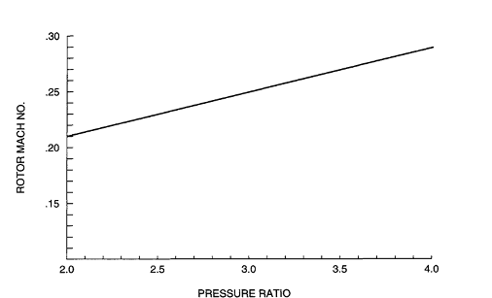

 |  |  | Figure 1

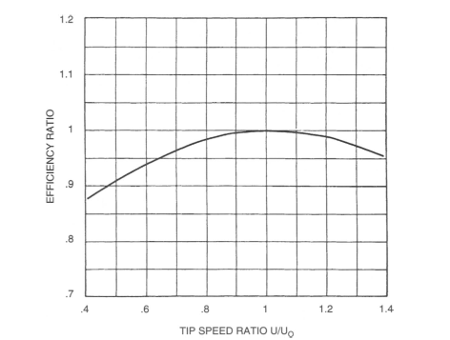

 |  |  | Figure 2

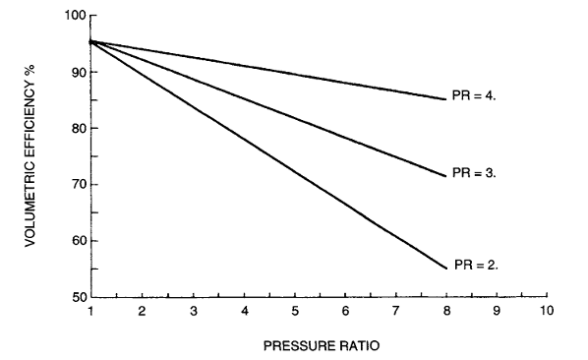

 |  |  | Figure 3

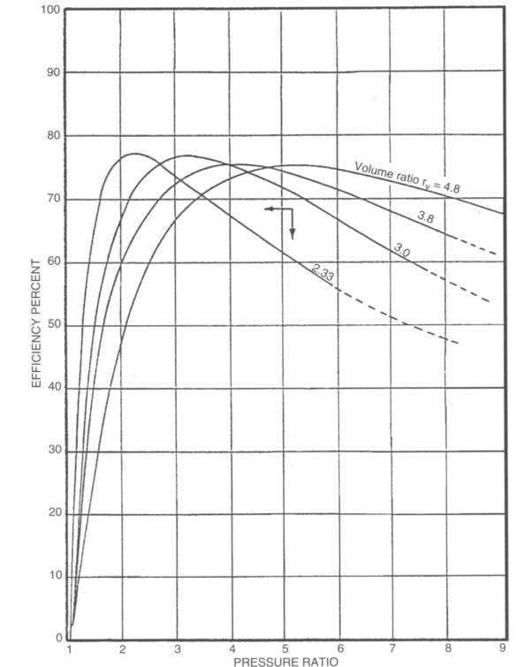

 | Figure 4 (Pressure Ratio vs Adiabatic Efficiency)

Correction for Adiabatic Efficiency for Molecular Weight
The adiabatic efficiency should be corrected for molecular weight. The adiabatic efficiency decreases with lower molecular weight
and increases with increased molecular weight. As a rule-of-thumb, a linear relationship can be assumed. The corrections is
-3 percentage point at a molecular weight of 2, 0 at 29 and +3 at the molecular weight of 56. For example if a compressor
in an air application has an adiabatic efficiency of 78%, it's adiabatic efficiency would reduce to 75% when operating on hydrogen.

where:
Wa = | adiabatic work input, kW
Ps = | inlet or suction pressure, kPa(abs)
Pd = | discharge pressure, kPa(abs)
Qi = | Actual inlet volume at the inlet pressure and temperature, m3/s
k = | Ratio of specific heats (Cp/Cv)

where:
t1 = | inlet temperature, °C
t2 = | discharge temperature, °C
T1 = | absolute inlet temperature, K
ηa = | adiabatic efficiency
ηt = | temperature rise efficiency
 | 0.9 | (typical value)

where:
Ws = | Shaft power, kW

 |  |  | (for estimation)

where:
a = | sonic velocity, m/s
k = | specific heat ratio of gas
R = | Specific gas constant (8314 / MW)

Inputs
Original gas = | Air
MW of original gas = | 29
d = | 255 | mm
L/d = | 1.65
C = | 2.231
MW of new gas = | 23 | kg/kgmol
Qi = | 1.18 | m3/s
t1 = | 38 | °C
Ps = | 100 | kPaa
Pd = | 300 | kPaa
k= | 1.395
w = | 1.32 | kg/s

Outputs
T1 = | 311.15 | K
R = | 286.7
Pd / Ps = | 3.0
Qr = | 0.0123 | m3/rev
Ev = | 0.89 | @Pd/Ps =3 | (Fig 3)
Qd = | 1.33 | m3/s
N = | 108 | rev/s
a = | 352.8 | m/s
u = | 86.6 | m/s
Rotor Mach No (uo/a) = | 0.25 |  | (Fig 1)
uo = | 88.2 | m/s
u / uo = | 0.98
rv = | 2.2
Efficiency Ratio = | 1 |  | (Fig 2)
ηa = | 74 | % | (Fig 4)
Corrected ηa = | 73.4 | % | (molecular weight correction)
k-1 / k = | 0.28
Wa = | 207.17 | kW
t2 = | 177.21 | °C
Ws = | 221.67 | kW

Prepared by: | Ankur Srivastava
 | Chemical Engineer
 | ankur_2061@hotmail.com

Efficiency vs rotor tip speed
