Variable
https://link.springer.com/content/pdf/bbm:978-3-8349-8342-8/1.pdf
variables about... | company characteristics |  |  |  |  |  |  | variable | Formula | variable in dataset | calculation | which literature
 | executives info |  | NAME | # | meaning | FOR | company characteristics
 | corperate decisions | 1 | gvkey | / |  |  |  | Equity Book Value |  | BKVLPS
 |  | 2 | datadate | / |  |  |  | market value at the close of fiscal year |  | MKVALT
 |  | 3 | fyear | / |  |  |  | research & development |  | XRD
 |  | 4 | indfmt | / | Industrial (includes companies reporting manufacturing, retail, construction and other commercial operations other than financial services) | “INDL” |  | returns on assets | #18 / (#6_t+#6_t-1) | IB/AT | compustat #18 / average compustat #6 at t and t-1
 |  | 5 | consol | / |  | "C" |  | Size | log(#12) | SALE | the log of annual sales as reported in Compustat, item 12
上市公司 |  | 6 | popsrc | / |  | "D" |  | Loss |  |  | a dummy variable that takes the value of one if ROA is negative, and zero otherwise
C | 规模 | 7 | datafmt | / |  | "STD" |  | Liquidity | （#14+#18) / |  | the ratio of the cash balance, i.e., the ratio of items 14 and 18 to item 8 lagged by one year
 | total sales/assets | 8 | cusip | / |  | corporate |  | Growth-Opp |  |  | Total Assets (item #6) less common equity (item #6) less deferred taxes balance sheet (item #74) plus market value of equity (item #199 * #25) divided by total assets (item #6)
 | leverage | 9 | curcd | / | dollar | "USD" |  | M/B | (#25 * #199 + #6 - #60 - #74 ) / #6
 | balance sheet | 10 | at | 6 | Assets - Total | returns on assets
高管 |  | 11 | bkvlps |  | Equity Book Value
E | 学历 | 12 | csho | 25 | Common Shares Outstanding |  |  | ROE | #172/#60 |  | Return on equity (ROE) equals net income (Compustat annual data item 172) divided by common equity (item 60)
demographic | 年龄 | 13 | dd1 | 44 | Long-Term Debt Due in One Year
compensation | gender | 14 | dltt | 9 | Long-Term Debt - Total
 | 职位变动 | 15 | dp | 14 | Depreciation and Amortization
 | compensation structure | 16 | ib | 18 | Income Before Extraordinary Items | returns on assets
 | incentive pay | 17 | ppent | 8 | Property, Plant and Equipment - Total (Net)
 | stock info | 18 | sale | 12 | Sales
 | stock market return | 19 | txdb | 74 | Deferred Taxes Balance Sheet |  | IV | Cash holdings | c | Cash holdings | Cash/Assets, cash and marketable securities (Compustat data item #1) divided by Assets (Compustat data item #6)
 |  | 20 | xrd | 46 | Research and Development Expense | research & development |  | Risk-taking | [(#9 + #44)/#6]*100 | Leverage | [Total long-term debt (item #9 + #44) divided by total assets (item #6)] * 100
topic specific | 支付方式cash/stock | 21 | costat | / | active/inactive | "A"/"I" |  |  | #18 / (#6_t+#6_t-1) | Variances of ROA | "compustat #18 / average compustat #6 at t and t-1 "
 | 全额购买/部分 | 22 | prcc_c | 24 | Price Close - Annual |  |  |  |  |  | σ(ROA) represents a four-quarter moving standard deviation of bank profits
 | SDC - merge acquisition | 23 | mkvalt |  | market value at the close of fiscal year |  |  | Innovation | #46/#6 | R&D | research and development expenditures (COMPUSTAT item #46) divided by total assets (#6)
 |  | 24 | che | 1 | Cash and Short-Term Investment |  |  |  |  | Patent
D-innovation | R&D | 25 | city |  |  |  | executive characteristics
 |  | 26 | state |  |  |  |  | CFO Age |  |  | The age of the new CFO
 |  | 27 | loc |  | current iso country code - headquarters |  |  | Female CFO |  |  | Equals one if the new CFO is a female, and zero otherwise
 |  | 28 | sic |  | standard industry classification code |  |  | MBA |  |  | Equals one if the new CFO has an MBA, and zero otherwise
 |  | 29 | naics |  | north American industry classification code |  |  | Mgt-EXP |  |  | Equals one if the new CFO has management experience, and zero otherwise
 |  | 30 | 要加的： |  |  |  |  | Specialized-EXP |  |  | Equals one if the CFO had previous accounting or finance experience, and zero otherwise
mutual fund market |  | 31 | ceq | 60 | Common/Ordinary Equity - Total |  |  | Was-CFO |  |  | Equals one if the new CFO held a CFO position previously, and zero otherwise
household |  | 32 | prcc | 199 |  |  |  | M-F CFO |  |  | Equals one when a male-to-female CFO transition takes place, and zero otherwise
entrepreneurship |  | 33 | ni | 172 |  |  |  | Insider |  |  | Equals one if the new CFO is an insider, and zero otherwise
 |  | 34 |  |  |  |  |  | CEO wealth |  |  | dollar value of the investment in each firm in which he/she appears as a shareholder by multiplying the individual's ownership in the firm by the firm's book value of equity. We then sum the value of all equity investments across firms to obtain the CEO's total equity wealth
 |  | 35 |  |  |  |  |  | Likelihood of survival |  |  | takes the value of 1 if the firm survives at least 5 years, and 0 otherwise
 |  | 36

 |  |  |  |  |  |  |  | TOTAL_ALT1 |  |  | Total Compensation - Stock/Options Valued Using Grant Date Fair Value ($)
 |  |  |  |  |  |  |  | TDC1 |  |  | Total Compensation (Salary + Bonus + Other Annual + Restricted Stock Grants + LTIP Payouts + All Other + Value of Option Grants)

 |  |  |  |  |  |  | 11.22 | Potential Control Variables to Add:

 |  |  |  |  |  |  |  | Firm level: |  |  |  |  | CEO level:
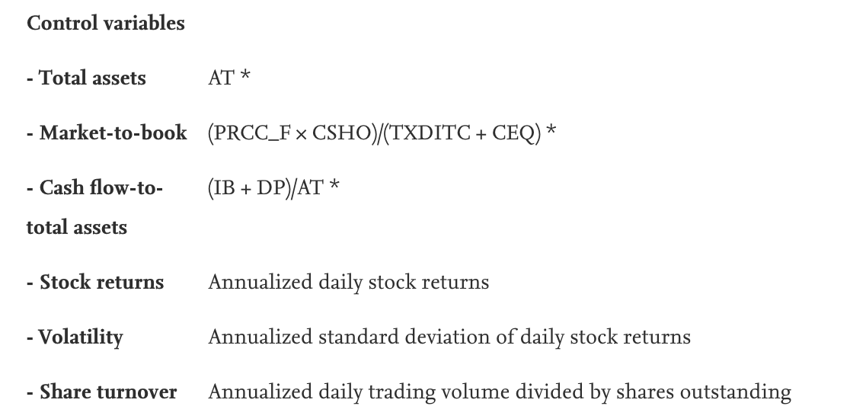

 |  |  |  |  |  |  |  | Market-to-book | prcc_f | txditc | 好像就这一个能加的

