Sheet1
LINQU XIANGRUN HOME TEXTILES CO.,LTD
4911 QINCHI ROAD LINQU SHANDONG CHINA,262600
TEL: 0086-536-3117464 FAX: 0086-536-3118499
VAT NO.:91370724MA3NX1M49Y
PROFORMA INVOICE
TO:JUDAICA MARKET PLACE |  |  |  | PI NO.: LQXR20241202
28/3 HAYOVEL NETIVOT 8782830 ISRAEL |  |  |  | DATE:DEC.02,2024
VAT NO.:300767613
SHIPMENT FROM QINGDAO, CHINA TO LOS ANGELES USA BY SEA
ITEM NO | PRODUCT DESCRIPTION | COLOR | SIZE | QUANTITY | PRICE | AMOUNT | UNIT IN CARTON
 |  |  |  | (PCS) | (USD/PC) | (USD)
 |  |  |  |  | FOB QINGDAO
 | SATIN KIPPOT WITH STAR
HY1021 | 10 PCS PACKAGE | DARK BLUE SATIN WITH SIVER EDGE AND SILVER STAR | 20CM | 500 | 0.49 | 245.00 | 250
 |  |  | DARK BLUE SATIN WITH SIVER EDGE AND SILVER STAR
HY1017 | 10 PCS PACKAGE | WHITE SATIN WITH BLUE EDGE AND BLUE STAR | 20CM | 750 | 0.49 | 367.50 | 250
 |  |  | WHITE SATIN WITH BLUE EDGE AND BLUE STAR
HY1022 | 5 PCS PACKAGE | BLUE SATIN WITH GOLD EDGE AND GOLD STAR | 20CM | 500 | 0.49 | 245.00 | 250
 |  |  | BLUE SATIN WITH GOLD EDGE AND GOLD STAR
HY1026 | 5 PCS PACKAGE | BLACK SATIN WITH GOLD EDGE AND GOLD STAR | 20CM | 300 | 0.49 | 147.00 | 300
 |  |  | BLACK SATIN WITH GOLD EDGE AND GOLD STAR
 | DMC KIPPOT
HY1115 | 1 PCS PACKAGE | WHITE | 21CM | 50 | 6.15 | 307.50 | 30
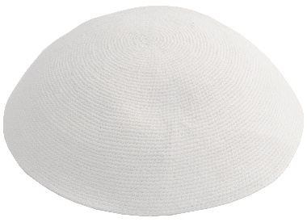 |  | NEW | WHITE - EACH KIPPAH SHOULD BE PACKED WITH KIPPAH-LIKE CARDBOARD PACK 1 BY 1 WITH PP BAG INCLUDE THANK YOU CARD INSIDE EACH PACKAGE
HY1063 | 1 PCS PACKAGE | MIX BLUE BASE | 19CM | 50 | 5.45 | 272.50 | 50
 |  | EACH KIPPAH SHOULD BE PACKED WITH KIPPAH-LIKE CARDBOARD PACK 1 BY 1 WITH PP BAG INCLUDE THANK YOU CARD INSIDE EACH PACKAGE
REGULAR KIPPOT
HY1071 | 5 PCS PACKAGE | MIX 5 COLOR | 17CM | 1500 | 0.90 | 1,350.00 | 500
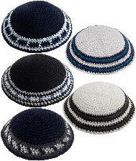 |  |  | 5 DIFFERENT MODELS IN A PACKEGE
REGULAR FRIK KIPPOT
HY1102 | 4 PCS PACKAGE | MIX 4 COLOR | 24/14CM | 1200 | 1.58 | 1,896.00 | 400
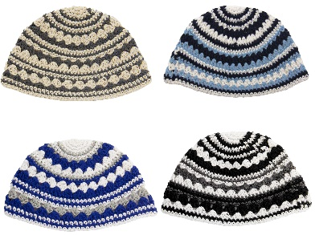 |  |  | 4 DIFFERENT MODELS IN A PACKEGE - EACH KIPPAH SHULD HAVE STICKER ON IT AND EACH PACKGE SHULD PACK WITH THANK YOU CARD INSIDE
TOTAL |  |  |  | 4850 |  | 4,830.50
SAY: U.S.DOLLARS FOUR THOUSAND SEVEN HUNDRED SEVEN AND FIFTY CENTS ONLY.
REMARKS:
PAYMENT TERM:T/T TERM
SHIPMENT:BEFORE SEP.30,2023
PARTIAL SHIPMENT:ALLOWED TRANSSHIPMENT:ALLOWED
QUANTITY AND AMOUNT ALLOWED 10% MORE OR LESS
BENEFICIARY: LINQU XIANGRUN HOME TEXTILES CO., LTD
ADD:4911 QINCHI ROAD LINQU SHANDONG CHINA,262600
ADVISINGAND NEGOTIATION BANK:BANK OF CHINA,LINQU SUB-BRANCH.
ADD: 2258 MINZHU ROAD LINQU SHANDONG CHINA,262600
TEL:0086-536-3214844

T/T ROUTE:
BANK NAME: BANK OF CHINA, LINQU SUB-BRANCH
A/C: 210438247610
SWIFT NO.: BKCHCNBJ500
ADD: 2258 MINZHU ROAD LINQU SHANDONG CHINA,262600
TEL:0086-536-3214844
BENEFICIARY: LINQU XIANGRUN HOME TEXTILES CO., LTD
ADD:4911 QINCHI ROAD LINQU SHANDONG CHINA,262600
TEL:0086-536-3117464 FAX:0086-536-3118499

