molecule 0
HHPHHHPH

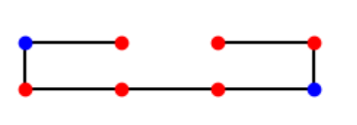
depth
stab | amount
0 | 154
-1 | 91
-2 | 21
-3 | 6

molecule 1
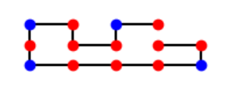
depth
stability | amount
0 | 88231
-1 | 83162
-2 | 34652
-3 | 11120
-4 | 2618
-5 | 536
-6 | 56
 | 0

molecule 2
HPHPPHHPHPPHPHHPPHPH

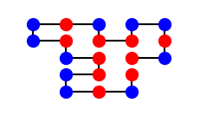
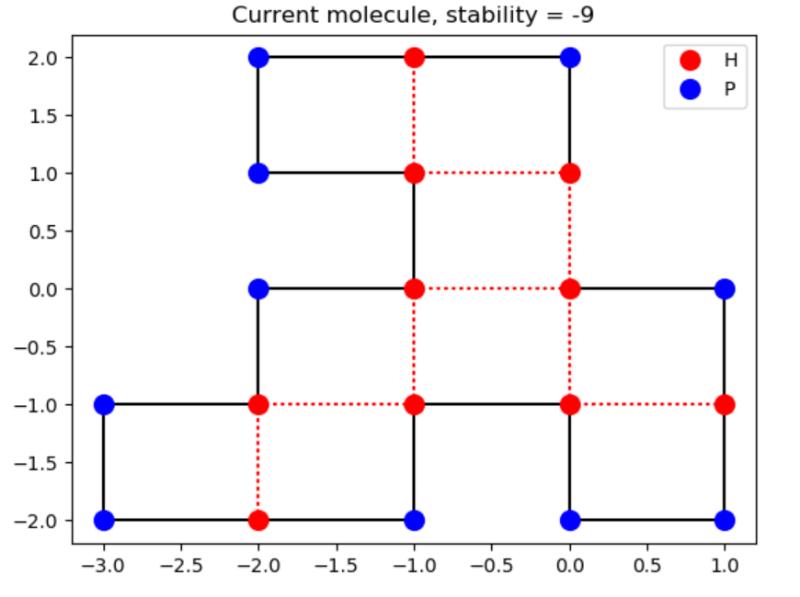
 | depth |  | randomsample |  | depth oplossing: | anneal oplossing:
 | 0 | 18049040 | 0:00:00 | 23442
 | -1 | 15828467 | -1 | 35897
 | -2 | 6236723 | -2 | 25707
 | -3 | 1471987 | -3 | 10899
 | -4 | 258992 | -4 | 3240
 | -5 | 38540 | -5 | 673
 | -6 | 5182 | -6 | 116
 | -7 | 597 | -7 | 22
 | -8 | 48 | -8 | 4
 | -9 | 2 | -9 | 0
 | -10 | 0

molecule 3
PPPHHPPHHPPPPPHHHHHHHPPHHPPPPHHPPHPP

randomsample |  | annealing solution:

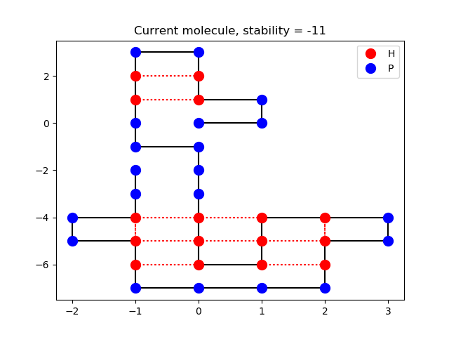
stability | amount
0 | 13548
-1 | 25448
-2 | 27364
-3 | 18867
-4 | 9591
-5 | 3685
-6 | 1119
-7 | 316
-8 | 50
-9 | 12

molecule 4
HHPHPHPHPHHHHPHPPPHPPPHPPPPHPPPHPPPHPHHHHPHPHPHPHH

 | randomsample
 | stability | amount | anneal oplossing
 | 0 | 5555
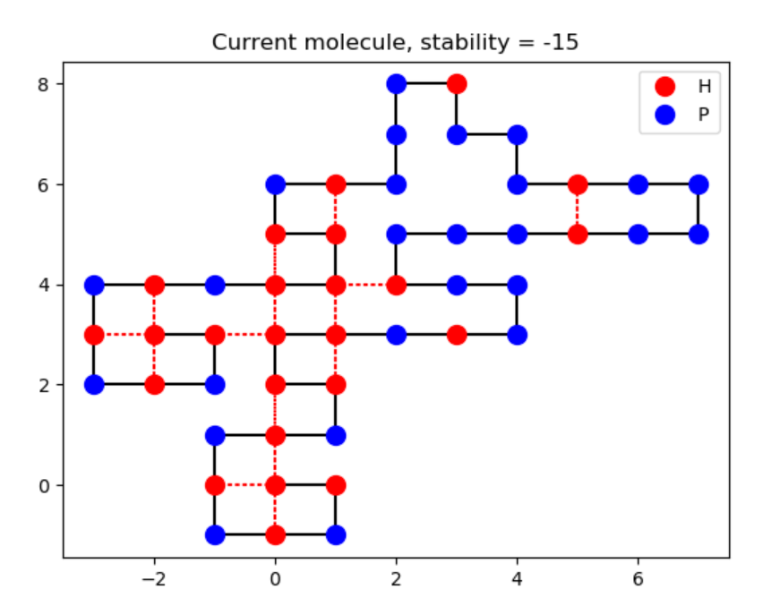
 | -1 | 14075
 | -2 | 19526
 | -3 | 20320
 | -4 | 16676
 | -5 | 11604
 | -6 | 6589
 | -7 | 3361
 | -8 | 1484
 | -9 | 533
 | -10 | 199
 | -11 | 60
 | -12 | 16
 | -13 | 2

