molecule 0
HHPHHHPH

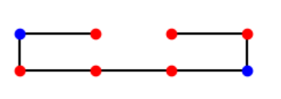
depth
stab | amount
0 | 154
-1 | 91
-2 | 21
-3 | 6

molecule 1
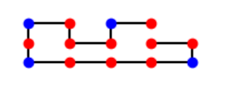
depth
stability | amount
0 | 88231
-1 | 83162
-2 | 34652
-3 | 11120
-4 | 2618
-5 | 536
-6 | 56
 | 0

molecule 2
HPHPPHHPHPPHPHHPPHPH

 |  |  | HPHPPHHPHPPHPHHPPHPH
 | depth |  | randomsample |  | depth oplossing: | anneal oplossing:
 | 0 | 18049040 | 0 | 23442
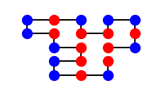
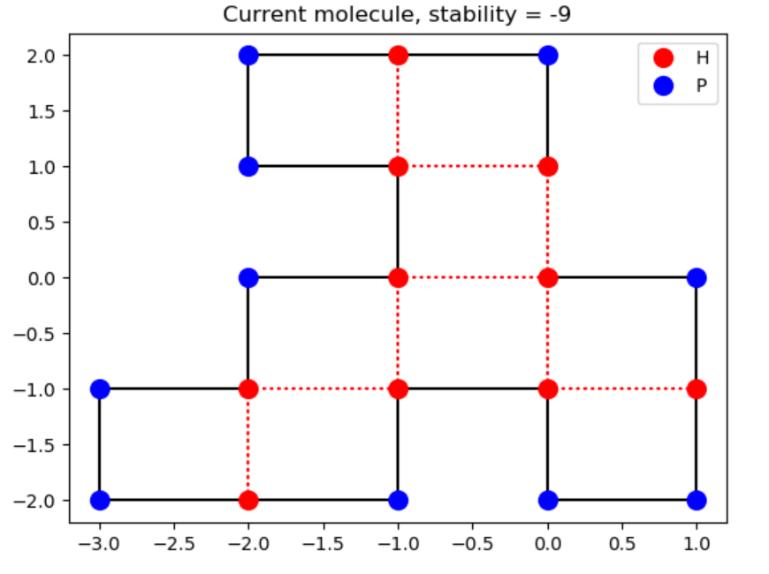
 | -1 | 15828467 | -1 | 35897
 | -2 | 6236723 | -2 | 25707
 | -3 | 1471987 | -3 | 10899
 | -4 | 258992 | -4 | 3240
 | -5 | 38540 | -5 | 673
 | -6 | 5182 | -6 | 116
 | -7 | 597 | -7 | 22
 | -8 | 48 | -8 | 4
 | -9 | 2 | -9 | 0
 | -10 | 0

