molecule 0
HHPHHHPH

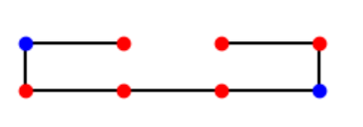
depth
stab | amount
0 | 154
-1 | 91
-2 | 21
-3 | 6

molecule 1
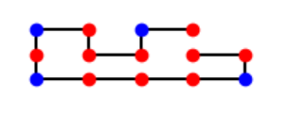
depth
stability | amount
0 | 88231
-1 | 83162
-2 | 34652
-3 | 11120
-4 | 2618
-5 | 536
-6 | 56
 | 0

molecule 2
HPHPPHHPHPPHPHHPPHPH

 |  |  | HPHPPHHPHPPHPHHPPHPH
 | depth |  | randomsample |  | depth oplossing: | anneal oplossing:
 | 0 | 18049040 | 0 | 23442
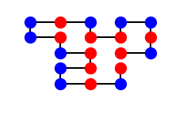
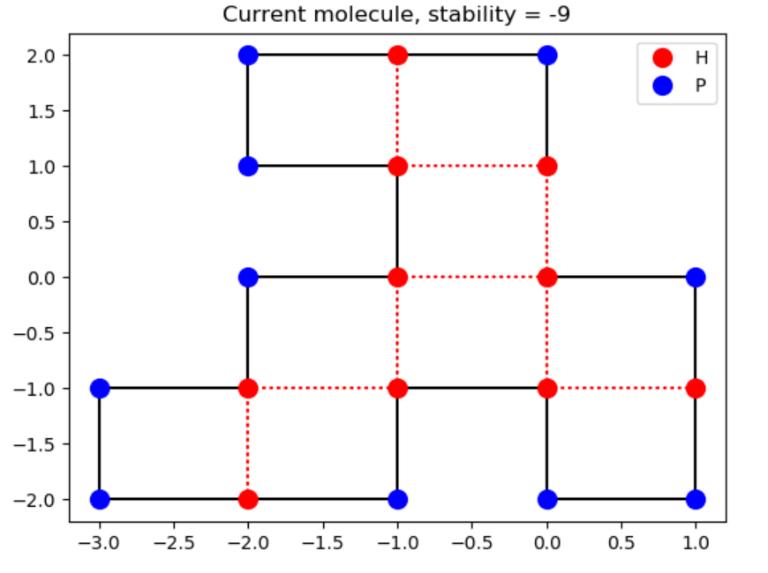
 | -1 | 15828467 | -1 | 35897
 | -2 | 6236723 | -2 | 25707
 | -3 | 1471987 | -3 | 10899
 | -4 | 258992 | -4 | 3240
 | -5 | 38540 | -5 | 673
 | -6 | 5182 | -6 | 116
 | -7 | 597 | -7 | 22
 | -8 | 48 | -8 | 4
 | -9 | 2 | -9 | 0
 | -10 | 0

molecule 4
Sample (n = 10.000) and Annealing solutions (n = 24)
HHPHPHPHPHHHHPHPPPHPPPHPPPPHPPPHPPPHPHHHHPHPHPHPHH
randomsample
stability | amount
0 | 5555 |  |  |  | novadil | vadil
-1 | 14075 |  |  |  | annealing solutions:
-2 | 19526 |  |  |  | 20
-3 | 20320 |  |  |  | 17
-4 | 16676 |  |  |  | 17
-5 | 11604 |  |  |  | 17
-6 | 6589 |  |  |  | 12
-7 | 3361 |  |  |  | 16
-8 | 1484 |  |  |  | 16
-9 | 533 |  |  |  | 17
-10 | 199 |  |  |  | 16
-11 | 60 |  |  |  | 13
-12 | 16
-13 | 2
-14
-15
-16
-17
-18
-19
-20
-21 |  | 1 | 0
-22 |  | 2 | 0
-23 |  | 3 | 0
-24 |  | 4 | 0
-25 |  | 5 | 0
 |  | 6 | 0
 |  | 7 | 0
 |  | 8 | 0
 |  | 9 | 0
 |  | 10 | 0
 |  | 11 | 0 | 22 | 0
 |  | 12 | 1 | 23 | 0
 |  | 13 | 1 | 24 | 0
 |  | 14 | 3 | 25 | 0
 |  | 15 | 0 | 26 | 0
 |  | 16 | 4 | 27 | 0
 |  | 17 | 6 | 28 | 0
 |  | 18 | 6 | 29 | 0
 |  | 19 | 2
 |  | 20 | 1
 |  | 21 | 0
 |  |  | 24

