LOG-TIME SPENT ON WHAT
ACTION | TIME SPENT IN HOURS | DATE | TOTAL TIME SPENT
RESEARCHING ( Planning functionality, researching web) | 2.0 | 2020-04-17 | 25.0 | h | `0
 |  | 2020-04-18
TIME TREND
 | TIME SPENT IN HOURS
4/17/2020 | 2.0
4/18/2020
4/19/2020 | 2.0
4/20/2020 | 4.0
4/21/2020 | 2.0
4/22/2020 | 3.0
4/23/2020 | 2.0
4/24/2020 | 5.0
4/25/2020 | 3.0
4/26/2020 | 2.0
4/27/2020
4/28/2020
Working on Navbar - need to center search bar and modify buttons right | 2.0 | 2020-04-19
Navbar completly reworked without bootstrap - excluded searchbar would be somewhere else. | 4.0 | 2020-04-20
Added reactive navbar hamburger icon, for mobile users | 2.0 | 2020-04-21
Stated implementing logic, connected to PostgresSQL database, Made Article/Category classes. | 3.0 | 2020-04-22
Added 3 recortds to database manually foreach for showing on screen - Next -- Need to think through the Article class and (remove bad properties and add new ones) | 2.0 | 2020-04-23
Formatted article and whole index page, looks nice, still need to research about adding image to class - on disc - commited to program time ago function | 5.0 | 2020-04-24
Added GetTimeAgo method for article class, implemented full up until a year | 3.0 | 2020-04-25
Reformated article a bit, text etc. Still need to implement images somehow | 2.0 | 2020-04-26
 |  | 2020-04-27
 |  | 2020-04-28
 |  | 2020-04-29
 |  | 2020-04-30
 |  | 2020-05-01
 |  | 2020-05-02
 |  | 2020-05-03
 |  | 2020-05-04
 |  | 2020-05-05
 |  | 2020-05-06
 |  | 2020-05-07
 |  | 2020-05-08
 |  | 2020-05-09
 |  | 2020-05-10
 |  | 2020-05-11
 |  | 2020-05-12
 |  | 2020-05-13
 |  | 2020-05-14
 |  | 2020-05-15
 |  | 2020-05-16
 |  | 2020-05-17
 |  | 2020-05-18
 |  | 2020-05-19
 |  | 2020-05-20
 |  | 2020-05-21
 |  | 2020-05-22
 |  | 2020-05-23
 |  | 2020-05-24
 |  | 2020-05-25
 |  | 2020-05-26
 |  | 2020-05-27
 |  | 2020-05-28
 |  | 2020-05-29
 |  | 2020-05-30
 |  | 2020-05-31
 |  | 2020-06-01
 |  | 2020-06-02
 |  | 2020-06-03
 |  | 2020-06-04
 |  | 2020-06-05
 |  | 2020-06-06
 |  | 2020-06-07
 |  | 2020-06-08
 |  | 2020-06-09
 |  | 2020-06-10
 |  | 2020-06-11
 |  | 2020-06-12
 |  | 2020-06-13
 |  | 2020-06-14
 |  | 2020-06-15
 |  | 2020-06-16
 |  | 2020-06-17
 |  | 2020-06-18
 |  | 2020-06-19
 |  | 2020-06-20
 |  | 2020-06-21
 |  | 2020-06-22
 |  | 2020-06-23
 |  | 2020-06-24
 |  | 2020-06-25
 |  | 2020-06-26
 |  | 2020-06-27
 |  | 2020-06-28
 |  | 2020-06-29
 |  | 2020-06-30
 |  | 2020-07-01
 |  | 2020-07-02
 |  | 2020-07-03
 |  | 2020-07-04
 |  | 2020-07-05
 |  | 2020-07-06
 |  | 2020-07-07
 |  | 2020-07-08
 |  | 2020-07-09
 |  | 2020-07-10
 |  | 2020-07-11
 |  | 2020-07-12
 |  | 2020-07-13
 |  | 2020-07-14
 |  | 2020-07-15
 |  | 2020-07-16
 |  | 2020-07-17
 |  | 2020-07-18
 |  | 2020-07-19
 |  | 2020-07-20
 |  | 2020-07-21
 |  | 2020-07-22
 |  | 2020-07-23
 |  | 2020-07-24

SKETCHES OF WEBSITE
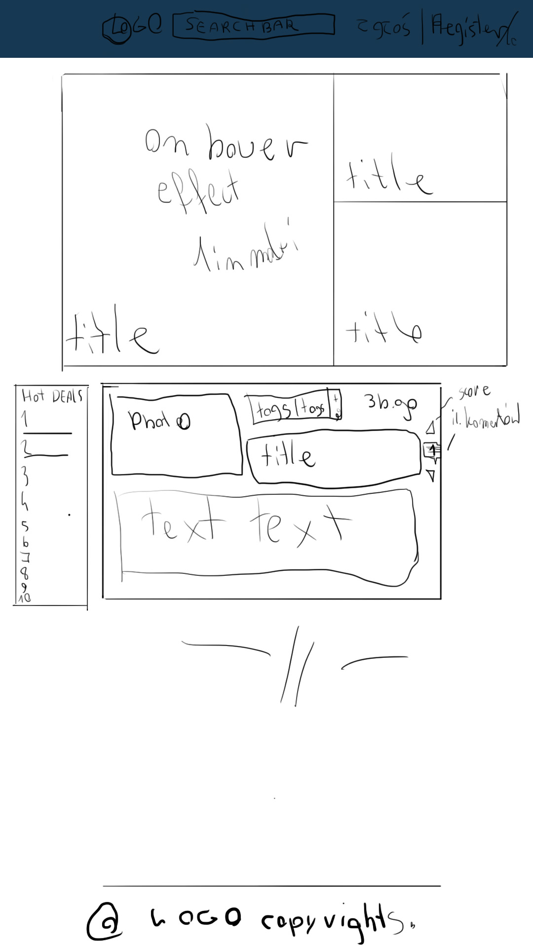
COLOR PALLETTE
#142850
#27496d
#0c7b93
#00a8cc

 | <nav class="navbar navbar-expand-sm navbar-toggleable-sm navbar-light bg-white border-bottom box-shadow mb-3">
 | <div class="container">
 | <a class="navbar-brand" asp-area="" asp-page="/Index">DEVPAGE</a>
 | <button class="navbar-toggler" type="button" data-toggle="collapse" data-target=".navbar-collapse" aria-controls="navbarSupportedContent"
 | aria-expanded="false" aria-label="Toggle navigation">
 | <span class="navbar-toggler-icon"></span>
 | </button>
 | <div class="navbar-collapse collapse d-sm-inline-flex flex-sm-row-reverse">
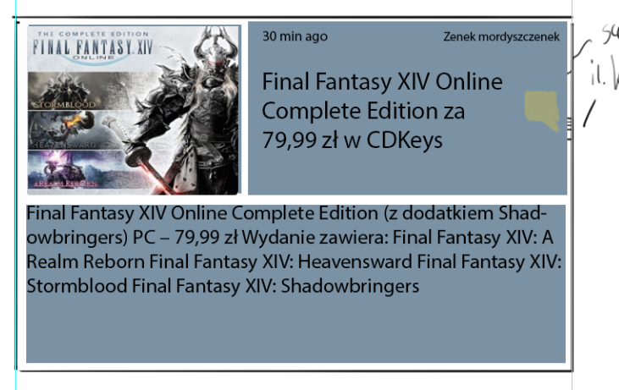
 | <ul class="navbar-nav flex-grow-1">
 | <li class="nav-item">
 | <a class="nav-link text-dark" asp-area="" asp-page="/Index">Home</a>
 | </li>
 | <li class="nav-item">
 | <a class="nav-link text-dark" asp-area="" asp-page="/Privacy">Privacy</a>
 | </li>
 | </ul>
 | </div>
 | </div>
 | </nav>

