DI-Lambda-UNO-Panelized-v1.7
 | Front side |  |  |  |  |  |  |  | Comments
Id | Q | Designator | Description | Footprint | Pads SMT | Pads THT | Pads SMD total | Pads THT total
3 | 6 | P402,P401,P403,P302,P301,P303 | CONN_02X02 | Female_socket_2.54_2x2p_horizontal_smt | 4 |  | 24 | 0
15 | 12 | R601,R601,R204,R203,R601,R103,R106,R104,R205,R206,R207,R208 | 1.5K | R_0603_1608Metric | 2 |  | 24 | 0
16 | 1 | D501 | PD70-01C | 2-SMD-Everlight-Photodiode | 2 |  | 2 | 0
17 | 1 | R501 | 1M | R_0603_1608Metric | 2 |  | 2 | 0
18 | 1 | U502 | MCP3421A0T-E/CH | SOT-23-6 | 6 |  | 6 | 0
19 | 1 | U501 | TP1271 | SOT-23-5 | 5 |  | 5 | 0
20 | 1 | C501, 203, 204 | 30pf | C_0603_1608Metric | 2 |  | 2 | 0
21 | 12 | C502,C503,C208,C209,C212,C202,C211,C213,C210,C601,C601,C601 | 0.1uF 25v | C_0603_1608Metric | 2 |  | 24 | 0
26 | 1 | U101 | USBLC6-2SC6 | SOT-23-6 | 6 |  | 6 | 0
27 | 1 | J101 | USB_OTG | USB_Micro-B_Molex-105017-0001 | 7 | 4 | 7 | 4
28 | 1 | D101 | SS12 | D_SMA | 2 |  | 2 | 0
29 | 1 | F101 | 0.2A | Fuse_1206_3216Metric | 2 |  | 2 | 0
30 | 1 | L104 | 6.8uH | L_Taiyo-Yuden_NR-40xx | 2 |  | 2 | 0
31 | 2 | C104,C106 | 1uF 16v | C_0603_1608Metric | 2 |  | 4 | 0
32 | 1 | U102 | 3.3v LDO (for example AZ1117EH-3.3TRG1) | SOT-223-3_TabPin2 | 4 |  | 4 | 0
33 | 1 | Q101 | AO3401 | SOT-23 | 3 |  | 3 | 0
35 | 6 | J105,J106, J203, J204, J207, J208 | Conn_02x02_Odd_Even | Pin Header 2.54 vertical SMT 2x2p | 4 |  | 24 | 0
36 | 1 | U103 | AP3015 | SOT-23-5 | 5 |  | 5 | 0
37 | 8 | C102,C103,C105,C101,C201,C205,C206,C207 | 4.7uF 6.3v | C_0603_1608Metric | 2 |  | 16 | 0
38 | 3 | L101,L103,L102 | FB | L_0603_1608Metric | 2 |  | 6 | 0
39 | 1 | Q102 | AO3400 | SOT-23 | 3 |  | 3 | 0
40 | 1 | R105 | 13.3k | R_0603_1608Metric | 2 |  | 2 | 0
41 | 3 | R101,R102, R202 | 22R | R_0603_1608Metric | 2 |  | 6 | 0
48 | 2 | J112,J102 | Spring connector 6p | Spring-contact-connector-2.5x6 | 8 |  | 16 | 0
55 | 1 | Y201 | 8Mhz | Crystal_SMD_HC49-SD | 2 |  | 2 | 0
58 | 1 | U202 | STM32F103CBT6 (128K flash) | LQFP-48_7x7mm_P0.5mm | 48 |  | 48 | 0
60 | 1 | R201 | 100R | R_0603_1608Metric | 2 |  | 2 | 0
73 | 3 | R602,R602,R602 | 470R | R_0805 | 2 |  | 6 | 0
75 | 3 | U601,U601,U601 | 24LC02 (for example HT24LC02) | SOIC-8_3.9x4.9mm_Pitch1.27mm | 8 |  | 24 | 0
13 | 3 | D601,D601,D601 | DNP | LED_D5.0mm |  | 0 | 0 | 0
72 | 3 | D602,D602,D602 | DNP | DNP | 0 |  | 0 | 0
 |  |  |  |  |  |  | 279 | 4
 | Back side
Id | Quantity | Designator | Designation | Package | Pads SMT | Pads THT | Pads SMD total | Pads THT total
52 | 3 | SW203, SW202, SW201 | SW | B3SL-1002P | 4 |  | 12 | 0 | Revise the switch footprint. The current one is incorrect and slightly off, and might cause production problems. This switch is supposed to be used, but the PCB footprint is for a slightly different one: https://item.taobao.com/item.htm?id=522601282751
57 | 4 | MK205,MK204,MK203,MK202 | SMT nut | Mounting-Hole-SMT-nut-M3-4.3mm | 1 |  | 4 | 0 | https://item.taobao.com/item.htm?id=541844636955
63 | 1 | U201 | LCD_1.44_ST7735 (hand soldering) | LCD_1.44_ST7735 | 14 |  | 14 | 0 | https://item.taobao.com/item.htm?id=522601282751
 |  |  |  |  |  |  | 30 | 0
 |  | Unusual parts
 |  | P402,P401,P403,P302,P301,P303 | 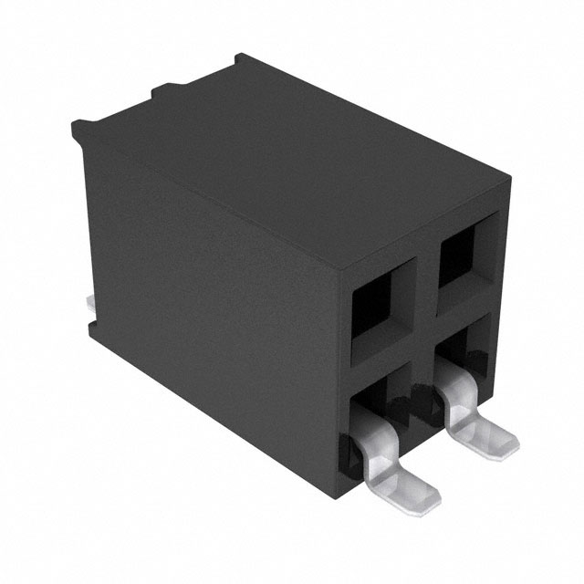 | bag

 |  | J105,J106, J203, J204, J207, J208 | 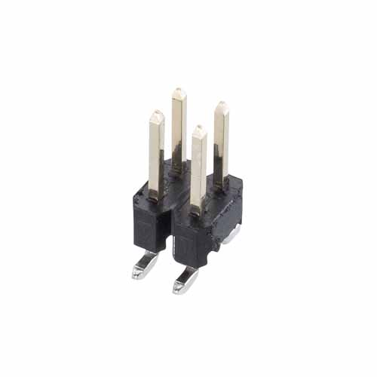 | bag

 |  | MK205,MK204,MK203,MK202 | 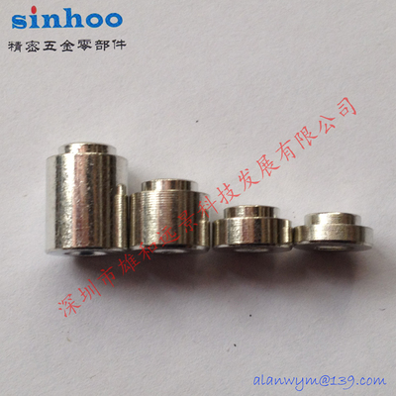 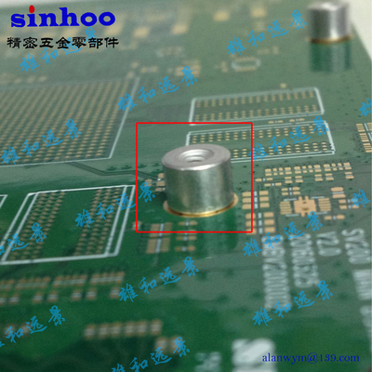 | Tape

 |  | U201 | 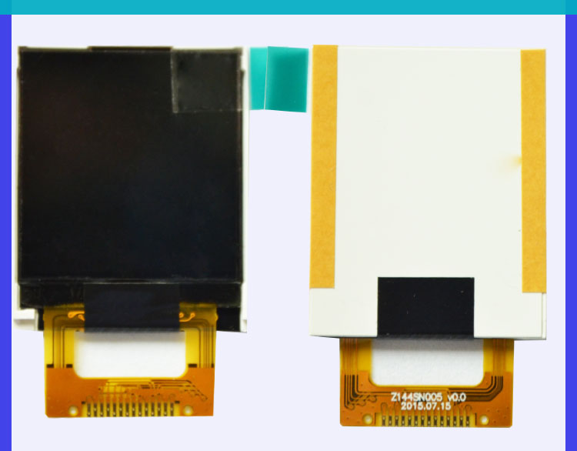 | LCD_1.44_ST7735

 |  | J112,J102 | 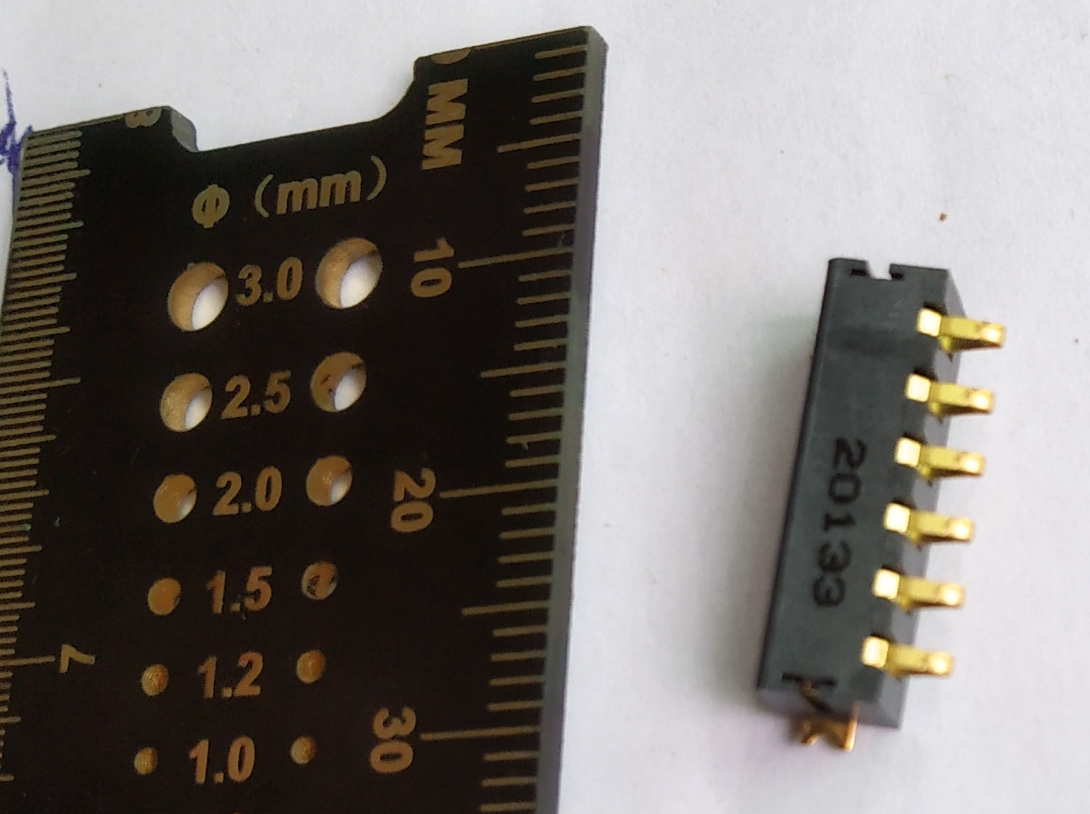 | 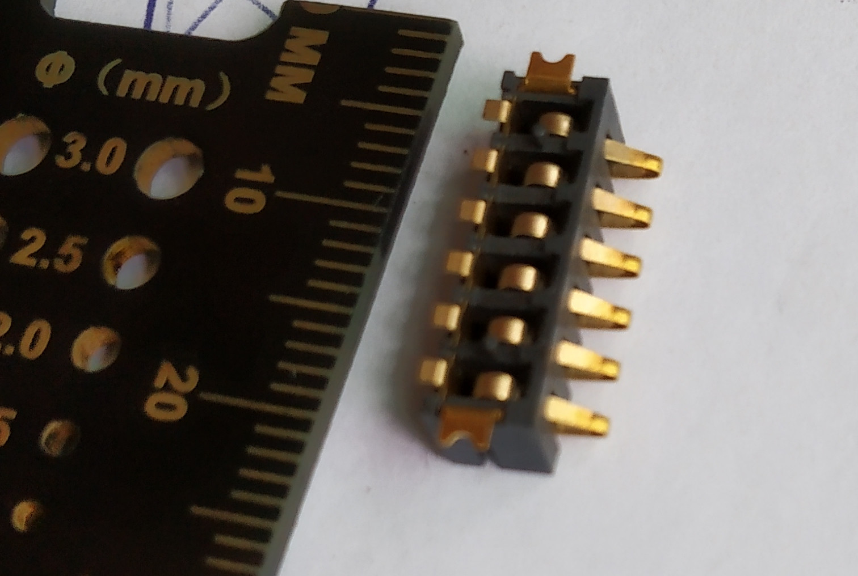 | Have ~375 left, don’t know where to buy more. Find function replacement, update the PCB. |  |  | 