Template Fill Up
Aero data worksheet |  |  |  |  |  |  |  |  |  |  |  |  |  | SCALE FACTORS

Aircraft |  |  | TOGW | 1835 | lbf | engine designation | Continental, C-85-12 |  |  |  |  |  |  | Based on Overall Length
Globe GC-1A Swift |  |  | Fuel wt | 232.0022 | lbf | max thrust or horsepower |  |  | 85 Hp | lbf or HP |  |  |  | [mm/ft] | 4.46401

 |  |  | Altitude | 7500 | ft |  |  |  |  |  |  |  |  | Based on Span (width)
 |  |  | True airspeed | 121.6 | kts |  |  |  |  |  |  |  |  | [mm/ft] | 4.63642

Item |  |  |  |  |  |  | Airfoil |  |  |  |  |  |  | Based on Fusalage Length
 | Theo. |  |  |  |  |  | Awet |  |  |  |  |  |  | [mm/ft] | 4.72222
 | Planform |  |  |  |  |  | factor | Awet gross | Awet covered | Awet net
Lifting Surfaces | Area (ft2) | airfoil root | airfoil tip | T/C root | T/C tip | T/C avg | Chart 11 | (ft2) | by fuselage | (ft2) | Root chord (ft) | Tip chord (ft) | MGC [ft]
Wing (both sides) | 123.1334 | NACA 23015 | NACA23009 | 0.1509 | 0.1667 | 0.1588 | 1.0730 | 276.1283 | 27.8299 | 248.29840919 | 5.8244 | 3.1362 | 4.6147 |  | pi | 3.1415926535
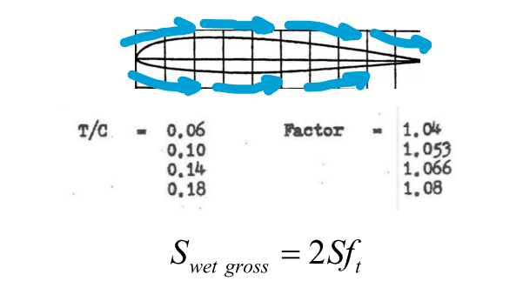
Horizontal Tail (both sides) | 25.7138 | NACA 0010 | NACA 0010 | 0.0862 | 0.1333 | 0.1098 | 1.0530 | 54.1533 | 1.4918 | 52.6615 | 3.1362 | 1.6801 | 2.4815
Vertical Tail | 12.1420 | NACA 0012 | NACA 0012 | 0.0760 | 0.1818 | 0.1289 | 1.0595 | 12.8644 | [--] | 12.8644 | 4.2563 | 1.2321 | 3.0219

 | frontal area | Awet gross | Awet covered | Awet net |  | perimeter | Eq Hyd | Diam/Length
Bodies of Revolution | (ft2) | (ft2) | (wing root etc) | (ft2) | length,ft | ft | Diam, ft | d/l
fuselage | 11.8378 | 55.2065 | 5.1176 | 50.0889 | 18.0000 | 12.1966 | 3.8823 | 0.2157 |  | I used 0.79 * Max Diameter of fusalage * total length for Gross Wetted Area

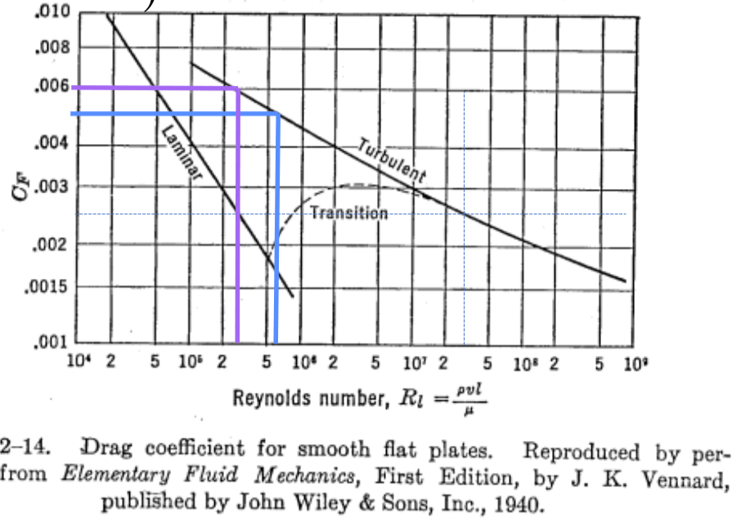
 | frontal area | Awet gross | width |  | length or
Miscellaneous | (ft2) | (ft2) | ft |  | diam, ft
Main gear strut
Main tire
Nose gear strut or tail strut | [--] | [--] | [--] |  | [--]
Nose tire or tailwheel | [--] | [--] | [--] |  | [--]
wheel cavity | 0.6902 | 1.3804 | 0.4314 |  | 1.6
strut cavity | [--] | [--] | [--] |  | [--]
landing gear door | 1.28 | 2.56 | 0.8 |  | 1.6
flap deflection | 4.3847 | 17.5388 | 3.5588 |  | 1.2321

 |  |  |  | Dynamic Pressure [psf] | 39.999597214
Drag Calculations |  | RN/ft
 |  | cf friction |  |  |  | cf friction
Item | Rn full-scale | coeff | T/C avg | Cd 2D test | Rn test data | coeff at A/D |  | CD 2D | delta fe of | C
Lifting Surfaces |  | full-scale |  | (Abb/Doen) |  | test Rn | Adj for Rn | at full-sc Rn | surf (ft2) | CL
Wing (23012) ; TOWSections Pg. 499 | 5.01E+06 | 1.09E+06 | 0.1588 | 0.006 | 6.00E+06 | 0.005 |  |  |  | 0.3725 | I used NACA 23012, midpoint between 23015 and 23009 for wing
Horizontal Tail (0010) ; Theory of Wing Pg. 461 | 2.69E+06 | 1.09E+06 | 0.1098 | 0.004 | 3.00E+06 | 0.006 |  |  |  | 0
Veritcal Tail ; Theory of Wing Pg. 463 | 3.28E+06 | 1.09E+06 | 0.1289 | 0.006 | 3.00E+06 | 0.006 |  |  |  | 0

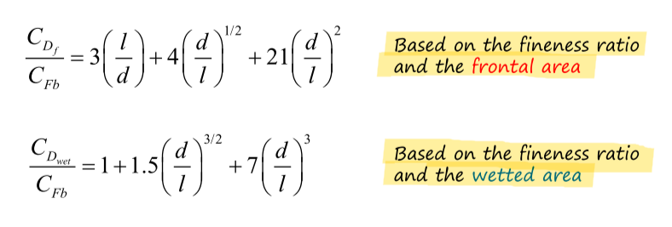
 |  |  | CD/cf based |  | CD/cf based
 |  |  | on Afront | Awet net | on Awet |  |  |  | delta fe of
Bodies of Revolution | Rn full-scale | d/l | (eq 31) | (ft2) | (eq 28) | Cfb | CDWet |  | body (ft2)
fuselage | 1.95E+07 | 0.2157 | 16.743814579 | 50.0889 | 1.2204862239 | 2.70E-03 | 3.30E-03 |  | 0.17

 | CD from |  |  |  |  |  |  |  | delta fe of
Miscellaneous | Hoerner | basis for CD | re-ref to wing Sref |  |  |  |  |  | item (ft2)
Main gear strut fig 38 p. 13-15 | 0.5 | frontalarea
Main tire fig 38 p. 13-15 | 0.5
Nose gear strut or tail strut | [--]
Nose tire or tailwheel | [--]
wheel cavity | 0.008
strut cavity | 0.008
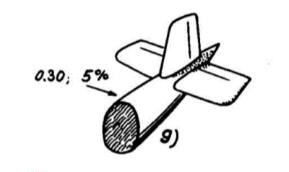
landing gear door | to calculate
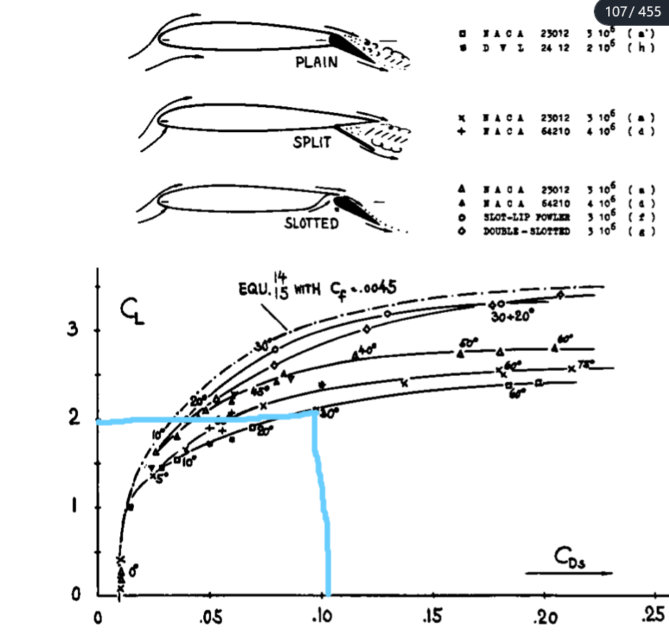
flap deflection fig 20 page 6-14 | 0.10
 |  |  |  |  |  |  |  |  | delta fe of
Interference factors | DCD or multipler |  | Basis area for DCD |  | re-ref to wing Sref |  |  |  | item (ft2)
wing/body Fig 23 p 8-10 | 0.002447
body/tail fig 28 p 8-12 | 0.05

 | multiplier on |  |  |  | delta CD
Protuberance | overall drag |  |  |  | on wingSref |  |  |  | delta fe ft2
 | 0.05

Total drag |  |  |  |  | CD (on wing |  |  |  | Parasite area
(surfaces, body, miscellaneous, interference, protuberance) |  |  |  |  | ref. area) |  |  |  | fe, ft2

 |  | Drag (lbf) | CD0
Clean Config. (No landing gear or flaps) | Part A
With just gear down for take off | Part B
With gear and flaps (at 30deg) for landing | Part C

Standard Atmosphere
Atmosphere |  |  |  |  |  |  | Notes
Alt.press = | 7500 | [ft] | delta T (del. C) |  | or Tamb(deg F) | or assume STD day
 | (Input either delta or amb temp value, but not both for non-STD day. Input "0" in both for a STD day
Atm Data |  |  | STD
h.press = | 7500 | [ft] | 7500 | [ft]
Tamb = |  | [deg C] | 32.26926 | [deg F] |  |  | T [deg F] | Converted T from rankine to fahrenhiet
delta | 0.75709 | [-] | 0.75709 | [-]
theta | 0.94843 | [-] | 0.94843 | [-]
sigma | 0.79825 | [-] | 0.79825 | [-]

SLS
Po | 2116.22 | [lb/ft2] | P | 1602.1689998 | [lb/ft2] |  | P, T, Rho | Multiplied ratios with standard condition values
To | 518.688 | [deg R] | T | 491.939260 | [deg R]
rhoo | 0.002377 | [slugs/ft3] | Rho | 0.00189744025 | [slugs/ft3]
muo | 3.8746E-07 | [slug/ft-sec] | Mu | 3.5896E-07 | [slug/ft-sec]
vo | 1.5922E-04 | [ft2/sec] | v | 0.00018919 | [ft2/sec]
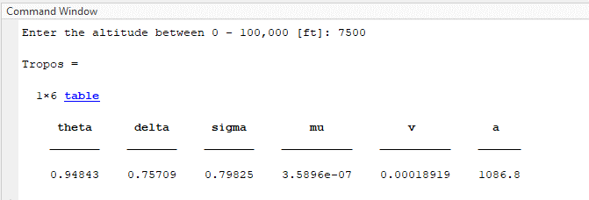
 |  |  | a | 1086.8 | [ft/sec]

Velocity
140 | mph
121.6 | knots
205.333 | feet/sec

Top Front View
TOP/FRONT VIEW

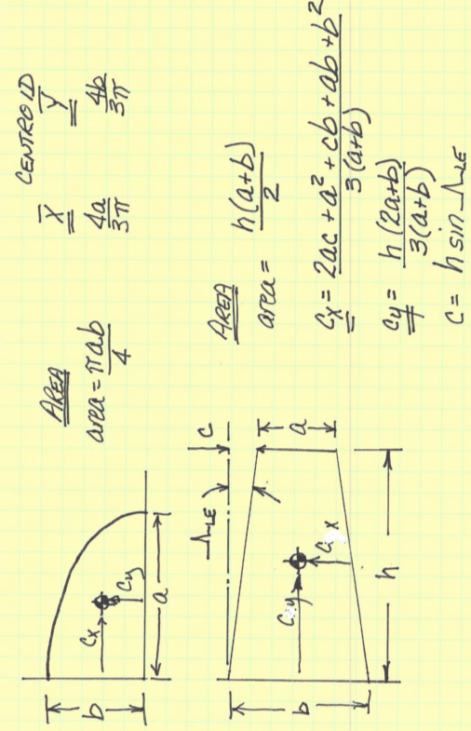
WING
Left Wing |  | mm | ft |  | mm2 | ft2 |  |  |  | SCALE FACTORS |  | NOT NEEDED I THINK
root | CR | 26 | 5.8243597125 | area = | 1180 | 57.013024146 |  |  |  |  |  | COOLING INLETS |  | mm | ft
tip | Ctau | 14 | 3.1361936913 |  |  |  |  |  |  | Based on Overall Length |  | preston | w |  |  | area=
length | L | 59 | 12.725335496 |  |  |  |  |  |  | [mm/ft] | 4.46401 |  | h |  |  | total =
 | c = | 4 | 0.89605534038
 |  |  |  |  |  |  |  |  |  | Based on Span (width) |  | oil | w |  |  | area =
 |  |  |  |  |  |  |  |  |  | [mm/ft] | 4.63642 |  | h |  |  | total =
WING ELLIPSES
EW1 |  | mm | ft |  | mm2 | ft2 |  |  |  |  |  | W/ Fairing/w int
 | a | 8 | 1.7254692198 | area = | 37.699111842 | 1.821474893 |  |  |  |  |  |  | c |  |  | area =
 | b | 6 | 1.3440830106 |  |  |  |  |  |  |  |  |  | w
EW2
 | a | 8 | 1.7254692198 | area = | 56.548667763 | 2.7322123395 |  |  |  |  |  | W/F int
 | b | 9 | 2.0161245159 |  |  |  |  |  |  |  |  |  | c |  |  | area =
 |  |  |  |  |  |  |  |  |  |  |  |  | w
 |  |  |  |  |  |  |  |  |  | Pi | 3.1415926535
HORIZONTAL TAIL |  |  |  |  |  |  |  |  |  |  |  | F/HT int
THT |  | mm | ft |  | mm2 | ft2 |  |  |  |  |  |  | c1 |  |  | area =
 | CR | 14 | 3.1361936913 | area = | 247.25 | 11.946161203 | Lambda (HT) | 0.53571428571 |  |  |  |  | c2
 | Ctau | 7.5 | 1.6801037632 |  |  |  | Cmgc | 2.4815175996 | [ft] |  |  |  | l
 | L | 23 | 4.9607240069
EHT1 | c =
 | a | 3 | 0.64705095742 | area = | 8.2466807154 | 0.39844763284
 | b | 3.5 | 0.78404842283
EHT2
 | a | 3 | 0.64705095742 | area = | 10.602875206 | 0.51228981365
 | b | 4.5 | 1.0080622579

