management_summary
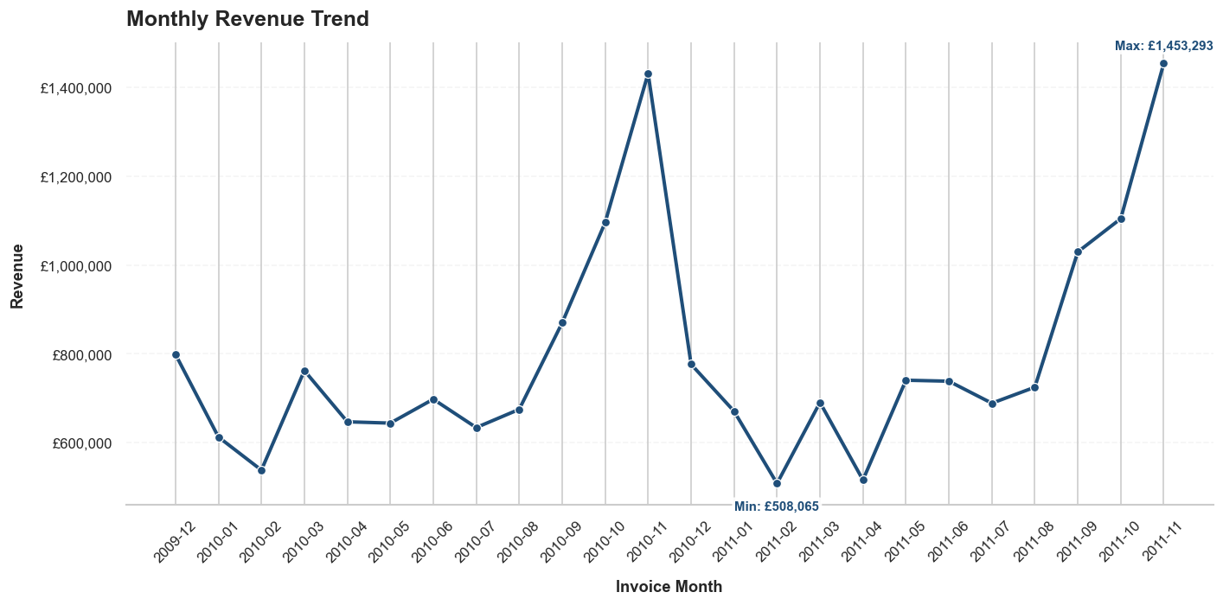
Metric | Value
Reporting Through | 2011-11
Total Revenue (£) | 19045262.14
Total Orders | 38752
Avg Order Value (£) | 491.47
Unique Customers | 5825

monthly_trends
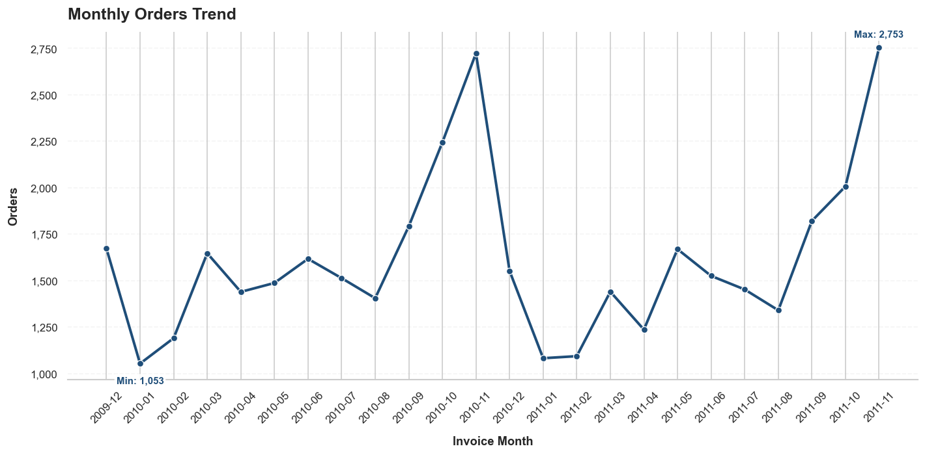
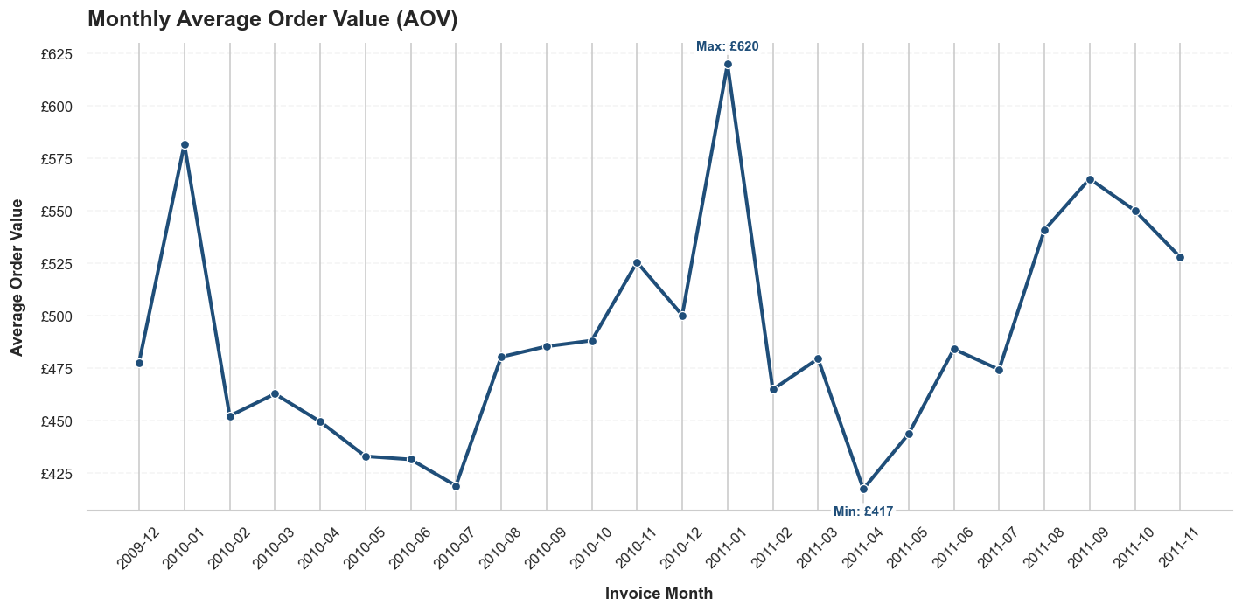
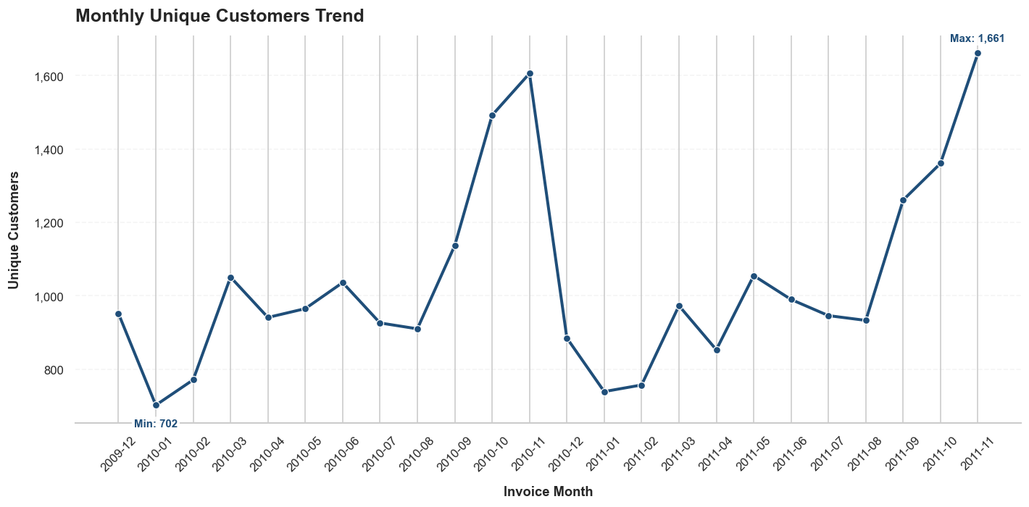
Month | Revenue (£) | Orders | Unique Customers | AOV (£)
2009-12 | 798747.03 | 1672 | 952 | 477.72
2010-01 | 612605.5 | 1053 | 702 | 581.77
2010-02 | 538141.69 | 1190 | 771 | 452.22
2010-03 | 762148.53 | 1647 | 1051 | 462.75
2010-04 | 646869.06 | 1439 | 941 | 449.53
2010-05 | 643904.88 | 1487 | 965 | 433.02
2010-06 | 697744.72 | 1617 | 1036 | 431.51
2010-07 | 633896.06 | 1513 | 926 | 418.97
2010-08 | 674887.89 | 1405 | 910 | 480.35
2010-09 | 869772.16 | 1792 | 1137 | 485.36
2010-10 | 1095390.11 | 2244 | 1492 | 488.14
2010-11 | 1431039.32 | 2723 | 1606 | 525.54
2010-12 | 776329.95 | 1552 | 885 | 500.21
2011-01 | 670654.46 | 1082 | 739 | 619.83
2011-02 | 508065.09 | 1093 | 757 | 464.84
2011-03 | 690466.82 | 1440 | 973 | 479.49
2011-04 | 515878.08 | 1236 | 853 | 417.38
2011-05 | 740451.14 | 1669 | 1055 | 443.65
2011-06 | 738233.99 | 1525 | 990 | 484.09
2011-07 | 688728.12 | 1452 | 946 | 474.33
2011-08 | 724688.42 | 1340 | 933 | 540.81
2011-09 | 1029268.801 | 1821 | 1261 | 565.22
2011-10 | 1104057.63 | 2007 | 1361 | 550.1
2011-11 | 1453292.69 | 2753 | 1661 | 527.89

daily_last_month
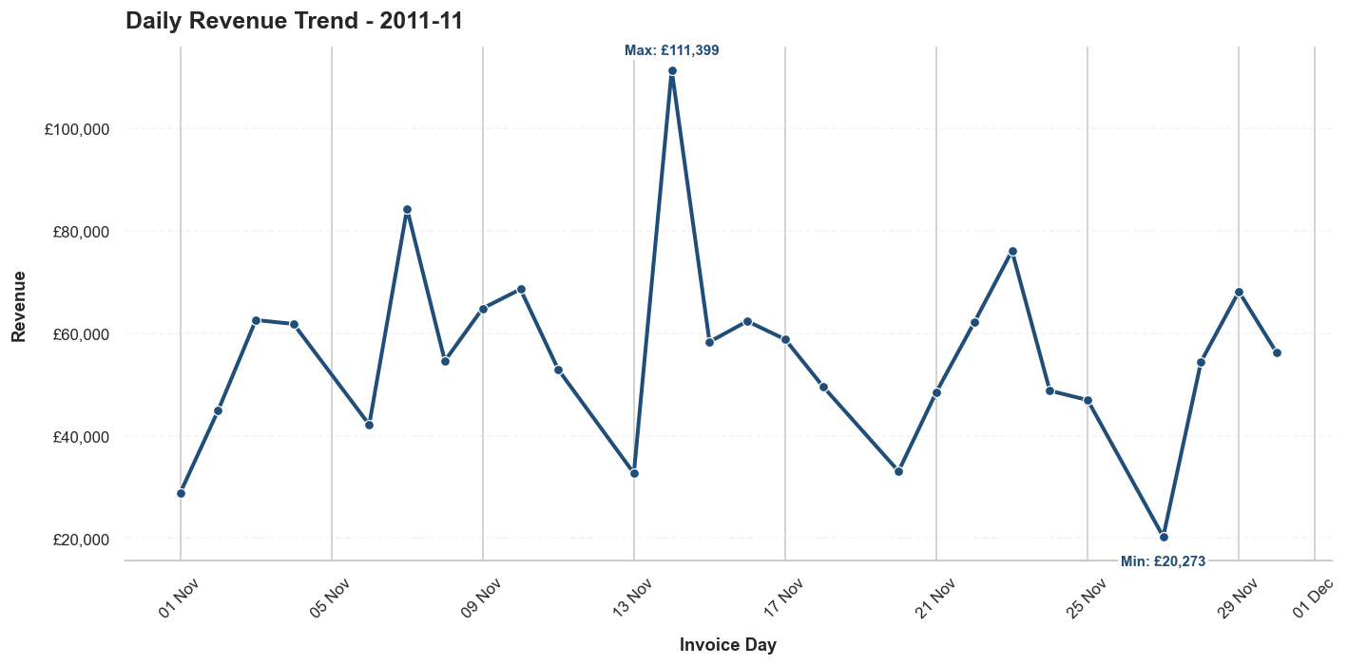
Day | Revenue (£)
2011-11-01 | 28809.9
2011-11-02 | 44868.41
2011-11-03 | 62590.96
2011-11-04 | 61814.62
2011-11-06 | 42153.85
2011-11-07 | 84300.01
2011-11-08 | 54617.93
2011-11-09 | 64865.13
2011-11-10 | 68593.52
2011-11-11 | 52913.44
2011-11-13 | 32666.69
2011-11-14 | 111398.61
2011-11-15 | 58328.16
2011-11-16 | 62355
2011-11-17 | 58821.66
2011-11-18 | 49613.18
2011-11-20 | 33058.46
2011-11-21 | 48538.76
2011-11-22 | 62098.8
2011-11-23 | 76084.45
2011-11-24 | 48787.6
2011-11-25 | 46959.52
2011-11-27 | 20273.09
2011-11-28 | 54444.43
2011-11-29 | 68148.41
2011-11-30 | 56188.1

top_products_revenue
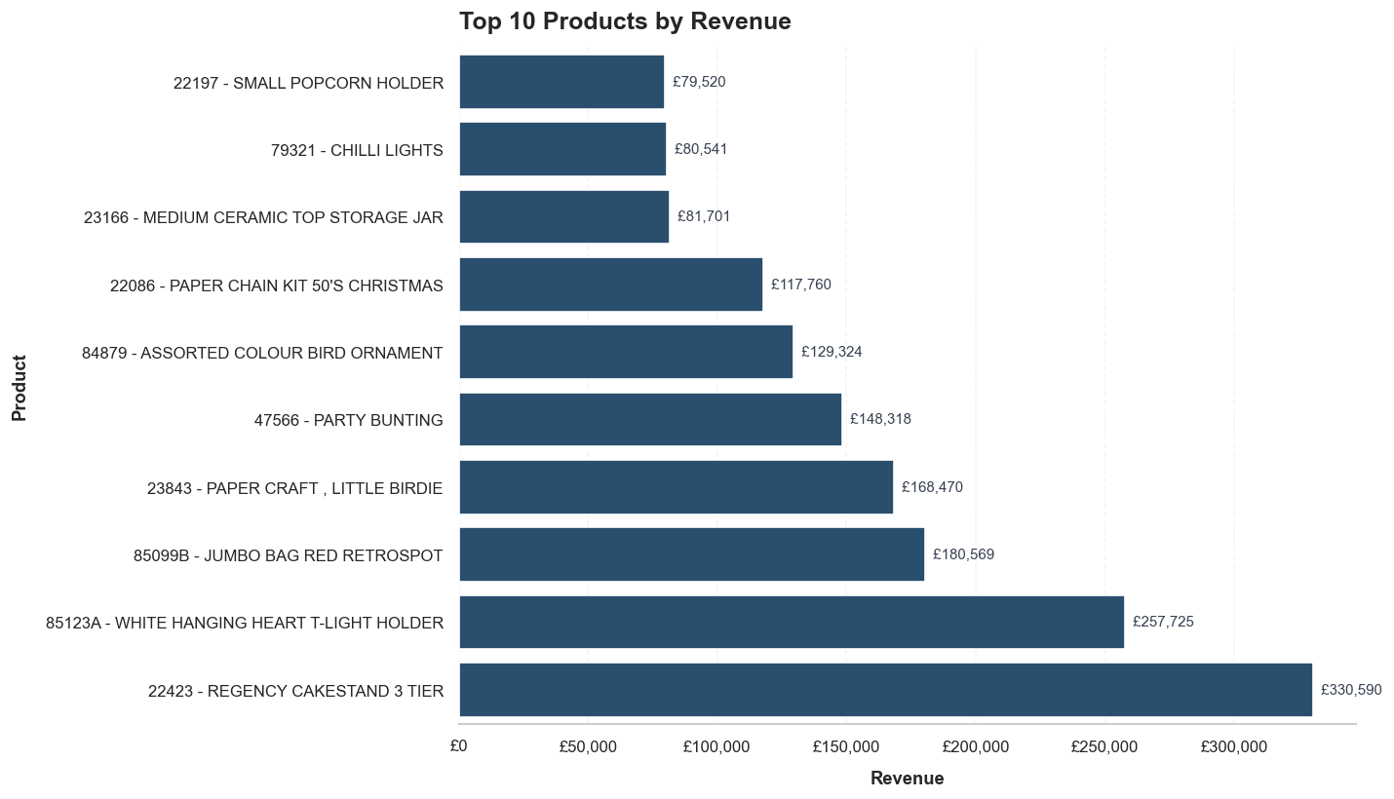
Product | Revenue (£)
22423 - REGENCY CAKESTAND 3 TIER | 330590.32
85123A - WHITE HANGING HEART T-LIGHT HOLDER | 257724.71
85099B - JUMBO BAG RED RETROSPOT | 180569.34
23843 - PAPER CRAFT , LITTLE BIRDIE | 168469.6
47566 - PARTY BUNTING | 148318.28
84879 - ASSORTED COLOUR BIRD ORNAMENT | 129324.49
22086 - PAPER CHAIN KIT 50'S CHRISTMAS | 117760.29
23166 - MEDIUM CERAMIC TOP STORAGE JAR | 81700.92
79321 - CHILLI LIGHTS | 80540.88
22197 - SMALL POPCORN HOLDER | 79520.2

top_products_units
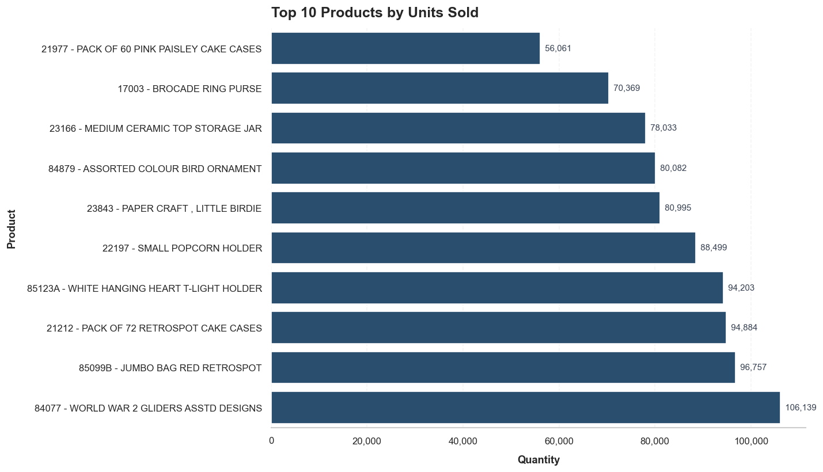
Product | Units Sold
84077 - WORLD WAR 2 GLIDERS ASSTD DESIGNS | 106139
85099B - JUMBO BAG RED RETROSPOT | 96757
21212 - PACK OF 72 RETROSPOT CAKE CASES | 94884
85123A - WHITE HANGING HEART T-LIGHT HOLDER | 94203
22197 - SMALL POPCORN HOLDER | 88499
23843 - PAPER CRAFT , LITTLE BIRDIE | 80995
84879 - ASSORTED COLOUR BIRD ORNAMENT | 80082
23166 - MEDIUM CERAMIC TOP STORAGE JAR | 78033
17003 - BROCADE RING PURSE | 70369
21977 - PACK OF 60 PINK PAISLEY CAKE CASES | 56061

abc_products_summary
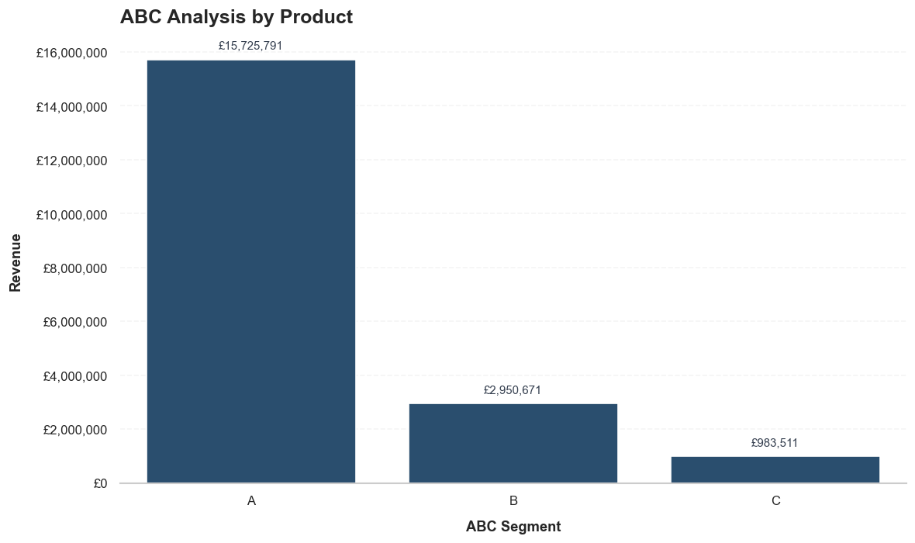
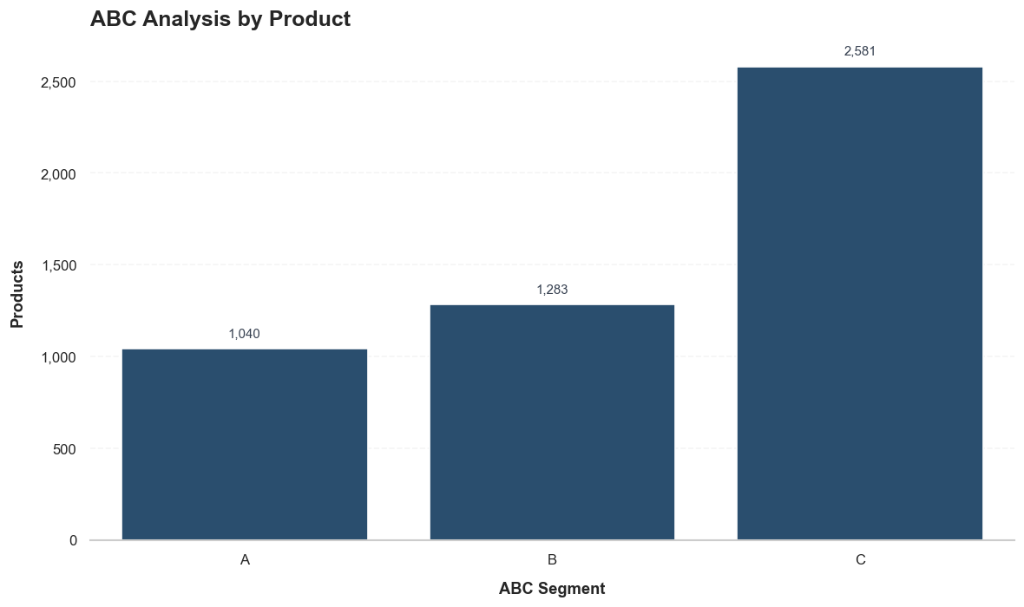
ABC Segment | Products | Revenue (£) | Revenue Share
A | 1040 | 15725791.34 | 0.79988875159
B | 1283 | 2950670.53 | 0.15008517636
C | 2581 | 983511.231 | 0.050026072058

abc_customers_summary

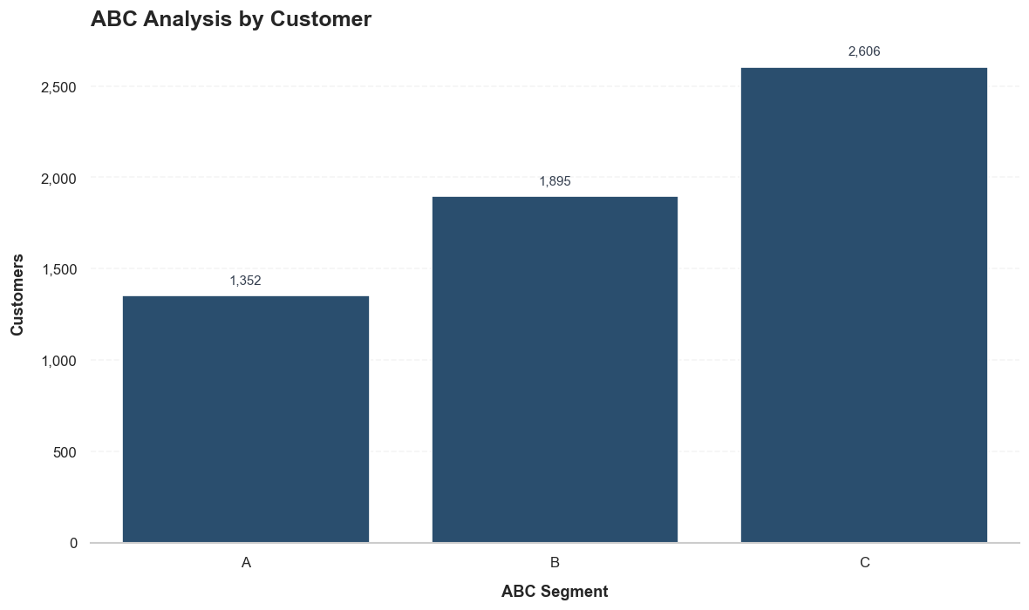
ABC Segment | Customers | Revenue (£) | Revenue Share
A | 1352 | 13665403.12 | 0.79996338384
B | 1895 | 2562793.201 | 0.1500241671
C | 2606 | 854339.45 | 0.050012449056

top_customers_revenue
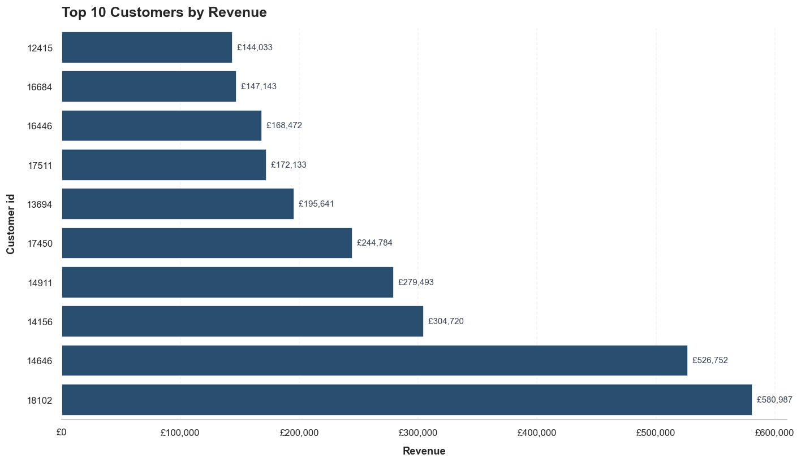
Customer ID | Revenue (£)
18102 | 580987.04
14646 | 526751.52
14156 | 304719.88
14911 | 279492.79
17450 | 244784.25
13694 | 195640.69
17511 | 172132.87
16446 | 168472.5
16684 | 147142.77
12415 | 144033.37

customer_concentration
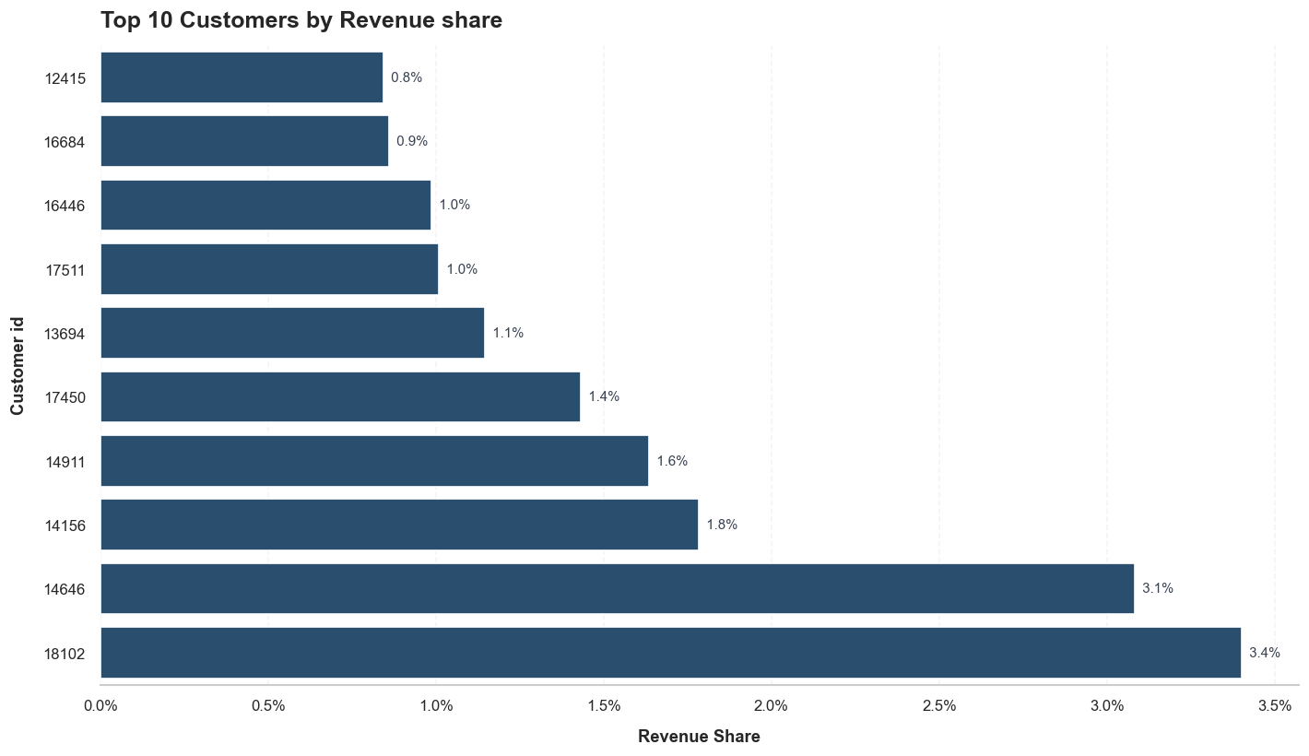
Customer ID | Revenue (£) | Revenue Share
18102 | 580987.04 | 0.034010585301
14646 | 526751.52 | 0.030835674929
14156 | 304719.88 | 0.017838094068
14911 | 279492.79 | 0.016361317415
17450 | 244784.25 | 0.014329503142
13694 | 195640.69 | 0.011452672637
17511 | 172132.87 | 0.010076540878
16446 | 168472.5 | 0.0098622653134
16684 | 147142.77 | 0.0086136374583
12415 | 144033.37 | 0.0084316153018

repeat_vs_onetime
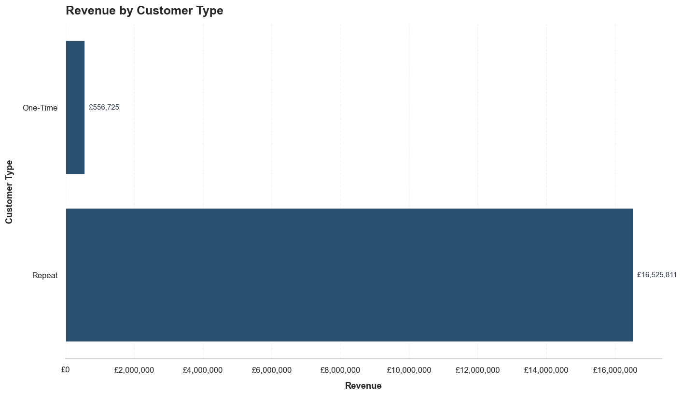
Customer Type | Customers | Orders | Revenue (£) | Customer Share (%) | Order Share (%) | Revenue Share (%) | Avg Revenue per Customer (£) | Avg Orders per Customer
One-Time | 1619 | 1619 | 556724.97 | 27.66 | 4.42 | 3.26 | 343.87 | 1
Repeat | 4234 | 35024 | 16525810.801 | 72.34 | 95.58 | 96.74 | 3903.12 | 8.27

