kubectl
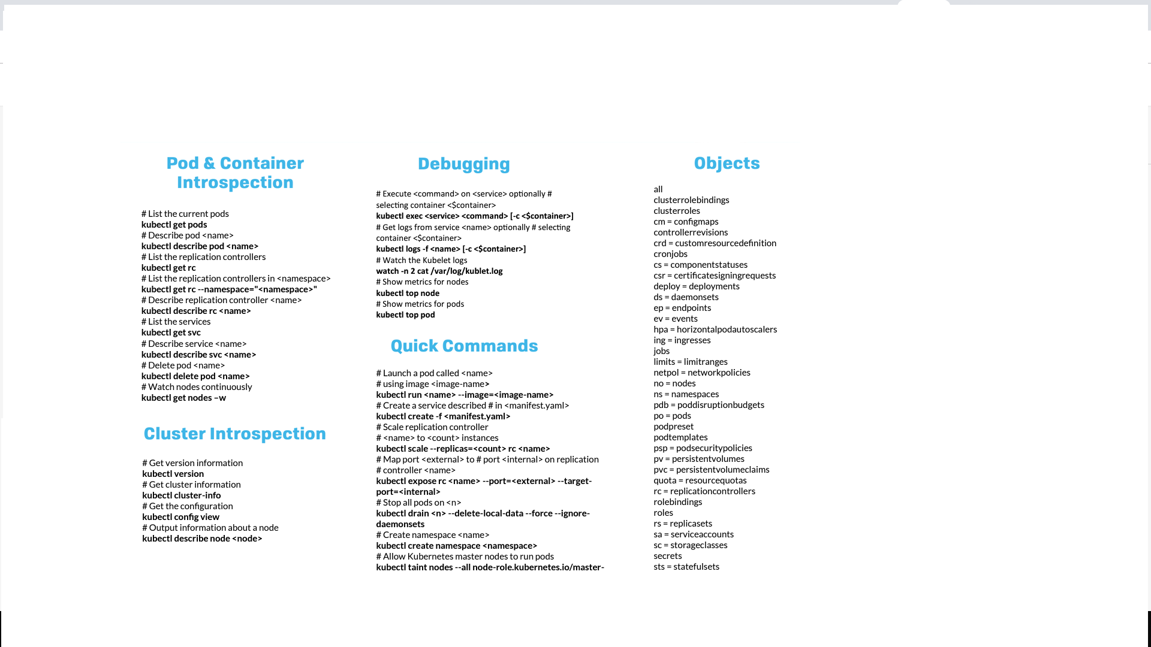

List current Pods | kubectl get pods
 | kubectl version
 | kubectl delete pod

