Inconsistencies_Examples
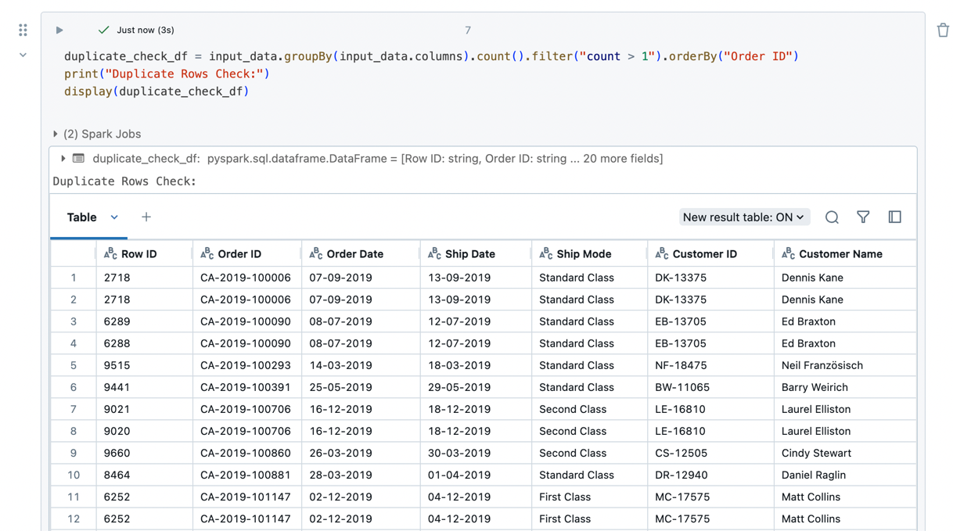
Inconsistency Type-Incorrect Datatype | Inconsistency Type-Inconsistent Column names

Inconsistency Type-Missing Values
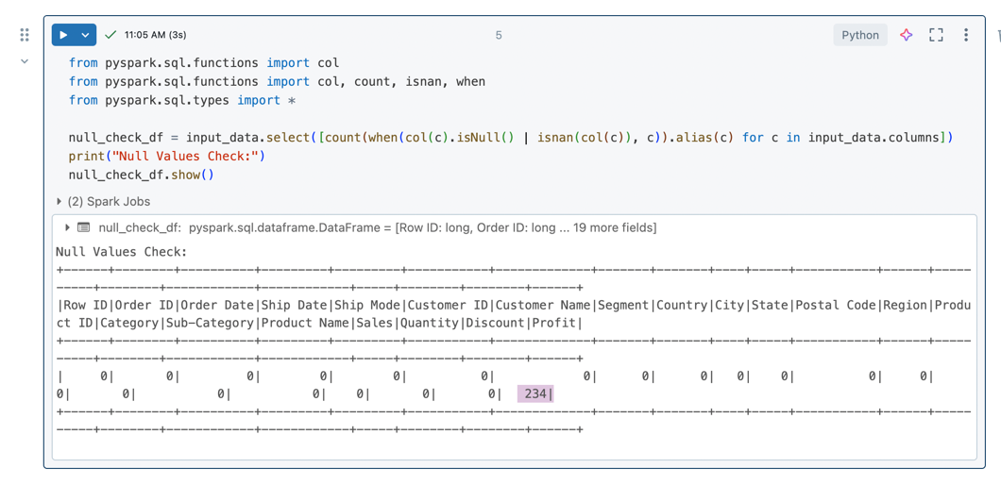

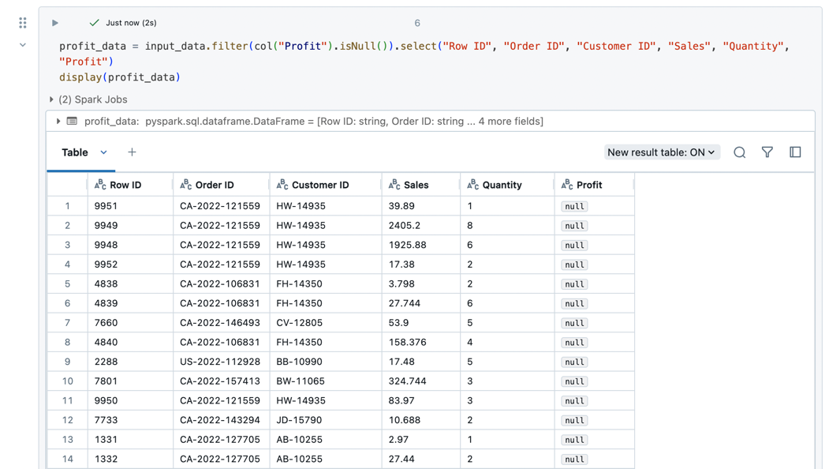

Inconsistency Type-Duplicate Entries

Quality_Report
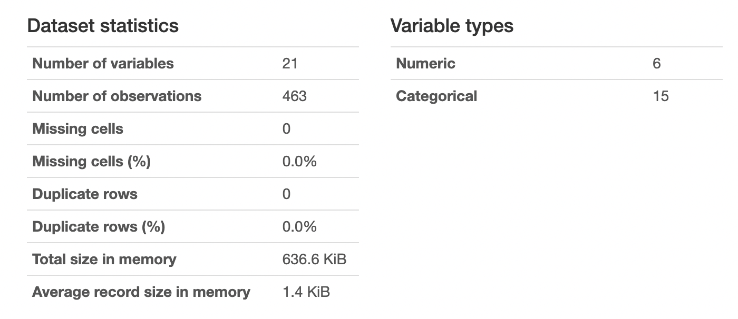
Data Quality statistics generated using Pandas Profiling for one of the Sept 2022

