Sheet1
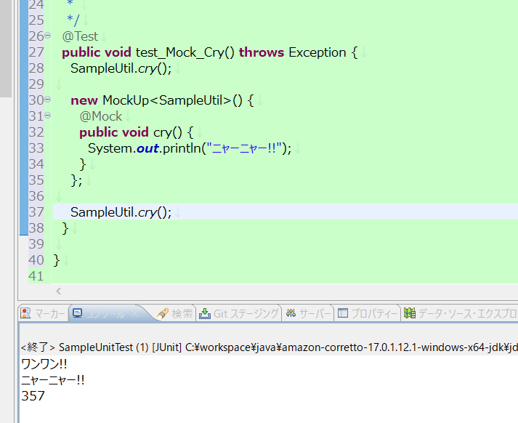
実験 | Java8でJmockitのテストコードを実行(Jmockit 1.19)

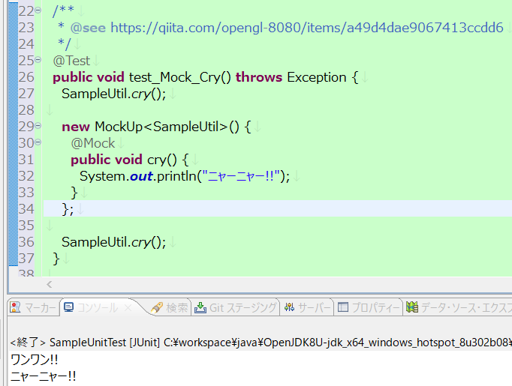

実験 | Java17でJmockitのテストコードを実行(Jmockit 1.19)

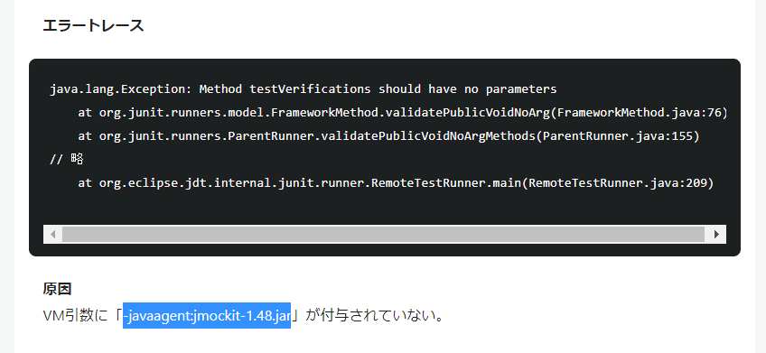

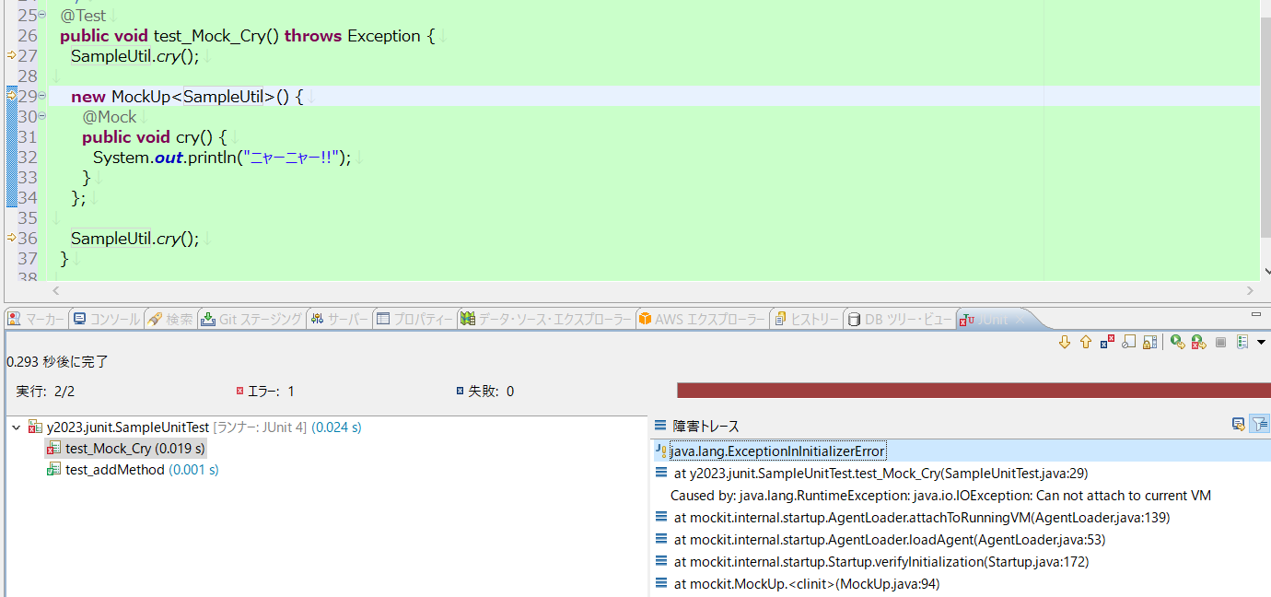

 |  |  |  | java.lang.ExceptionInInitializerError
 |  |  |  |  | at y2023.junit.SampleUnitTest.test_Mock_Cry(SampleUnitTest.java:29)
 |  |  |  |  | at java.base/jdk.internal.reflect.NativeMethodAccessorImpl.invoke0(Native Method)
 |  |  |  |  | at java.base/jdk.internal.reflect.NativeMethodAccessorImpl.invoke(NativeMethodAccessorImpl.java:77)
 |  |  |  |  | at java.base/jdk.internal.reflect.DelegatingMethodAccessorImpl.invoke(DelegatingMethodAccessorImpl.java:43)
 |  |  |  |  | at java.base/java.lang.reflect.Method.invoke(Method.java:568)
 |  |  |  |  | at org.junit.runners.model.FrameworkMethod$1.runReflectiveCall(FrameworkMethod.java:59)
 |  |  |  |  | at org.junit.internal.runners.model.ReflectiveCallable.run(ReflectiveCallable.java:12)
 |  |  |  |  | at org.junit.runners.model.FrameworkMethod.invokeExplosively(FrameworkMethod.java:56)
 |  |  |  |  | at org.junit.internal.runners.statements.InvokeMethod.evaluate(InvokeMethod.java:17)
 |  |  |  |  | at org.junit.runners.ParentRunner$3.evaluate(ParentRunner.java:306)
 |  |  |  |  | at org.junit.runners.BlockJUnit4ClassRunner$1.evaluate(BlockJUnit4ClassRunner.java:100)
 |  |  |  |  | at org.junit.runners.ParentRunner.runLeaf(ParentRunner.java:366)
 |  |  |  |  | at org.junit.runners.BlockJUnit4ClassRunner.runChild(BlockJUnit4ClassRunner.java:103)
 |  |  |  |  | at org.junit.runners.BlockJUnit4ClassRunner.runChild(BlockJUnit4ClassRunner.java:63)
 |  |  |  |  | at org.junit.runners.ParentRunner$4.run(ParentRunner.java:331)
 |  |  |  |  | at org.junit.runners.ParentRunner$1.schedule(ParentRunner.java:79)
 |  |  |  |  | at org.junit.runners.ParentRunner.runChildren(ParentRunner.java:329)
 |  |  |  |  | at org.junit.runners.ParentRunner.access$100(ParentRunner.java:66)
 |  |  |  |  | at org.junit.runners.ParentRunner$2.evaluate(ParentRunner.java:293)
 |  |  |  |  | at org.junit.runners.ParentRunner$3.evaluate(ParentRunner.java:306)

実験 | Java17でJmockitのテストコードを実行(Jmockit 1.19 かつ オプション指定)

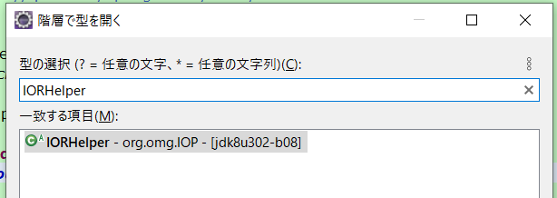

 |  | Exception in thread "main" java.lang.reflect.InvocationTargetException
 |  |  | at java.base/jdk.internal.reflect.NativeMethodAccessorImpl.invoke0(Native Method)
 |  |  | at java.base/jdk.internal.reflect.NativeMethodAccessorImpl.invoke(NativeMethodAccessorImpl.java:77)
 |  |  | at java.base/jdk.internal.reflect.DelegatingMethodAccessorImpl.invoke(DelegatingMethodAccessorImpl.java:43)
 |  |  | at java.base/java.lang.reflect.Method.invoke(Method.java:568)
 |  |  | at java.instrument/sun.instrument.InstrumentationImpl.loadClassAndStartAgent(InstrumentationImpl.java:491)
 |  |  | at java.instrument/sun.instrument.InstrumentationImpl.loadClassAndCallPremain(InstrumentationImpl.java:503)
 |  | Caused by: java.lang.NoClassDefFoundError: org/omg/IOP/IORHelper
 |  |  | at mockit.internal.startup.MockingBridgeFields.createSyntheticFieldsInJREClassToHoldMockingBridges(MockingBridgeFields.java:32)
 |  |  | at mockit.internal.startup.Startup.initialize(Startup.java:56)
 |  |  | at mockit.internal.startup.Startup.premain(Startup.java:48)
 |  |  | ... 6 more
 |  | Caused by: java.lang.ClassNotFoundException: org.omg.IOP.IORHelper
 |  |  | at java.base/jdk.internal.loader.BuiltinClassLoader.loadClass(BuiltinClassLoader.java:641)
 |  |  | at java.base/jdk.internal.loader.ClassLoaders$AppClassLoader.loadClass(ClassLoaders.java:188)
 |  |  | at java.base/java.lang.ClassLoader.loadClass(ClassLoader.java:520)
 |  |  | ... 9 more
 |  | *** java.lang.instrument ASSERTION FAILED ***: "result" with message agent load/premain call failed at c:\wsjdk\corretto17src\installers\windows\zip\corretto-build\buildroot\src\java.instrument\share\native\libinstrument\JPLISAgent.c line: 422
 |  | FATAL ERROR in native method: processing of -javaagent failed, processJavaStart failed

実験 | Java17でJmockitのテストコードを実行(Jmockit 1.49 かつ オプション指定)

