ARFISYANA INDAH
KLM. ARFISYANA INDAH
BOAT SCHEDULE 2025
Join with us and explore the beauty of Komodo National Park
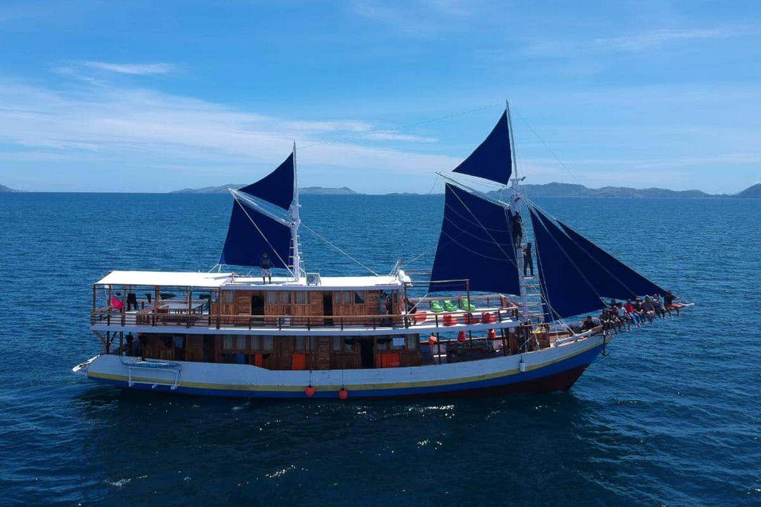
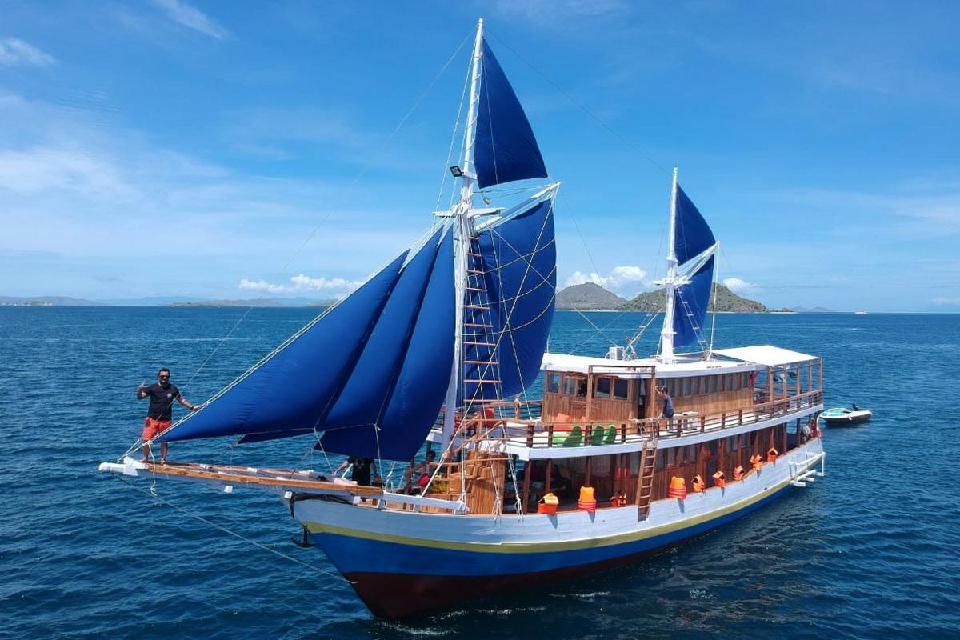
 |  |  |  |  | COLOR DESCRIPTION:
 |  |  |  |  | TENTATIVE BOOKING
 |  |  |  |  | PRIVATE CHARTER
 |  |  |  |  | OPEN / SHARE TRIP
 |  |  |  |  | M A I N T E N A N C E

January 2025 |  |  |  |  |  |  | February 2025
Sun | Mon | Tue | Wed | Thu | Fri | Sat | Sun | Mon | Tue | Wed | Thu | Fri | Sat
29 | 30 | 31 | 1 | 2 | 3 | 4 |  |  |  |  |  |  | 1
5 | 6 | 7 | 8 | 9 | 10 | 11 | 2 | 3 | 4 | 5 | 6 | 7 | 8
12 | 13 | 14 | 15 | 16 | 17 | 18 | 9 | 10 | 11 | 12 | 13 | 14 | 15
19 | 20 | 21 | 22 | 23 | 24 | 25 | 16 | 17 | 18 | 19 | 20 | 21 | 22
26 | 27 | 28 | 29 | 30 | 31 |  | 23 | 24 | 25 | 26 | 27 | 28

March 2025 |  |  |  |  |  |  | 2025-04-01
Sun | Mon | Tue | Wed | Thu | Fri | Sat | Sun | Mon | Tue | Wed | Thu | Fri | Sat
 |  |  |  |  |  | 1 |  |  | 1 | 2 | 3 | 4 | 5
2 | 3 | 4 | 5 | 6 | 7 | 8 | 6 | 7 | 8 | 9 | 10 | 11 | 12
9 | 10 | 11 | 12 | 13 | 14 | 15 | 13 | 14 | 15 | 16 | 17 | 18 | 19
16 | 17 | 18 | 19 | 20 | 21 | 22 | 20 | 21 | 22 | 23 | 24 | 25 | 26
23 | 24 | 25 | 26 | 27 | 28 | 29 | 27 | 28 | 29 | 30
30 | 31

May 2025 |  |  |  |  |  |  | June 2025
Sun | Mon | Tue | Wed | Thu | Fri | Sat | Sun | Mon | Tue | Wed | Thu | Fri | Sat
 |  |  |  | 1 | 2 | 3 | 1 | 2 | 3 | 4 | 5 | 6 | 7
4 | 5 | 6 | 7 | 8 | 9 | 10 | 8 | 9 | 10 | 11 | 12 | 13 | 14
11 | 12 | 13 | 14 | 15 | 16 | 17 | 15 | 16 | 17 | 18 | 19 | 20 | 21
18 | 19 | 20 | 21 | 22 | 23 | 24 | 22 | 23 | 24 | 25 | 26 | 27 | 28
25 | 26 | 27 | 28 | 29 | 30 | 31 | 29 | 30

July 2025 |  |  |  |  |  |  | August 2025
Sun | Mon | Tue | Wed | Thu | Fri | Sat | Sun | Mon | Tue | Wed | Thu | Fri | Sat
 |  | 1 | 2 | 3 | 4 | 5 |  |  |  |  |  | 1 | 2
6 | 7 | 8 | 9 | 10 | 11 | 12 | 3 | 4 | 5 | 6 | 7 | 8 | 9
13 | 14 | 15 | 16 | 17 | 18 | 19 | 10 | 11 | 12 | 13 | 14 | 15 | 16
20 | 21 | 22 | 23 | 24 | 25 | 26 | 17 | 18 | 19 | 20 | 21 | 22 | 23
27 | 28 | 29 | 30 | 31 |  |  | 24 | 25 | 26 | 27 | 28 | 29 | 30
 |  |  |  |  |  |  | 31

2025-09-01 |  |  |  |  |  |  | October 2025
Sun | Mon | Tue | Wed | Thu | Fri | Sat | Sun | Mon | Tue | Wed | Thu | Fri | Sat
 | 1 | 2 | 3 | 4 | 5 | 6 |  |  |  | 1 | 2 | 3 | 4
7 | 8 | 9 | 10 | 11 | 12 | 13 | 5 | 6 | 7 | 8 | 9 | 10 | 11
14 | 15 | 16 | 17 | 18 | 19 | 20 | 12 | 13 | 14 | 15 | 16 | 17 | 18
21 | 22 | 23 | 24 | 25 | 26 | 27 | 19 | 20 | 21 | 22 | 23 | 24 | 25
28 | 29 | 30 |  |  |  |  | 26 | 27 | 28 | 29 | 30 | 31

2025-11-01 |  |  |  |  |  |  | December 2025
Sun | Mon | Tue | Wed | Thu | Fri | Sat | Sun | Mon | Tue | Wed | Thu | Fri | Sat
 |  |  |  |  |  | 1 |  | 1 | 2 | 3 | 4 | 5 | 6
2 | 3 | 4 | 5 | 6 | 7 | 8 | 7 | 8 | 9 | 10 | 11 | 12 | 13
9 | 10 | 11 | 12 | 13 | 14 | 15 | 14 | 15 | 16 | 17 | 18 | 19 | 20
16 | 17 | 18 | 19 | 20 | 21 | 22 | 21 | 22 | 23 | 24 | 25 | 26 | 27
23 | 24 | 25 | 26 | 27 | 28 | 29 | 28 | 29 | 30 | 31
30

SURYA INDAH
KLM. SURYA INDAH
BOAT SCHEDULE 2025
Join with us and explore the beauty of Komodo National Park
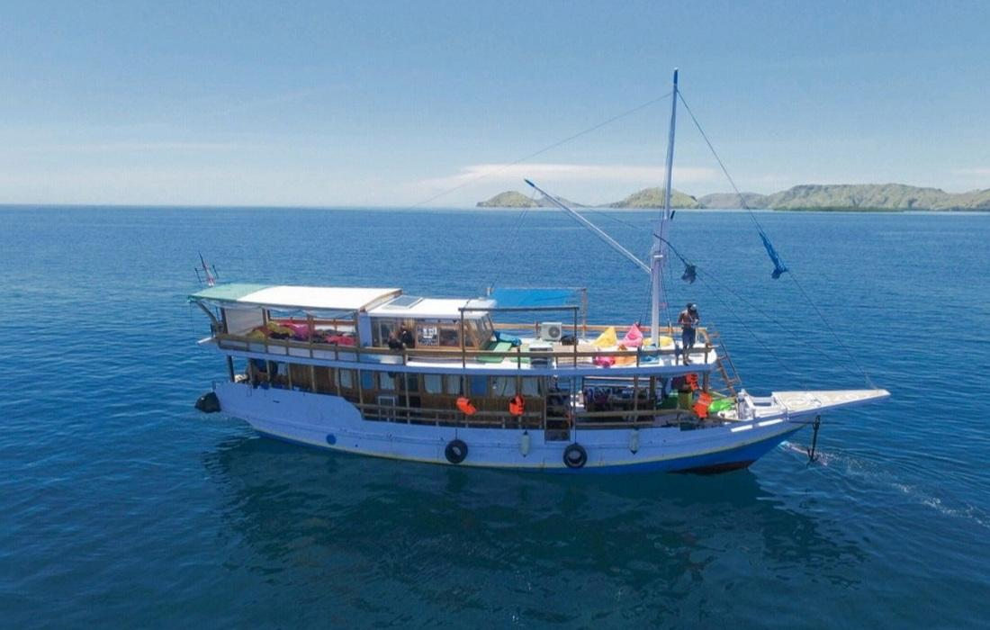
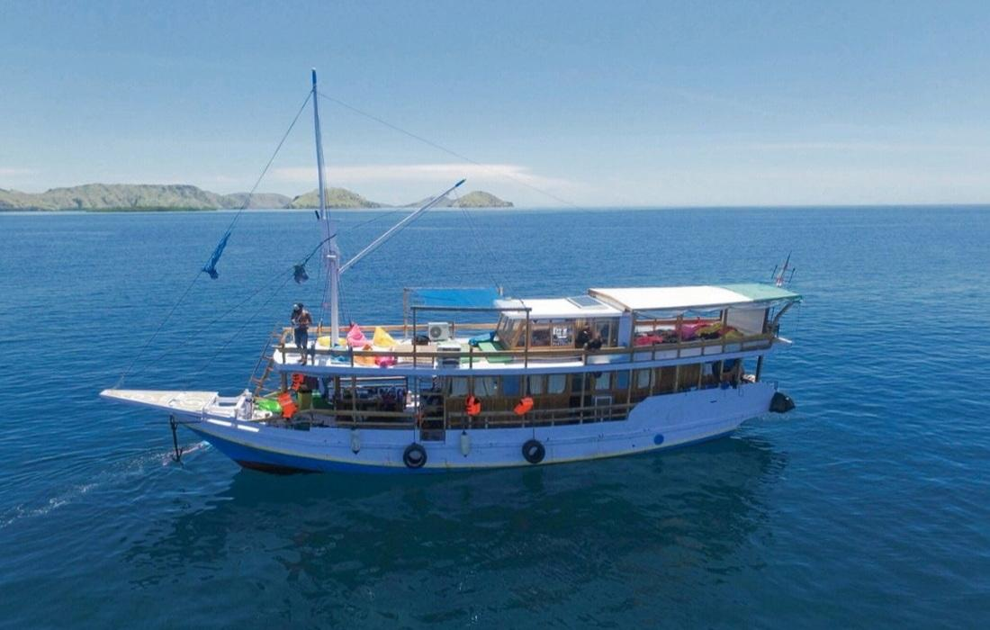
 |  |  |  |  | COLOR DESCRIPTION:
 |  |  |  |  | TENTATIVE BOOKING
 |  |  |  |  | PRIVATE CHARTER
 |  |  |  |  | OPEN / SHARE TRIP
 |  |  |  |  | M A I N T E N A N C E

January 2025 |  |  |  |  |  |  | February 2025
Sun | Mon | Tue | Wed | Thu | Fri | Sat | Sun | Mon | Tue | Wed | Thu | Fri | Sat
29 | 30 | 31 | 1 | 2 | 3 | 4 |  |  |  |  |  |  | 1
5 | 6 | 7 | 8 | 9 | 10 | 11 | 2 | 3 | 4 | 5 | 6 | 7 | 8
12 | 13 | 14 | 15 | 16 | 17 | 18 | 9 | 10 | 11 | 12 | 13 | 14 | 15
19 | 20 | 21 | 22 | 23 | 24 | 25 | 16 | 17 | 18 | 19 | 20 | 21 | 22
26 | 27 | 28 | 29 | 30 | 31 |  | 23 | 24 | 25 | 26 | 27 | 28

March 2025 |  |  |  |  |  |  | 2025-04-01
Sun | Mon | Tue | Wed | Thu | Fri | Sat | Sun | Mon | Tue | Wed | Thu | Fri | Sat
 |  |  |  |  |  | 1 |  |  | 1 | 2 | 3 | 4 | 5
2 | 3 | 4 | 5 | 6 | 7 | 8 | 6 | 7 | 8 | 9 | 10 | 11 | 12
9 | 10 | 11 | 12 | 13 | 14 | 15 | 13 | 14 | 15 | 16 | 17 | 18 | 19
16 | 17 | 18 | 19 | 20 | 21 | 22 | 20 | 21 | 22 | 23 | 24 | 25 | 26
23 | 24 | 25 | 26 | 27 | 28 | 29 | 27 | 28 | 29 | 30
30 | 31

May 2025 |  |  |  |  |  |  | June 2025
Sun | Mon | Tue | Wed | Thu | Fri | Sat | Sun | Mon | Tue | Wed | Thu | Fri | Sat
 |  |  |  | 1 | 2 | 3 | 1 | 2 | 3 | 4 | 5 | 6 | 7
4 | 5 | 6 | 7 | 8 | 9 | 10 | 8 | 9 | 10 | 11 | 12 | 13 | 14
11 | 12 | 13 | 14 | 15 | 16 | 17 | 15 | 16 | 17 | 18 | 19 | 20 | 21
18 | 19 | 20 | 21 | 22 | 23 | 24 | 22 | 23 | 24 | 25 | 26 | 27 | 28
25 | 26 | 27 | 28 | 29 | 30 | 31 | 29 | 30

July 2025 |  |  |  |  |  |  | August 2025
Sun | Mon | Tue | Wed | Thu | Fri | Sat | Sun | Mon | Tue | Wed | Thu | Fri | Sat
 |  | 1 | 2 | 3 | 4 | 5 |  |  |  |  |  | 1 | 2
6 | 7 | 8 | 9 | 10 | 11 | 12 | 3 | 4 | 5 | 6 | 7 | 8 | 9
13 | 14 | 15 | 16 | 17 | 18 | 19 | 10 | 11 | 12 | 13 | 14 | 15 | 16
20 | 21 | 22 | 23 | 24 | 25 | 26 | 17 | 18 | 19 | 20 | 21 | 22 | 23
27 | 28 | 29 | 30 | 31 |  |  | 24 | 25 | 26 | 27 | 28 | 29 | 30
 |  |  |  |  |  |  | 31

2025-09-01 |  |  |  |  |  |  | October 2025
Sun | Mon | Tue | Wed | Thu | Fri | Sat | Sun | Mon | Tue | Wed | Thu | Fri | Sat
 | 1 | 2 | 3 | 4 | 5 | 6 |  |  |  | 1 | 2 | 3 | 4
7 | 8 | 9 | 10 | 11 | 12 | 13 | 5 | 6 | 7 | 8 | 9 | 10 | 11
14 | 15 | 16 | 17 | 18 | 19 | 20 | 12 | 13 | 14 | 15 | 16 | 17 | 18
21 | 22 | 23 | 24 | 25 | 26 | 27 | 19 | 20 | 21 | 22 | 23 | 24 | 25
28 | 29 | 30 |  |  |  |  | 26 | 27 | 28 | 29 | 30 | 31

November 0202 |  |  |  |  |  |  | December 2025
Sun | Mon | Tue | Wed | Thu | Fri | Sat | Sun | Mon | Tue | Wed | Thu | Fri | Sat
 |  |  |  |  |  | 1 |  | 1 | 2 | 3 | 4 | 5 | 6
2 | 3 | 4 | 5 | 6 | 7 | 8 | 7 | 8 | 9 | 10 | 11 | 12 | 13
9 | 10 | 11 | 12 | 13 | 14 | 15 | 14 | 15 | 16 | 17 | 18 | 19 | 20
16 | 17 | 18 | 19 | 20 | 21 | 22 | 21 | 22 | 23 | 24 | 25 | 26 | 27
23 | 24 | 25 | 26 | 27 | 28 | 29 | 28 | 29 | 30 | 31
30

