sprint 1
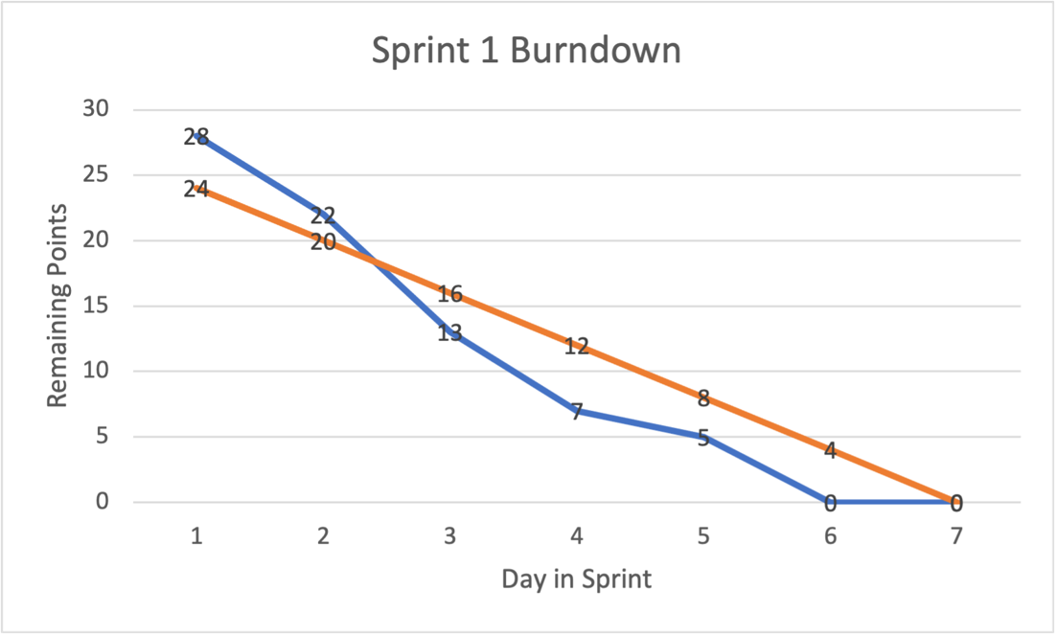
Backlog Item | Task | Task Owner | Initial Estimate (Total Sprint Hours = 7 x4) | D1 | D2 | D3 | D4 | D5 | D6 | D7
 |  |  |  | 2021-10-07 | 2021-10-08 | 2021-10-09 | 2021-10-10 | 2021-10-11 | 2021-10-12 | 2021-10-13

 |  |  | 28
Requirements and setup | initial code base setup | Akash Kuratkar | 7 | 7 | 5 | 3 | 2 | 1 | 0 | 0
 | jenkin setup | Veena Mamidi | 7 | 7 | 6 | 3 | 1 | 1 | 0 | 0
 | Architecture Diagram | sai sravani chalasani | 7 | 7 | 5 | 4 | 2 | 2 | 0 | 0
 | MYSQL setup on aws | Sherin Thlakulathil Elias | 7 | 7 | 6 | 3 | 2 | 1 | 0 | 0
 |  | Total | 28 | 28 | 22 | 13 | 7 | 5 | 0 | 0
Team: |  |  |  | 6 | 5 | 4 | 3 | 2 | 1 | 0
Akash Kuratkar | 7 hours / Week
Sherin Thlakulathil Elias | 7 hours / Week
Veena Mamidi | 7 hours / Week
Sai Sravani Chalasani | 7 hours / Week

Total Available Hours During Sprint: | 28

sprint 2
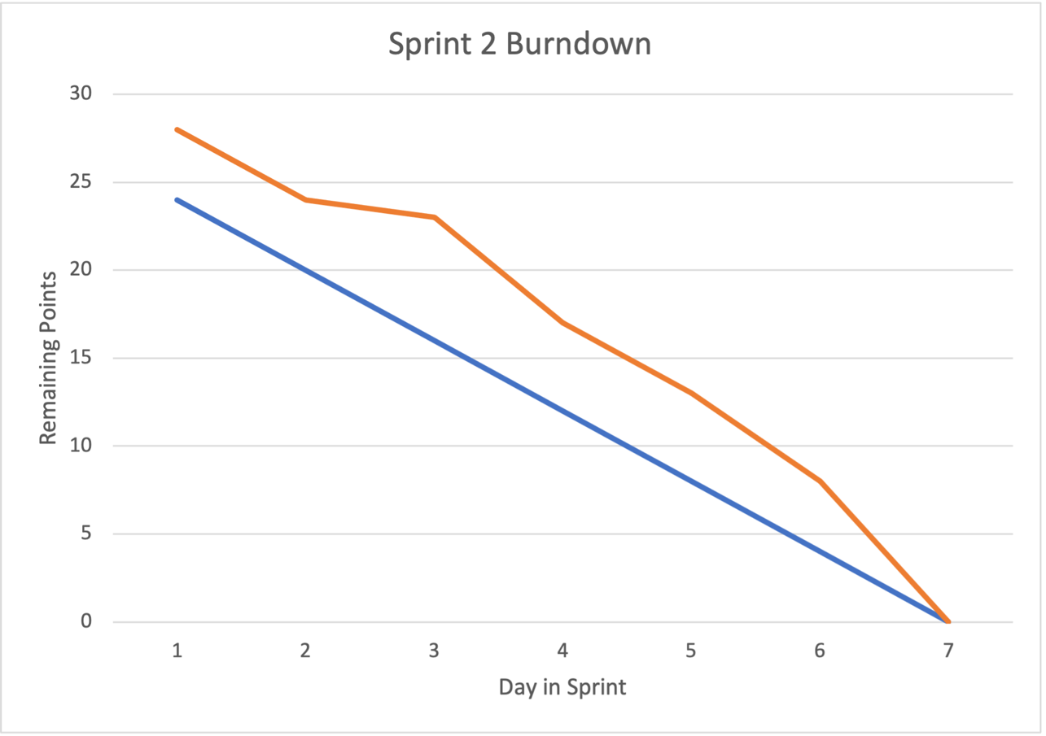
Backlog Item | Task | Task Owner | Initial Estimate (Total Sprint Hours = 7 x4) | D1 | D2 | D3 | D4 | D5 | D6 | D7
 |  |  |  | 2021-10-07 | 2021-10-08 | 2021-10-09 | 2021-10-10 | 2021-10-11 | 2021-10-12 | 2021-10-13

 |  |  | 28
setup frontend code and Api | Passenger/Payment Details - UI | Akash Kuratkar | 7 | 7 | 5 | 3 | 2 | 1 | 1 | 0
 | Profile - UI | Veena Mamidi | 7 | 7 | 6 | 4 | 2 | 1 | 1 | 0
 | Login-ui | sai sravani chalasani | 7 | 7 | 5 | 4 | 3 | 2 | 1 | 0
 | DashBoard - UI | Sherin Thlakulathil Elias | 7 | 7 | 5 | 4 | 3 | 2 | 1 | 0
 |  | Total | 28 | 28 | 24 | 23 | 17 | 13 | 8 | 0
Team:
Akash Kuratkar | 7 hours / Week
Sherin Thlakulathil Elias | 7 hours / Week
Veena Mamidi | 7 hours / Week
Sai Sravani Chalasani | 7 hours / Week

Total Available Hours During Sprint: | 28

sprint3
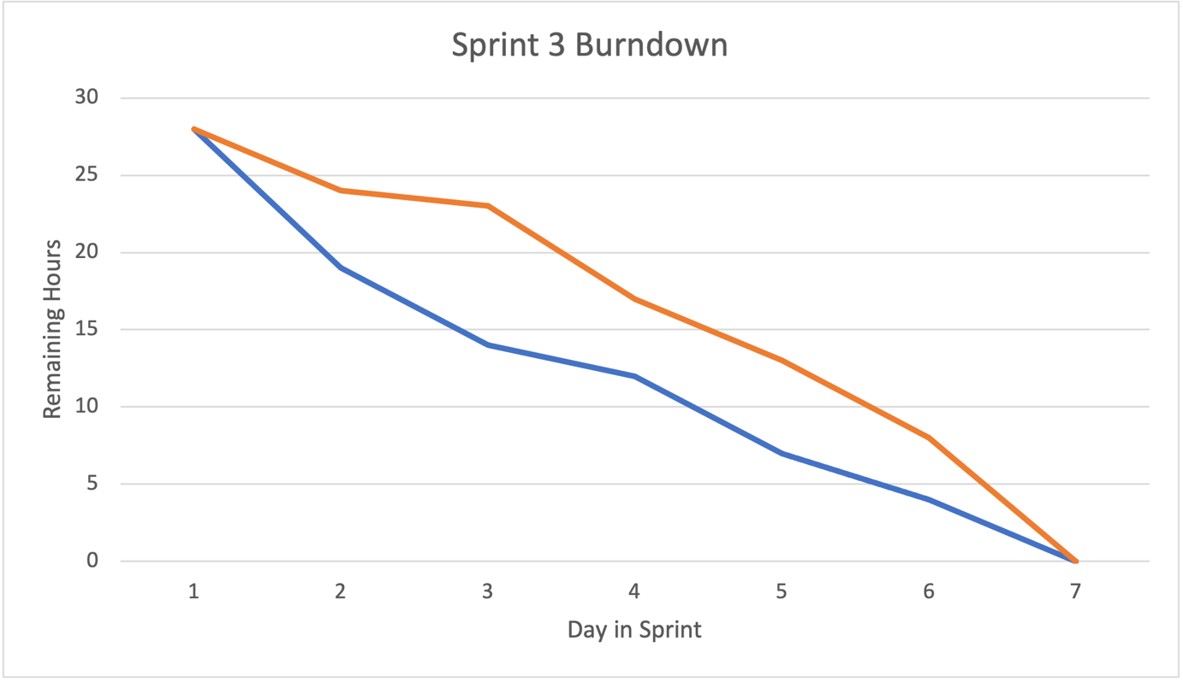
Backlog Item | Task | Task Owner | Initial Estimate (Total Sprint Hours = 7 x4) | D1 | D2 | D3 | D4 | D5 | D6 | D7
 |  |  |  | 2021-10-07 | 2021-10-08 | 2021-10-09 | 2021-10-10 | 2021-10-11 | 2021-10-12 | 2021-10-13

 |  |  | 28
setup frontend code and Api | UI Design | Akash Kuratkar | 7 | 7 | 5 | 4 | 4 | 2 | 1 | 0
 | Profile - Brainstorming the components | Veena Mamidi | 7 | 7 | 4 | 5 | 4 | 2 | 1 | 0
 | Login - Backend | sai sravani chalasani | 7 | 7 | 5 | 2 | 2 | 2 | 1 | 0
 | DashBoard - Backend | Sherin Thlakulathil Elias | 7 | 7 | 5 | 3 | 2 | 1 | 1 | 0
 |  | Total | 28 | 28 | 19 | 14 | 12 | 7 | 4 | 0
Team:
Akash Kuratkar | 7 hours / Week
Sherin Thlakulathil Elias | 7 hours / Week
Veena Mamidi | 7 hours / Week
Sai Sravani Chalasani | 7 hours / Week

Total Available Hours During Sprint: | 28

sprint4
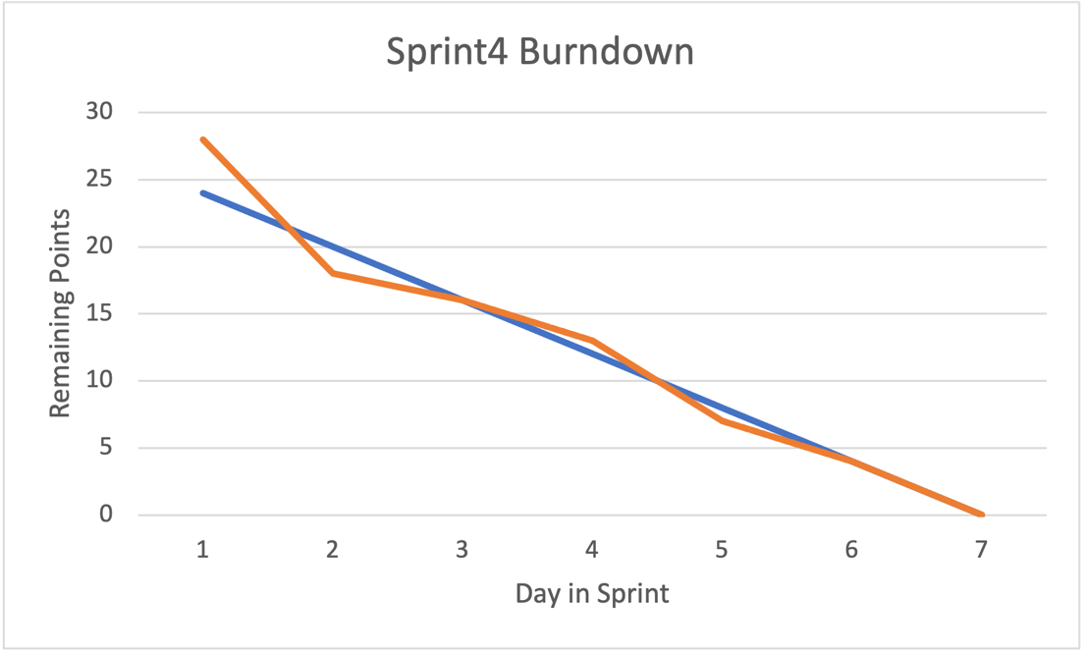
Backlog Item | Task | Task Owner | Initial Estimate (Total Sprint Hours = 7 x4) | D1 | D2 | D3 | D4 | D5 | D6 | D7
 |  |  |  | 2021-10-07 | 2021-10-08 | 2021-10-09 | 2021-10-10 | 2021-10-11 | 2021-10-12 | 2021-10-13

 |  |  | 28
development frontend and api | Transaction-Payment Web Services | Akash Kuratkar | 7 | 7 | 5 | 4 | 4 | 2 | 1 | 0
 | user Web Services | Veena Mamidi | 7 | 7 | 4 | 5 | 4 | 2 | 1 | 0
 | signup backend | sai sravani chalasani | 7 | 7 | 6 | 4 | 3 | 2 | 1 | 0
 | Flight Web Services | Sherin Thlakulathil Elias | 7 | 7 | 3 | 3 | 2 | 1 | 1 | 0
 |  | Total | 28 | 28 | 18 | 16 | 13 | 7 | 4 | 0
Team:
Akash Kuratkar | 7 hours / Week
Sherin Thlakulathil Elias | 7 hours / Week
Veena Mamidi | 7 hours / Week
Sai Sravani Chalasani | 7 hours / Week

Total Available Hours During Sprint: | 28

sprint5
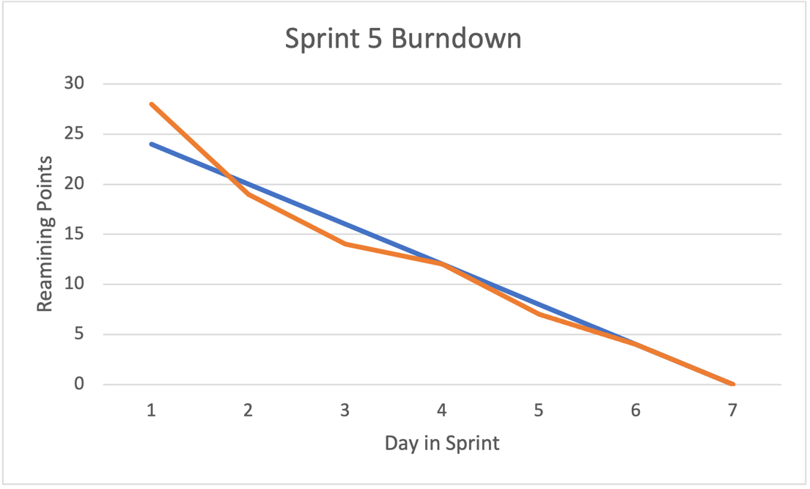
Backlog Item | Task | Task Owner | Initial Estimate (Total Sprint Hours = 7 x4) | D1 | D2 | D3 | D4 | D5 | D6 | D7
 |  |  |  | 2021-10-07 | 2021-10-08 | 2021-10-09 | 2021-10-10 | 2021-10-11 | 2021-10-12 | 2021-10-13

 |  |  | 28
development frontend and api | Mileage Rewards Account - UI | Akash Kuratkar | 7 | 7 | 5 | 4 | 4 | 2 | 1 | 0
 | Booking - Backend | Veena Mamidi | 7 | 7 | 4 | 5 | 4 | 2 | 1 | 0
 | SignUp Web Services | sai sravani chalasani | 7 | 7 | 5 | 2 | 2 | 2 | 1 | 0
 | Search Flights- UI | Sherin Thlakulathil Elias | 7 | 7 | 5 | 3 | 2 | 1 | 1 | 0
 |  | Total | 28 | 28 | 19 | 14 | 12 | 7 | 4 | 0
Team:
Akash Kuratkar | 7 hours / Week
Sherin Thlakulathil Elias | 7 hours / Week
Veena Mamidi | 7 hours / Week
Sai Sravani Chalasani | 7 hours / Week

Total Available Hours During Sprint: | 28

sprint6
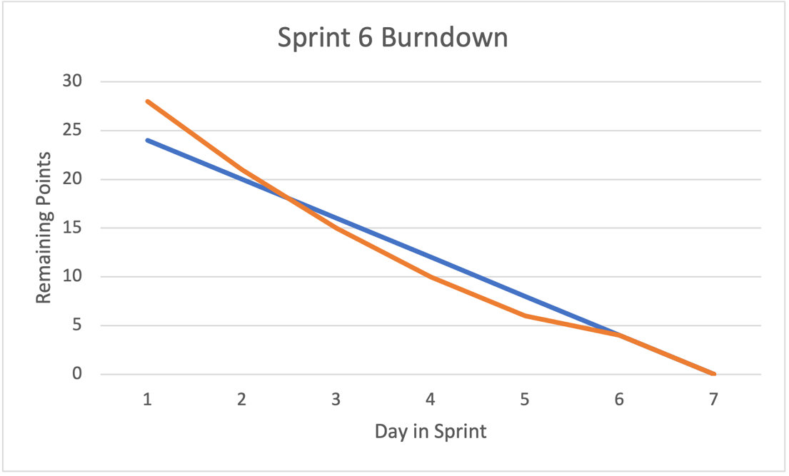
Backlog Item | Task | Task Owner | Initial Estimate (Total Sprint Hours = 7 x4) | D1 | D2 | D3 | D4 | D5 | D6 | D7
 |  |  |  | 2021-10-07 | 2021-10-08 | 2021-10-09 | 2021-10-10 | 2021-10-11 | 2021-10-12 | 2021-10-13

 |  |  | 28
development frontend and api | Signup - ui | Akash Kuratkar | 7 | 7 | 5 | 3 | 2 | 1 | 1 | 0
 | Mileage Rewards Account - Backend | Veena Mamidi | 7 | 7 | 6 | 4 | 2 | 1 | 1 | 0
 | Signup - Backend | sai sravani chalasani | 7 | 7 | 5 | 4 | 3 | 2 | 1 | 0
 | Add passenger, payment and booking workflow | Sherin Thlakulathil Elias | 7 | 7 | 5 | 4 | 3 | 2 | 1 | 0
 |  | Total | 28 | 28 | 21 | 15 | 10 | 6 | 4 | 0
Team:
Akash Kuratkar | 7 hours / Week
Sherin Thlakulathil Elias | 7 hours / Week
Veena Mamidi | 7 hours / Week
Sai Sravani Chalasani | 7 hours / Week

Total Available Hours During Sprint: | 28

sprint7
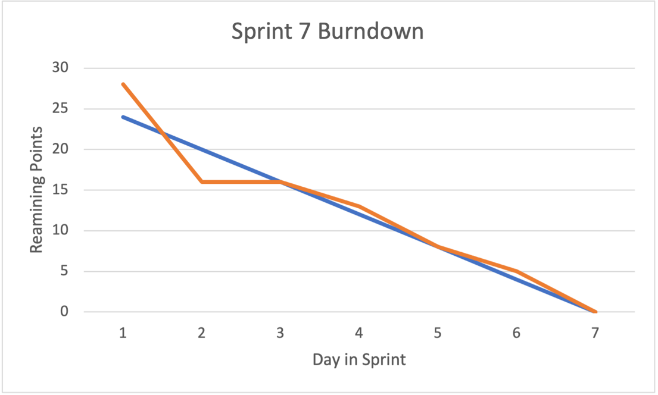
Backlog Item | Task | Task Owner | Initial Estimate (Total Sprint Hours = 7 x4) | D1 | D2 | D3 | D4 | D5 | D6 | D7
 |  |  |  | 2021-10-07 | 2021-10-08 | 2021-10-09 | 2021-10-10 | 2021-10-11 | 2021-10-12 | 2021-10-13

 |  |  | 28
development frontend and api | Add Flight Module Employee | Akash Kuratkar | 7 | 7 | 6 | 6 | 5 | 3 | 2 | 0
 | Booking History | Veena Mamidi | 7 | 7 | 5 | 5 | 4 | 2 | 1 | 0
 | SignUp Web Services | sai sravani chalasani | 7 | 7 | 2 | 2 | 2 | 2 | 1 | 0
 | Add Passenger Module | Sherin Thlakulathil Elias | 7 | 7 | 3 | 3 | 2 | 1 | 1 | 0
 |  | Total | 28 | 28 | 16 | 16 | 13 | 8 | 5 | 0
Team:
Akash Kuratkar | 7 hours / Week
Sherin Thlakulathil Elias | 7 hours / Week
Veena Mamidi | 7 hours / Week
Sai Sravani Chalasani | 7 hours / Week

Total Available Hours During Sprint: | 28

sprint8
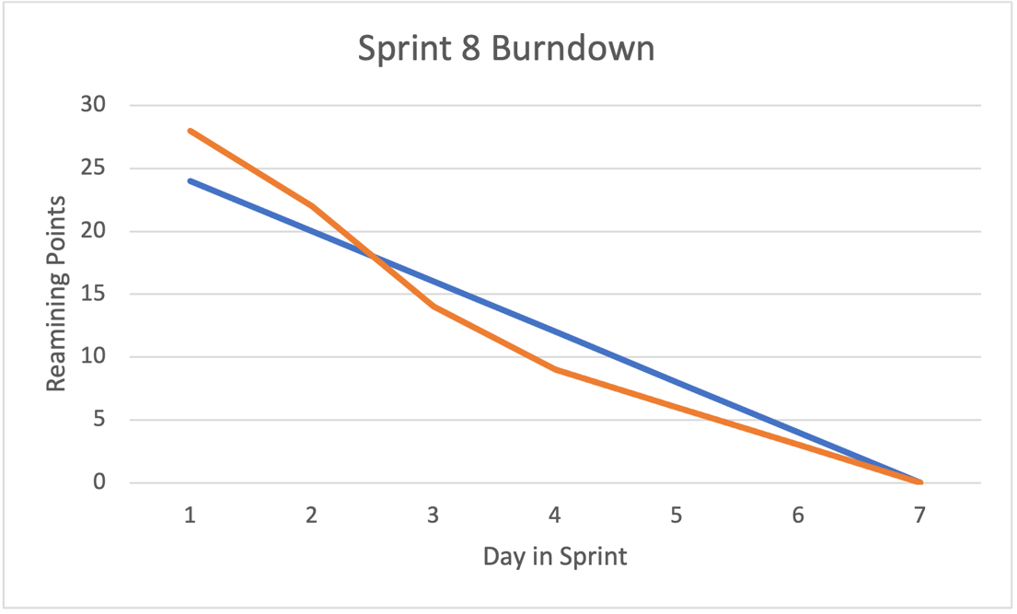
Backlog Item | Task | Task Owner | Initial Estimate (Total Sprint Hours = 7 x4) | D1 | D2 | D3 | D4 | D5 | D6 | D7
 |  |  |  | 2021-10-07 | 2021-10-08 | 2021-10-09 | 2021-10-10 | 2021-10-11 | 2021-10-12 | 2021-10-13

 |  |  | 28
development frontend and api | Edit Flight(Employee) | Akash Kuratkar | 7 | 7 | 5 | 2 | 1 | 0 | 0 | 0
 | Booking -Edit and Cancel functionality | Veena Mamidi | 7 | 7 | 6 | 4 | 3 | 2 | 1 | 0
 | SignUp Page UI | sai sravani chalasani | 7 | 7 | 5 | 4 | 3 | 2 | 1 | 0
 | Employer Add Flight and Edit Flight | Sherin Thlakulathil Elias | 7 | 7 | 6 | 4 | 2 | 2 | 1 | 0
 |  | Total | 28 | 28 | 22 | 14 | 9 | 6 | 3 | 0
Team:
Akash Kuratkar | 7 hours / Week
Sherin Thlakulathil Elias | 7 hours / Week
Veena Mamidi | 7 hours / Week
Sai Sravani Chalasani | 7 hours / Week

Total Available Hours During Sprint: | 28

sprint9
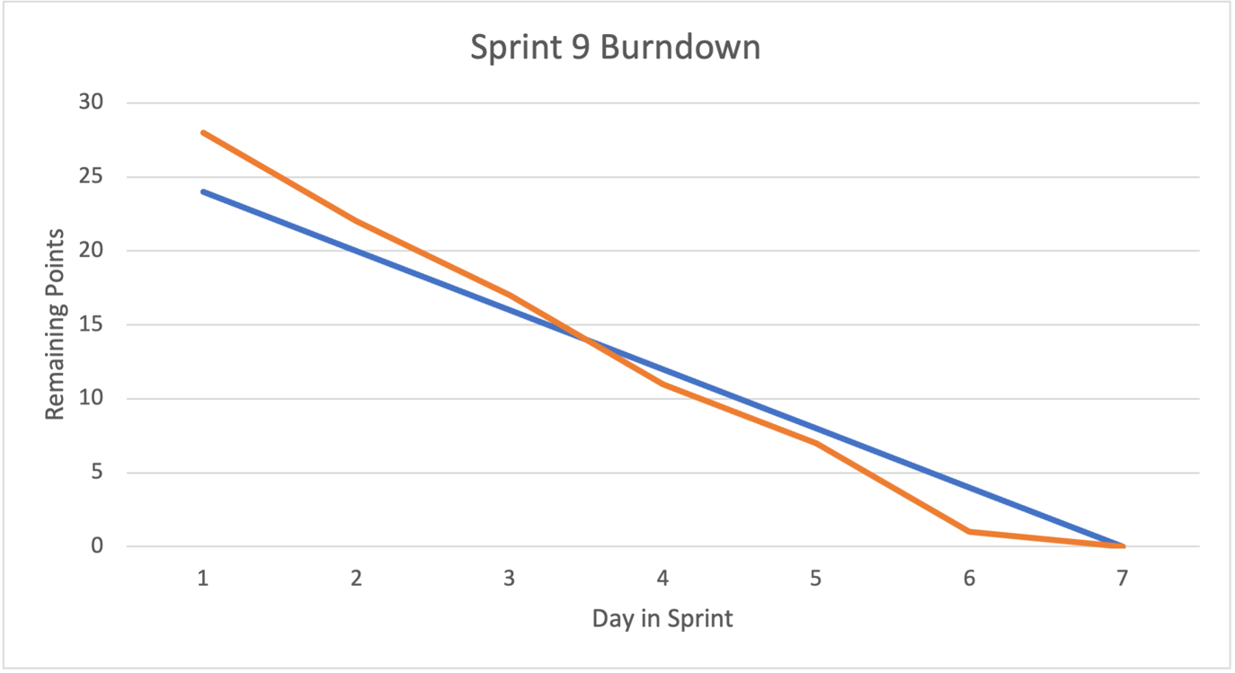
Backlog Item | Task | Task Owner | Initial Estimate (Total Sprint Hours = 7 x4) | D1 | D2 | D3 | D4 | D5 | D6 | D7
 |  |  |  | 2021-10-07 | 2021-10-08 | 2021-10-09 | 2021-10-10 | 2021-10-11 | 2021-10-12 | 2021-10-13

 |  |  | 28
development frontend and api | Add/Edit Flight Validation | Akash Kuratkar | 7 | 7 | 6 | 4 | 3 | 2 | 1 | 0
 | CanCel Booking | Veena Mamidi | 7 | 7 | 6 | 5 | 4 | 2 | 0 | 0
 | Header Ui Development | sai sravani chalasani | 7 | 7 | 5 | 4 | 2 | 2 | 0 | 0
 | Add Payment | Sherin Thlakulathil Elias | 7 | 7 | 5 | 4 | 2 | 1 | 0 | 0
 |  | Total | 28 | 28 | 22 | 17 | 11 | 7 | 1 | 0
Team:
Akash Kuratkar | 7 hours / Week
Sherin Thlakulathil Elias | 7 hours / Week
Veena Mamidi | 7 hours / Week
Sai Sravani Chalasani | 7 hours / Week

Total Available Hours During Sprint: | 28

