Product Backlog Template
Product Backlog Template
Backlog Item ID | Type of Backlog Item | Description | Priority | Story Points | Status | Sprint | Assignee | Acceptance Criteria
1 | Epic | User account management improvements | High | 20 | To Do | Sprint 1 | Brenna | Users can create, delete, and reset accounts.
2 | User Story | As a user, I want to reset my password so that I can regain access to my account | High | 5 | To Do | Sprint 1 | Peter | User can reset password via email link.
3 | Bug Fix | Fix login timeout issue | High | 3 | In Progress | Sprint 1 | Bill | Login timeout no longer occurs after 5 minutes.
4 | Technical Improvement | Refactor database queries for better performance | Medium | 8 | To Do | Sprint 1 | Camilo | Query response time reduced by 30%.
5 | Spike | Research feasibility of multi-factor authentication | Low | 5 | Completed | Sprint 1 | Jorge | Report summarizing pros and cons of MFA.
6 | Non-Functional Requirement | Improve page load speed to under 2 seconds | Medium | 8 | To Do | Sprint 1 | Kaylie | Page load time under 2 seconds on average.
1 | User Story | As a user, I want to reset my password via email so that I can regain access to my account. | High | 5 | In Progress | Sprint 2 | Kaylie | User can reset password via email link.
2 | User Story | Implement the "Forgot Password" functionality | High | 3 | In Progress | Sprint 2 | John | "Forgot Password" button works and sends an email.
3 | User Story | Design the password reset email template | Medium | 2 | To Do | Sprint 2 | Sarah | Email template matches branding and includes reset link.
4 | User Story | Integrate email service for password reset | High | 3 | To Do | Sprint 2 | Mike | Reset email is sent successfully using the email service.
5 | Bug Fix | Fix the checkout button not responding on mobile devices | Critical | 2 | Done | Sprint 2 | Emma | Checkout button works on mobile devices.
6 | Technical Improvement | Optimize database queries for faster page load times | Medium | 5 | To Do | Sprint 2 | James | Page load time reduced by 30%.
7 | Spike | Research two-factor authentication (2FA) implementation options | Low | 3 | To Do | Sprint 2 | Linda | Report summarizing 2FA options and recommendations.
8 | Non-Functional Requirement | Ensure password reset meets security best practices | High | 2 | To Do | Sprint 2 | Linda | Password reset process follows OWASP security guidelines.

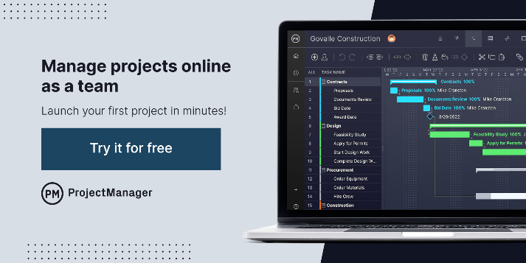

 |  |  |  | Free Related Templates
 |  |  |  | Agile Sprint Plan Template
 |  |  |  | Product Roadmap Template
 |  |  |  | Task Tracker Dashboard

