Matrix
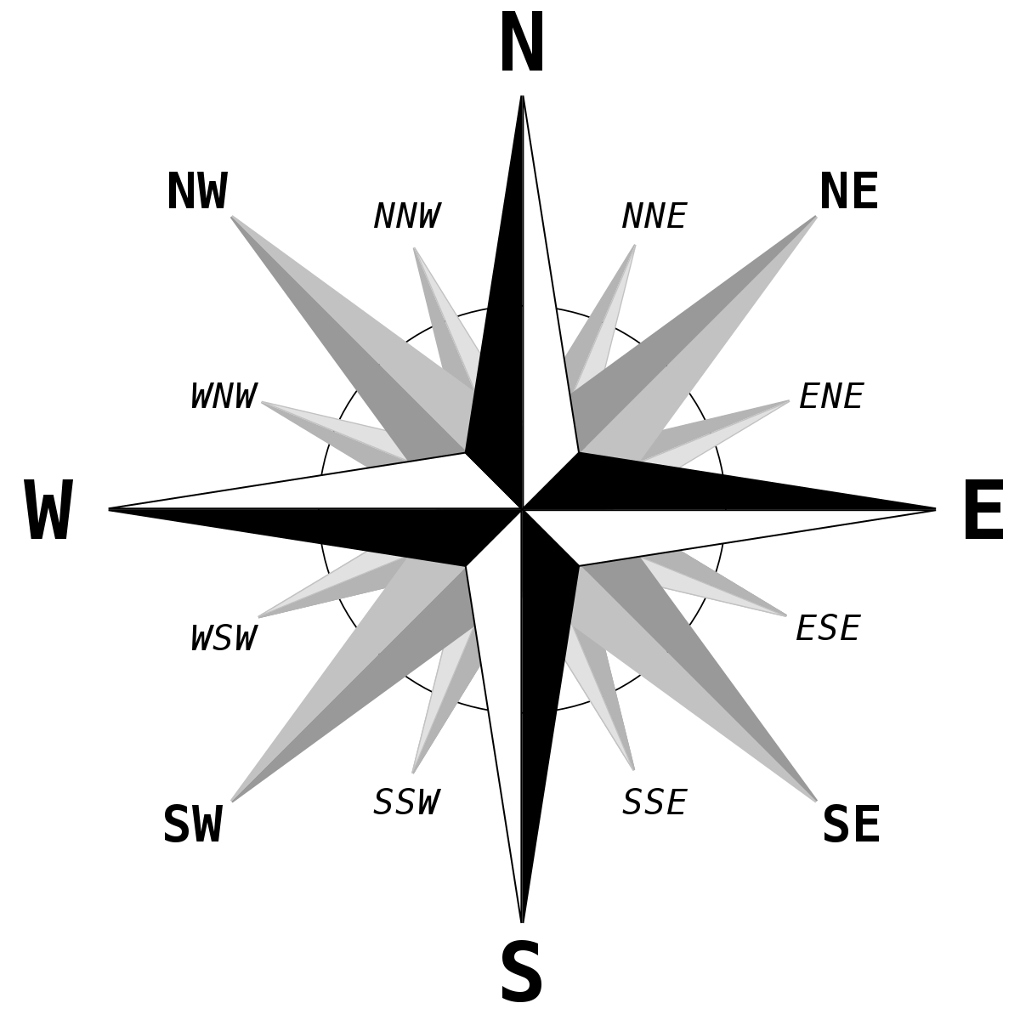
1–1 | 1–2 | 1–3 | 1–4 | 1–5 | 1–6 | 1–7 | 1–8 | 1–9 | 1–10 | 1–11
2–1 | 2–2 | 2–3 | 2–4 | 2–5 | 2–6 | 2–7 | 2–8 | 2–9 | 2–10 | 2–11 | N | ROW-3:ROW; COLUMN
3–1 | 3–2 | 3–3 | 3–4 | 3–5 | 3–6 | 3–7 | 3–8 | 3–9 | 3–10 | 3–11 | S | ROW:ROW+3; COLUMN
4–1 | 4–2 | 4–3 | 4–4 | 4–5 | 4–6 | 4–7 | 4–8 | 4–9 | 4–10 | 4–11 | W | ROW;COLUMN-3:COLUMN
5–1 | 5–2 | 5–3 | 5–4 | 5–5 | 5–6 | 5–7 | 5–8 | 5–9 | 5–10 | 5–11 | E | COLUMN:COLUMN+3
6–1 | 6–2 | 6–3 | 6–4 | 6–5 | 6–6 | 6–7 | 6–8 | 6–9 | 6–10 | 6–11 | NE | ROW-1,COLUMN+1 ROW-2,COLUMN+2 ROW-3,COLUMN+3
7–1 | 7–2 | 7–3 | 7–4 | 7–5 | 7–6 | 7–7 | 7–8 | 7–9 | 7–10 | 7–11 | NW | ROW-1,COLUMN-1 ROW-2,COLUMN-2 ROW-3,COLUMN-3
8–1 | 8–2 | 8–3 | 8–4 | 8–5 | 8–6 | 8–7 | 8–8 | 8–9 | 8–10 | 8–11 | SE | ROW+1,COLUMN+1 ROW+2,COLUMN+2 ROW+3,COLUMN+3
9–1 | 9–2 | 9–3 | 9–4 | 9–5 | 9–6 | 9–7 | 9–8 | 9–9 | 9–10 | 9–11 | SW | ROW+1,COLUMN-1 ROW+2,COLUMN-2 ROW+3,COLUMN-3
10–1 | 10–2 | 10–3 | 10–4 | 10–5 | 10–6 | 10–7 | 10–8 | 10–9 | 10–10 | 10–11
11–1 | 11–2 | 11–3 | 11–4 | 11–5 | 11–6 | 11–7 | 11–8 | 11–9 | 11–10 | 11–11

