Functionality
Functionality Test
Case ID | Description | Test Methodology | Tester / Reviewer | Severity | Result | Evidence | Resolution | Result
Sprint1-1 | 1) Create user without input 2) Create user with special character symbols 3) Usee created by ZAP scanner | 1) Manual create user 2) Run ZAP scanner | T: Ying R: Ying | HIGH | Database created invaild entries | 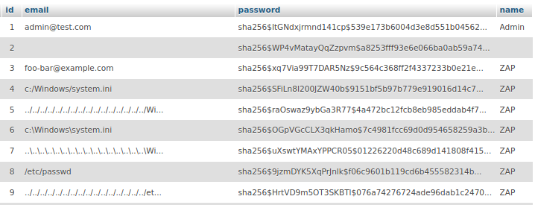 | 1) Restricted user management with Admin portal 2) Add fields validation in user forms | Resolved
Sprint1-2 | Test on HTTP requests and respond status code on client pages | pytest -vv client.py | T: Ying | Null | All Passed |  |  | Passed
Sprint1-3 | Test on HTTP requests and respond status code on admin pages | pytest -vv admin.py | T: Ying | Null | All Passed |  |  | Passed

Code
Code Test
Case ID | Description | Test Methodology | Tester / Reviewer | Severity | Result | Evidence | Resolution | Result
Sprint1-1 | Scanning common security issues with Bandit | bandit -r "D:\SSD2022-main" -f html -o "D:\bandit.report.html" | T: Ying R: Ying | LOW | Hardcoded password found
Sprint1-2 | Scanning common security issues with Bandit | bandit -r "D:\SSD2022-main" -f html -o "D:\bandit.report.html" | T: Ying R: Richard | HIGH | Werkzeug debugger found |  | Remove debug=True
Sprint1-3 | Scan website with vulnerability scanner | OWASP ZAP with auto scanning | T: Ying | Medium | HTTP header security issues found | 