GUI-Flow
Back to TestReport | To Buglist | Pass: 15 | Untested: 0
Module Code | GUI | Fail: 0 | N/A: 0
Tester | Pham Tuan Anh | Percent Complete: 100% | Number of cases on all devices: 15
ID | Screen prototype | Flows | Content to validate | Bug# | Result on Motorola Milestone 2 | Result on iphone 3 | Result on iphone 4G | Result on SamSung Galaxy S II | Result on HTC Sensation | Test date | Note
[GUI-1] | 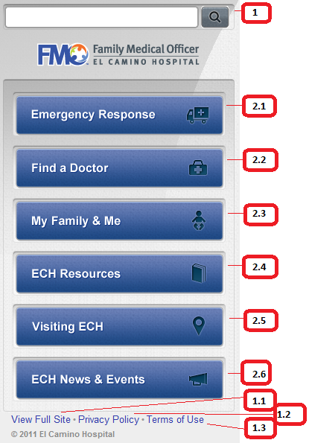 | 1. Access www.familymedicalofficer.com from device | 1. Persistent Search appears like this 1.1 Fullsite to www.elcaminohospital.org 1.2 Privacy Policy 1.3 Terms of Use 2. Icons & Buttons should be like this 2.1. ER 2.2 Find a Doctor 2.3 My Family & Me 2.4 ECH Resources 2.5 Visiting ECH 2.6 ECH News & Events Logo ontop should be on same location to all sub sites |  | Pass | Pass | Pass | Pass | Pass | 2011-10-14
[GUI-2] |  | 1. Access www.familymedicalofficer.com from device 1.1 Tap on Footer- View Full Site | 1.1.1 Fullsite to www.elcaminohospital.org |  | Pass | Pass | Pass | Pass | Pass | 2011-10-14
[GUI-3] | 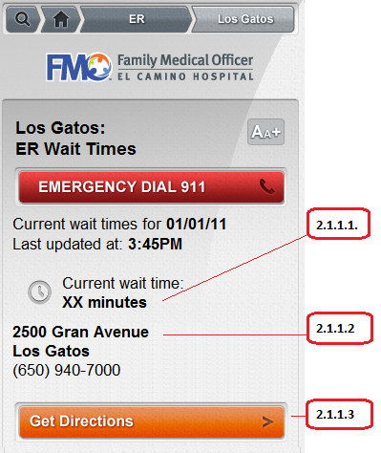 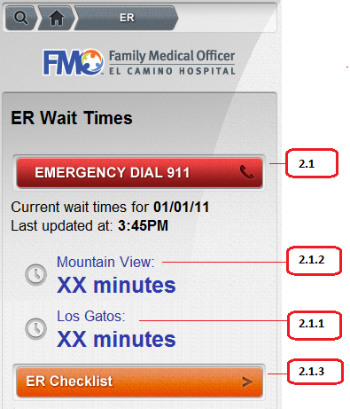 | 1. Access www.familymedicalofficer.com from device 2.1.1. Tap on Los Gatos | 2.1.1.1. Site will show the numbers of minute of current waiting time (XX) and auto be refreshed each 10 minutes 2.1.1.2. Address of site 2.1.1.3. Get Direction link |  | Pass | Pass | Pass | Pass | Pass | 2011-10-14

