식기 용품 리스트
2016 Infants Product List
 | FOB 인천항
No | 이미지 | 상품명 | 모델명 | 바코드 | 컬러 | 국내 소비자가 | 공급가 (vat포함) | 소재 | 사이즈 | 중량 | IN BOX | OUT BOX | possible to use | 원산지
Microwave Safe
Safe for food
1 |  | 泰迪食盘1 | TB16A001G | 8809505510005 | Orange | ₩22,100 | ₩11,050 | 옥수수 100% |  |  |  |  |  | Made In Korea
 |  |  | TB16A001O | 8809505510012 | Green
Microwave Safe
Safe for food
2 |  | 泰迪食盘2 | TB16A002G | 8809505510029 | Orange | ₩18,200 | ₩9,100 | 옥수수 100% |  |  |  |  |  | Made In Korea
 |  |  | TB16A002O | 8809505510036 | Green
Microwave Safe
Safe for food
Microwave Safe
Safe for food
5 |  | 泰迪 儿童勺叉套装 | TB16A005G | 8809505510081 | Orange | ₩10,400 | ₩5,200 | 옥수수 100% |  |  |  |  |  | Made In Korea
 |  |  | TB16A005O | 8809505510098 | Green
Microwave Safe
Safe for food
Microwave Safe
Safe for food
8 |  | 泰迪天使 儿童勺叉套装 | TB16A008G | 8809505510142 | Orange | ₩8,000 | ₩4,000 | 옥수수 100% |  |  |  |  |  | Made In Korea
 |  |  | TB16A008O | 8809505510159 | Green
Microwave Safe
Safe for food
9 |  | 泰迪 辅食勺 | TB16A009G | 8809505510166 | Orange | ₩10,400 | ₩5,200 | 옥수수 100% |  |  |  |  |  | Made In Korea
 |  |  | TB16A009O | 8809505510173 | Green
Microwave Safe
Safe for food
10 |  | 泰迪 筷子 | TB16A010G | 8809505510180 | Orange | ₩5,850 | ₩2,925 | 옥수수 100% |  |  |  |  |  | Made In Korea
 |  |  | TB16A010O | 8809505510197 | Green
Microwave Safe
Safe for food
11 | 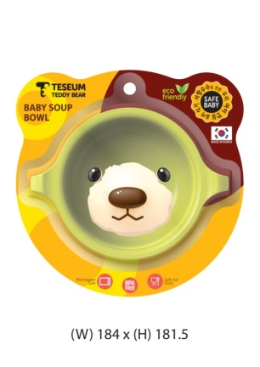 | 汤碗 | TB16A011G | 8809505510203 | Orange | ₩11,700 | ₩5,850 | 옥수수 100% |  |  |  |  |  | Made In Korea
 |  |  | TB16A011O | 8809505510210 | Green
Microwave Safe
Safe for food
12 | 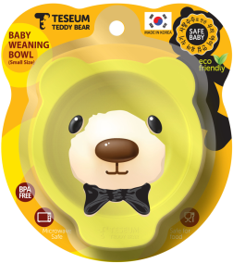 | 普通碗碟(大) | TB16A012G | 8809505510227 | Orange | ₩11,700 | ₩5,850 | 옥수수 100% |  |  |  |  |  | Made In Korea
 |  |  | TB16A012O | 8809505510234 | Green
Microwave Safe
Safe for food
13 |  | 普通碗碟(小) | TB16A013G | 8809505510302 | Orange | ₩10,400 | ₩5,200 | 옥수수 100% |  |  |  |  |  | Made In Korea
 |  |  | TB16A013O | 8809505510319 | Green
Microwave Safe
Safe for food
14 |  | 吸管杯套装 | TB16A014G | 8809505510241 | Orange | ₩15,600 | ₩7,800 | 옥수수 100% |  |  |  |  |  | Made In Korea
 |  |  | TB16A014O | 8809505510258 | Green
Microwave Safe
Safe for food
15 |  | 에어홀 | TB16A015G | 8809505510265 | Orange | ₩7,800 | ₩3,900 | 옥수수 100% |  |  |  |  |  | Made In Korea
 |  |  | TB16A015O | 8809505510272 | Green
Microwave Safe
Safe for food
16 |  | 泰迪 两耳杯 | TB16A021G | 8809505510289 | Orange | ₩10,400 | ₩5,200 | 옥수수 100% |  |  |  |  |  | Made In Korea
 |  |  | TB16A021O | 8809505510296 | Green
Microwave Safe
Safe for food
17 |  | 3套装 A 식판 이지컵 엔젤 스푼포크 세트 | TB16A016G |  | Orange | ₩42,900 | ₩21,450 | 옥수수 100% |  |  |  |  |  | Made In Korea
 |  |  | TB16A016O |  | Green
Microwave Safe
Safe for food
18 |  | 3套装 B 식판 이지컵 키즈 스푼포크 세트 | TB16A017G |  | Orange | ₩42,900 | ₩21,450 | 옥수수 100% |  |  |  |  |  | Made In Korea
 |  |  | TB16A017O |  | Green
Microwave Safe
Safe for food
19 |  | 3套装 C 안전식판 이지컵 엔젤 스푼포크 세트 | TB16A018G |  | Orange | ₩39,000 | ₩19,500 | 옥수수 100% |  |  |  |  |  | Made In Korea
 |  |  | TB16A018O |  | Green
Microwave Safe
Safe for food
20 |  | 3套装 D 안전식판 이지컵 키즈 스푼포크 세트 | TB16A019G |  | Orange | ₩39,000 | ₩19,500 | 옥수수 100% |  |  |  |  |  | Made In Korea
 |  |  | TB16A019O |  | Green
Microwave Safe
Safe for food
21 |  | 5套装 A 식판 엔젤 스푼포크 세트 이지컵 식기(소) 이유식 스푼 | TB16A020G |  | Orange | ₩59,150 | ₩29,575 | 옥수수 100% |  |  |  |  |  | Made In Korea
 |  |  | TB16A020O |  | Green

