Avg Topic Distributions
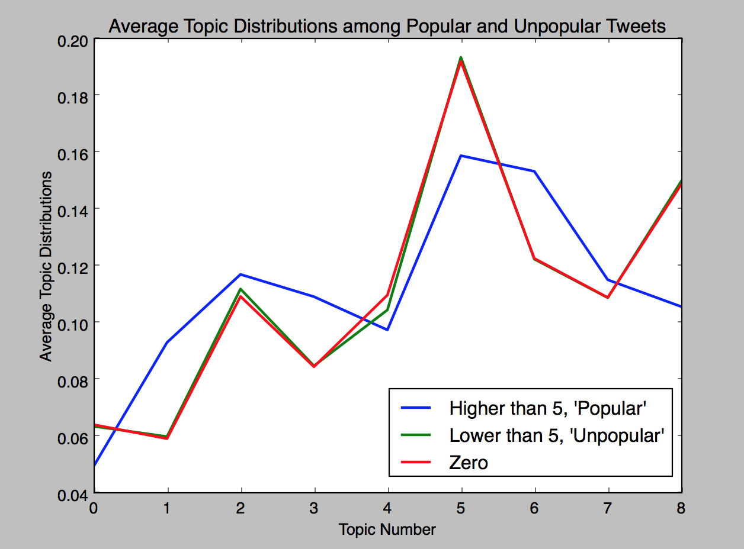
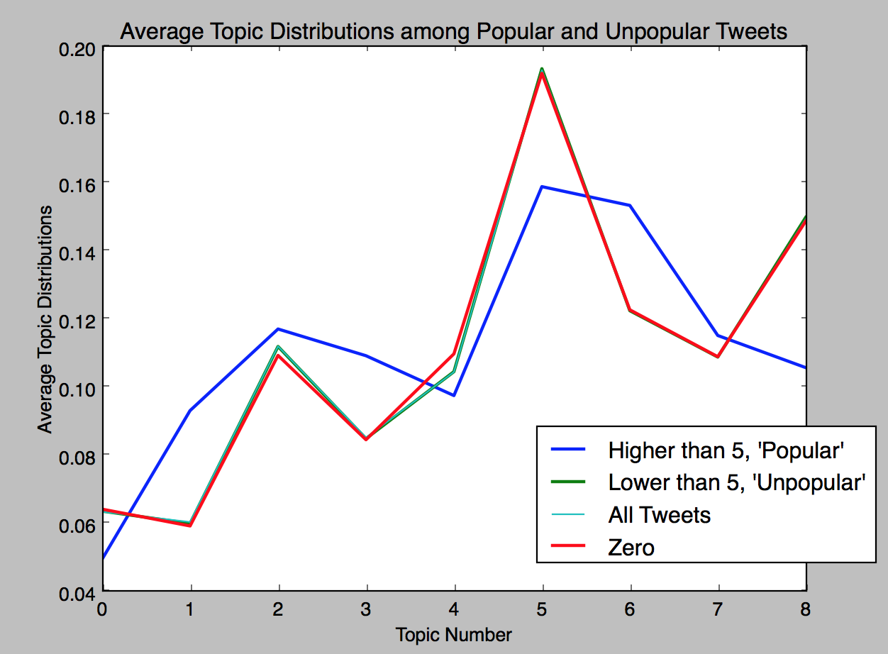
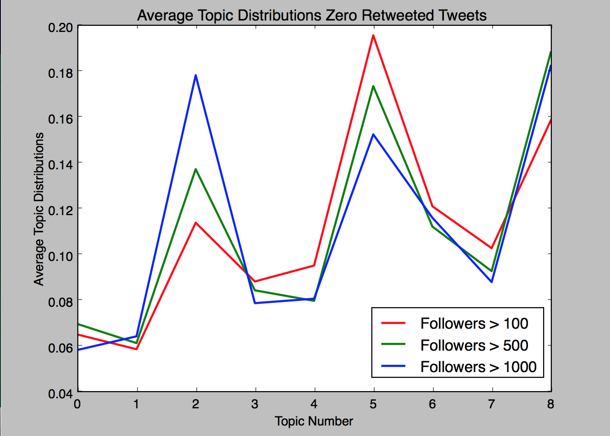

Retweet_Media_Analysis
https://twitter.com/#!/ReallyHighIdeas/status/704773404239536132 | 1739 | dabs for the homeless | individuals | 771083455 | 441283 | 99812 | pic | pic of homeless man dabbing, repeat of tweet 5
https://twitter.com/#!/TheHighIife/status/704588260106829824 | 1107 | this is some next level dabbing | interest_groups | 4909772888 | 1886 | 500 | video | preparation for dab
https://twitter.com/#!/LifeAsADabber/status/739872827575177216 | 859 | when you already high af but its your turn to take a dab | unknown | 2357088818 | 0 | 0 | pic, meme | meme of spongebob
https://twitter.com/#!/None/status/697187295498260480 | 120 | dabs for the homeless | individuals | 771083455 | 441283 | 99812 | pic | pic of homeless man dabbing, repeat of tweet 1
https://twitter.com/#!/AbeikuLytle/status/740887114464821249 | 97 | can i have your weed guys number | unknown | 2267132693 | 0 | 0 | none | no media, but rt of a tweet about dance dabbing being devilish
https://twitter.com/#!/AcneSkinSite/status/739810339160788992 | 95 | just pick up some lavender essential oil or tea tree oil a dab a day gets rid of them acne redness scars | unknown | 143014330 | 0 | 0 | none | no media,
https://twitter.com/#!/None/status/696794596924231680 | 86 | juicy dabs | individuals | 3328803514 | 118896 | 92948 | video | video of someone dabbing
https://twitter.com/#!/None/status/699669725899583488 | 77 | the cheap easy and nonexplosive way to make dabs at home | news | 18369812 | 618963 | 3819 | pic | picture of something clamping onto marijuana
https://twitter.com/#!/heaathh_xO/status/740323026068066305 | 55 | id love a baddie to hang withtake fat dabs with | individuals | 418395156 | 12074 | 886 | none | no media
https://twitter.com/#!/O2Vapes/status/739267000413753344 | 51 | portable wax oilshatter vaporizer by o2vape waxvape oilvape shattervape dabs | unknown | 2634377088 | 0 | 0 | pic | media - picture
https://twitter.com/#!/O2Vapes/status/741803717230370817 | 51 | portable wax oilshatter vaporizer by o2vape waxvape oilvape shattervape dabs | unknown | 2634377088 | 0 | 0 | pic | media - picture, repeat tweet from O2Vaporizer
https://twitter.com/#!/None/status/697105811877793792 | 50 | going live csgo giveaway after every game retweetvote for 20 dabs | individuals | 2725582296 | 2961 | None | pic/link | twitch
https://twitter.com/#!/None/status/696743351173959680 | 49 | going live csgo giveaway after every game retweetvote for 20 dabs | individuals | 2725582296 | 2961 | None | pic/link | twitch
https://twitter.com/#!/TrapDrugs/status/740969829755019264 | 48 | daily agenda smoke a blunt get money dab get money eat edibles wake up randomly and eat the whole fridge | unknown | 523454122 | 0 | 0 | none | no media
https://twitter.com/#!/samelpan/status/739665971493773312 | 47 | now im falling asleep and shes calling a cab while hes having a smoke and shes taking a dab | unknown | 328794853 | 0 | 0 | none | no media
https://twitter.com/#!/None/status/698244178262634496 | 40 | waitso all these people talking about dabbing arent referring to weed | individuals | 284422688 | 293115 | 974 | none
https://twitter.com/#!/None/status/697088765194592258 | 30 | fat dabs for breakfast | individuals | 418395156 | 12074 | 886 | none | emoji
https://twitter.com/#!/psychopshow/status/739547029307695104 | 27 | pshow21 beats new weed dabs 420 virgins handshake wax podcast bored podernfamily | unknown | 7.0218678536E+17 | 0 | 0 | link | link to podcasts on itunes about Psycho Pshow
https://twitter.com/#!/heaathh_xO/status/739886142888235008 | 26 | low temp dabs high temps outside | individuals | 418395156 | 12074 | 886 | none | emoji
https://twitter.com/#!/SativaDivaHD/status/741743877938380800 | 25 | weed socks and dab shots | unknown | 331521215 | 0 | 0 | pic | pic of girl dabbing on the couch with lots of smoke
https://twitter.com/#!/None/status/696841016716951553 | 22 | dabs the advantages of closedloop extraction | news | 18369812 | 618963 | 3819 | pic/link | hightimes
https://twitter.com/#!/psychopshow/status/740626426785726464 | 22 | ep23 hash stolen wax smoking pain weed dank headies kush dab podernfamily podcast | unknown | 7.0218678536E+17 | 0 | 0 | pic | pic of weed
https://twitter.com/#!/None/status/698382348576903168 | 21 | 2016 is so confusing like when someone asks do you dab what are you asking do i smoke weed am i a drunk ass bitch can i dance | individuals | 858139849 | 315 | None | none
https://twitter.com/#!/CasillasJairo_/status/740220703559979009 | 20 | smoking by yourself be chill dabu get high asf | unknown | 2509174009 | 0 | 0 | none
https://twitter.com/#!/seaxhag/status/738781603619438592 | 18 | dont wear thrasher if your weed tolerance isnt so high that you do dabs regularly or if you clean under your fingernails | unknown | 1127027322 | 0 | 0 | none | emoji
https://twitter.com/#!/None/status/696630066806177796 | 17 | kids dont do dabs | individuals | 187397747 | 23327 | 277 | none | emoji
https://twitter.com/#!/None/status/696535915641094144 | 17 | bedtime dabscuddling up goodnight | individuals | 418395156 | 12074 | 886 | none | emoji
https://twitter.com/#!/None/status/697143158400876544 | 17 | who wants 5000 words on why dab being a weed thing and a dance confuses a 46 year old guy that owns two pontiac sunfires | individuals | 40578249 | 17662 | 777 | none | emoji
https://twitter.com/#!/None/status/697849556508274688 | 16 | oh sorry i thought you wanted hot makeup sex rips off fake lashes dabs coconut oil on eyes to remove mascara | individuals | 11059232 | 9144 | 6719 | none
https://twitter.com/#!/None/status/699302712681168897 | 15 | started smokin weed in 8th grade then graduated to hard core dabs | individuals | 42993167 | 40239 | 1714 | none
https://twitter.com/#!/None/status/695798517814706177 | 15 | how is denver the city with legal weed but carolina gets to dab unitedinorange unitedingreen | individuals | 15614141 | 39958 | 4719 | none
https://twitter.com/#!/TwoHighGuysYT/status/718548101355716613 | 14 | one dab two dab three dab four if you hit another say hello to the floor | interest_groups | 2189757642 | 4302 | 3857 | none
https://twitter.com/#!/Gala_Cleaning/status/742242731871883265 | 14 | cleaning tip to keep your steel counters sparkling dab a lil olive oil on a napkinbuff them galagalatips | unknown | 2283141744 | 0 | 0 | pic
https://twitter.com/#!/None/status/697191823597445120 | 13 | rt if the dabs you do are not a dance heavyhitterstpc | individuals | 4852323040 | 267 | None | pic
https://twitter.com/#!/None/status/696535601667973122 | 12 | dabs dont get you super bowls hgh does | individuals | 1898844277 | 3155 | None | none
https://twitter.com/#!/woods_noah/status/742163716221767680 | 12 | high as shit 20 dabs got me | unknown | 450955272 | 0 | 0 | none
https://twitter.com/#!/None/status/697381501306957824 | 11 | i shower n dab my lilac scented oil on every day as if a dude would happen to bury his face between my breasts or nuzzle my neck lolz | individuals | 4785459269 | 4297 | None | none | emoji
https://twitter.com/#!/None/status/699080686385373184 | 10 | wish i had a cool chick to smoke bluntsdab with who actually has some substance annnd cares about more than just dick and money lol | individuals | 1465025299 | 662 | None | none
https://twitter.com/#!/therealmikedean/status/704416900931923968 | 10 | mike dean weed dabs weed dabs new music 927 the block | individuals | 29359583 | 71141 | 1498 | video
https://twitter.com/#!/WeedFeed/status/740306861312901120 | 10 | do you like smoking weed but want to try dabbing has you covered learn more | unknown | 32627702 | 0 | 0 | pic/link
https://twitter.com/#!/Aka_Jayson/status/741079490260959236 | 10 | stay high dublin high dabs carol redden shimizu 2016 | unknown | 2177303550 | 0 | 0 | none
https://twitter.com/#!/None/status/697143684731691009 | 9 | seriously though dabbing is a dance too now i just thought some of you were suddenly waaaaaaaaaay into weed | individuals | 1636044792 | 6989 | 348 | none
https://twitter.com/#!/None/status/699746133631959040 | 9 | mmj news weeded mmjgirls medicalmarijuana w420 420 710 dabs | individuals | 299370086 | 51366 | 6705 | link
https://twitter.com/#!/None/status/699362603898945536 | 9 | 10 pieces of dab art that will blow your mind | news | 18369812 | 618963 | 3819 | link | hightimes
https://twitter.com/#!/None/status/695642212181352448 | 9 | take a dab by thegassstation worldofdabs wod oil shatter cannabis weed stonersbest | individuals | 3020075953 | 10371 | 3036 | video | medicalmarijuanagirls
https://twitter.com/#!/MarcScottEmery/status/742168973576261632 | 9 | i ran out of weed and shatter so i called the delivery service dab slabz and they brought my | unknown | 26130520 | 0 | 0 | link | instagram
https://twitter.com/#!/None/status/697247241556209664 | 8 | need dabs | individuals | 3317668073 | 735 | None | none | emoji
https://twitter.com/#!/None/status/696802543888785408 | 8 | add us on snap for dabsdeals | individuals | 4293803952 | 11421 | 4785 | video
https://twitter.com/#!/None/status/696624522728906752 | 8 | 420 thebearmanradioshow go perfect together mmj mmot stayhigh cannabis notpp libcrib dabs norml ows p2 | individuals | 541076667 | 2795 | None | link | bearmanradio
https://twitter.com/#!/None/status/699082858795790336 | 8 | live 710 errl dabs weed liveresin rosin mmj cannabis marijuana macro trichomes ganja hightimes thc | individuals | 1927092534 | 9137 | 10008 | pic
https://twitter.com/#!/None/status/698340907574231040 | 8 | heres tommy chong with a jar full of dabs cannabis oil that might cost more than your home | service_providers | 270106571 | 588251 | 49 | link | brobible
https://twitter.com/#!/None/status/698330779261276160 | 8 | heres tommy chong with a jar full of dabs cannabis oil that might cost more than your home | service_providers | 270106571 | 588251 | 49 | link | brobible
https://twitter.com/#!/None/status/696801543081889794 | 8 | if i based life off of what im sent on my snapchat i would assume its all about weed dabs bongs alcohol and selfies its not btw | individuals | 86527966 | 78860 | 1328 | none
https://twitter.com/#!/None/status/697516275141103616 | 8 | love how asian aunties think dabbing the oil on a samosa onto a tissue is a diet | individuals | 293645013 | 772 | None | none
https://twitter.com/#!/None/status/696527841995923456 | 8 | there are no dabs in europe if you got your oil and your rig take a fat wicked nasty glob for your boy globfortrollphace | individuals | 803669304 | 17941 | 462 | none
https://twitter.com/#!/None/status/699700313431924738 | 8 | dabbers delight via blueberrydabsauce | interest_groups | 3219100369 | 26443 | 2677 | pic/link | bee-high
https://twitter.com/#!/None/status/696360413412397061 | 8 | new episode matt and me is available on itunes mmot mmj weed ows occupy commonomics notpp libcrib dabs | individuals | 541076667 | 2795 | None | link | bearmanradio
https://twitter.com/#!/CariiAlmighty/status/738374615521595392 | 8 | walked into high school jerkin graduating high school dabbing | unknown | 261834019 | 0 | 0 | none
https://twitter.com/#!/MyPottles/status/743106031526379521 | 8 | chalkitup 099 marijuana cannabis dabs weed kush party club dance concert pot | shops | 784890702 | 23385 | 25671 | pic/link | mrpottles
https://twitter.com/#!/None/status/698566623335211008 | 7 | so many new medtainer releases check them out now grinder pot marijuana 420 dabs dope weed smoking | individuals | 4093545143 | 3378 | None | link | buymedtainer
https://twitter.com/#!/None/status/699304434245959680 | 7 | taking fat dabs and smoke tricks | interest_groups | 2898339167 | 23219 | 16541 | link/video | stonedtube
https://twitter.com/#!/None/status/699627578416455680 | 7 | found this somewhere lets get high dabs aggressively | individuals | 4909245272 | 43 | None | pic | opticalillusion with cat meme
https://twitter.com/#!/steephilllab/status/704773710897479680 | 7 | quick guide to cannabinoids mmj cannabis weed 710 dabs marijuana science | service_providers | 129956940 | 7525 | 851 | link | steephill
https://twitter.com/#!/KushAmbassador/status/718334674498666496 | 7 | get your bong dab oilrig dabrig with freeshipping ltltltltltltltlt kushrig kushlife calikush la | shops | 1347362516 | 6389 | 7005 | link | bluntapparel
https://twitter.com/#!/_CJPI/status/739944741958098944 | 7 | standards high dab | unknown | 3010649822 | 0 | 0 | retweet
https://twitter.com/#!/RevMelech/status/741782364947353600 | 7 | ya sins were way too high i need to cut iiiiiit jesus on the cross | unknown | 18535471 | 0 | 0 | retweet
https://twitter.com/#!/None/status/699766065245528064 | 6 | i just want to dab out hold upass out l0l | None | 51177440 | None | None | -
https://twitter.com/#!/None/status/697863589210750976 | 6 | the difference worldofdabs wod dabs oil dabbing cannabis dab weed stonersbest | individuals | 3020075953 | 10371 | 3036 | pic | meme
https://twitter.com/#!/None/status/696759155294474240 | 6 | strawberry cough dabart dabartist waxartist dabs weed weedart strawberrycough | shops | 2989669784 | 31173 | 30986 | pic | strawberrydabart
https://twitter.com/#!/None/status/697523716771557376 | 6 | discreet shipping we wont tell if you dont marijuana kush dabs cannabis bud | shops | 784890702 | 23385 | 25671 | pic/link | mrpottles
https://twitter.com/#!/None/status/695637764117663745 | 6 | puff puff pass the pottles baggiesaretrashy marijuana kush weed hash dabs pot | shops | 784890702 | 23385 | 25671 | pic/link | mrpottles
https://twitter.com/#!/DabathaChristi/status/739188853903347712 | 6 | look at that whos getting me high next cannabis dabs | unknown | 7.3523437145E+17 | 0 | 0 | pic
https://twitter.com/#!/bearmanrulez/status/739190009194913793 | 6 | celebrate 420 w thebearmanradioshow p2 ows occupy ndaa nwo mmj mmot cannabis weed tfb stayhigh dabs | individuals | 541076667 | 2795 | None | link/retweet | spreaker.com | reference to bearmanradio
https://twitter.com/#!/TheDankDen/status/739311557222367232 | 6 | i couldnt help myself dabs cannabis marijuana medicalmarijuana mmj weed weedstagram | unknown | 2360597707 | 0 | 0 | link | instagram
https://twitter.com/#!/HarperJahnai/status/739488450190188544 | 6 | youre either at graduation or taking fat dabs | unknown | 2607714328 | 0 | 0 | none
https://twitter.com/#!/SkyWarZone/status/739574631934373888 | 6 | i liked a video from brand new perkdabbing zombie custom zombies stairway to | unknown | 3074568764 | 0 | 0 | youtube_video | dabbing zombie
https://twitter.com/#!/bearmanrulez/status/739733593409257472 | 6 | 420 thebearmanradioshow go perfect together mmj mmot stayhigh cannabis notpp libcrib dabs norml ows p2 | individuals | 541076667 | 2795 | None | link/retweet | spreaker.com | reference to bearmanradio
https://twitter.com/#!/MrDalekJD/status/739813864158679040 | 6 | i liked a video from brand new perkdabbing zombie custom zombies stairway to | unknown | 253518982 | 0 | 0 | youtube_video | dabbing zombie
https://twitter.com/#!/bearmanrulez/status/740045642345517056 | 6 | dab up get high w thebearmanradioshow p2 ows occupy notpp libcrib mmj stayhigh mmot thc 1u socialist | individuals | 541076667 | 2795 | None | link/retweet | spreaker.com | reference to bearmanradio
https://twitter.com/#!/DabathaChristi/status/740966101958426624 | 6 | guys im so high right now that i just stepped into the shower with my bra on dabs cannabis | unknown | 7.3523437145E+17 | 0 | 0 | none
https://twitter.com/#!/saucefredo_/status/741002151422398464 | 6 | swipes used to come in clutch when i was high dab | unknown | 378734845 | 0 | 0 | none
https://twitter.com/#!/bearmanrulez/status/741067425144274945 | 6 | thebearmanradioshow is live at 9pm on our new home feelthebern ows occupy mmot mmj weed fix2016 lit dabs | individuals | 541076667 | 2795 | None | link/retweet | spreaker.com | reference to bearmanradio |  |  | 13/105 have only links
https://twitter.com/#!/bearmanrulez/status/741726714686902273 | 6 | celebrate 420 w thebearmanradioshow p2 ows occupy ndaa nwo mmj mmot cannabis weed tfb stayhigh dabs | individuals | 541076667 | 2795 | None | link/retweet | spreaker.com | reference to bearmanradio |  |  | 12/105 have pics with links
https://twitter.com/#!/_Bankrollchris/status/741844349764280320 | 6 | weed cause the gun gone keep me in their for life and the phone gone go dead in 76 min ima b high dab for a week | unknown | 2361764839 | 0 | 0 | retweet |  |  |  |  | 6/105 have links with retweets
https://twitter.com/#!/bearmanrulez/status/742270286934867973 | 6 | 420 thebearmanradioshow go perfect together mmj mmot stayhigh cannabis notpp libcrib dabs norml ows p2 | individuals | 541076667 | 2795 | None | link/retweet | spreaker.com | reference to bearmanradio |  |  | 43 have no media
https://twitter.com/#!/None/status/696961325566664704 | 5 | i heart dabs | individuals | 1314149166 | 8103 | 292 | none |  |  |  |  | 3 are only retweets
https://twitter.com/#!/None/status/699772207547990017 | 5 | errl girl weed hash cannabis mmj dank rosin ganja marijuanamodels cannahack dabs dabbers maryjane thc | individuals | 1927092534 | 9137 | 10008 | pic |  |  |  |  | 9 are videos of which 2 are youtube
https://twitter.com/#!/None/status/699658004531015680 | 5 | wutang dabs aint nothing to fwithdabart dabartist waxartist dabs weed weedart | shops | 2989669784 | 31173 | 30986 | pic |  |  |  |  | 19 have only pics
https://twitter.com/#!/None/status/698893650671980544 | 5 | i got no valentine but i just smoked a blunt and im happy dab and i got money so ima get more weed and be even more happier | individuals | 4543648046 | 1847 | None | none |  |  | Positive and Negative
https://twitter.com/#!/None/status/697078254017110020 | 5 | what are dabs cannabis oil wax shatter cannabisoil hashoil dabs concentrates shatter budder wax weed | service_providers | 140710131 | 125580 | 69865 | link | cannabistraininguniversity |  | Only Pics | 20
https://twitter.com/#!/None/status/699342946806734849 | 5 | dabbers delight via madadabs | interest_groups | 3219100369 | 26443 | 2677 | pic/link | bee-high |  | Only Links | 13
https://twitter.com/#!/angelicavmn1/status/704712855535267841 | 5 | i need a million dabs | individuals | 1126930310 | 433 | 1178 | none |  |  | Pics With Links | 11
https://twitter.com/#!/None/status/696417814274514944 | 5 | i never really knew what a dab was weed and i am still confused about the new dab dance | individuals | 230341137 | 2942 | None | none |  |  | Retweets | 9
https://twitter.com/#!/None/status/696388813464170497 | 5 | dabs arent like weed | individuals | 445246441 | 634 | None | none |  |  | No Media | 43
https://twitter.com/#!/None/status/696145498483384320 | 5 | heres what a night inside las cannabis social club looks like | service_providers | 3226602412 | 265 | None | pic/link | elitedaily |  | Videos | 9
Distribution of Media in Top Tweets Retweeted 5+ times [105]
https://twitter.com/#!/CoralReefer420/status/738214279413784576 | 5 | live on periscope melting glasstaking dabs worldreefers come say high | individuals | 88899123 | 48725 | 2181 | video
https://twitter.com/#!/CURVEttaMclovin/status/738490299337572354 | 5 | niggas be on weed pills dab waxlean talm bout im boutta go meet a feen like nigga u is the feen | unknown | 187674446 | 0 | 0 | none | emoji
https://twitter.com/#!/roobaby24/status/739147599534379008 | 5 | potters gold shatterday dabs concentrates weed its420somewhere nugshots potporn kush saturday weed | unknown | 7.153871494E+17 | 0 | 0 | pic
https://twitter.com/#!/Mr_McStevie/status/739231062241513472 | 5 | we have a podcast where we give comedians free dabs and weed its insane how many guests cancel last minute or dont show up | unknown | 198337759 | 0 | 0 | none
https://twitter.com/#!/SpittaSoWavy_/status/739365877020164096 | 5 | ian gone lie i get high dabi forget how text back | unknown | 1622175919 | 0 | 0 | none | emoji
https://twitter.com/#!/psychopshow/status/740613214581334017 | 5 | ep23 hash stolen dabs smoking wax loving weed dank high pain podcast podernfamily | unknown | 7.0218678536E+17 | 0 | 0 | pic/link | itunes podcast
https://twitter.com/#!/DabathaChristi/status/740991666341969920 | 5 | dingi live to stay high another day i love getting high on ur supply dabs | unknown | 7.3523437145E+17 | 0 | 0 | pic
https://twitter.com/#!/heaathh_xO/status/741406893122392069 | 5 | fat dabs only | individuals | 418395156 | 12074 | 886 | none | emoji
https://twitter.com/#!/shayycole/status/741888881985888256 | 5 | im high dab rn | unknown | 1955763487 | 0 | 0 | none
https://twitter.com/#!/sajeonged/status/742359409917972480 | 5 | when youre high af and you wanna dab | unknown | 7.2484959477E+17 | 0 | 0 | pic | ppl dance dabbing
https://twitter.com/#!/None/status/697133805350580225 | 4 | dinafem news shatter budder and oil the differences between the three most popular types of dabs | commercial_growers | 2414151608 | 6494 | 4190 | link | dinafem
https://twitter.com/#!/None/status/696853536991268864 | 4 | milky dabs | individuals | 2806916751 | None | None | pic
https://twitter.com/#!/None/status/702661270235779072 | 4 | im just sittin here takin fat dabs laughin at the funny people on here lol | individuals | 1135521072 | 65194 | 404 | none
https://twitter.com/#!/None/status/699793001464393728 | 4 | got weed emojis download emojiuana weed mmj dabs legalize rt android emoji thc | individuals | 2286125113 | 498 | None | link | google play weedemoji
https://twitter.com/#!/None/status/699676332825931776 | 4 | hear about austins journey to find a nail in a nonlegal state dabs podernfamily weed podcast funny | service_providers | 4857711491 | 1465 | None | link | soundcloud podcast (of users)
https://twitter.com/#!/None/status/699609961916190725 | 4 | vaping your weed before the gym enhances your workout vape dab vapelife | service_providers | 3249387104 | 2127 | None | link | elitedaily
https://twitter.com/#!/None/status/697496085284196352 | 4 | errlything is awesome dabs dab 710 errl fml oil cannabis wax marijuana weed thc cbd ganja mmj high | shops | 102857686 | 431 | None | pic
https://twitter.com/#!/None/status/698893355611082752 | 4 | tips on applying face oil is to rub your hands together w the oil and start dabbing them onto your skin mcm hada labo buat | individuals | 38981477 | 1852 | None | none
https://twitter.com/#!/None/status/697564056123670528 | 4 | gas prices are going down so are oil prices gooddaytobealive dabs | shops | 49389233 | 11200 | 2015 | none
https://twitter.com/#!/None/status/699617685030567936 | 4 | im high asf or these pics goofy dab | individuals | 1890822104 | 888 | None | pic
https://twitter.com/#!/None/status/699390266369769473 | 4 | rumor has it officer keen is the biggest dab salesman in state high corruption | individuals | 840677131 | 170 | None | none
https://twitter.com/#!/laurencolonna1/status/704810305495437312 | 4 | took my first dab today starting sweating almost yacked almost cried still high | individuals | 350720762 | 1355 | 1336 | none |  |  | ONLY POSITIVES
https://twitter.com/#!/None/status/695755361035268096 | 4 | friend of mine from atl said the dab is meant to be a weed hitcoughwatching it go mainstream bc newton tricked everyone is hilarious | individuals | 163959867 | 16175 | 2715 | none |  |  | No Media | 40
https://twitter.com/#!/None/status/695693598587748352 | 4 | download now on google play weed emojis dabs | service_providers | 2300757378 | 8456 | 4576 | pic | meme about app |  | Only Links | 13
https://twitter.com/#!/None/status/695657208122466305 | 4 | we need a dab that big marijuana weed mmj mmot pot ganga stonernation stonerfam | interest_groups | 3123111342 | 2750 | None | pic | meme |  | Retweets | 9 |  | Media Type | Frequency
https://twitter.com/#!/None/status/695631810059874304 | 4 | dab bros stick together marijuana weed mmj mmot pot ganga stonernation stonerfam | interest_groups | 3123111342 | 2750 | None | pic | meme |  | Videos | 9 |  | No Media | 40
https://twitter.com/#!/None/status/695309078269005824 | 4 | this shit was dank weed averagestoner legalizeit legalizemarijuana puffpuffpass dab kush vape love friend | individuals | 3123111342 | 121 | None | pic | of marijuana |  | Only Pics | 18 |  | Only Links | 13
https://twitter.com/#!/TYPBankroll/status/719938150156476416 | 4 | i want everybody to be high dab at my funeral | individuals | 3071751631 | 2339 | None | none |  |  | Pics With Links | 9 |  | Retweets | 9
https://twitter.com/#!/BryceIsBased/status/738239297225003008 | 4 | she high dab lol | unknown | 2655320794 | 0 | 0 | retweet |  |  |  |  |  | Videos | 9
https://twitter.com/#!/ManMan__32/status/738476729447141376 | 4 | niggas be on weed pills dab waxlean talm bout im boutta go meet a feen like nigga u is the feen | unknown | 507647984 | 0 | 0 | none | emoji |  |  |  |  | Only Pics | 18
https://twitter.com/#!/CoralReefer420/status/738895912919961600 | 4 | live on periscope 2 new videos on lets smoke and dab about it | individuals | 88899123 | 48725 | 2181 | video | periscope |  |  |  |  | Pics With Links | 9
https://twitter.com/#!/MJTendersociety/status/739251844506128384 | 4 | harvest time by go give her a follow for lots of weed tweets weed ganja dabs hash mmj retweet | interest_groups | 2877141776 | 3154 | None
https://twitter.com/#!/bronwynnrosee/status/739882704632569857 | 4 | you smoke those dabsur father and i just sit out here and shake our heads why do you smoke something that makes you cough so hard | individuals | 3507908480 | 8170 | 665
https://twitter.com/#!/IeshiaB_/status/739985757016752128 | 4 | i was high dab yesterday on me | unknown | 237953524 | 0 | 0
https://twitter.com/#!/makingup_easy/status/739990712985358337 | 4 | shrink acne by placing a wrapped ice cube on it and leave it on the pimple for 3 minutes then cover it with a dab of lavender oil | unknown | 2218364912 | 0 | 0
https://twitter.com/#!/tdoyle_/status/740279030742556672 | 4 | just finally joined the mile high dab club | unknown | 16572645 | 0 | 0
Distribution of Media in Top Popular ( >= 5 RT) "M-Dab" Tweets
https://twitter.com/#!/E_Blackkk/status/741048134566977542 | 4 | i be high dab | unknown | 470708999 | 0 | 0
https://twitter.com/#!/MyPottles/status/741138794498424832 | 4 | how 2 use pottlesdro cones cannabis marijuana gom kush weed pot dabs vapor | shops | 784890702 | 23385 | 25671
https://twitter.com/#!/AliceinDabland/status/741291838552846337 | 4 | all i wanna do is get high by the beach lanadelrey jams dabs | unknown | 1085359494 | 0 | 0
https://twitter.com/#!/finessekidlo/status/741551709667758080 | 4 | all ik is i wanna be laid up high dab rn | unknown | 756823358 | 0 | 0
https://twitter.com/#!/LIP_adelphia/status/742408240726704128 | 4 | working in orland and 2 kids are getting their car searched by the cops and the cop pulls a rig dabs and a brick of weed | unknown | 610535390 | 0 | 0
https://twitter.com/#!/elexusjay/status/742521278033059840 | 4 | i just b high dab laughing at everything | unknown | 329771366 | 0 | 0
https://twitter.com/#!/CannabisNow/status/742614564546727936 | 4 | pot pioneers concentrate outlaws via cannabisnow cannabis extracts dabs california | unknown | 211429450 | 0 | 0
https://twitter.com/#!/xHaroIdStyles/status/743073272267481088 | 4 | i thought id met you once or twice but that was just because the dabs were nice and opening up my mind | unknown | 7.4167427613E+17 | 0 | 0
https://twitter.com/#!/SilencedHippie/status/743089298489114624 | 4 | live on periscope dabstodo lists before im reunited with | unknown | 770254346 | 0 | 0
https://twitter.com/#!/None/status/696569803465748485 | 3 | i swear 95 of the people doing the dab dance dont even know what an actual dab is | individuals | 615486788 | 751 | None
https://twitter.com/#!/None/status/696950231775252481 | 3 | dabs and alice in wonderland | individuals | 229307359 | 765 | None
https://twitter.com/#!/None/status/696866411008942080 | 3 | dabs with my new x quave collab nail hive ceramics bongbeauties highlife wwwbongbeau | shops | 2189464334 | 3389 | None
https://twitter.com/#!/None/status/696863745319047168 | 3 | dabs would be legit right now | service_providers | 776253805 | 13836 | 9294
https://twitter.com/#!/None/status/696837921836441601 | 3 | new dabcubes by design your own waxerz smokeshop dabs extracts pineappleexpress | shops | 2989669784 | 31173 | 30986
https://twitter.com/#!/None/status/696810403301490688 | 3 | smoothies and dabs | individuals | 3267697254 | 1169 | None
https://twitter.com/#!/None/status/696763426023018499 | 3 | taking fat dabs and smoke tricks | individuals | 3184907296 | 40537 | 22109
https://twitter.com/#!/None/status/696721123774300161 | 3 | this is true as someone who has smoked quite a few dabs too much definitely fucks you up | individuals | 24932634 | 3200 | None
https://twitter.com/#!/None/status/696535167075229696 | 3 | hey i got the nail hot and dabs a plenty if you want to come smoke the pain away dablife sb50 | individuals | 924324426 | 7124 | 1519
https://twitter.com/#!/None/status/699414972565094400 | 3 | would you like to see phattassglass sold online at glassofig weed dab blazebrigade | shops | 3329535432 | 2018 | None
https://twitter.com/#!/None/status/698226797176090625 | 3 | weeddabs arent considered drugs to me | individuals | 364601151 | 287 | None
https://twitter.com/#!/None/status/698023727569580034 | 3 | vapes i smoke that blunts i roll that bongs i rip that wax i dab that weed i love that | individuals | 4844390422 | 4426 | None
https://twitter.com/#!/None/status/697918611382476800 | 3 | vaping your weed before the gym enhances your workout vape dab vapelife | service_providers | 3249387104 | 2127 | None
https://twitter.com/#!/None/status/697814882331156480 | 3 | dabs meth cant be weed | individuals | 143812634 | 1192 | None
https://twitter.com/#!/None/status/696943375447154688 | 3 | inspector dabit dabrig dabbers dabs weed smokeshop vapeshop | shops | 2989669784 | 31173 | 30986
https://twitter.com/#!/None/status/699447197172039680 | 3 | i wanna smoke all the bowlsdabs with every stoner babe i follow could you imagine the sesh | individuals | 2836136161 | 7327 | 536
https://twitter.com/#!/None/status/698873709512228864 | 3 | any girls need a valentine to smoke dabs and watch movies and chill come over my crib | individuals | 145813015 | 767 | None
https://twitter.com/#!/None/status/697825090084409344 | 3 | dont smoke black and milds lol dont ruin dabs like that man | individuals | 2658182392 | 687 | None
https://twitter.com/#!/None/status/696612123355570176 | 3 | dabbing vaping and edibles a healthy way to get high from cannabis breakthetaboo | interest_groups | 277042197 | 8610 | 403
https://twitter.com/#!/None/status/699421463292616709 | 3 | our helosg case kit in stainless dablife dab dabs oil wax shatter vape | shops | 2351015834 | 123 | None
https://twitter.com/#!/None/status/698007462452920320 | 3 | the only thing i dab is the oil on my pizza | individuals | 547297308 | 451 | None
https://twitter.com/#!/None/status/699805018824663040 | 3 | when you high dab | individuals | 3219394638 | 771 | None
https://twitter.com/#!/None/status/699483839069028352 | 3 | im high dab on my fuckin mama | individuals | 57157172 | 10951 | 7091
https://twitter.com/#!/PouchAPalooza/status/704542182351331329 | 3 | i also make stoner coffee mugs stoned shoppershour cannabis hippie gifts smoke weed pothead dab | shops | 259623833 | 3601 | None
https://twitter.com/#!/nipplzz/status/704571923720568832 | 3 | a good day is filled with blunts and dabs | individuals | 608635274 | 1405 | 1241
https://twitter.com/#!/bryannajane_/status/704578862550614016 | 3 | fuckin love dabs | individuals | 1002723930 | 3368 | 3013
https://twitter.com/#!/dylbecks/status/704766508803694598 | 3 | dabsdubstep | individuals | 261483289 | 2176 | 1938
https://twitter.com/#!/Crystal_Nomad/status/704819474617073665 | 3 | i love weed but its pointless to smoke all day everyday to the point of not functioning in society and needing half gram dabs to get high | individuals | 51586093 | 2829 | 2674
https://twitter.com/#!/nico_buerkley/status/704856726315671552 | 3 | take dabs do labs apschmoke | individuals | 4850809452 | 181 | 114
https://twitter.com/#!/None/status/696509921525899264 | 3 | when you tell your brother that cam will dab if they winhe thought you were talking about a dab like weedawks | individuals | 704112919 | 275 | None
https://twitter.com/#!/None/status/696426199468400640 | 3 | xtra money xtra weed xtra dab bitch its xtraeverything | individuals | 60673684 | 3002 | None
https://twitter.com/#!/None/status/696132560276099072 | 3 | if you post pics of your weed or your dab rig on social media youre probably a fucking loser | individuals | 212956680 | 287 | None
https://twitter.com/#!/lush_carter/status/738145737607811072 | 3 | went to the smoke shop today and saw this perfect dab rig | unknown | 382565521 | 0 | 0
https://twitter.com/#!/420medz/status/739252515867381762 | 3 | some yummy purple purp cannabis marijuana wax dab dabbing hotbox bong grinder | unknown | 7.3811794557E+17 | 0 | 0
https://twitter.com/#!/ElevatedRental/status/739484518453649412 | 3 | freakstoner710 lets takes a dab dope dailydabs dabs extracts wax shatter onelove elevated elevatedrental | shops | 3160404205 | 9809 | 850
https://twitter.com/#!/Danny_Moreno12/status/740057326401490944 | 3 | im so high me and god dabbing | unknown | 386850645 | 0 | 0
https://twitter.com/#!/hothiphopmiami/status/740269629050757120 | 3 | smokin on da best x x so high westside x prod by sippintech | unknown | 4795366410 | 0 | 0
https://twitter.com/#!/Mz_Arabie/status/740902556273156101 | 3 | dont get high on your own supply | unknown | 190328619 | 0 | 0
https://twitter.com/#!/Colorado_Hemp/status/740923357416161281 | 3 | elevate your high a guide to successful dabbing | unknown | 2281993381 | 0 | 0
https://twitter.com/#!/3rdwardnookie/status/741105111074668544 | 3 | high dab | unknown | 2761637955 | 0 | 0
https://twitter.com/#!/SilencedHippie/status/741147512183083008 | 3 | live on periscope local dabsskywalker og rhodehighland | unknown | 770254346 | 0 | 0
https://twitter.com/#!/JakeS227/status/741151973580394496 | 3 | two 10 yo kids drew a penis in sand 2dayi went up 2 them for a high five as i went to high five he did a dab insteadmy career ended | unknown | 2185029404 | 0 | 0
https://twitter.com/#!/LeafedIn/status/741320526933544960 | 3 | get your dab on with dabs concentrates cannabis weed dabrig dabbing pot marijuana | unknown | 3035799930 | 0 | 0
https://twitter.com/#!/grasscity/status/741355221838757888 | 3 | this honey colored dab rig from silika glass got me so high my head is in the clouds | unknown | 16983098 | 0 | 0
https://twitter.com/#!/LaurenValencia_/status/741383240431243264 | 3 | bre dabs hella weird i didnt wanna move my head so i brought it to my face high brionna | unknown | 2159412348 | 0 | 0
https://twitter.com/#!/NaturesAltpdx/status/741729759311200257 | 3 | proper shatter bho premium cannabis oil portland pdx smoke dabbing concentrates lifted dabs high | unknown | 2902277768 | 0 | 0
https://twitter.com/#!/BlockBoyWillie_/status/741874344758894592 | 3 | omm me and chuck just got high dab | unknown | 2445826134 | 0 | 0
https://twitter.com/#!/MMJGirls/status/741892443650592768 | 3 | daveetreesdankz god for that good selfmadeshots yall mmjgirls 420 w420 710 dabs mmj marijuana | interest_groups | 344572486 | 10632 | 4804
https://twitter.com/#!/uluvlyric/status/741899934186635264 | 3 | everytime i go to sleep high as fuck i wake up thirsty dab | unknown | 604101237 | 0 | 0
https://twitter.com/#!/StrainCentral/status/742178512778330112 | 3 | live on periscope preediting dabs | service_providers | 1480795956 | 15531 | 204
https://twitter.com/#!/KILLCZOP/status/742244250838929408 | 3 | how do those 17 year olds on facebook smoke those like 4 pound dabs ive been smoking pot for like 10 years and i would likely die | unknown | 1196599460 | 0 | 0
https://twitter.com/#!/attistradingco/status/742537127557226497 | 3 | 100 oil starter kits at our gladstone location 1 gram oil dab rig torchtitanium nail everything you need to get started pdx deals | unknown | 3321592382 | 0 | 0
https://twitter.com/#!/VapePenUs/status/742744319094849537 | 3 | 10 off the roil vaporizer for concentrates vapelife vapeporn notblowingsmoke dabs | shops | 2382855553 | 946 | None
https://twitter.com/#!/MIeXtrax/status/743111681413353472 | 3 | better than moms more exclusive too organic cherry pie flower run marijuana dabs ganja thc | unknown | 7.2512875729E+17 | 0 | 0
https://twitter.com/#!/None/status/696583268687224833 | 2 | if youre one of those people who continuously always asks for a bowl or dabnever has any to give or share you can honestly fuck yourself | individuals | 3323168058 | 644 | None
https://twitter.com/#!/None/status/696581077192683520 | 2 | in need of a dab or 2 | individuals | 385229493 | 350 | None
https://twitter.com/#!/None/status/697242956965740548 | 2 | those last few dabs got ya girl stoned af | individuals | 418395156 | 12074 | 886
https://twitter.com/#!/None/status/697216415355408384 | 2 | dabbers dabsgotmelike dabbedout dabs dabsohard lifeasadabber dailydabs dabbers dabaholic dabtools | interest_groups | 2991815233 | 93649 | 9236
https://twitter.com/#!/None/status/697198334428192768 | 2 | what is dabbing and how do dabs work | interest_groups | 2984364830 | 6948 | 3439
https://twitter.com/#!/None/status/697115705288876032 | 2 | i want you inside of me dabs girlswhodab | individuals | 3278792888 | 417 | None
https://twitter.com/#!/None/status/697097926561157120 | 2 | noonim still having morning dabs | individuals | 418395156 | 12074 | 886
https://twitter.com/#!/None/status/696766587722797056 | 2 | live on periscope dabs until the hemper box video by is up | individuals | 3286900184 | 502 | 428
https://twitter.com/#!/None/status/696763709734182912 | 2 | by phatdabs | individuals | 3138397501 | 3442 | None
https://twitter.com/#!/None/status/696577097582690304 | 2 | dabs and keef anonymous sub | individuals | 842358258 | 5001 | None
https://twitter.com/#!/None/status/696563335978946560 | 2 | dabs on dabs on dabs on dabs on dabs on dabs on dabs 710 crew 420 safe blood innit fam w00t | individuals | 803669304 | 17941 | 462
https://twitter.com/#!/None/status/696532707447279617 | 2 | learn more about dabs from | shops | 4465900337 | 4896 | None
https://twitter.com/#!/None/status/696513100854394880 | 2 | i need some dabs right now | individuals | 1082752158 | 1367 | None
https://twitter.com/#!/None/status/697231492007796737 | 2 | widow maker rosin dab | interest_groups | 6.9686921216E+17 | 35 | None
https://twitter.com/#!/None/status/697145080461680641 | 2 | i think dabbing with coke is one of the best decisions i made as an artist drugs really expand your creativity | individuals | 154295007 | 15064 | 13707
https://twitter.com/#!/None/status/696890702202933248 | 2 | oh my goodness dabbing and weedi dont think oklahoma christian university saw that coming | individuals | 43263429 | 210 | None
https://twitter.com/#!/None/status/696801220997095424 | 2 | dabbers delight via time2legalize | interest_groups | 3219100369 | 26443 | 2677
https://twitter.com/#!/None/status/699863837982527488 | 2 | when the dab ends your entire existence | individuals | 288604717 | 16955 | 8219
https://twitter.com/#!/None/status/699857722267676674 | 2 | and apparently xanax and dabs make me illiterate | individuals | 2930271552 | 5581 | 4420
https://twitter.com/#!/None/status/699848913260408832 | 2 | dabs online in my room stonerbabe stonerbeauties dabqueen milf camgirl | individuals | 2461940016 | 879 | None
https://twitter.com/#!/None/status/702655711130443778 | 2 | sleepy dab | individuals | 2545030305 | 4752 | None
https://twitter.com/#!/None/status/699817591716446208 | 2 | we follow everyone stonernation teamkush stonerfam bluntsmokers dabs ganja joints weed cannabis marijuana | news | 3111700500 | 5638 | 5970
https://twitter.com/#!/None/status/699430549127974912 | 2 | dankest feed i seen weed instaweed weedstagram dank cannabis weedporn vapeporn dabs | interest_groups | 2991815233 | 93649 | 9236
https://twitter.com/#!/None/status/699370810532765696 | 2 | girl scout kookies weed wax girlscoutcookies highsociety dabs potheads | individuals | 53009887 | 3810 | None
https://twitter.com/#!/None/status/699303359275085824 | 2 | tommy chong is the face of cannabis via marijuana kush teamkush hemp ganja dabs weed | news | 3111700500 | 5638 | 5970
https://twitter.com/#!/None/status/699297900359217152 | 2 | i smoke so much weed you could scrape a dab off my windows sn0zzberries | individuals | 2831860789 | 6497 | 5960
https://twitter.com/#!/None/status/699048554317418497 | 2 | please grab your stashes and come on by smoke a joint andor do a dabfree the weed | individuals | 780783199 | 85 | None
https://twitter.com/#!/None/status/698792581153488896 | 2 | dankest feed i seen weed instaweed weedstagram dank cannabis weedporn vapeporn dabs | interest_groups | 2991815233 | 93649 | 9236
https://twitter.com/#!/None/status/698760777860120578 | 2 | every time i do a dab i remember why i only like to smoke weed | individuals | 301241777 | 570 | None
https://twitter.com/#!/None/status/698656981842722816 | 2 | the best dab pen weve tested dab marijuana weed | news | 2298651181 | 28849 | 18454
https://twitter.com/#!/None/status/698621968224899072 | 2 | looks fun stonernation smokeweedeveryday teamkush maryjane weed ganja barcelona dabs joints marijuana dank | individuals | 970479180 | 1731 | None
https://twitter.com/#!/None/status/698548344461926403 | 2 | its about smokin and sharing and passin and community and dabs and shit change it n turn weed into a more of a drug | individuals | 2408072670 | 391 | None
https://twitter.com/#!/None/status/698293864008814592 | 2 | the dabs the grind the weed when he looked at me | individuals | 887883793 | 3430 | None
https://twitter.com/#!/None/status/698162247948873728 | 2 | this is a weed mantis summer2014 cannabis dab homegrown chronic thefarm growop oldpic nj bong joint usa | individuals | 1918414987 | 1573 | None
https://twitter.com/#!/None/status/697859212362186753 | 2 | words said by no one he died from pot marijuana cannabis dabs joints weed kush teamkush blunts legalizeit ganja | news | 3111700500 | 5638 | 5970
https://twitter.com/#!/None/status/697800330147270657 | 2 | the best dab pen weve tested dab marijuana weed | news | 2298651181 | 28849 | 18454
https://twitter.com/#!/None/status/697412403198349313 | 2 | all of the weed got me dabbing | individuals | 176965659 | 2231 | None
https://twitter.com/#!/None/status/697380681328959489 | 2 | dab time weed marijuana cannabis stonerfam stonercircle worldreefers | individuals | 3084112796 | 13655 | 13680
https://twitter.com/#!/None/status/697235107023818752 | 2 | i liked a video from weeddabs haul the emerald cup 2015 coralreefer | individuals | 34730485 | 1132 | None
https://twitter.com/#!/None/status/697132238182289408 | 2 | we follow everyone stonernation teamkush stonerfam bluntsmokers dabs ganja joints weed cannabis marijuana | news | 3111700500 | 5638 | 5970
https://twitter.com/#!/None/status/696727227065638912 | 2 | ya know cuz both qbs dab but one does the elbow thing and the other does the weed thing its funny favorite it | individuals | 721387712 | 1416 | None
https://twitter.com/#!/None/status/696652614218477568 | 2 | dab city dabs bud concentrate bho bong pipe weed cannabis dank | interest_groups | 349943982 | 47928 | 19639
https://twitter.com/#!/None/status/696612244386254849 | 2 | ghost weed is the best and dont get me started on spooky dabs | individuals | 913900778 | 142 | None
https://twitter.com/#!/None/status/696562482433765376 | 2 | the deal with dabs via | individuals | 2832398635 | 13743 | 7922
https://twitter.com/#!/None/status/696545907764908032 | 2 | wait the realizes dabbing is a weed thing right sb50 seriousquestion | individuals | 3174537942 | 1679 | None
https://twitter.com/#!/None/status/699193433139896320 | 2 | np big o dab with me | individuals | 140924878 | 1542 | None
https://twitter.com/#!/None/status/699193266940547072 | 2 | np big o dab with me | individuals | 140924878 | 1542 | None
https://twitter.com/#!/None/status/698235230507954181 | 2 | this dab art is almost too amazing to smoke | interest_groups | 2268074444 | 9745 | 683
https://twitter.com/#!/None/status/698194898160218112 | 2 | mrssherrod does dabbing mean you smoke pot | individuals | 1642192039 | 1339 | 159
https://twitter.com/#!/None/status/698163598896422912 | 2 | damnit out of dabs i dont wanna go out to the garage to smoke lol | individuals | 1678813020 | 12351 | 1470
https://twitter.com/#!/None/status/697930766945112064 | 2 | girls who smoke r cool and all but girls who dab now theyre really cool | individuals | 509714576 | 343 | None
https://twitter.com/#!/None/status/697856922410688513 | 2 | taking dabs before you leave togo smoke more somewhere else | individuals | 418395156 | 12074 | 886
https://twitter.com/#!/None/status/697444660017438720 | 2 | fuck school fucking wanna smoke a blunt or take a dab rn | individuals | 168751290 | 1193 | None
https://twitter.com/#!/None/status/696603931300995072 | 2 | smoke alot dank brush up on my portuguese dab | individuals | 238069517 | 1332 | 888
https://twitter.com/#!/None/status/697523734748524544 | 2 | discreet shipping we wont tell if you dont marijuana kush dabs cannabis | shops | 784890702 | 23385 | 25671
https://twitter.com/#!/None/status/699763876770910208 | 2 | ok im gon b honest i didnt know dabbing was a dance for awhile n thought everyone was just gettin that good oil now | individuals | 2542442330 | 241 | None
https://twitter.com/#!/None/status/698114785272053760 | 2 | pakistanvalley oil so dank worldofseeds dabsoferrl | commercial_growers | 240203122 | 2125 | None
https://twitter.com/#!/None/status/697611220493307904 | 2 | citizen journalism awards drunk woman calls hawker stupid dabs oil from food on his face | news | 37890902 | 191063 | 43
https://twitter.com/#!/None/status/696801557040353280 | 2 | only dabbing ive ever heard about is when you take wax hits out of a oil rig like this | individuals | 381959968 | 7033 | 785
https://twitter.com/#!/None/status/699772723682242560 | 2 | cut it dabs them bricks is way to high you need to cuuuuut itttttt | individuals | 440247209 | 838 | None
https://twitter.com/#!/None/status/699702780517183488 | 2 | bruno dabbing on high roller | individuals | 631873372 | 212 | None
https://twitter.com/#!/None/status/699682791508832256 | 2 | saw the most amount of dabs in my entire life and im at an iowa high school bowling tournament | individuals | 396678342 | 498 | None
https://twitter.com/#!/None/status/699394039527952385 | 2 | dabbers delight viacutthroatcutie | interest_groups | 3219100369 | 26443 | 2677
https://twitter.com/#!/None/status/699123204074373120 | 2 | imyourbaee cut it dabs cut it dabs cut it dabs cut it dabs them bricks is way to high you need to cuuuuut itttttt | individuals | 729928940 | 1362 | None
https://twitter.com/#!/None/status/699111682992267264 | 2 | high society 360 clothingapparel dab with a take off 20 tshirt via | shops | 2508331117 | 8813 | 8786
https://twitter.com/#!/None/status/697903391419142144 | 2 | limited edition medical masks now for sale includes doctorate degree sick dabs 212 mangos | shops | 4884396733 | 113 | None
https://twitter.com/#!/YUNGRAJEE/status/704367669785423873 | 2 | man i took too many dabs this wood not even getting me high | individuals | 379446477 | 14918 | 1144
https://twitter.com/#!/Daniel_Ech/status/704367899650236417 | 2 | dabs | individuals | 1325617646 | 270 | 235
https://twitter.com/#!/purplestar420/status/704376042429911040 | 2 | i love my mornings dabs always get so happy im awake | individuals | 244388012 | 89289 | 530
https://twitter.com/#!/Deeanthony_GOES/status/704393971930263552 | 2 | bongrips with dab oilmessy bed lol highlife mcm mce marijuana model | individuals | 591945577 | 3134 | 1320
https://twitter.com/#!/MHGlassPipes/status/704395620308615168 | 2 | free us shipping oilrig dabrig dabbing dabs girls smoke ganja weed bong | shops | 4883574180 | 10021 | 1561
https://twitter.com/#!/Freddyjayyking/status/704395713774399488 | 2 | plus i dont get in my feelings smoke a blunt and dab on em | individuals | 232929728 | 1644 | 1618
https://twitter.com/#!/driikinz/status/704403446590406656 | 2 | dabs are like everclear | individuals | 358567969 | 407 | 721
https://twitter.com/#!/omgaishx/status/704408278718160901 | 2 | i thought i met you once or twice but that was just because the dabs were nice | individuals | 2669872567 | 300 | 194
https://twitter.com/#!/710original/status/704452997867294720 | 2 | i love dabs | shops | 2989669784 | 31173 | 30986
https://twitter.com/#!/Aine/status/704493605390524416 | 2 | dabbing 101 a beginners guide to concentrates mmot | individuals | 69053 | 3691 | 3648
https://twitter.com/#!/holisticTHC/status/704504885119569920 | 2 | co2 extracts for our ommp patients oregon concentrates ommp dabs | shops | 3242049462 | 286 | 229
https://twitter.com/#!/bronwynnrosee/status/704512200837173248 | 2 | i have dabs but no butane so thats cool | individuals | 3507908480 | 8170 | 665
https://twitter.com/#!/sophiaiovanella/status/704543976175472641 | 2 | taking dabs to numb my emotions | individuals | 2819677451 | 831 | 820
https://twitter.com/#!/710original/status/704546935353401344 | 2 | stay tuned for our free contestswaxerz giveaways freebies smokeshop dabs vapelife vape | shops | 2989669784 | 31173 | 30986
https://twitter.com/#!/710original/status/704549734220890112 | 2 | because i got high dabsgotmelike dabbedout dabs dabsohard lifeasadabber dailydabs dabbers dabaholic | shops | 2989669784 | 31173 | 30986
https://twitter.com/#!/CollinL2/status/704594613525356544 | 2 | boy that dabbing is nuts lmao | individuals | 321696805 | 1515 | 1512
https://twitter.com/#!/kylealva89/status/704711952946204672 | 2 | all this fool reads is the sticker label on what kind of dabs hes smoking next | individuals | 1041469476 | 107 | 91
https://twitter.com/#!/AvidBrave/status/704731675083808770 | 2 | i liked a video from addicted to dabbing | individuals | 2230689024 | 454 | 365
https://twitter.com/#!/Mandybear420/status/704774116004352000 | 2 | live on periscope dabssome bates motel 2high4life peritopia | interest_groups | 71040657 | 171 | 119
https://twitter.com/#!/1Chinchi/status/704862431395315713 | 2 | taylor just puked doing too many dabs | individuals | 1959560497 | 6791 | 349
https://twitter.com/#!/None/status/696419525491761152 | 2 | yoda weed on his mind he has | individuals | 4515031334 | 1342 | None
https://twitter.com/#!/None/status/696388238588534784 | 2 | dankest feed i seen weed instaweed weedstagram dank cannabis weedporn vapeporn dabs | interest_groups | 2991815233 | 93649 | 9236
https://twitter.com/#!/None/status/696210643322478592 | 2 | everybody sell weed now yall lame dab | individuals | 188524907 | 1337 | None
https://twitter.com/#!/None/status/696157690658074624 | 2 | nothing but waxerz dabs weed smokeshop | interest_groups | 2991815233 | 93649 | 9236
https://twitter.com/#!/None/status/696076394711773184 | 2 | heres what a night inside las weed social club looks like via losangeles weedlounge adults social | interest_groups | 187923237 | 82420 | 68941
https://twitter.com/#!/None/status/695696504363814913 | 2 | dabs from another space by bendavidglass worldofdabs wod oil shatter cannabis weed stonersbest | individuals | 3020075953 | 10371 | 3036
https://twitter.com/#!/None/status/695554485762961408 | 2 | dankest feed i seen weed instaweed weedstagram dank cannabis weedporn vapeporn dabs | interest_groups | 2991815233 | 93649 | 9236
https://twitter.com/#!/None/status/695403223377530881 | 2 | i dont do drugs i just smoke weed oh yeah an i dab | individuals | 2831327251 | 316 | None
https://twitter.com/#!/None/status/695361958430650369 | 2 | if you dab 3 times in your bathroom mirror cam newton will show up and tell your kids to do crimes and take weed and stuff | individuals | 382145292 | 143 | None
https://twitter.com/#!/None/status/695292943687495680 | 2 | its about time for the weed convention dr dab where art thou | individuals | 328600888 | 525 | None
https://twitter.com/#!/coco_crenshaw/status/718656173579177984 | 2 | late night dispensary run gotta get my smoke on smokingfetish 420 sexyents yiloelixir ricksimpsonoil dabs | individuals | 7.0858555606E+17 | 930 | 688
https://twitter.com/#!/NaturesAltpdx/status/738181267024318464 | 2 | beginning 6316 recreational patients can buy 1 15 mg edible and 1 oil vape a day portland pdx mmj munchies medibles oil dabs pot | unknown | 2902277768 | 0 | 0
https://twitter.com/#!/lilraeeeee__/status/738191289343193088 | 2 | high dab | individuals | 2837240984 | 987 | None
https://twitter.com/#!/chabre_jones/status/738209006766854144 | 2 | lol i was high dab | unknown | 3986492492 | 0 | 0
https://twitter.com/#!/NewFuturesNH/status/738362211651997696 | 2 | dea warns dabbing a method used to convert marijuana into a concentrate has resulted in violent explosions | unknown | 154239059 | 0 | 0
https://twitter.com/#!/mCigs/status/738486563655536641 | 2 | ultrapotent ultrapure cbd dab wax cbd hemp healthy vape dab vaping no cannabis | unknown | 1573693694 | 0 | 0
https://twitter.com/#!/Lowlife_Nolife/status/738806212255354880 | 2 | haha someone stole my dmt thinking it was dabs cant wait till they smoke it and karma blasts them out of this realm | unknown | 1002557064 | 0 | 0
https://twitter.com/#!/ayeeits_jireh/status/738863367754907649 | 2 | high dab literally | unknown | 2502372265 | 0 | 0
https://twitter.com/#!/MissDabsLots/status/738877760131698688 | 2 | gummy bears make dabs taste like candy duh dablife girlswhodab cannabis | unknown | 7.0411697053E+17 | 0 | 0
https://twitter.com/#!/BreeBruh/status/738961466238210048 | 2 | finna get high dab by myself | unknown | 333836399 | 0 | 0
https://twitter.com/#!/420fm_/status/739062472032854016 | 2 | 420 goody box dabs to christen the rig weed cannabis | unknown | 4588283553 | 0 | 0
https://twitter.com/#!/SFCrew719/status/739197587232718848 | 2 | putting in work on our inhouse concentrates shoutoutsaturday dabs wax shatter liveresin strawberryfields | unknown | 1270357184 | 0 | 0
https://twitter.com/#!/ShroomerBoomer/status/739198394288242688 | 2 | first posthigh art inspired my some dabs and a gorillaz music video positive and negative cristism welcome | unknown | 4532238923 | 0 | 0
https://twitter.com/#!/Mega420/status/739221239227506688 | 2 | blueskygrowers dabs cannabis marijuana washington wills wonder bho wax 886 thc | unknown | 34025665 | 0 | 0
https://twitter.com/#!/gothmoneymaiah/status/739235725325959168 | 2 | its a tradition to smoke a bowl as soon as you take a dab it just makes sense | unknown | 412034789 | 0 | 0
https://twitter.com/#!/pearsondoherty/status/739300656918331393 | 2 | did you mean boone high schools the addams family 2016 | unknown | 2413297282 | 0 | 0
https://twitter.com/#!/LysuhhJanee/status/739312325144891392 | 2 | dont take shots take dabs | unknown | 3831434953 | 0 | 0
https://twitter.com/#!/TheNigguh_Danny/status/739316423000875009 | 2 | kinda wanna get high af rn just cuz like 10 dabs | unknown | 417680262 | 0 | 0
https://twitter.com/#!/Damneaa/status/739357254801989632 | 2 | im high dab | unknown | 1517557530 | 0 | 0
https://twitter.com/#!/KvngBrandoo/status/739616297986576384 | 2 | high dab | unknown | 2248782146 | 0 | 0
https://twitter.com/#!/Furioustrainer/status/739617606630572032 | 2 | i liked a video from sportacus dabs in lazytown ishethefirsttodabever | unknown | 3087688539 | 0 | 0
https://twitter.com/#!/MostDopeNickie/status/739666980462952450 | 2 | im high dab hungry dab | unknown | 326904739 | 0 | 0
https://twitter.com/#!/JaniaTemmer/status/739820084231700485 | 2 | i dont do drugs i just smoke weed oh yeah an i dab | unknown | 3316981875 | 0 | 0
https://twitter.com/#!/ReelLiveFilms/status/739950031906562049 | 2 | smoked out video big hook going in underground rap vapelife dabs wax stoner music 420 kush weed | individuals | 84449303 | 293 | None
https://twitter.com/#!/xKrki/status/740020750158028800 | 2 | i liked a video 2 chainz gets high with 500k of bongs and dabs most expensivest shit gq | unknown | 567928070 | 0 | 0
https://twitter.com/#!/OgJaylenn/status/740193709682135040 | 2 | if i didnt smoke too much i wouldnt always be tired dab | unknown | 2940226945 | 0 | 0
https://twitter.com/#!/RackedUpBaine/status/740243522482098176 | 2 | high dab | unknown | 549488088 | 0 | 0
https://twitter.com/#!/SFCrew719/status/740251110296817664 | 2 | now thats impressivewe highly approve strawberryfields strawberry dabs wax shatter getinwhereyoufitin | unknown | 1270357184 | 0 | 0
https://twitter.com/#!/NaturesAltpdx/status/740280161283629057 | 2 | recreational edibles medibles oil penstopicals in stock portland pdx vape dab munchies shatter mmj | unknown | 2902277768 | 0 | 0
https://twitter.com/#!/ItsMrVJ/status/740625547500212224 | 2 | been working now its time for dabbing showering and oh btw check out our pshow weed wax | unknown | 2302319312 | 0 | 0
https://twitter.com/#!/smokers_guide/status/740686490116755456 | 2 | looks a little dodgy if you didnt know it was weed but hey the smoke was blastin | interest_groups | 300398550 | 2280 | None
https://twitter.com/#!/DirasWorld/status/740789519579000833 | 2 | mad cause im high dab on gtanot in real life | unknown | 577583449 | 0 | 0
https://twitter.com/#!/chelsiedesha/status/740806818662866944 | 2 | im high dab | unknown | 2865094475 | 0 | 0
https://twitter.com/#!/Everyone4Pot/status/741040503953625088 | 2 | tired of searching for a cheap high quality dab rig grab this 10 dab rig for under 50 | unknown | 574208689 | 0 | 0
https://twitter.com/#!/thehalbot/status/741129770822426625 | 2 | its high noon dabs | unknown | 7.0871190306E+17 | 0 | 0
https://twitter.com/#!/DemitriTaughtMe/status/741154243919372288 | 2 | im high dab and bored | unknown | 161030824 | 0 | 0
https://twitter.com/#!/abigotti/status/741171588771385345 | 2 | late night live resin dabsworldreefers cannabis dabs | unknown | 15625804 | 0 | 0
https://twitter.com/#!/yoondoodles/status/741248430652035073 | 2 | dont gikwang just dont save yourself | unknown | 4657093276 | 0 | 0
https://twitter.com/#!/lorithuggin/status/741358647695933440 | 2 | im tryna go to the movies high dab | unknown | 1612023859 | 0 | 0
https://twitter.com/#!/DabathaChristi/status/741410515033968644 | 2 | u guys left me dryampnot high whos buying my next gram of dabs cannabis | unknown | 7.3523437145E+17 | 0 | 0
https://twitter.com/#!/Mega420/status/741494863217102848 | 2 | alaskan thunder fuck shatter from clandestine gardens 937 thc dabs wapot weed cannabis legalweed | unknown | 34025665 | 0 | 0
https://twitter.com/#!/tierraamaddison/status/741546784690864128 | 2 | finna smoke then sleep good dab | unknown | 3124581427 | 0 | 0
https://twitter.com/#!/WeeddotFans/status/741584866270187520 | 2 | just blaze dabs chronic kush maryjane marijuana green weed weedstagram weedstagram420 420 | unknown | 4371564436 | 0 | 0
https://twitter.com/#!/Juugmeister/status/741614956932521984 | 2 | live on periscope dabs | unknown | 2927498065 | 0 | 0
https://twitter.com/#!/mypotguide/status/741804739138965505 | 2 | learn the many types of concentrates on the market hashoil weed dab | unknown | 3075397974 | 0 | 0
https://twitter.com/#!/CodeineCo_/status/742222762052190209 | 2 | high dab | unknown | 2316221707 | 0 | 0
https://twitter.com/#!/jaderidge420/status/742253082076024832 | 2 | safe guide to dabbing cannabis concentrates | unknown | 4760989556 | 0 | 0
https://twitter.com/#!/TheChillBud/status/742258530833563652 | 2 | easiest way to make dabs at home safely marijuana dabs extracts | unknown | 3186364494 | 0 | 0
https://twitter.com/#!/realmothafuckin/status/742290887149903874 | 2 | bearman radio cannabis weed mmj mmot dabs | unknown | 4315758441 | 0 | 0
https://twitter.com/#!/PlayMaker_DUBB/status/742513978396442624 | 2 | finna watch this game high dab | individuals | 165963861 | 2183 | None
https://twitter.com/#!/StonersAreHappy/status/742518842522505216 | 2 | first posthigh art inspired my some dabs and a gorillaz music video positive and negative cristism welcome | interest_groups | 4725964375 | 2170 | 1053
https://twitter.com/#!/AuthenikMade/status/742557183557017602 | 2 | im high dab im finna take my ass to sleep somewhere | unknown | 88558957 | 0 | 0
https://twitter.com/#!/SeegoUSA/status/742662937249124353 | 2 | newest ecigarette seego vhit for wax thick oil vapeporn vaporizer waxvaporizer dab | unknown | 7.2997824648E+17 | 0 | 0
https://twitter.com/#!/Caitlyn8787/status/742701116136136704 | 2 | dabs dont help my tummy like weed does i wonder why that is is it the actual smoking part | individuals | 1678813020 | 12351 | 1470
https://twitter.com/#!/SecretAgentNo3/status/742785520409808897 | 2 | live on periscope time to get high before work dabs and a backwood anyone | unknown | 285290487 | 0 | 0
https://twitter.com/#!/HighSociety360/status/742793346268168192 | 2 | high society 360 clothingapparel dab with a take off 20 tshirt youtube | shops | 2508331117 | 8813 | 8786
https://twitter.com/#!/GreenOasis503/status/742866003550306305 | 2 | got dabswe do actually we just got a delicious bho from jollybee extracts pdx portland cannabis | unknown | 7.1780718411E+17 | 0 | 0
https://twitter.com/#!/ScoopWhoop/status/742985029022842881 | 2 | didyouknow coconut oil is a natural skin moisturizer so ditch those fancy creams and dab some oil | unknown | 1475013896 | 0 | 0
https://twitter.com/#!/MMJGirls/status/742995845721796608 | 2 | romkeehfresh special queen 1 by royal queen seeds mmm mmjgirls 420 w420 710 dabs mmj marijuana | interest_groups | 344572486 | 10632 | 4804
https://twitter.com/#!/derpathesherpa/status/743087026782638080 | 2 | people smoking weed outta dab rigsyou are doing it wrong | unknown | 7.3869747988E+17 | 0 | 0
https://twitter.com/#!/MattDamonJr/status/743099026023669762 | 2 | high key glad that i didnt graduate when the folksdab was popular imagine that graduation ceremony | unknown | 818570478 | 0 | 0
https://twitter.com/#!/None/status/696578709713620992 | 1 | really high dab | individuals | 319551259 | 2594 | None
https://twitter.com/#!/None/status/696576937800536064 | 1 | dab time then bed time | individuals | 1942152210 | 512 | None
https://twitter.com/#!/None/status/696567591167340544 | 1 | im dab my azz to sleep | individuals | 550737654 | 1821 | None
https://twitter.com/#!/None/status/696567470937640960 | 1 | im hungry dab | individuals | 2824632794 | 1010 | None
https://twitter.com/#!/None/status/696558937580118022 | 1 | of course ill have a bong chaser with my dab | individuals | 923717276 | 186 | None
https://twitter.com/#!/None/status/696558351312760832 | 1 | i need a dab | individuals | 3023267322 | 404 | None
https://twitter.com/#!/None/status/696556925253648384 | 1 | on the sack i was high dab saturday night with | individuals | 3964037179 | 297 | None
https://twitter.com/#!/None/status/697243342191525889 | 1 | got dabs waxerz dabs dabbers dabjar extracts vapecommunity dabcommunity | shops | 2989669784 | 31173 | 30986
https://twitter.com/#!/None/status/697216415514791936 | 1 | dabbers dabsgotmelike dabbedout dabs dabsohard lifeasadabber dailydabs dabbers dabaholic dabtools | shops | 2989669784 | 31173 | 30986
https://twitter.com/#!/None/status/697208689913106432 | 1 | first dabs out my nectar collector | individuals | 418395156 | 12074 | 886
https://twitter.com/#!/None/status/697203115779608576 | 1 | i think i just hit a kill streak dabs | individuals | 376380257 | 1812 | 970
https://twitter.com/#!/None/status/697197102930206720 | 1 | blunts rolleddabs are packed girl time | individuals | 1528756945 | 1843 | None
https://twitter.com/#!/None/status/697192185196888064 | 1 | ive took like 5 dabs already since i got home from work | individuals | 2990185676 | 1955 | None
https://twitter.com/#!/None/status/697131899840557056 | 1 | only 8 bucks for this dual quartz atomizer vape top get it now at dab oil wax | shops | 4741803854 | 396 | None
https://twitter.com/#!/None/status/697126285902938112 | 1 | lizzyvonne stop dabs 2k16 the drug not the dance im dead u put this lol | individuals | 334442100 | 392 | None
https://twitter.com/#!/None/status/697121540240908288 | 1 | oh maaaatty boy the dabs the dabs are caaalling | shops | 3655925715 | 341 | None
https://twitter.com/#!/None/status/697119250050318337 | 1 | just do hella dabs bruh | individuals | 252376146 | 2312 | None
https://twitter.com/#!/None/status/697110238504194050 | 1 | oregon officials order halt to use of popular marijuana pesticide dabs | interest_groups | 2848955154 | 3299 | None
https://twitter.com/#!/None/status/697104815101448194 | 1 | lets take some dabs | individuals | 1163061752 | 1255 | None
https://twitter.com/#!/None/status/697096127342989313 | 1 | live on periscope well now that i got my softcore porn viewing out of the way let us dabs | individuals | 1713039708 | 5275 | 646
https://twitter.com/#!/None/status/697085769559638016 | 1 | dabs in the am | individuals | 321552297 | 761 | None
https://twitter.com/#!/None/status/697074864981745664 | 1 | the sunday cup sundae stack inspired rig dabrig dabs cannabis marijuana stonerheadsrus | service_providers | 4541517435 | 1594 | None
https://twitter.com/#!/None/status/697066409961132032 | 1 | askxcodeh dabs or bud | individuals | 2892504657 | 7634 | 1190
https://twitter.com/#!/None/status/697039671436554240 | 1 | sore abs and fat dabs your doing it right | individuals | 384291007 | 1040 | None
https://twitter.com/#!/None/status/697035956059140096 | 1 | dabs the advantages of closedloop extraction | news | 2281992908 | 21537 | 15986
https://twitter.com/#!/None/status/697025578608824323 | 1 | first posthigh art inspired my some dabs and a gorillaz music video positive and negative cristism welcome | individuals | 4531101323 | 2639 | None
https://twitter.com/#!/None/status/697011567313825792 | 1 | regeneration tutorial here stoners dabs | service_providers | 3259349293 | 902 | None
https://twitter.com/#!/None/status/696928592987557889 | 1 | stop dabs 2k16 the drug not the dance | individuals | 26155420 | 278 | None
https://twitter.com/#!/None/status/696891443013668864 | 1 | melbourne420 street art fccart freecannabiscommunity dabs prohibitionhurtsgoodpeople goodpeople legalizeit | individuals | 3659834852 | 2956 | None
https://twitter.com/#!/None/status/696889998793121793 | 1 | our monday night routine massive dabsteen mom | individuals | 418395156 | 12074 | 886
https://twitter.com/#!/None/status/696885928766210048 | 1 | you do what you want when you grown dabs | individuals | 345954517 | 6609 | 7195
https://twitter.com/#!/None/status/696881206390960129 | 1 | leggo my dabs bro waxerz dabs weedjar waxcontainer smokeshop legodabs | interest_groups | 2991815233 | 93649 | 9236
https://twitter.com/#!/None/status/696852652404162560 | 1 | get 10 off any 5 packs of glass extraction tubes in february write me a message dabs bho mmj | shops | 34323855 | 1269 | None
https://twitter.com/#!/None/status/696851015656726528 | 1 | the tinman dabs do you dailydabber dabbing dab dabrig marijuana concentrates | interest_groups | 4051736473 | 10813 | 7572
https://twitter.com/#!/None/status/696841561993121792 | 1 | queen gtgt watch ucla gymnast sophina dejesus pull off the formation of floor routines dabs and all | individuals | 116529042 | 3000 | None
https://twitter.com/#!/None/status/696827678515712000 | 1 | hitting the dabs | individuals | 1890520482 | 4538 | None
https://twitter.com/#!/None/status/696815365532336128 | 1 | i luv dabs | individuals | 632562279 | 697 | None
https://twitter.com/#!/None/status/696767297277394944 | 1 | plot twist people all start doing real dabs | individuals | 81736032 | 499 | None
https://twitter.com/#!/None/status/696766710964219905 | 1 | dabs 4 breakfast | individuals | 935785093 | 99293 | 67358
https://twitter.com/#!/None/status/696754074306281472 | 1 | next months 710box is being prepared want a hint youre going to get a sweet nectar collector guaranteed dabs | shops | 3933655394 | 2854 | None
https://twitter.com/#!/None/status/696745943161401344 | 1 | children calm the fuck down it was a dab fest i smoked a fucking ton of dabs that day are you really crying about a little smoke wasted | individuals | 4845241411 | 351 | None
https://twitter.com/#!/None/status/696742855554035713 | 1 | im still fucking with him dabs | individuals | 463321407 | 8544 | 4020
https://twitter.com/#!/None/status/696738708611997696 | 1 | honestly bro after about 10 dabs i kinda forgot about any performances lmfao | individuals | 252235631 | 591 | None
https://twitter.com/#!/None/status/696725683867770880 | 1 | our private reserve earned 2nd at the socal cannabiscup 2016 mmj dabs vapepen 710 | individuals | 172483992 | 12121 | 2784
https://twitter.com/#!/None/status/696714691205148674 | 1 | cop dabs den broke boi | individuals | 396697957 | 378 | None
https://twitter.com/#!/None/status/696696723922489345 | 1 | when you run outta dabs | individuals | 781177477 | 930 | None
https://twitter.com/#!/None/status/696616956284129280 | 1 | spooky dabs inc | individuals | 913900778 | 142 | None
https://twitter.com/#!/None/status/696599603089580032 | 1 | im just trynna take some dabs | individuals | 715838064 | 592 | None
https://twitter.com/#!/None/status/696582180932341760 | 1 | i wanna put dabs in my butt | individuals | 574631065 | 571 | 402
https://twitter.com/#!/None/status/696578420533129216 | 1 | took some dabs in the am slept all day boutta take more and go back ta sleep | individuals | 2916846552 | 490 | 100
https://twitter.com/#!/None/status/696573683272265728 | 1 | dabs in bed heated blanket | individuals | 3267697254 | 1169 | None
https://twitter.com/#!/None/status/696552412266438656 | 1 | colorado dabs better | individuals | 311025858 | 486 | None
https://twitter.com/#!/None/status/696545354335064064 | 1 | doing dabs denver style sb50 | individuals | 414505445 | 1243 | None
https://twitter.com/#!/None/status/696538011157135360 | 1 | give me beer coffee and dabs and i am happy | None | 1324673304 | None | None
https://twitter.com/#!/None/status/696515734017593345 | 1 | needdabs | individuals | 14545714 | 2305 | None
https://twitter.com/#!/None/status/696513500823339008 | 1 | watching pineapple express taking dabs with my honey | individuals | 418395156 | 12074 | 886
https://twitter.com/#!/None/status/697252540350529537 | 1 | gang was high dab on friday | individuals | 3071751631 | 2339 | None
https://twitter.com/#!/None/status/697244014471462912 | 1 | how i feel after taking a huge dab | individuals | 4531244362 | 2702 | None
https://twitter.com/#!/None/status/697234015154102273 | 1 | im high dab too | individuals | 4368999612 | 307 | None
https://twitter.com/#!/None/status/697233659598872576 | 1 | every day dab deal 2 grams of wax for 60 or 2 grams of shatter for 70 no medical card required open to | shops | 430320776 | 1051 | None
https://twitter.com/#!/None/status/697146732338028544 | 1 | on periscope dabbing away in beautiful mexico | None | 1340299662 | 26135 | 122
https://twitter.com/#!/None/status/697146678797701121 | 1 | on periscope dabbing away in beautiful mexico | interest_groups | 175199403 | 37052 | 36
https://twitter.com/#!/None/status/696844079796072449 | 1 | all you talk about is smokingdabbing youre so interesting | individuals | 290883463 | 867 | None
https://twitter.com/#!/None/status/699871529564147712 | 1 | bitch dab | individuals | 1402746140 | 4844 | None
https://twitter.com/#!/None/status/699870261588336640 | 1 | me smokes an ounce me im so high i kind of want like 4 more dabs | individuals | 2265426066 | 1478 | None
https://twitter.com/#!/None/status/699869826240684032 | 1 | hump day smack dab in the middle of the work week youre almost to the weekend i think you can i think you can | individuals | 54082134 | 523 | None
https://twitter.com/#!/None/status/699869185783021568 | 1 | ill pay oomf to write a paper of mine u get 7 delicious packs of trident layers a fat dab and 1 armed hug from ur local plurtato | individuals | 83006286 | 1716 | None
https://twitter.com/#!/None/status/699862703330824192 | 1 | hemp remedies is the 1st company to bring to you a 100 legal ind hemp concentrate cbd dab | individuals | 3591163459 | 2018 | None
https://twitter.com/#!/None/status/699861536496553984 | 1 | dabberblunt take a dabit lights the blunt tag someone hightimesmagazine weedstagram4 | shops | 1273189669 | 5485 | 119
https://twitter.com/#!/None/status/699860342097211392 | 1 | 420publishing rt theloudbank we follow everyone stonernation teamkush stonerfam bluntsmokers dabs ganja | shops | 3061759081 | 667 | None
https://twitter.com/#!/None/status/699859920489881600 | 1 | bruh im high dab locked outside | individuals | 3245499830 | 692 | None
https://twitter.com/#!/None/status/699852263527874560 | 1 | stay tuned for our free contestswaxerz giveaways freebies smokeshop dabs vapelife vape | shops | 2989669784 | 31173 | 30986
https://twitter.com/#!/None/status/699848997788254208 | 1 | i think im gonna take a hot ass bath drink tequila and take dabs fuck yeah not a single fuck will be given | individuals | 2266457462 | 50 | None
https://twitter.com/#!/None/status/699806619127803904 | 1 | sleepy dab | individuals | 2688043375 | 72 | None
https://twitter.com/#!/None/status/699805300908548096 | 1 | bro yes im high dab | individuals | 2311972062 | 1938 | None
https://twitter.com/#!/None/status/699793419112161280 | 1 | dabs n liquor on a tuesday night | individuals | 1396102844 | 2466 | None
...

Link Analysis
...
Link Categories of Top 28 tweets Retweeted 5+ times
...
 |  |  |  |  |  |  | Url | Frequency | Link Type | Frequency
 |  |  |  |  |  |  | bearmanradio | 8 | Website connected to user | 22
 |  |  |  |  |  |  | mrpottles | 3 | Link connected to user (i.e. Instagram) | 5
 |  |  |  |  |  |  | bee-high | 2 | External Link | 1
 |  |  |  |  |  |  | high_times | 2 |  | 28
 |  |  |  |  |  |  | brobible | 2
270106571 | 588251 | 49 | link | brobible | brotips |  | instagram | 2
270106571 | 588251 | 49 | link | brobible | repeat of 10 |  | itunes | 2
3219100369 | 26443 | 2677 | pic/link | bee-high |  |  | facebook | 1
541076667 | 2795 | None | link | bearmanradio |  |  | elite-daily | 1
784890702 | 23385 | 25671 | pic/link | mypottles |  |  | cannabistraininguniversity | 1
4093545143 | 3378 | None | link | themedtainer.com |  | broken link | stonedtube | 1
2898339167 | 23219 | 16541 | link/video | stonedtube |  |  | steephill | 1
129956940 | 7525 | 851 | link | steephill |  |  | bluntapparel | 1
1347362516 | 6389 | 7005 | link | bluntapparel |  |  | themedtainer.com | 1
784890702 | 23385 | 25671 | pic/link | mrpottles |  |  |  | 15
Of Top 28 tweets Retweeted 5+ times with links
784890702 | 23385 | 25671 | pic/link | mrpottles
541076667 | 2795 | None | link/retweet | bearmanradio
2360597707 | 0 | 0 | link | instagram
541076667 | 2795 | None | link/retweet | bearmanradio | spreaker
541076667 | 2795 | None | link/retweet | bearmanradio | spreaker
541076667 | 2795 | None | link/retweet | bearmanradio | spreaker
541076667 | 2795 | None | link/retweet | bearmanradio | spreaker
541076667 | 2795 | None | link/retweet | bearmanradio | spreaker | repeat of 23
140710131 | 125580 | 69865 | link | cannabistraininguniversity
3219100369 | 26443 | 2677 | pic/link | bee-high
3226602412 | 265 | None | pic/link | elite-daily
7.0218678536E+17 | 0 | 0 | pic/link | itunes | link to their podcast

0 retweet Tweet
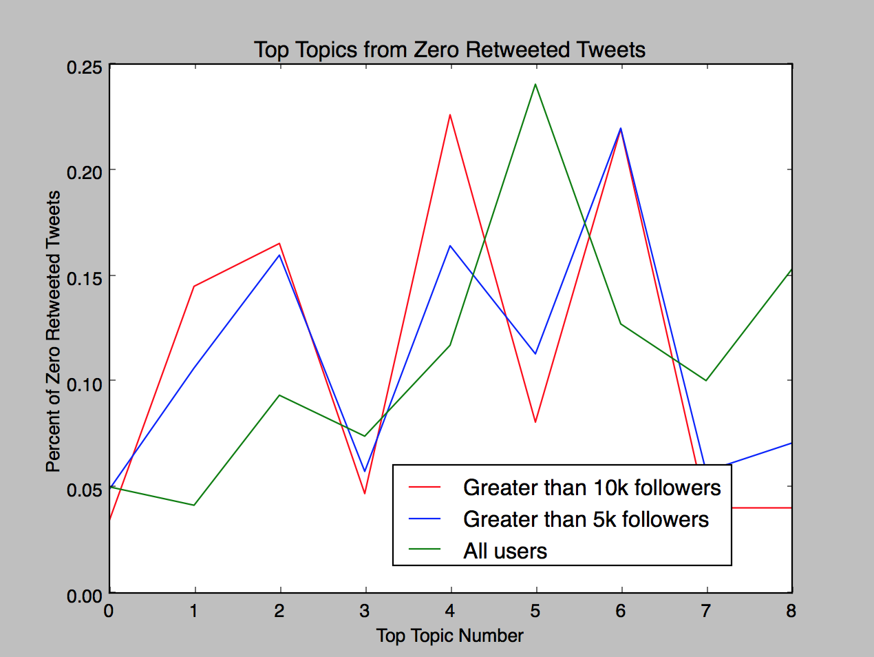
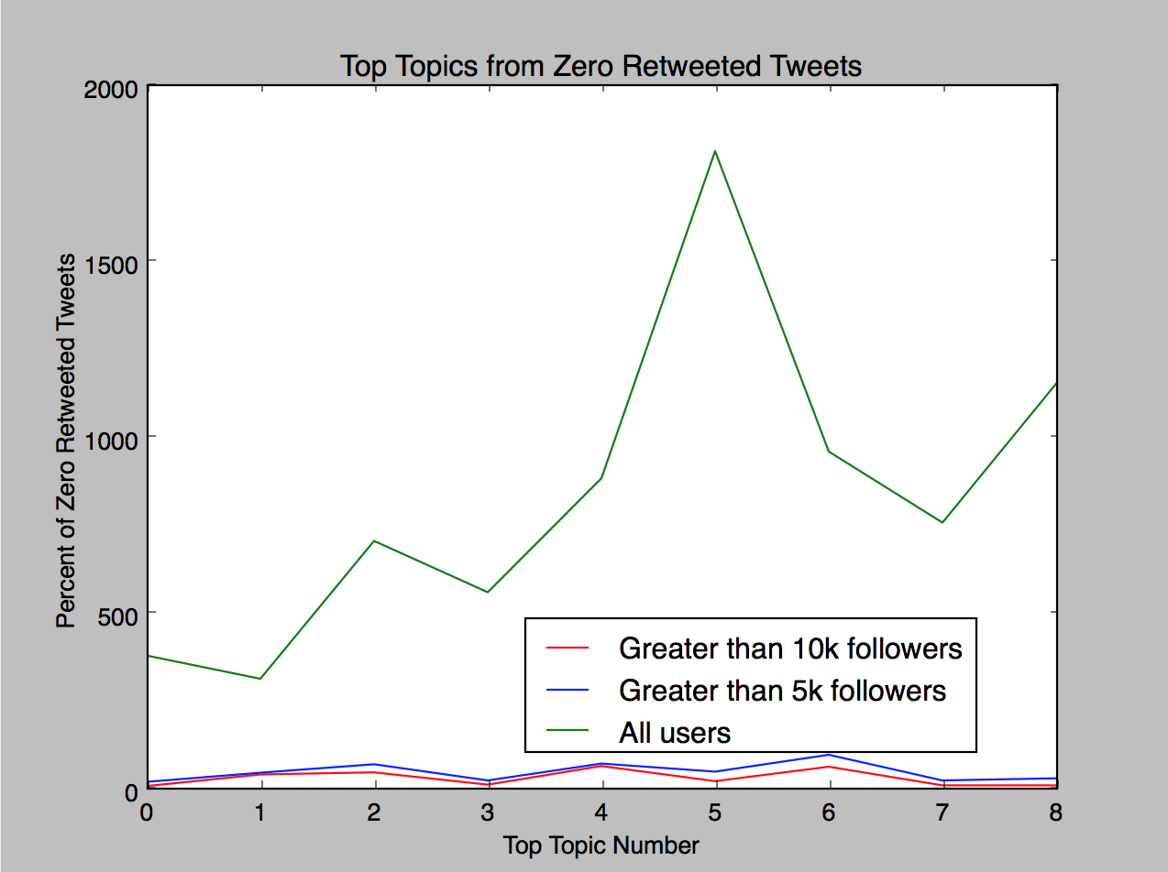
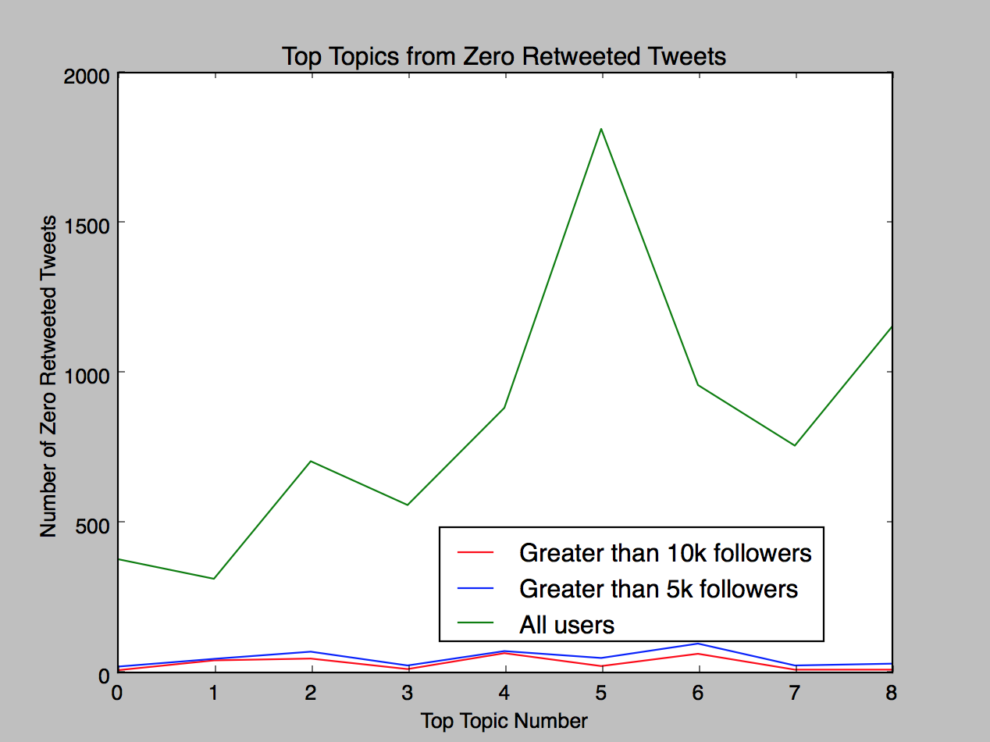
...
Link to Tweet | Screename | Category | NumFollowers | NumFollowing | Tweet_Text | RetweetCount |  | TopTopic | Zero | One | Two | Three
https://twitter.com/#!/None/status/696869707077586944 | 420nurses | service_providers | 12431 | 2281 | attention girls 18 free dabs sponsored by contest giveaway girls 18 | 0 |  | 2 | 0.010101667186 | 0.15975555701 | 0.76950897459 | 0.010105051122
https://twitter.com/#!/None/status/740298687725764614 | 420nurses | service_providers | 12431 | 2281 | live on periscope dabs 420nurses | 0 |  | 4 | 0.022224984759 | 0.022226268976 | 0.022227361859 | 0.022226231493
https://twitter.com/#!/None/status/740967035673313280 | 420nurses | service_providers | 12431 | 2281 | live on periscope morning dabs | 0 |  | 4 | 0.022227188414 | 0.27289337643 | 0.022228059892 | 0.022226785051
https://twitter.com/#!/None/status/742805947693703168 | 420nurses | service_providers | 12431 | 2281 | live on periscope dabs 420nurses | 0 |  | 4 | 0.022224984711 | 0.022226269104 | 0.022227353924 | 0.022226232418
https://twitter.com/#!/None/status/739062472032854016 | 420fm_ | service_providers | 14027 | 3857 | 420 goody box dabs to christen the rig weed cannabis | 2 |  | 6 | 0.14659090968 | 0.013891409814 | 0.35759106611 | 0.013891331822
https://twitter.com/#!/None/status/739059119815032832 | 420fm_ | service_providers | 14027 | 3857 | 420 goody box dabs to christen the rig weed cannabis | 0 |  | 6 | 0.14658985161 | 0.013891410351 | 0.35746941133 | 0.013891331458
https://twitter.com/#!/None/status/739059128304295936 | 420fm_ | service_providers | 14027 | 3857 | 420 goody box dabs to christen the rig weed cannabis | 0 | retweeted occasionally | 6 | 0.14658945122 | 0.013891410584 | 0.35741750842 | 0.013891331307
https://twitter.com/#!/None/status/740142182162665473 | 420fm_ | service_providers | 14027 | 3857 | 2 chainz takes the most expensivest dab weed cannabis | 0 |  | 7 | 0.015875836402 | 0.015877366141 | 0.26776665501 | 0.015886281775
https://twitter.com/#!/None/status/740157763024748544 | 420fm_ | service_providers | 14027 | 3857 | 2 chainz gets high with 500k of bongs and dabs most expensivest weed cannabis | 0 |  | 7 | 0.012351579032 | 0.012349013794 | 0.12929276589 | 0.012351050977
https://twitter.com/#!/None/status/696076394711773184 | 420 | interest_groups | 82418 | 68941 | heres what a night inside las weed social club looks like via losangeles weedlounge adults social | 2 |  | 3 | 0.079762514596 | 0.0074077842615 | 0.0074081049235 | 0.86837997721

Sheet2
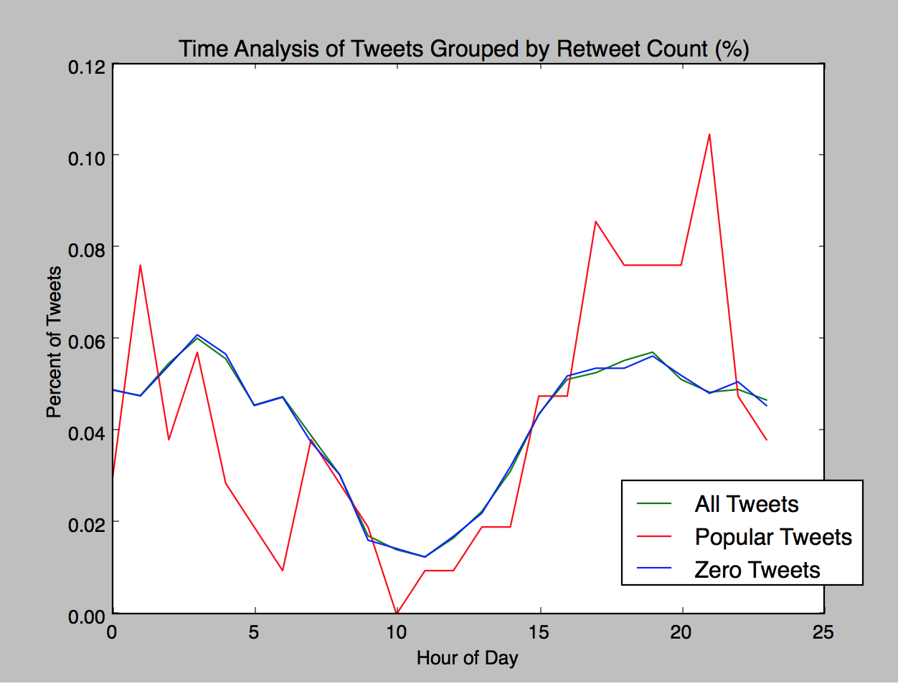
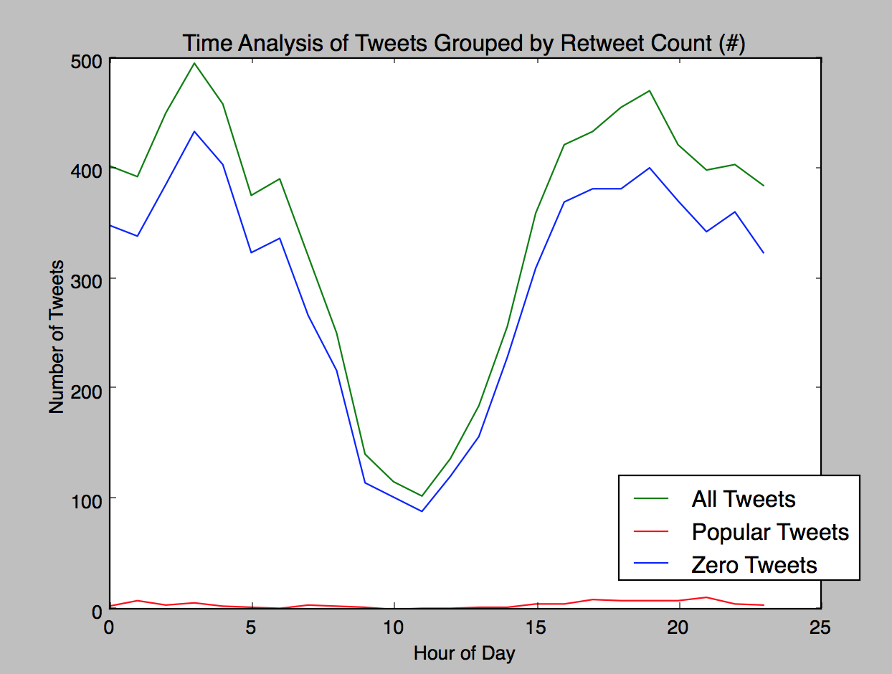

Not Localized

