측위시험위치
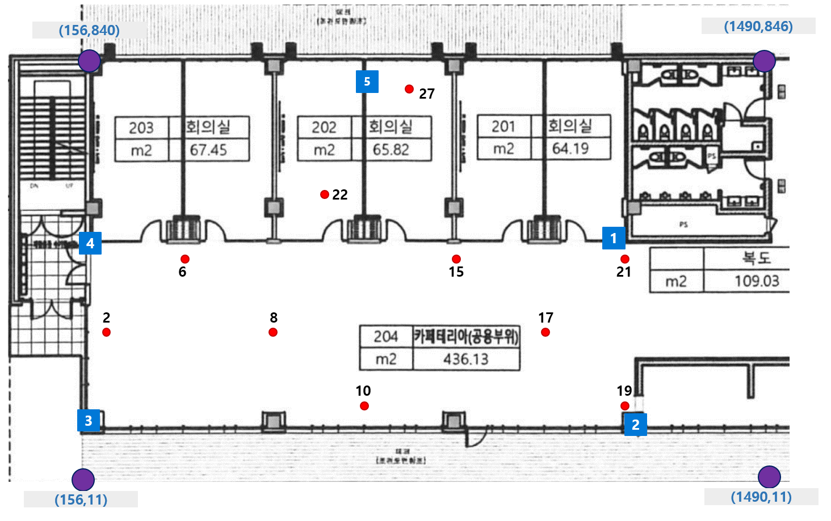
시험 지점
id | X | Y
2 | 187 | 304
6 | 347 | 457
8 | 528 | 306
10 | 703 | 146
15 | 878 | 458
17 | 1060 | 301
19 | 1202 | 170
21 | 1204 | 459
22 | 608 | 567
27 | 788 | 776

AP 위치
ID | Mac | X | Y
1 | dc:a6:32:fe:13:76 | 1200 | 481
2 | dc:a6:32:fe:13:75 | 1175 | 153
3 | dc:a6:32:fe:13:a1 | 202 | 166
4 | dc:a6:32:d6:cc:04 | 185 | 478
5 | dc:a6:32:d8:39:a7 | 699 | 817

