signal
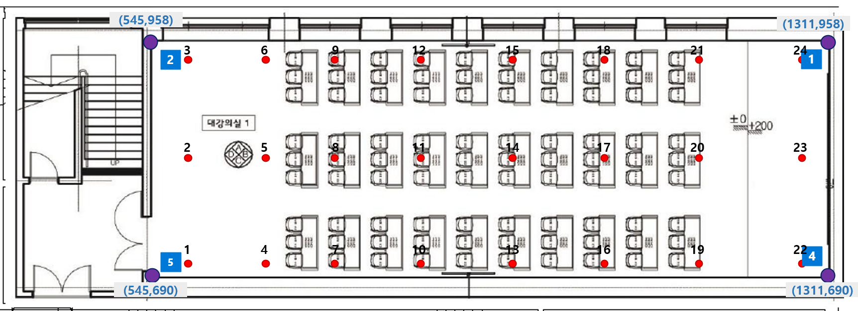
 |  |  |  | S7 |  |  |  | iphone8 |  |  |  | WiFi Tag
 |  |  |  | 1 | 2 | 5 | 4 | 1 | 2 | 5 | 4 | 1 | 2 | 5 | 4
id | x | y | time | dc:a6:32:fe:13:76 | dc:a6:32:fe:13:75 | dc:a6:32:d8:39:a7 | dc:a6:32:d6:cc:04 | dc:a6:32:fe:13:76 | dc:a6:32:fe:13:75 | dc:a6:32:d8:39:a7 | dc:a6:32:d6:cc:04 | dc:a6:32:fe:13:76 | dc:a6:32:fe:13:75 | dc:a6:32:d8:39:a7 | dc:a6:32:d6:cc:04
1 | 585 | 939 | 9/16/21 | -78 | -46 | -71 | -79 | -79 | -51 | -72 | -73 | -80 | -57 | -58 | -82
2 | 587 | 709 | 9/16/21 | -73 | -70 | -36 | -68 | -79 | -64 | -33 | -73 | -76 | -82 | -49 | -71
3 | 588 | 829 | 9/16/21 | -76 | -54 | -41 | -61 | -77 | -59 | -48 | -69 | -76 | -78 | -51 | -72
4 | 677 | 707 | 9/16/21 | -75 | -65 | -62 | -70 | -74 | -65 | -65 | -66 | -75 | -79 | -78 | -71
5 | 680 | 941 | 9/16/21 | -76 | -53 | -63 | -68 | -77 | -58 | -68 | -73 | -57 | -74 | -59 | -70
6 | 682 | 830 | 9/16/21 | -64 | -60 | -61 | -69 | -67 | -60 | -71 | -72 | -66 | -86 | -75 | -65
7 | 746 | 827 | 9/16/21 | -59 | -64 | -70 | -57 | -60 | -79 | -75 | -66 | -72 | -81 | -85 | -76
8 | 748 | 942 | 9/16/21 | -59 | -61 | -67 | -59 | -65 | -60 | -70 | -64 | -76 | -78 | -83 | -80
9 | 749 | 705 | 9/16/21 | -71 | -65 | -52 | -66 | -74 | -69 | -56 | -73 | -60 | -74 | -64 | -72
10 | 854 | 938 | 9/16/21 | -69 | -67 | -66 | -55 | -73 | -71 | -75 | -54 | -76 | -84 | -84 | -73
11 | 854 | 826 | 9/16/21 | -60 | -69 | -53 | -66 | -59 | -74 | -57 | -61 | -64 | -75 | -83 | -71
12 | 854 | 703 | 9/16/21 | -65 | -61 | -59 | -68 | -63 | -77 | -67 | -77 | -79 | -80 | -69 | -61
13 | 954 | 703 | 9/16/21 | -69 | -67 | -76 | -55 | -67 | -82 | -92 | -69 | -70 | -93 | -95 | -75
14 | 955 | 825 | 9/16/21 | -62 | -66 | -71 | -50 | -64 | -78 | -81 | -57 | -70 | -78 | -66 | -61
15 | 956 | 940 | 9/16/21 | -59 | -72 | -67 | -57 | -59 | -77 | -78 | -65 | -76 | -81 | -84 | -66
16 | 1062 | 940 | 9/16/21 | -66 | -69 | -51 | -61 | -71 | -75 | -61 | -64 | -67 | -84 | -69 | -69
17 | 1062 | 824 | 9/16/21 | -53 | -69 | -74 | -46 | -55 | -77 | -64 | -60 | -65 | -93 | -88 | -59
18 | 1062 | 702 | 9/16/21 | -62 | -71 | -75 | -51 | -65 | -80 | -84 | -61 | -55 | -90 | -89 | -63
19 | 1164 | 822 | 9/16/21 | -61 | -73 | -75 | -49 | -68 | -77 | -61 | -56 | -76 | -78 | -83 | -69
20 | 1164 | 701 | 9/16/21 | -62 | -67 | -72 | -56 | -63 | -72 | -78 | -65 | -70 | -72 | -89 | -59
21 | 1165 | 941 | 9/16/21 | -58 | -70 | -75 | -57 | -62 | -73 | -83 | -66 | -69 | -79 | -89 | -75
22 | 1297 | 940 | 9/16/21 | -37 | -76 | -63 | -62 | -41 | -86 | -85 | -63 | -40 | -87 | -82 | -57
23 | 1297 | 823 | 9/16/21 | -56 | -75 | -78 | -50 | -59 | -74 | -85 | -66 | -63 | -74 | -83 | -53
24 | 1297 | 700 | 9/16/21 | -62 | -69 | -82 | -36 | -65 | -73 | -68 | -34 | -64 | -86 | -84 | -37

Edge위치
