측위시험위치
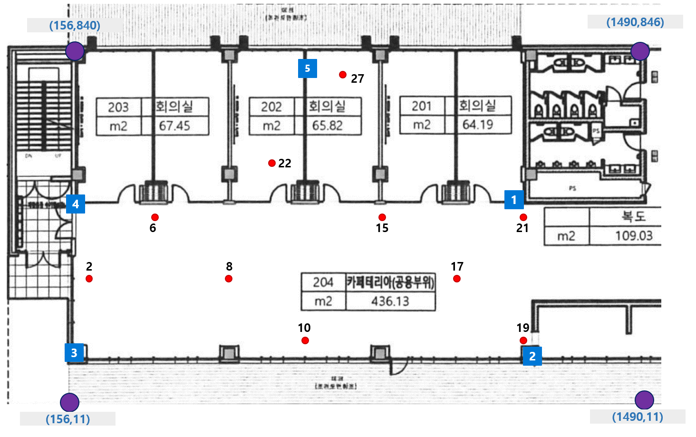
id | X | Y
2 | 187 | 304
6 | 347 | 457
8 | 528 | 306
10 | 703 | 146
15 | 878 | 458
17 | 1060 | 301
19 | 1202 | 170
21 | 1204 | 459
22 | 608 | 567
27 | 788 | 776

