implant
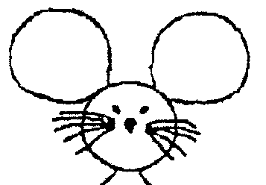
Date of implant: |  | DoB: | CCMS Cage#
Implant ID: |  | Ear Tag # | Sex:

 |  |  | Weight (g) | ADJ ratio | O2 flow (L/min) | ISO% (of O2)
 |  |  | 30 | 1 | 1 | 2

 |  |  | BUPRENEX S.C. (0.03 stock, in mL) | Lac. Ring S.C. (mL)
 |  |  | 0.1mL/30g mouse | 0.5/30g mouse

COORDINATES assuming LEFT arm orientation!
EEG screws to pin tail (1.5cm)

Location | X (A->P) 0.X mm sigfig | Y(M->L) 0.X mm sigfig | Z (D->V, from skull plane) 0.X mm sigfig | Sequence | Done? | Pinout
Lambda | __________ | __________ | __________ | 0 | ¨
Bregma | __________ | __________ | __________ | 0 | ¨
COMM | (Lambda_X)-(1.5*adjust_ratio) = _____ | (Lambda_Y)+(1.5*adjust_ratio) = _____ | (Bregma_Z)-0.0 = _____ | 1 | ¨ | 0
GND | (Lambda_X)-(1.5*adjust_ratio) = _____ | (Lambda_Y)-(1.5*adjust_ratio) = _____ | (Bregma_Z)-0.0 = _____ | 2 | ¨ | 3rd in Loc1
RM1/EEG-Ch1 | (Bregma_X)+(1.5*adjust_ratio) = _____ | (Bregma_Y)-(2.0*adjust_ratio) = _____ | (Bregma_Z)-0.7 = _____ | 3 | ¨ | 1st in Loc5
LM1/EEG-Ch2 | (Bregma_X)+(1.5*adjust_ratio) = _____ | (Bregma_Y)+(2.0*adjust_ratio) = _____ | (Bregma_Z)-0.0 = _____ | 4 | ¨ | 2nd in Loc2
EMG/EEG-Ch3&6 | (Bregma_X)+(1.1*adjust_ratio) = | (Bregma_Y)-(2.0*adjust_ratio) = | (Bregma_Z)-0.7 = _____ | 5 | ¨ | 0

