implant
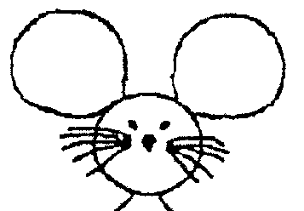
Date of surgery: |  | DoB: | CCMS Cage#
Implant ID: |  | Ear Tag # | Sex:
 |  |  | Virus name:
 |  |  | vol/injetion (uL):

 |  |  | Weight (g) | ADJ ratio | O2 flow (L/min) | ISO% (of O2)
 |  |  | 30 | 1 | 1 | 2

 |  |  | BUPRENEX S.C. (0.03 stock, in mL) | Lac. Ring S.C. (mL)
 |  |  | 0.1 mL/30g mouse | 0.5/30g mouse

COORDINATES assuming LEFT arm orientation!
EEG screws to pin tail (1.5cm)

Location | X (A->P) 0.X mm sigfig | Y(M->L) 0.X mm sigfig | Z (D->V, from skull plane) 0.X mm sigfig | Sequence | Done? | Pinout
Lambda | __________ | __________ | __________ | 1 | ¨
Bregma | __________ | __________ | __________ | 1 | ¨
LC injection | Bregma - 5.5 mm | ±0.85 mm (-R, +L) | Brain - 3.60 mm | 2 | ¨
 | R | L |  |  | ¨
Start Z: |  |  |  |  | ¨
End Z - 0.02 (hold 10s) |  |  |  |  | ¨
End Z (hold 10m)
End Z +0.02 (hold 5m)
Inject speed

