implant
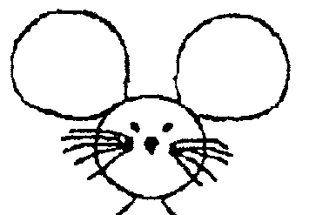
Date of implant: |  |  | DoB: |  |  | CCMS Cage#
Implant ID: |  |  | Ear Tag # |  |  | Sex:
Genotype:
Weight (g) | O2 flow (L/min) | ISO% (of O2)
30 | 1 | 2
BUPRENEX S.C. (0.03 stock, in mL) |  | Lac. Ring S.C. (mL)
0.1mL/30g mouse |  | 0.5/30g mouse
https://www.jove.com/video/54908/high-density-electroencephalographic-acquisition-rodent-model-using
COORDINATES assuming LEFT arm orientation!
Location | X (A->P) 0.X mm sigfig | Y(M->L) 0.X mm sigfig | Column1 | Column2 | Sequence | Done?
Lambda | __________ | __________ |  |  | 2 | ¨
Bregma | __________ | __________ |  |  | 1 | ¨
M to L (1.3mm) → A to P (1.3mm) ↓ | +2.3 | +1 (Left) | -1 (Right) | -2.3
6.4 |  | 27 | 28
5.1 |  | 29 | 30
3.8 |  | 1 | 2
2.5 | 3 | 4 | 5 | 6
1.2 | 7 | 8 | 9 | 10
-0.1 | 11 | 12 | 13 | 14
-1.4 | 15 | 16 | 17 | 18
-2.7 | 19 | 20 | 21 | 22
-4.0 | 23 | 24 | 25 | 26
-5.3 |  | 31 | 32 | Cerebellum

