implant
Date of implant: |  | DoB: |  | CCMS Cage#
Implant ID: |  | Ear Tag #

Location | X (A->P) 0.X mm sigfig | Y(M->L) 0.X mm sigfig | Z (D->V, from skull plane) 0.X mm sigfig |  | TARGETS | X (mm) | Y (mm) | Z (mm, from skull plane)
Bregma | _____ | _____ | _____ |  | EMG | NM | NM | NM
Lambda | _____ | _____ | _____ |  | PC | 2 | 1.5 | 0.5
- |  |  |  |  | - | - | - | -
GND | (Lambda_X)-(1.5*adjust_ratio) = _____ | (Lambda_Y)-(1.0*adjust_ratio) = _____ | (Bregma_Z)-0.5 = _____
EMG-R/EEG3 | (Bregma_X)+(1.1*adjust_ratio) = _____ | (Bregma_Y)+(1.5*adjust_ratio) = _____ | (Bregma_Z)-0.5 = _____ |  | Weight (g) | ADJ ratio | O2 flow | ISO%
R-PC/EEG1 | (Bregma_X)-(2.0*adjust_ratio) = _____ | (Bregma_Y)-(1.5*adjust_ratio) = _____ | (Bregma_Z)-0.5 = _____ |  | 30 | 1 | 1 | 2
L-PC/EEG2 | (Bregma_X)-(2.0*adjust_ratio) = _____ | (Bregma_Y)+(1.5*adjust_ratio) = _____ | (Bregma_Z)-0.5 = _____
COMM | (Lambda_X)-(1.5*adjust_ratio) = _____ | (Lambda_Y)+(1.0*adjust_ratio) = _____ | (Bregma_Z)-0.5 = _____ |  | BUPRENEX S.C. (0.03 stock, in mL) | Lac. Ring S.C. (mL)
EMG-L/EEG3 | SOLDERED to COMM |  |  |  | 0.1 | 0.5

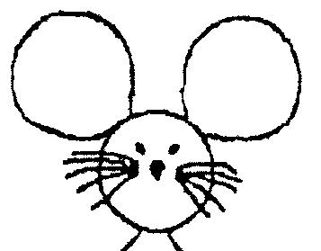
Animal ID
COORDINATES assuming LEFT arm orientation! |  |  |  |  | Verify Tilt: ±2.0 mm lateral of sagital suture, measure Z

 |  |  |  |  | Drill Sequence: | COMM, GND, R-PC, L-PC
 |  |  |  |  | Implant Sequence: | R-PC, L-PC, GND, COMM, EMG
 |  |  |  |  | Pin-Out Sequence: | GND, L-PC/EEG2, EMG-R/EEG3, EMG-L, R-PC/EEG1

Adjust ratio $=\frac{Measured X B−L}{Reference X B−L}$

 |  |  | Acceptance:
 |  |  | X | 0.1mm
 |  |  | Y | 0.1mm
 |  |  | Z | 0.1mm

