implant
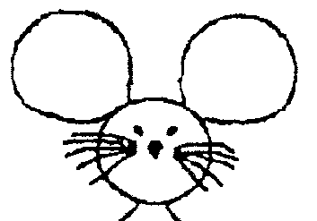
Date of implant: |  |  | DoB: |  |  | CCMS Cage#
Implant ID: |  |  | Ear Tag # |  |  | Sex:
Genotype:
Weight (g) | O2 flow (L/min) | ISO% (of O2)
30 | 1 | 2
BUPRENEX S.C. (0.03 stock, in mL) |  | Lac. Ring S.C. (mL)
0.1mL/30g mouse |  | 0.5/30g mouse
https://www.jove.com/video/54908/high-density-electroencephalographic-acquisition-rodent-model-using
COORDINATES assuming LEFT arm orientation!
Location | X (A->P) 0.X mm sigfig | Y(M->L) 0.X mm sigfig | Column1 | Column2 | Sequence | Done?
Lambda | __________ | __________ |  |  | 2 | ¨
Bregma | __________ | __________ | Xbreg - 0.10 | Ybreg + 1.00 | 1 | ¨
M to L (1.3mm increments) → A to P (1.3mm increments) ↓ | +2.30 | +1.00 (Left) | -1.00 (Right) | -2.30
6.40 |  | 27 | 28 |  |  | ¨
5.10 |  | 29 | 30 |  |  | ¨
3.80 |  | 1 | 2 |  |  | ¨
2.50 | 3 | 4 | 5 | 6 |  | ¨
1.20 | 7 | 8 | 9 | 10 |  | ¨
-0.10 | 11 | 12 | 13 | 14 |  | ¨
-1.40 | 15 | 16 | 17 | 18 |  | ¨
-2.70 | 19 | 20 | 21 | 22 |  | ¨
-4.00 | 23 | 24 | 25 | 26 |  | ¨
-5.30 |  | 31 | 32 | Cerebellum |  | ¨

