implant
Date of implant: |  | CCMS Cage#
Animal ID:

Location | X (A->P) | Y(M->L) | Z (D->V, from skull plane) | TARGETS | X (mm) | Y (mm) | Z (mm, from skull plane)
Bregma | _____ | _____ | _____ | M1 | 1.1 | 1.5 | 0.5
Lambda | _____ | _____ | _____ | PC | 2 | 1.5 | 0.5
- |  |  |  | - | - | - | -
GND | (Lambda_X)-(1.5*adjust_ratio) = _____ | (Lambda_Y)+(0.1*adjust_ratio) = _____ | (Bregma_Z)-0.5 = _____
R-M1/EEG3 | (Bregma_X)+(1.1*adjust_ratio) = _____ | (Bregma_Y)-(0.15*adjust_ratio) = _____ | (Bregma_Z)-0.5 = _____ | Weight (g) | ADJ ratio | O2 flow | ISO%
R-PC/EEG1 | (Bregma_X)-(2.0*adjust_ratio) = _____ | (Bregma_Y)+(0.15*adjust_ratio) = _____ | (Bregma_Z)-0.5 = _____ | 30 | 1 | 1 | 2
L-M1/EEG2 | (Bregma_X)+(1.1*adjust_ratio) = _____ | (Bregma_Y)+(0.15*adjust_ratio) = _____ | (Bregma_Z)-0.5 = _____
COMM | (Lambda_X)-(1.5*adjust_ratio) = _____ | (Lambda_Y)+(0.1*adjust_ratio) = _____ | (Bregma_Z)-0.5 = _____ | BUPRENEX S.C. (0.03 stock, in mL) | Lac. Ring S.C. (mL)
REF-EEG3 | SOLDERED to COMM |  |  | 0.1 | 0.5

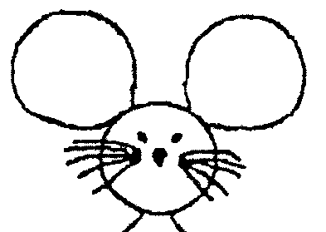
Animal ID
COORDINATES assuming LEFT arm orientation! |  |  |  | Drill Sequence: | COMM, GND, L-PC, L-M1, R-M1
 |  |  |  | Implant Sequence: | R-M1, L-M1, GND, L-PC, COMM
 |  |  |  | Pin-Out Sequence: | GND, L-M1/EEG2, R-M1/EEG3, L-PC/EEG1

