t-test
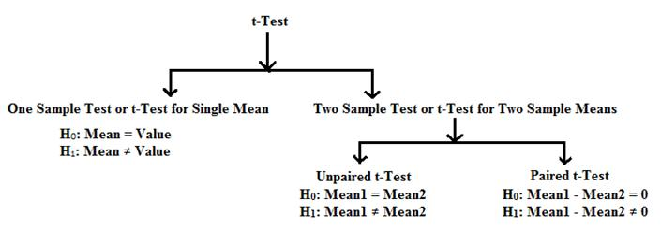
One-sample t-test | Two-sample t-test
Sample mean is compared to a given value | Means of two samples are compared

