Sheet1
OWASP: Testing Guide v4.2 Checklist
 |  |  |  | Severity : | High - Critical
Target URL/IP : 192.168.1.14:8080 |  | Start Date : 2023-06-11 |  |  | Medium - High
Target Name : |  | Pentester Name : |  |  | Low - Medium

Information Gathering | Test Name | Objectives | Endpoint | Result | Screenshot | Notes
WSTG-INFO-01 | Conduct Search Engine Discovery Reconnaissance for Information Leakage | - Identify what sensitive design and configuration information of the application, system, or organization is exposed directly (on the organization's site) or indirectly (via third-party services). | *
WSTG-INFO-02 | Fingerprint Web Server | - Determine the version and type of a running web server to enable further discovery of any known vulnerabilities. | *
WSTG-INFO-03 | Review Webserver Metafiles for Information Leakage | - Identify hidden or obfuscated paths and functionality through the analysis of metadata files.- Extract and map other information that could lead to a better understanding of the systems at hand. | *
WSTG-INFO-04 | Enumerate Applications on Webserver | - Enumerate the applications within the scope that exist on a web server. | *
WSTG-INFO-05 | Review Webpage Content for Information Leakage | - Enumerate the applications within the scope that exist on a web server. | *
WSTG-INFO-06 | Identify Application Entry Points | - Identify possible entry and injection points through request and response analysis. | *
WSTG-INFO-07 | Map Execution Paths Through Application | - Map the target application and understand the principal workflows. | *
WSTG-INFO-08 | Fingerprint Web Application Framework | - Fingerprint the components being used by the web applications. | *
WSTG-INFO-09 | Fingerprint Web Application | N/A | *
WSTG-INFO-10 | Map Application Architecture | - Understand the architecture of the application and the technologies in use. | *

Configuration and Deployment Management Testing | Test Name | Objectives | Endpoint | Result | Screenshot | Notes
WSTG-CONF-01 | Test Network Infrastructure Configuration | - Review the applications' configurations set across the network and validate that they are not vulnerable.- Validate that used frameworks and systems are secure and not susceptible to known vulnerabilities due to unmaintained software or default settings and credentials. | *
WSTG-CONF-02 | Test Application Platform Configuration | - Ensure that defaults and known files have been removed.- Validate that no debugging code or extensions are left in the production environments.- Review the logging mechanisms set in place for the application. | *
WSTG-CONF-03 | Test File Extensions Handling for Sensitive Information | - Dirbust sensitive file extensions, or extensions that might contain raw data (*e.g.* scripts, raw data, credentials, etc.).- Validate that no system framework bypasses exist on the rules set. | *
WSTG-CONF-04 | Review Old Backup and Unreferenced Files for Sensitive Information | - Find and analyse unreferenced files that might contain sensitive information. | *
WSTG-CONF-05 | Enumerate Infrastructure and Application Admin Interfaces | - Identify hidden administrator interfaces and functionality. | *
WSTG-CONF-06 | Test HTTP Methods | - Enumerate supported HTTP methods.- Test for access control bypass.- Test HTTP method overriding techniques. | *
WSTG-CONF-07 | Test HTTP Strict Transport Security | - Review the HSTS header and its validity. | *
WSTG-CONF-08 | Test RIA Cross Domain Policy | N/A | *
WSTG-CONF-09 | Test File Permission | - Review and identify any rogue file permissions. | *
WSTG-CONF-10 | Test for Subdomain Takeover | - Enumerate all possible domains (previous and current).- Identify forgotten or misconfigured domains. | *
WSTG-CONF-11 | Test Cloud Storage | - Assess that the access control configuration for the storage services is properly in place. | *
WSTG-CONF-12 | Testing for Content Security Policy | - Review the Content-Security-Policy header or meta element to identify misconfigurations. | *
WSTG-CONF-13 | Test Path Confusion | - Make sure application paths are configured correctly. | *

Identity Management Testing | Test Name | Objectives | Endpoint | Result | Screenshot | Notes
WSTG-IDNT-01 | Test Role Definitions | - Identify and document roles used by the application.- Attempt to switch, change, or access another role.- Review the granularity of the roles and the needs behind the permissions given.
WSTG-IDNT-02 | Test User Registration Process | - Verify that the identity requirements for user registration are aligned with business and security requirements.- Validate the registration process. | POST http://192.168.1.14:8080/
WSTG-IDNT-03 | Test Account Provisioning Process | - Verify which accounts may provision other accounts and of what type. | POST http://192.168.1.14:8080/
WSTG-IDNT-04 | Testing for Account Enumeration and Guessable User Account | - Review processes that pertain to user identification (*e.g.* registration, login, etc.).- Enumerate users where possible through response analysis. | POST http://192.168.1.14:8080/
WSTG-IDNT-05 | Testing for Weak or Unenforced Username Policy | - Determine whether a consistent account name structure renders the application vulnerable to account enumeration.- Determine whether the application's error messages permit account enumeration.

Authentication Testing | Test Name | Objectives | Endpoint | Result | Screenshot | Notes
WSTG-ATHN-01 | Testing for Credentials Transported over an Encrypted Channel | N/A | POST http://192.168.1.14:8080/
WSTG-ATHN-02 | Testing for Default Credentials | - Determine whether the application has any user accounts with default passwords. - Review whether new user accounts are created with weak or predictable passwords. | POST http://192.168.1.14:8080/
WSTG-ATHN-03 | Testing for Weak Lock Out Mechanism | - Evaluate the account lockout mechanism's ability to mitigate brute force password guessing.- Evaluate the unlock mechanism's resistance to unauthorized account unlocking. | POST http://192.168.1.14:8080/
WSTG-ATHN-04 | Testing for Bypassing Authentication Schema | - Ensure that authentication is applied across all services that require it.
WSTG-ATHN-05 | Testing for Vulnerable Remember Password | - Validate that the generated session is managed securely and do not put the user's credentials in danger.
WSTG-ATHN-06 | Testing for Browser Cache Weaknesses | - Review if the application stores sensitive information on the client-side.- Review if access can occur without authorization.
WSTG-ATHN-07 | Testing for Weak Password Policy | - Determine the resistance of the application against brute force password guessing using available password dictionaries by evaluating the length, complexity, reuse, and aging requirements of passwords. | POST http://192.168.1.14:8080/
WSTG-ATHN-08 | Testing for Weak Security Question Answer | - Determine the complexity and how straight-forward the questions are.- Assess possible user answers and brute force capabilities.
WSTG-ATHN-09 | Testing for Weak Password Change or Reset Functionalities | - Determine whether the password change and reset functionality allows accounts to be compromised. | POST http://192.168.1.14:8080/
WSTG-ATHN-10 | Testing Multi-Factor Authentication (MFA) | - Identify the type of MFA used by the application.- Determine whether the MFA implementation is robust and secure.- Attempt to bypass the MFA. | *

Authorization Testing | Test Name | Objectives | Endpoint | Result | Screenshot | Notes
WSTG-ATHZ-01 | Testing Directory Traversal File Include | - Identify injection points that pertain to path traversal.- Assess bypassing techniques and identify the extent of path traversal.
WSTG-ATHZ-02 | Testing for Bypassing Authorization Schema | - Assess if horizontal or vertical access is possible.
WSTG-ATHZ-03 | Testing for Privilege Escalation | - Identify injection points related to privilege manipulation.- Fuzz or otherwise attempt to bypass security measures.
WSTG-ATHZ-04 | Testing for Insecure Direct Object References | - Identify points where object references may occur.- Assess the access control measures and if they're vulnerable to IDOR.
WSTG-ATHZ-05 | Testing for OAuth Weaknesses | - Determine if OAuth2 implementation is vulnerable or using a deprecated or custom implementation.

Session Management Testing | Test Name | Objectives | Endpoint | Result | Screenshot | Notes
WSTG-SESS-01 | Testing for Session Management Schema | - Gather session tokens, for the same user and for different users where possible.- Analyze and ensure that enough randomness exists to stop session forging attacks.- Modify cookies that are not signed and contain information that can be manipulated.
WSTG-SESS-02 | Testing for Cookies Attributes | - Ensure that the proper security configuration is set for cookies. | GET http://192.168.1.14:8080/
WSTG-SESS-03 | Testing for Session Fixation | - Analyze the authentication mechanism and its flow.- Force cookies and assess the impact. | GET http://192.168.1.14:8080/
WSTG-SESS-04 | Testing for Exposed Session Variables | - Ensure that proper encryption is implemented.- Review the caching configuration.- Assess the channel and methods' security. | GET http://192.168.1.14:8080/
WSTG-SESS-05 | Testing for Cross Site Request Forgery | - Determine whether it is possible to initiate requests on a user's behalf that are not initiated by the user. | GET http://192.168.1.14:8080/
WSTG-SESS-06 | Testing for Logout Functionality | - Assess the logout UI.- Analyze the session timeout and if the session is properly killed after logout.
WSTG-SESS-07 | Testing Session Timeout | - Validate that a hard session timeout exists.
WSTG-SESS-08 | Testing for Session Puzzling | - Identify all session variables.- Break the logical flow of session generation.
WSTG-SESS-09 | Testing for Session Hijacking | - Identify vulnerable session cookies.- Hijack vulnerable cookies and assess the risk level. | POST http://192.168.1.14:8080/
WSTG-SESS-10 | Testing JSON Web Tokens | - Determine whether the JWTs expose sensitive information.- Determine whether the JWTs can be tampered with or modified.

Input Validation Testing | Test Name | Objectives | Endpoint | Result | Screenshot | Notes
WSTG-INPV-01 | Testing for Reflected Cross Site Scripting | - Identify variables that are reflected in responses.- Assess the input they accept and the encoding that gets applied on return (if any). | POST http://192.168.1.14:8080/
WSTG-INPV-02 | Testing for Stored Cross Site Scripting | - Identify stored input that is reflected on the client-side.- Assess the input they accept and the encoding that gets applied on return (if any). | POST http://192.168.1.14:8080/
WSTG-INPV-03 | Testing for HTTP Verb Tampering | N/A | *
WSTG-INPV-04 | Testing for HTTP Parameter Pollution | - Identify the backend and the parsing method used.- Assess injection points and try bypassing input filters using HPP. | *
WSTG-INPV-05 | Testing for SQL Injection | - Identify SQL injection points.- Assess the severity of the injection and the level of access that can be achieved through it. | POST http://192.168.1.14:8080/ | VULN | 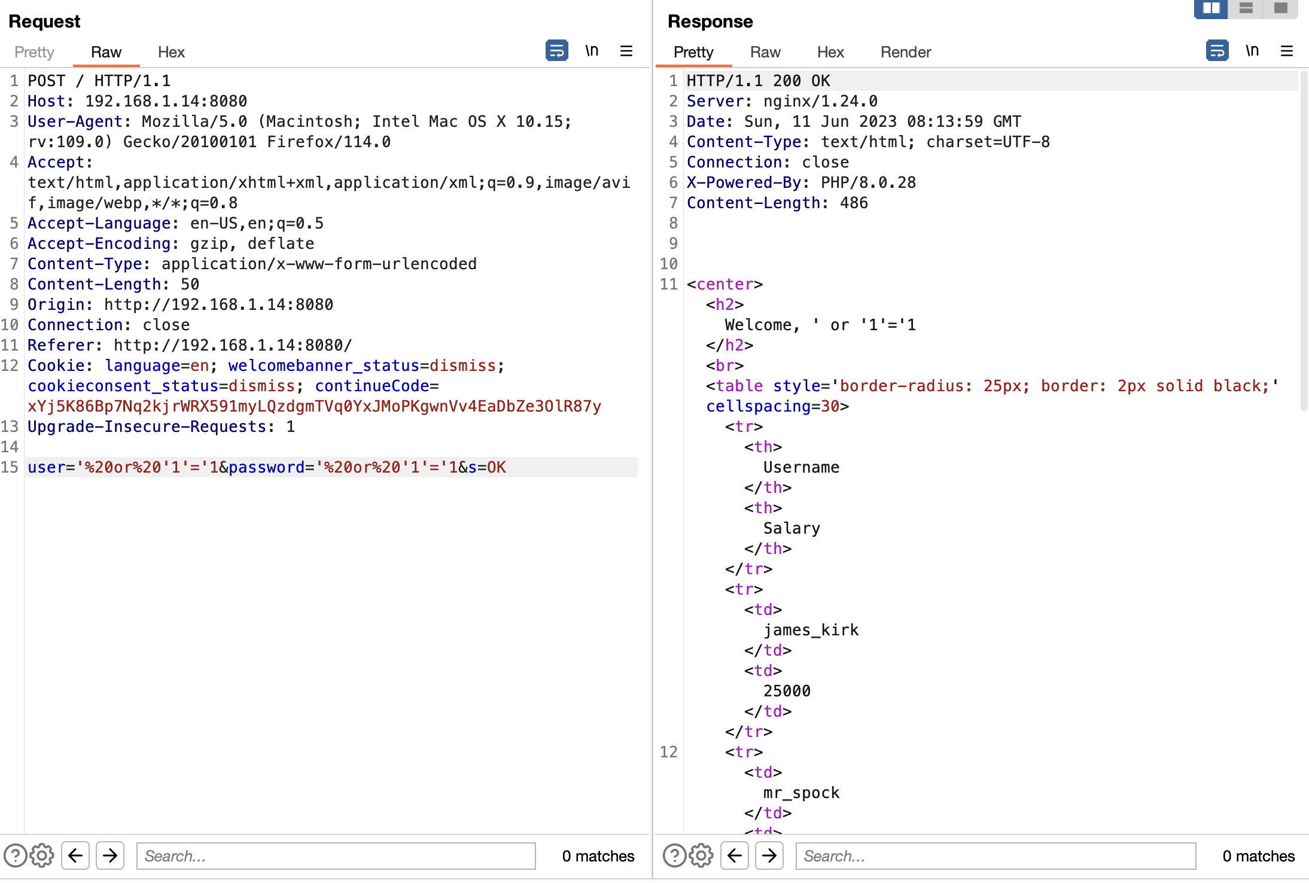 | To bypass login page we need to put SQL Injection payload on username and password
WSTG-INPV-06 | Testing for LDAP Injection | - Identify LDAP injection points.- Assess the severity of the injection. | POST http://192.168.1.14:8080/
WSTG-INPV-07 | Testing for XML Injection | - Identify XML injection points.- Assess the types of exploits that can be attained and their severities.
WSTG-INPV-08 | Testing for SSI Injection | - Identify SSI injection points.- Assess the severity of the injection.
WSTG-INPV-09 | Testing for XPath Injection | - Identify XPATH injection points. | POST http://192.168.1.14:8080/
WSTG-INPV-10 | Testing for IMAP SMTP Injection | - Identify IMAP/SMTP injection points.- Understand the data flow and deployment structure of the system.- Assess the injection impacts.
WSTG-INPV-11 | Testing for Code Injection | - Identify injection points where you can inject code into the application.- Assess the injection severity.
WSTG-INPV-12 | Testing for Command Injection | - Identify and assess the command injection points.
WSTG-INPV-13 | Testing for Buffer Overflow | N/A | POST http://192.168.1.14:8080/
WSTG-INPV-14 | Testing for Format String Injection | - Assess whether injecting format string conversion specifiers into user-controlled fields causes undesired behavior from the application. | *
WSTG-INPV-15 | Testing for Incubated Vulnerability | - Identify injections that are stored and require a recall step to the stored injection.- Understand how a recall step could occur.- Set listeners or activate the recall step if possible. | *
WSTG-INPV-16 | Testing for HTTP Splitting Smuggling | - Assess if the application is vulnerable to splitting, identifying what possible attacks are achievable.- Assess if the chain of communication is vulnerable to smuggling, identifying what possible attacks are achievable. | *
WSTG-INPV-17 | Testing for HTTP Incoming Requests | - Monitor all incoming and outgoing HTTP requests to the Web Server to inspect any suspicious requests.- Monitor HTTP traffic without changes of end user Browser proxy or client-side application. | POST http://192.168.1.14:8080/
WSTG-INPV-18 | Testing for Host Header Injection | - Assess if the Host header is being parsed dynamically in the application.- Bypass security controls that rely on the header. | POST http://192.168.1.14:8080/
WSTG-INPV-19 | Testing for Server-side Template Injection | - Detect template injection vulnerability points.- Identify the templating engine.- Build the exploit.
WSTG-INPV-20 | Testing for Server-Side Request Forgery | - Identify SSRF injection points.- Test if the injection points are exploitable.- Asses the severity of the vulnerability.
WSTG-INPV-21 | Testing for Mass Assignment | - Identify requests that modify objects.- Assess if it is possible to modify fields never intended to be modified from outside

Testing for Error Handling | Test Name | Objectives | Endpoint | Result | Screenshot | Notes
WSTG-ERRH-01 | Testing for Improper Error Handling | - Identify existing error output.- Analyze the different output returned. | *
WSTG-ERRH-02 | Testing for Stack Traces | N/A | *

Testing for Weak Cryptography | Test Name | Objectives | Endpoint | Result | Screenshot | Notes
WSTG-CRYP-01 | Testing for Weak Transport Layer Security | - Validate the service configuration.- Review the digital certificate's cryptographic strength and validity.- Ensure that the TLS security is not bypassable and is properly implemented across the application. | *
WSTG-CRYP-02 | Testing for Padding Oracle | - Identify encrypted messages that rely on padding.- Attempt to break the padding of the encrypted messages and analyze the returned error messages for further analysis. | *
WSTG-CRYP-03 | Testing for Sensitive Information Sent via Unencrypted Channels | - Identify sensitive information transmitted through the various channels.- Assess the privacy and security of the channels used.
WSTG-CRYP-04 | Testing for Weak Encryption | - Provide a guideline for the identification weak encryption or hashing uses and implementations. | *

Business Logic Testing | Test Name | Objectives | Endpoint | Result | Screenshot | Notes
WSTG-BUSL-01 | Test Business Logic Data Validation | - Identify data injection points.- Validate that all checks are occurring on the backend and can't be bypassed.- Attempt to break the format of the expected data and analyze how the application is handling it. | *
WSTG-BUSL-02 | Test Ability to Forge Requests | - Review the project documentation looking for guessable, predictable, or hidden functionality of fields.- Insert logically valid data in order to bypass normal business logic workflow. | *
WSTG-BUSL-03 | Test Integrity Checks | - Review the project documentation for components of the system that move, store, or handle data.- Determine what type of data is logically acceptable by the component and what types the system should guard against.- Determine who should be allowed to modify or read that data in each component.- Attempt to insert, update, or delete data values used by each component that should not be allowed per the business logic workflow. | *
WSTG-BUSL-04 | Test for Process Timing | - Review the project documentation for system functionality that may be impacted by time.- Develop and execute misuse cases. | *
WSTG-BUSL-05 | Test Number of Times a Function Can Be Used Limits | - Identify functions that must set limits to the times they can be called.- Assess if there is a logical limit set on the functions and if it is properly validated. | *
WSTG-BUSL-06 | Testing for the Circumvention of Work Flows | - Review the project documentation for methods to skip or go through steps in the application process in a different order from the intended business logic flow.- Develop a misuse case and try to circumvent every logic flow identified. | *
WSTG-BUSL-07 | Test Defenses Against Application Misuse | - Generate notes from all tests conducted against the system.- Review which tests had a different functionality based on aggressive input.- Understand the defenses in place and verify if they are enough to protect the system against bypassing techniques. | *
WSTG-BUSL-08 | Test Upload of Unexpected File Types | - Review the project documentation for file types that are rejected by the system.- Verify that the unwelcomed file types are rejected and handled safely.- Verify that file batch uploads are secure and do not allow any bypass against the set security measures.
WSTG-BUSL-09 | Test Upload of Malicious Files | - Identify the file upload functionality.- Review the project documentation to identify what file types are considered acceptable, and what types would be considered dangerous or malicious.- If documentation is not available then consider what would be appropriate based on the purpose of the application.- Determine how the uploaded files are processed.- Obtain or create a set of malicious files for testing.- Try to upload the malicious files to the application and determine whether it is accepted and processed.
WSTG-BUSL-10 | Test Payment Functionality | - Determine whether the business logic for the e-commerce functionality is robust.- Understand how the payment functionality works.- Determine whether the payment functionality is secure.

Client-side Testing | Test Name | Objectives | Endpoint | Result | Screenshot | Notes
WSTG-CLNT-01 | Testing for DOM-Based Cross Site Scripting | - Identify DOM sinks.- Build payloads that pertain to every sink type. | POST http://192.168.1.14:8080/
WSTG-CLNT-02 | Testing for JavaScript Execution | - Identify sinks and possible JavaScript injection points.
WSTG-CLNT-03 | Testing for HTML Injection | - Identify HTML injection points and assess the severity of the injected content. | POST http://192.168.1.14:8080/
WSTG-CLNT-04 | Testing for Client-side URL Redirect | - Identify injection points that handle URLs or paths.- Assess the locations that the system could redirect to.
WSTG-CLNT-05 | Testing for CSS Injection | - Identify CSS injection points.- Assess the impact of the injection.
WSTG-CLNT-06 | Testing for Client-side Resource Manipulation | - Identify sinks with weak input validation.- Assess the impact of the resource manipulation.
WSTG-CLNT-07 | Testing Cross Origin Resource Sharing | - Identify endpoints that implement CORS.- Ensure that the CORS configuration is secure or harmless.
WSTG-CLNT-08 | Testing for Cross Site Flashing | - Decompile and analyze the application's code.- Assess sinks inputs and unsafe method usages.
WSTG-CLNT-09 | Testing for Clickjacking | - Understand security measures in place.- Assess how strict the security measures are and if they are bypassable. | *
WSTG-CLNT-10 | Testing WebSockets | - Identify the usage of WebSockets.- Assess its implementation by using the same tests on normal HTTP channels.
WSTG-CLNT-11 | Testing Web Messaging | - Assess the security of the message's origin.- Validate that it's using safe methods and validating its input.
WSTG-CLNT-12 | Testing Browser Storage | - Determine whether the website is storing sensitive data in client-side storage.- The code handling of the storage objects should be examined for possibilities of injection attacks, such as utilizing unvalidated input or vulnerable libraries.
WSTG-CLNT-13 | Testing for Cross Site Script Inclusion | - Locate sensitive data across the system.- Assess the leakage of sensitive data through various techniques.
WSTG-CLNT-14 | Testing for Reverse Tabnabbing | N/A

API Testing | Test Name | Objectives | Endpoint | Result | Screenshot | Notes
WSTG-APIT-01 | Testing GraphQL | - Assess that a secure and production-ready configuration is deployed.- Validate all input fields against generic attacks.- Ensure that proper access controls are applied.

