Sheet1
OWASP: Testing Guide v4.2 Checklist
 |  |  |  | Severity : | High - Critical
Target URL/IP : 192.168.1.16:8080 |  | Start Date : 2023-06-18 |  |  | Medium - High
Target Name : |  | Pentester Name : |  |  | Low - Medium

No. | Endpoint | Test Cases | Result | Screenshot | Notes
1 | POST http://192.168.1.16:8080/ | Test User Registration Process | NOT APPLICABLE
 |  | Test Account Provisioning Process | NOT APPLICABLE
 |  | Testing for Credentials Transported over an Encrypted Channel | VULN
 |  | Testing for Default Credentials | VULN
 |  | Testing for Weak Password Policy | VULN
 |  | Testing for Weak Password Change or Reset Functionalities | NOT APPLICABLE
 |  | Testing Multi-Factor Authentication (MFA) | VULN
 |  | Testing for HTTP Verb Tampering | PASSED | 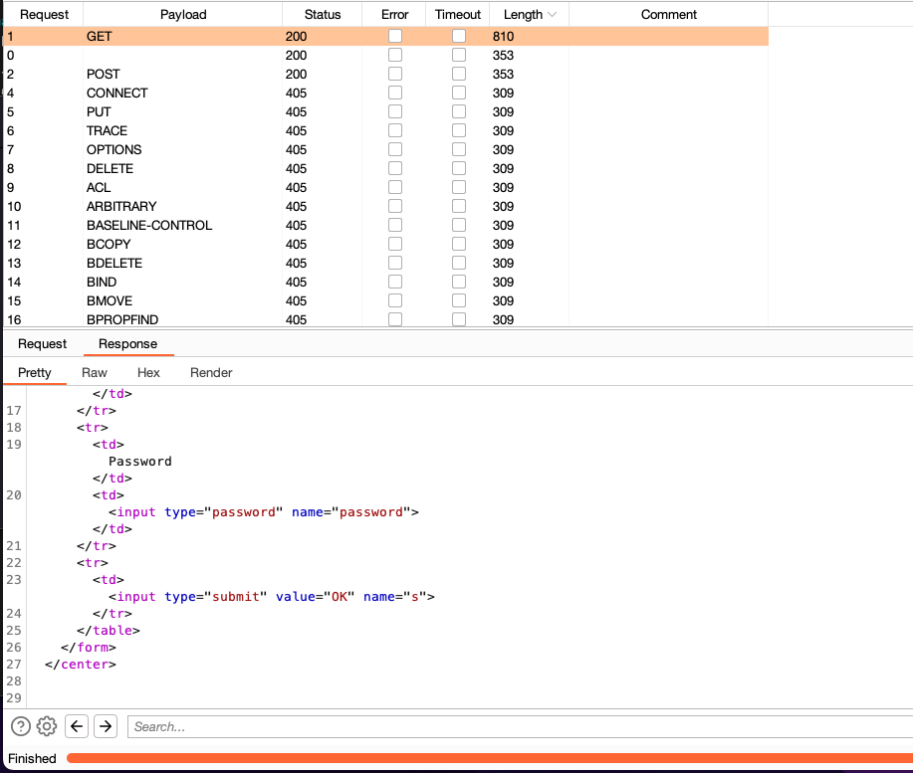
 |  | Testing for HTTP Parameter Pollution | PASSED
 |  | Testing for SQL Injection | VULN
 |  | Testing for LDAP Injection | NOT APPLICABLE
 |  | Testing for XPath Injection | NOT APPLICABLE
 |  | Testing for Incubated Vulnerability | PASSED |  | One way function
 |  | Testing for HTTP Splitting Smuggling | PASSED
 |  | Testing for HTTP Incoming Requests | NOT APPLICABLE
 |  | Testing for Improper Error Handling | VULN
 |  | Testing for Stack Traces | VULN
 |  | Testing for Weak Transport Layer Security | VULN
 |  | Test Business Logic Data Validation | PASSED
 |  | Test Ability to Forge Requests | PASSED
 |  | Test for Process Timing | PASSED | 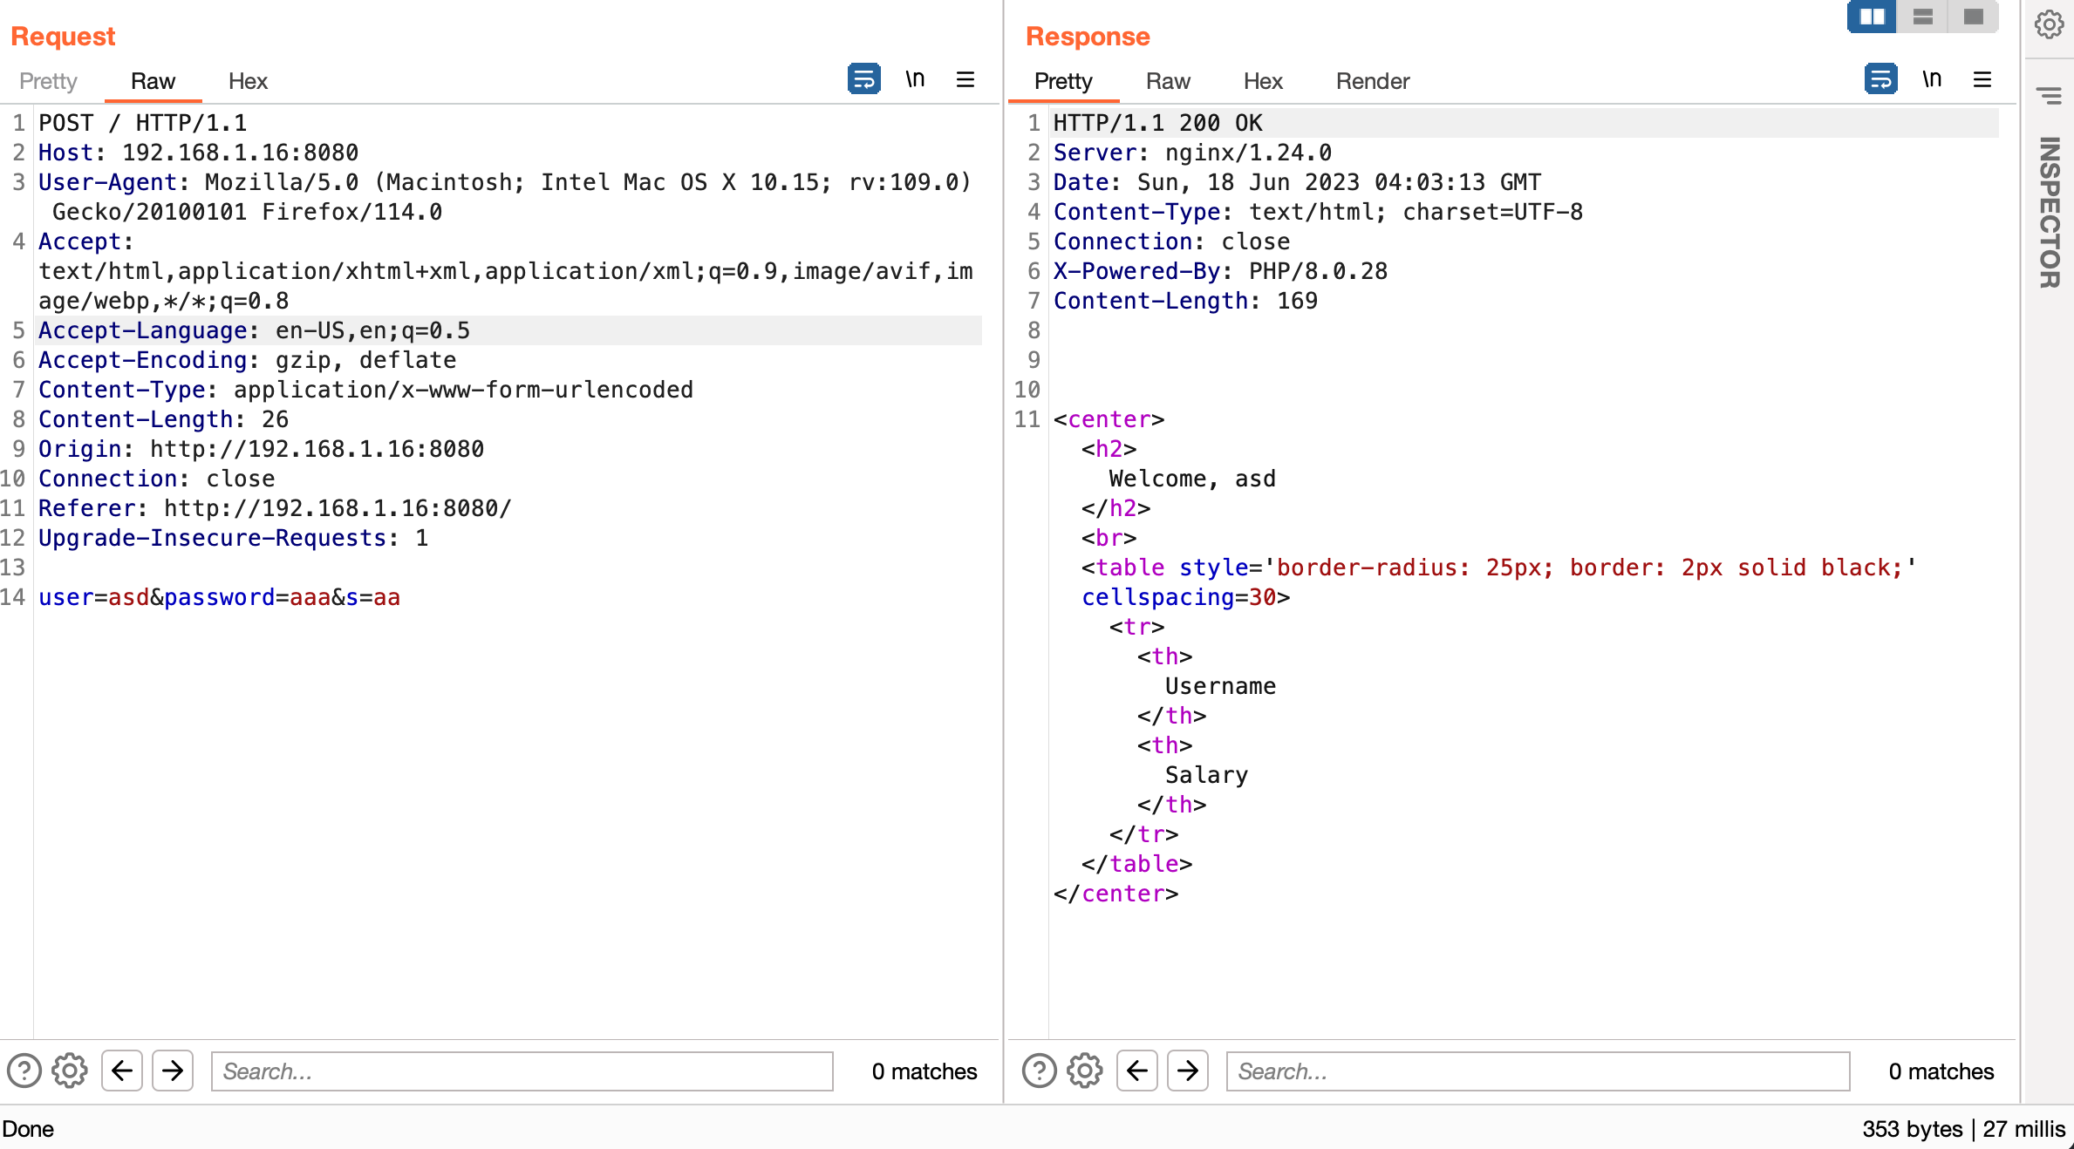 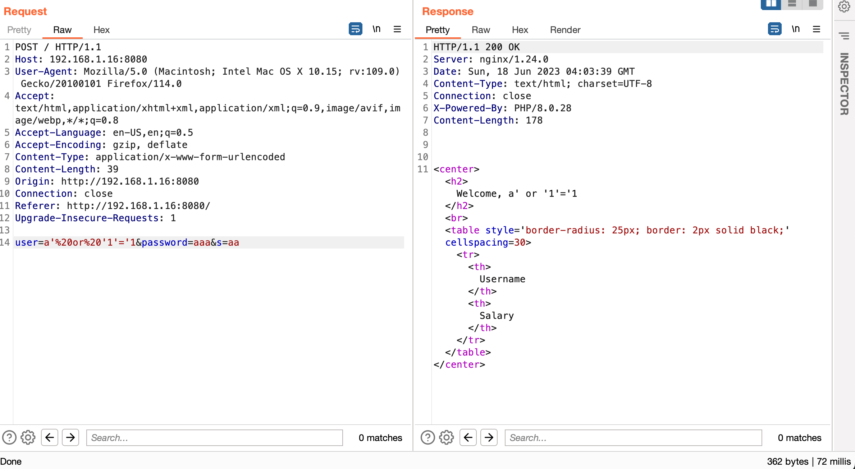
 |  | Test Number of Times a Function Can Be Used Limits | VULN | 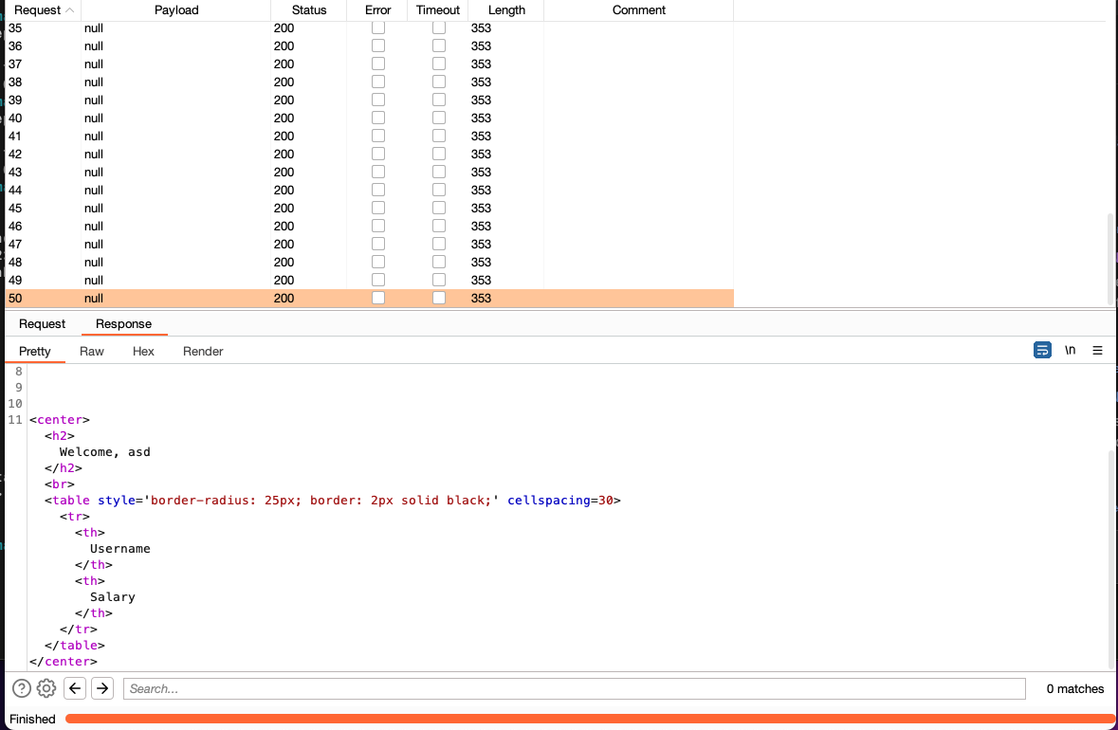
 |  | Testing for the Circumvention of Work Flows | VULN
 |  | Test Defenses Against Application Misuse | PASSED
 |  | Testing for Clickjacking | VULN
2 | GET http://192.168.1.16:8080/ | Testing for Credentials Transported over an Encrypted Channel
 |  | Testing for HTTP Verb Tampering
 |  | Testing for HTTP Parameter Pollution
 |  | Testing for Incubated Vulnerability
 |  | Testing for HTTP Splitting Smuggling
 |  | Testing for Improper Error Handling
 |  | Testing for Stack Traces
 |  | Testing for Weak Transport Layer Security
 |  | Testing for Sensitive Information Sent via Unencrypted Channels
 |  | Test Business Logic Data Validation
 |  | Test Ability to Forge Requests
 |  | Test for Process Timing
 |  | Testing for the Circumvention of Work Flows
 |  | Test Defenses Against Application Misuse
 |  | Testing for Clickjacking
3 | * | Conduct Search Engine Discovery Reconnaissance for Information Leakage
 |  | Fingerprint Web Server
 |  | Review Webserver Metafiles for Information Leakage
 |  | Enumerate Applications on Webserver
 |  | Review Webpage Content for Information Leakage
 |  | Identify Application Entry Points
 |  | Map Execution Paths Through Application
 |  | Fingerprint Web Application Framework
 |  | Fingerprint Web Application
 |  | Map Application Architecture
 |  | Test Network Infrastructure Configuration
 |  | Test Application Platform Configuration
 |  | Test File Extensions Handling for Sensitive Information
 |  | Review Old Backup and Unreferenced Files for Sensitive Information
 |  | Enumerate Infrastructure and Application Admin Interfaces
 |  | Test HTTP Methods
 |  | Test HTTP Strict Transport Security
 |  | Test RIA Cross Domain Policy
 |  | Test File Permission
 |  | Test for Subdomain Takeover
 |  | Test Cloud Storage
 |  | Testing for Content Security Policy
 |  | Test Path Confusion

