料理の満足度_vs_Overall_Satisfaction
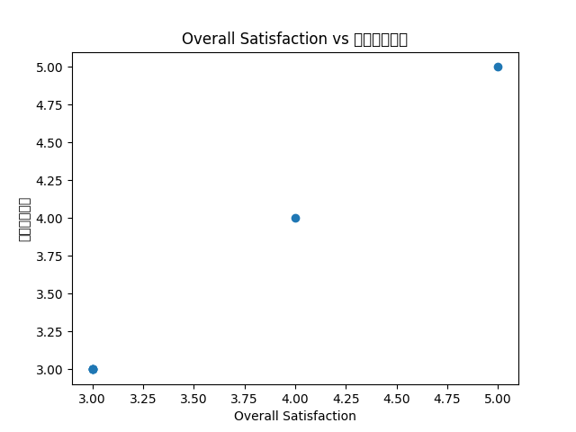

価格の満足度_vs_Overall_Satisfaction
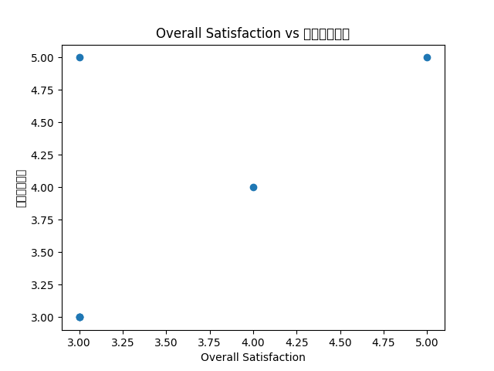

店の雰囲気_vs_Overall_Satisfaction
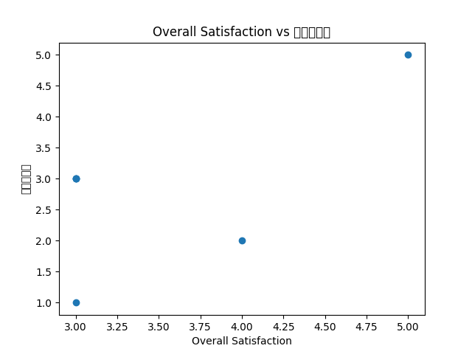

接客態度_vs_Overall_Satisfaction
