SXT2SPECECE010007
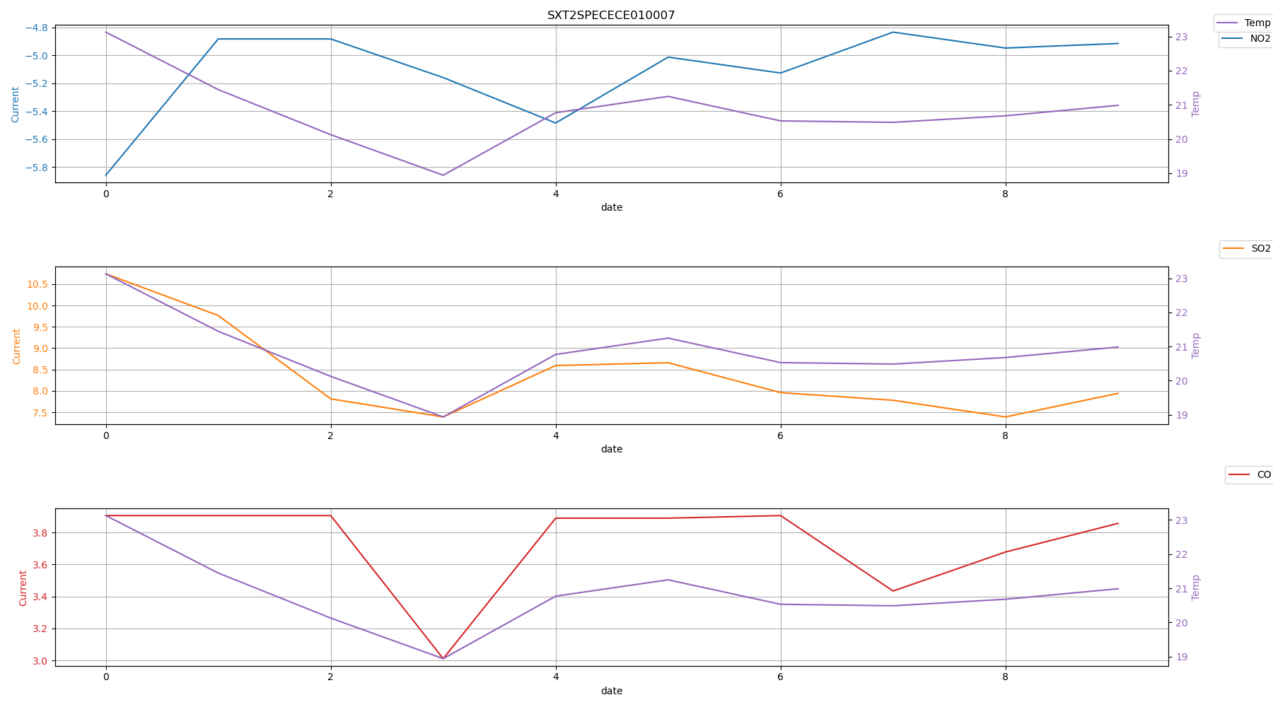
 | Time | NO2 | SO2 | O3 | CO | Temp
0 | SXT2SPECECE010007_2021_12_25.ndjson.csv | -5.859375 | 10.7421875 | 0 | 3.90625 | 23.1283955
0 | SXT2SPECECE010007_2021_12_26.ndjson.csv | -4.8828125 | 9.765625 | 0 | 3.90625 | 21.4461135
0 | SXT2SPECECE010007_2021_12_27.ndjson.csv | -4.8828125 | 7.8125 | 0 | 3.90625 | 20.1269915
0 | SXT2SPECECE010007_2021_12_28.ndjson.csv | -5.1595052083 | 7.3893229167 | 0 | 3.0110677083 | 18.939358367
0 | SXT2SPECECE010007_2021_12_29.ndjson.csv | -5.4850260417 | 8.59375 | 0 | 3.8899739583 | 20.768884
0 | SXT2SPECECE010007_2021_12_30.ndjson.csv | -5.0130208333 | 8.6588541667 | 0 | 3.8899739583 | 21.247065875
0 | SXT2SPECECE010007_2021_12_31.ndjson.csv | -5.126953125 | 7.958984375 | 0 | 3.90625 | 20.530204767
0 | SXT2SPECECE010007_2022_01_01.ndjson.csv | -4.833984375 | 7.7799479167 | -0.016276041667 | 3.4342447917 | 20.487124117
0 | SXT2SPECECE010007_2022_01_02.ndjson.csv | -4.9479166667 | 7.3893229167 | 0 | 3.6783854167 | 20.678160983
0 | SXT2SPECECE010007_2022_01_03.ndjson.csv | -4.9153645833 | 7.9427083333 | 0 | 3.857421875 | 20.985600183

SXT2SPECECE010009
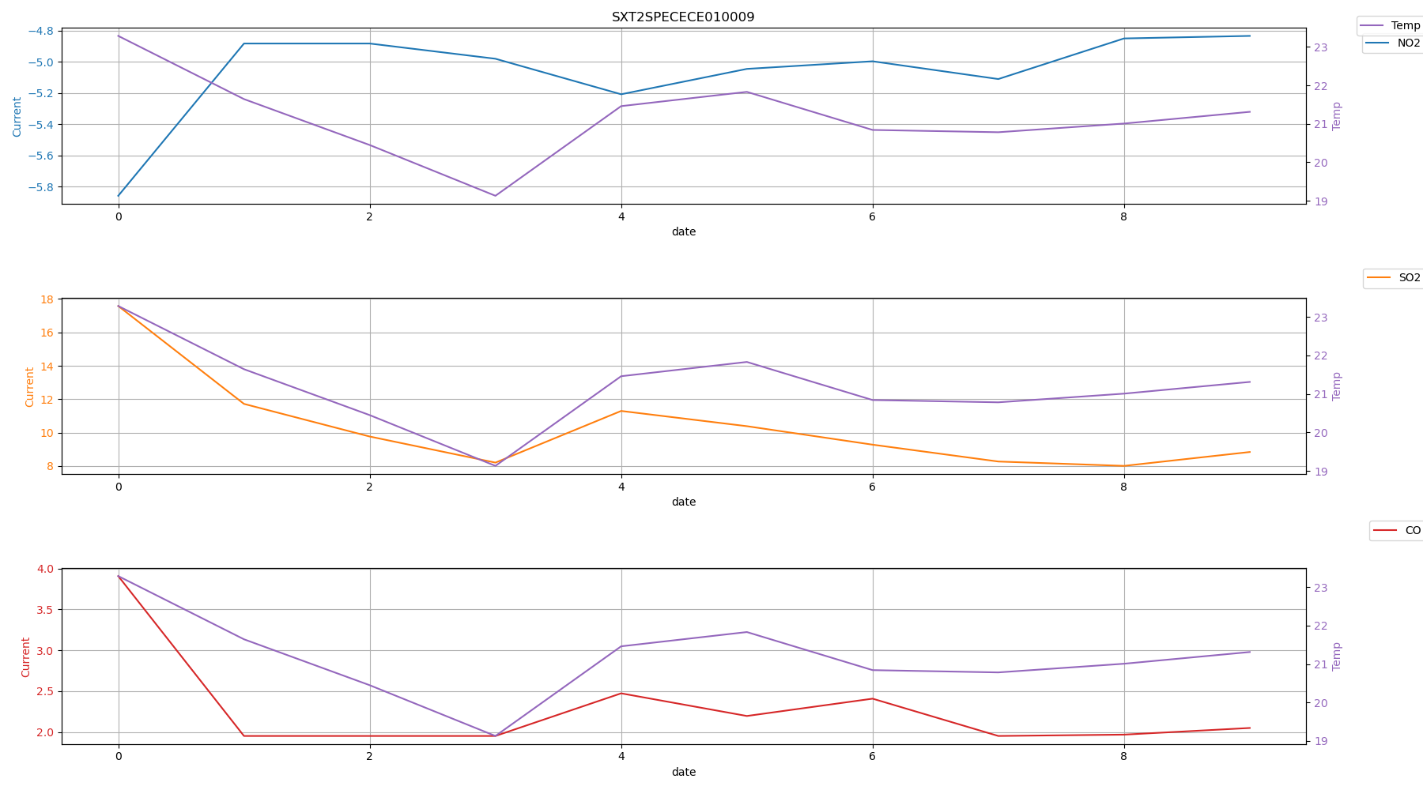
 | Time | NO2 | SO2 | O3 | CO | Temp
0 | SXT2SPECECE010009_2021_12_25.ndjson.csv | -5.859375 | 17.578123 | 0 | 3.90625 | 23.284607
0 | SXT2SPECECE010009_2021_12_26.ndjson.csv | -4.8828125 | 11.71875 | 0 | 1.953125 | 21.6423795
0 | SXT2SPECECE010009_2021_12_27.ndjson.csv | -4.8828125 | 9.765625 | 0 | 1.953125 | 20.448761
0 | SXT2SPECECE010009_2021_12_28.ndjson.csv | -4.98046875 | 8.203125 | 0 | 1.953125 | 19.12952745
0 | SXT2SPECECE010009_2021_12_29.ndjson.csv | -5.2083333333 | 11.295572917 | 0 | 2.4739583333 | 21.459687475
0 | SXT2SPECECE010009_2021_12_30.ndjson.csv | -5.0455729167 | 10.384114583 | 0 | 2.197265625 | 21.830368033
0 | SXT2SPECECE010009_2021_12_31.ndjson.csv | -4.9967447917 | 9.27734375 | 0 | 2.4088541667 | 20.840737075
0 | SXT2SPECECE010009_2022_01_01.ndjson.csv | -5.1106770833 | 8.2682291667 | 0 | 1.953125 | 20.7814344
0 | SXT2SPECECE010009_2022_01_02.ndjson.csv | -4.8502604167 | 8.0078125 | 0 | 1.9694010417 | 21.007029217
0 | SXT2SPECECE010009_2022_01_03.ndjson.csv | -4.833984375 | 8.837890625 | 0 | 2.05078125 | 21.311286267

SXT2SPECECE010010
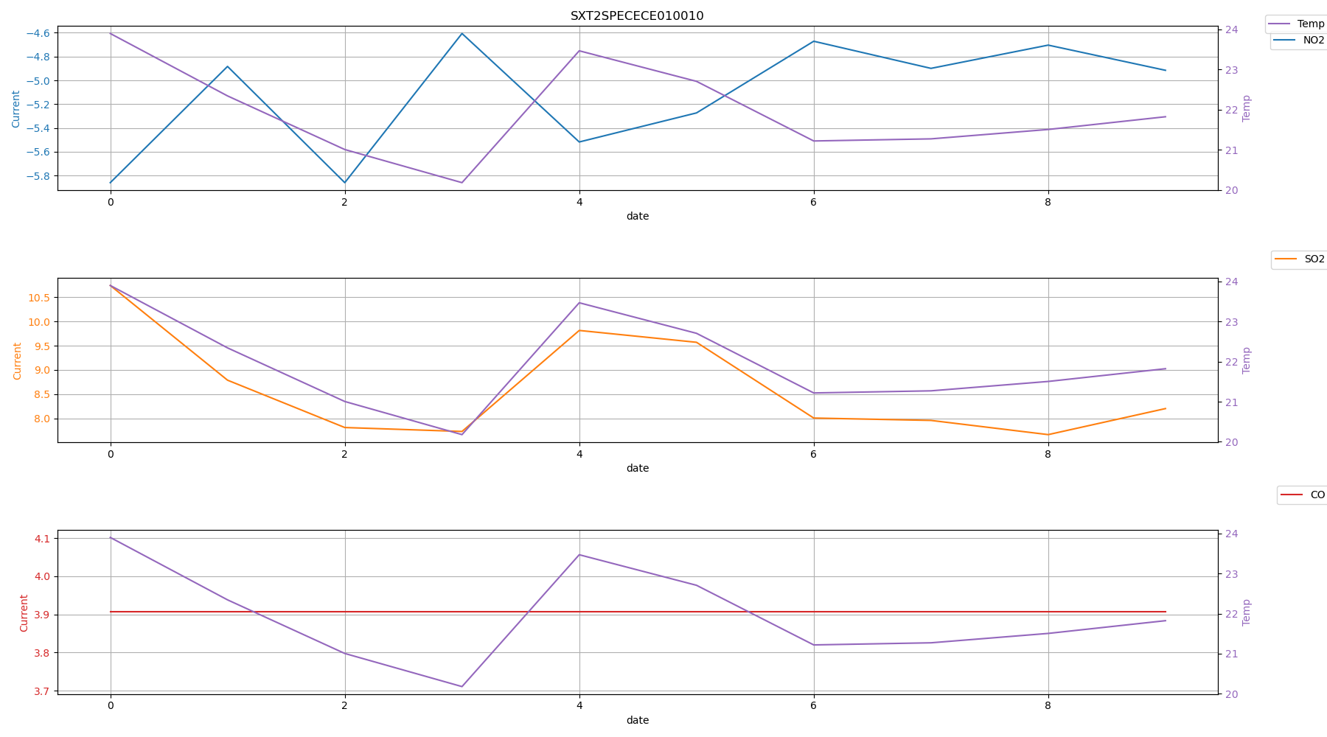
 | Time | NO2 | SO2 | O3 | CO | Temp
0 | SXT2SPECECE010010_2021_12_25.ndjson.csv | -5.859375 | 10.7421875 | 0 | 3.90625 | 23.897438
0 | SXT2SPECECE010010_2021_12_26.ndjson.csv | -4.8828125 | 8.7890625 | 0 | 3.90625 | 22.341995
0 | SXT2SPECECE010010_2021_12_27.ndjson.csv | -5.859375 | 7.8125 | 0 | 3.90625 | 21.005516
0 | SXT2SPECECE010010_2021_12_28.ndjson.csv | -4.6061197917 | 7.7311197917 | 0 | 3.90625 | 20.179529175
0 | SXT2SPECECE010010_2021_12_29.ndjson.csv | -5.517578125 | 9.814453125 | 0 | 3.90625 | 23.466364558
0 | SXT2SPECECE010010_2021_12_30.ndjson.csv | -5.2734375 | 9.5703125 | 0 | 3.90625 | 22.704931867
0 | SXT2SPECECE010010_2021_12_31.ndjson.csv | -4.6712239583 | 8.0078125 | 0 | 3.90625 | 21.218382575
0 | SXT2SPECECE010010_2022_01_01.ndjson.csv | -4.8990885417 | 7.958984375 | 0 | 3.90625 | 21.271120692
0 | SXT2SPECECE010010_2022_01_02.ndjson.csv | -4.7037760417 | 7.666015625 | 0 | 3.90625 | 21.505060208
0 | SXT2SPECECE010010_2022_01_03.ndjson.csv | -4.9153645833 | 8.203125 | 0 | 3.90625 | 21.822423925

SXT2SPECECE010011
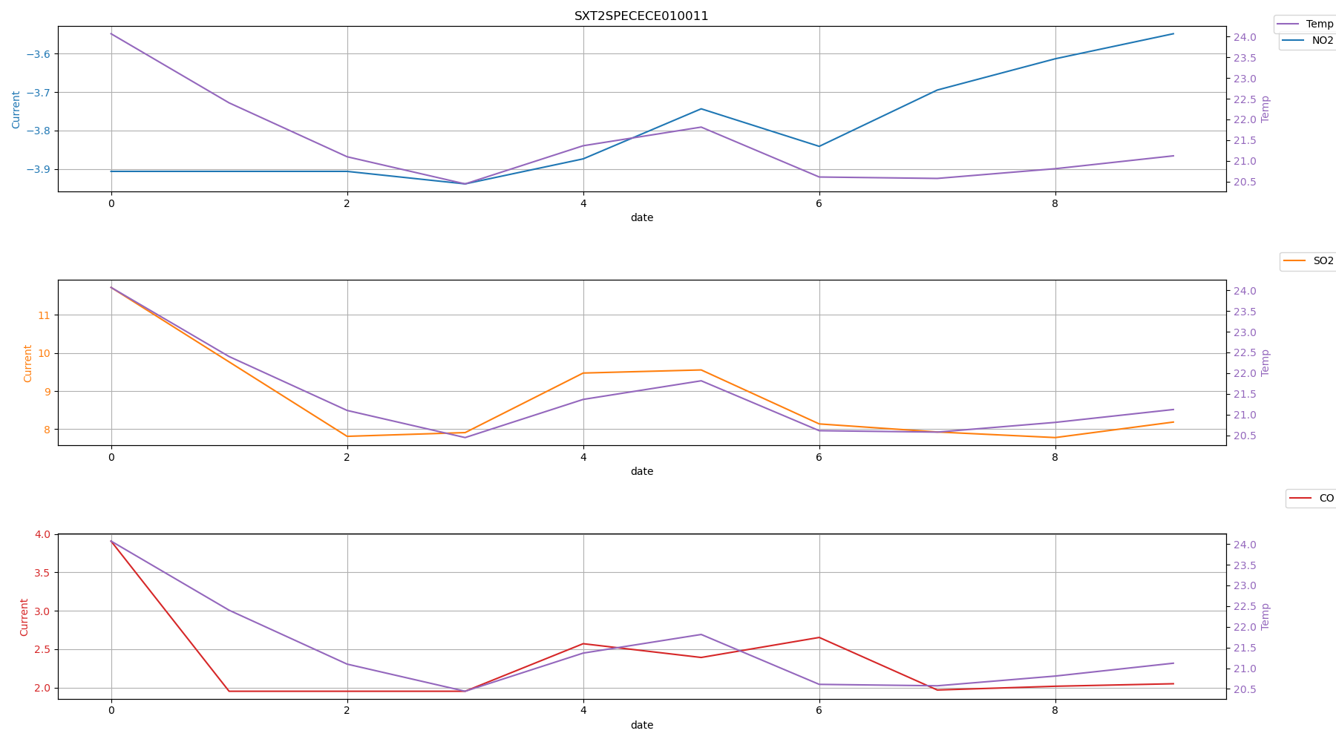
 | Time | NO2 | SO2 | O3 | CO | Temp
0 | SXT2SPECECE010011_2021_12_25.ndjson.csv | -3.90625 | 11.71875 | 0 | 3.90625 | 24.0696715
0 | SXT2SPECECE010011_2021_12_26.ndjson.csv | -3.90625 | 9.765625 | 0 | 1.953125 | 22.4007415
0 | SXT2SPECECE010011_2021_12_27.ndjson.csv | -3.90625 | 7.8125 | 0 | 1.953125 | 21.098976
0 | SXT2SPECECE010011_2021_12_28.ndjson.csv | -3.9388020833 | 7.91015625 | 0 | 1.953125 | 20.443576175
0 | SXT2SPECECE010011_2021_12_29.ndjson.csv | -3.8736979167 | 9.47265625 | 0 | 2.5716145833 | 21.364914525
0 | SXT2SPECECE010011_2021_12_30.ndjson.csv | -3.7434895833 | 9.5540364583 | 0 | 2.392578125 | 21.814702325
0 | SXT2SPECECE010011_2021_12_31.ndjson.csv | -3.8411458333 | 8.1380208333 | 0 | 2.6529947917 | 20.609890633
0 | SXT2SPECECE010011_2022_01_01.ndjson.csv | -3.6946614583 | 7.9264322917 | 0 | 1.9694010417 | 20.575510733
0 | SXT2SPECECE010011_2022_01_02.ndjson.csv | -3.61328125 | 7.7799479167 | 0 | 2.0182291667 | 20.810451467
0 | SXT2SPECECE010011_2022_01_03.ndjson.csv | -3.5481770833 | 8.1868489583 | 0 | 2.05078125 | 21.120939267

