Source 3
Organisation | National Assembly for Wales
Periodicity | Discontinuous
Earliest Available Data | 1999
Geographical Coverage | Wales
Link to Data Source | https://seneddresearch.blog/2016/05/27/assembly-election-2016-womens-political-representation/
Link to Data Source Text | Assembly Election 2016 - Women's Policital Representation
Release Date (DD-MM-YYYY) | 2016-05-27
Next Release (DD-MM-YYYY) | TBC
Statistical Classification | Official Statistic
Contact Details | contact@assembly.wales
Other Information
Data Source notes | Data extracted from the following infographic.

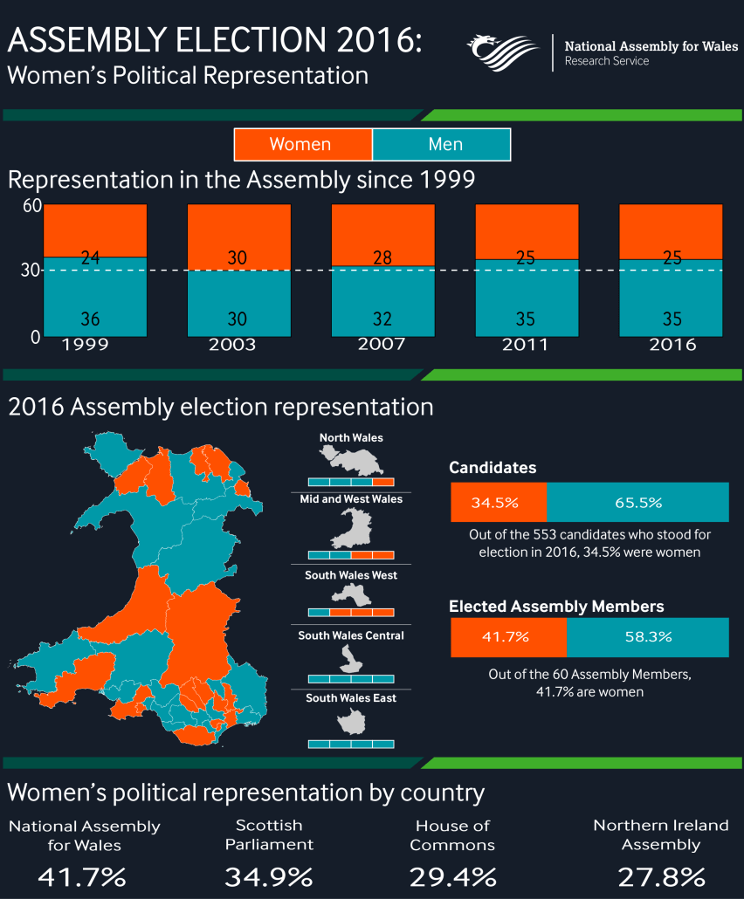
 | Year | Percentage of female members
 | 1999 | 40
 | 2003 | 50
 | 2007 | 46.666666667
 | 2011 | 41.666666667
 | 2016 | 41.666666667

Source 7
Organisation | Wales Local Authority Councils
Periodicity | Discontinuous
Earliest Available Data | 2004
Geographical Coverage | Wales
Link to Data Source | https://www.lgiu.org.uk/wp-content/uploads/2017/04/Does-Local-Government-Work-for-Women-Interim-Report-April-2017-Fawcett-Society.pdf
Link to Data Source Text | Welsh Local Authority Councillors
Release Date (DD-MM-YYYY) | 00/04/2017
Next Release (DD-MM-YYYY) | TBC
Statistical Classification | Official Statistic
Contact Details
Other Information
Data Source notes | Data extracted from the following graph https://www.bbc.co.uk/news/uk-wales-politics-40867483

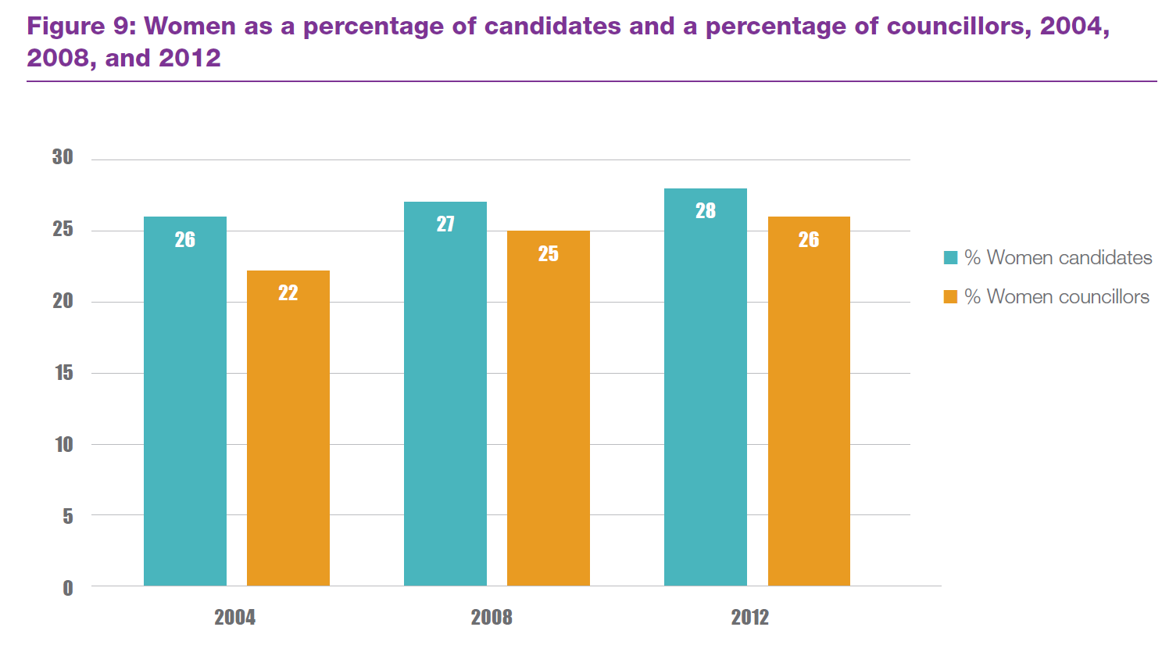

 | Year | Percentage of female members
 | 2004 | 22
 | 2008 | 25
 | 2012 | 26
 | 2017 | 27.8

 | https://www.bbc.co.uk/news/uk-wales-politics-40867483

Source 8
Organisation | Northern Ireland Local Authority Councils
Periodicity | Discontinuous
Earliest Available Data | 2005
Geographical Coverage | Northern Ireland
Link to Data Source | http://www.niassembly.gov.uk/globalassets/documents/raise/publications/2014/assembly_exec_review/7814.pdf
Link to Data Source Text | Northern Ireland Local Authority Councils
Release Date (DD-MM-YYYY) | 2014-06-18
Next Release (DD-MM-YYYY) | TBC
Statistical Classification | Official Statistic
Contact Details
Other Information
Data Source notes | Data extracted from the following data

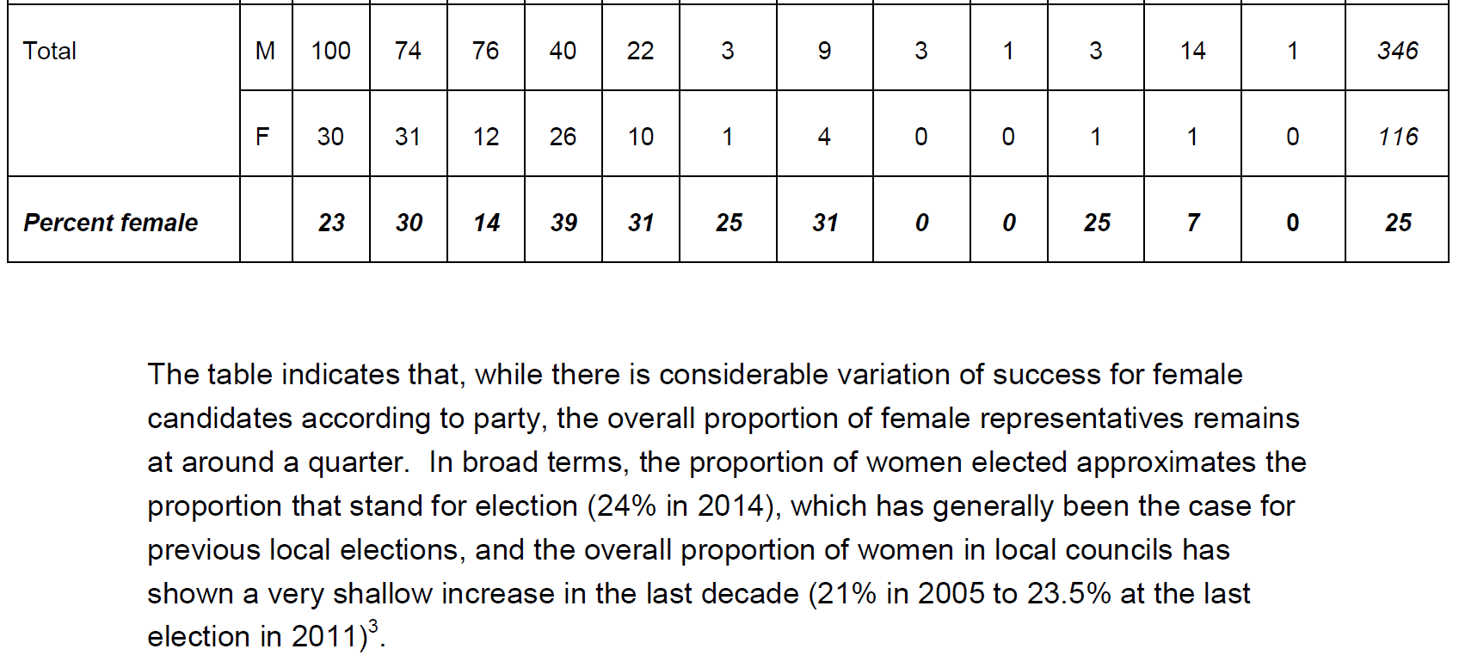
 | Year | Percentage of female members
 | 2005 | 21
 | 2011 | 23.5
 | 2014 | 25

